Report
FROM: | Mark Biegert
SUBJECT: | Validating a Date
DATE: | 05-Mar-2024

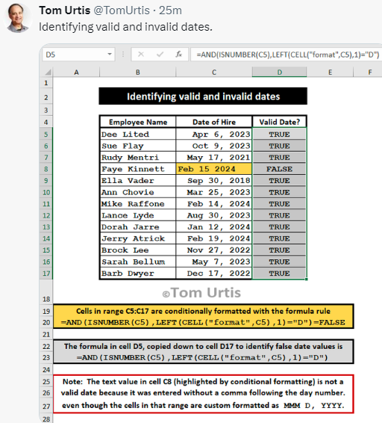

 | Employee Name | Date of Hire | Valid Date
 | Dee Lited | 6-Apr-23 | TRUE
 | Sue Flay | 9-Oct-23 | TRUE
 | Budy Montri | 17-May-21 | TRUE
 | Faye Kinnett | Feb 15 2024 | FALSE
 | Ella Vader | 30-Sep-18 | TRUE
 | Ann Chovie | 25-Mar-23 | TRUE
 | Mike Raffone | 14-Feb-24 | TRUE
 | Lance Lyde | 30-Aug-23 | TRUE
 | Dorah Jarre | 12-Jan-24 | TRUE
 | Jerry Atrick | 19-Feb-24 | TRUE
 | Brook Lee | 27-Nov-22 | TRUE
 | Sarah Bellum | 7-May-23 | TRUE
 | Barb Deyer | 17-Dec-22 | TRUE

Use of the Cell Function

Formats

FROM: | Mark Biegert
SUBJECT: | Biegert Standardized Formating |  |  |  | Reference Info Card
DATE: | 05-Mar-2024
FROM:
SUBJECT:
DATE:
Mark Biegert
SDK Report
5-Mar-2024
Table Formats

 | Category A | Category B | Category C | Value
 | A | 1 | a | 1
 | A | 2 | b | 2
 | B | 1 | a | 3
 | B | 2 | b | 4
 | C | 1 | a | 5
 | C | 2 | b | 6

 | Sum of Value |  | Category C
 | Category A | Category B | a | b | Grand Total
 | A
 |  | 1 | 1 |  | 1
 |  | 2 |  | 2 | 2
 | B
 |  | 1 | 3 |  | 3
 |  | 2 |  | 4 | 4
 | C
 |  | 1 | 5 |  | 5
 |  | 2 |  | 6 | 6
 | Grand Total |  | 9 | 12 | 21

Tab Colors

 | Report Tabs
 | Data Tabs
 | Analysis Tabs
 | References
 | Metadata Tabs
 | Chart Tabs

