SwedishIronOreShipments
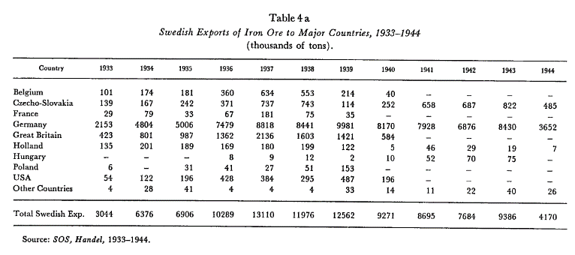
FROM: | Mark Biegert
SUBJECT:
DATE:

 |  |  | Country | 1933 | 1934 | 1935 | 1936 | 1937 | 1938 | 1939 | 1940 | 1941 | 1942 | 1943 | 1944
 |  |  | Belgium | 101 | 174 | 181 | 360 | 634 | 553 | 214 | 40 | - | - | - | -
 |  |  | Czecho-Slovakia | 139 | 167 | 242 | 371 | 737 | 743 | 114 | 252 | 658 | 687 | 822 | 485
 |  |  | France | 29 | 79 | 33 | 67 | 181 | 75 | 35 | - | - | - | - | -
 |  |  | Germany | 2153 | 4804 | 5006 | 7479 | 8818 | 8441 | 9981 | 8170 | 7928 | 6876 | 8430 | 3652
Table 4 a |  |  | Great Britain | 423 | 801 | 987 | 1362 | 2136 | 1603 | 1421 | 584 | - | - | - | -
Swedish Exports of Iron Ore to Major Countries, 1933-1944 |  |  | Holland | 135 | 201 | 189 | 169 | 180 | 199 | 122 | 5 | 46 | 29 | 19 | 7
(thousands of tons). |  |  | Hungary | - | - | - | 8 | 9 | 12 | 2 | 10 | 52 | 70 | 75 | -
Country |  |  | Poland | 6 | - | 31 | 41 | 27 | 51 | 153 | - | - | - | - | -
1933 |  |  | USA | 54 | 122 | 196 | 428 | 384 | 295 | 487 | 196 | - | - | - | -
1934 |  |  | Other Countries | 4 | 28 | 41 | 4 | 4 | 4 | 33 | 14 | 11 | 22 | 40 | 26
1935 |  |  | Total | 3044 | 6376 | 6906 | 10289 | 13110 | 11976 | 12562 | 9271 | 8695 | 7684 | 9386 | 4170
1936
1937
1938 |  |  |  | 1939 | 1940 | 1941 | 1942 | 1943 | 1944
1939 |  |  | Germany | 9981 | 8170 | 7928 | 6876 | 8430 | 3652
1940 |  |  | Czecho-Slovakia | 114 | 252 | 658 | 687 | 822 | 485
1941 |  |  | All Others | 2467 | 849 | 109 | 121 | 134 | 33
1942 |  |  | Total | 12562 | 9271 | 8695 | 7684 | 9386 | 4170
1943
1944
Belgium
101
174
181
360
634
553
214
40
-
-
-
-
Czecho-Slovakia
139
167
242
371
737
743
114
252
658
687
822
485
France
29
79
33
67
181
75
35
-
-
-
-
-
Germany
2153
4804
5006
7479
8818
8441
9981
8170
7928
6876
8430
3652
Great Britain
423
801
987
1362
2136
1603
1421
584
-
-
-
-
Holland
135
201
189
169
180
199
122
5
46
29
19
7
Hungary
-
-
-
8
9
12
2
10
52
70
75
-
Poland
6
-
31
41
27
51
153
-
-
-
-
-
USA
54
122
196
428 |  | `
384
295
487
196
-
-
-
-
Other Countries
4
28
41
4
4
4
33
14
11
22
40
26
Total Swedish Exp.
3044
6376
6906
10289
13110
11976
12562
9271
8695
7684
9386
4170

MineLosses
Name | Build year | Nationality | Year |  |  | Pre-war: Delivered in 1923 as Borzoli. Sold to Nordenfjeldske in 1929 and renamed Sverre Sigurdssøn. Placed in the coastal run Oslo-Kirkenes in Jan.-1930. WW II: Struck a mine and sank at Hjeltefjord, near Herdla, Norway on June 10-1940 when on a voyage from Trondheim to Oslo with general cargo. Mine laid by the French submarine Rubis (Cabanier) on June 9th. Read more at wrecksite: https://www.wrecksite.eu/wreck.aspx?16722
D/S Ala | 1916 | Norway | 1941 | Year | Count of Year
D/S Anglo | 1905 | Norway | 1942 | 1939 | 13
D/S Argo | 1898 | Norway | 1940 | 1940 | 29
M/S Aura | 1944 | Norway | 1944 | 1941 | 19
M/S Balzac | 1921 | Norway | 1940 | 1942 | 20
D/S Bessheim | 1912 | Norway | 1941 | 1943 | 16
D/S Bever | 1930 | Norway | 1944 | 1944 | 19
D/S Birk | 1920 | Norway | 1942 | 1945 | 9
D/S Bjørkhaug | 1919 | Norway | 1943 | Grand Total | 125
M/S Blåmannen | 1918 | Norway | 1940
M/S Bogevik | 1924 | Norway | 1940
Norwegian Ships Sunk By Mines During WW2
D/S Bravore | 1916 | Norway | 1940
M/S Brynje | 1926 | Norway | 1941
T/S Burgos | 1920 | Norway | 1940
D/S Bygdøy | 1921 | Norway | 1943
D/S Bør | 1918 | Norway | 1942
D/S Carrier | 1921 | Norway | 1945
M/T Deodata | 1897 | Norway | 1939
D/S Diana | 1904 | Norway | 1940
D/S Draugen | 1901 | Norway | 1940
D/S Einar Jarl | 1921 | Norway | 1941
D/S Elna E | 1925 | Norway | 1941
Engøy | 1882 | Norway | 1943
D/S Erling Lindøe | 1917 | Norway | 1944
M/K Fanny | 1874 | Norway | 1945
D/S Frode | 1917 | Norway | 1943
M/S Gressholm | 1930 | Norway | 1939
D/S Gunvor | 1935 | Norway | 1942
D/S Haugarland | 1911 | Norway | 1942
M/S Hav | 1939 | Norway | 1942
D/S H.C. Flood | 1917 | Norway | 1939
Patruljefartøy HNoMS Bodø HNoMS | 1936 | Norway | 1943
Motorlaunch HNoMS ML 210 | 1940 | Norway | 1944
Korvett HNoMS Tunsberg Castle | 1944 | Norway | 1944
Undervannsbåt HNoMS Uredd | 1941 | Norway | 1943
D/S Huldra | 1940 | Norway | 1941
D/S Hundvaag | 1908 | Norway | 1940
M/S Høegh Transporter | 1935 | Norway | 1939
D/S Ingøy | 1871 | Norway | 1942
D/S Jadarland | 1918 | Norway | 1940
D/S Kem | 1925 | Norway | 1940
M/S Knute Nelson | 1926 | Norway | 1944
D/S Kong Halfdan | 1923 | Norway | 1944
D/S Kong Ring | 1929 | Norway | 1941
D/S Landego | 1927 | Norway | 1942
D/S Listo | 1918 | Norway | 1943
M/T Mexico | 1920 | Norway | 1941
M/T Mil | 1923 | Norway | 1944
Jakt Morild | Unknown | Norway | 1942
D/S Nina | 1917 | Norway | 1944
D/S Nordland | 1898 | Norway | 1942
D/S Norfalk | 1919 | Norway | 1944
D/S Norhauk | 1919 | Norway | 1943
M/K Nygrunn | 1943? | Norway | 1945
M/S O.C. | 1938 | Norway | 1940
M/S Oslofjord | 1938 | Norway | 1940
D/S Pasvik | 1910 | Norway | 1943
D/S P.G. Halvorsen | 1912 | Norway | 1941
D/S Prinsesse Ragnhild | 1931 | Norway | 1940
D/S Profit | 1918 | Norway | 1941
D/S Ragni | 1919 | Norway | 1939
M/S Ransæter | 1927 | Norway | 1943
M/T Realf | 1937 | Norway | 1939
D/S Ringen | 1917 | Norway | 1944
M/S Ronda | 1937 | Norway | 1939
D/S Rygja | 1920 | Norway | 1943
D/S Samlanes | 1908 | Norway | 1941
D/S Sellinge | 1916 | Norway | 1943
M/K Selma | Unknown | Norway | 1942
D/S Sig | 1924 | Norway | 1939
M/K Sjøbakken | 1917 | Norway | 1943
Skonnert 3 master Snorre I | 1923 | Norway | 1940
M/S Solbjørn | 1888 | Norway | 1944
D/S Solaas | 1917 | Norway | 1939
D/S Stalheim | 1936 | Norway | 1940
M/S Steiner | 1894 | Norway | 1945
D/S Strindheim | 1923 | Norway | 1939
D/S Strombus | 1900 | Norway | 1940
M/S Svein I | 1932 | Norway | 1944
D/S Sverre Sigurdssøn | 1923 | Norway | 1940
D/S Sæl | 1917 | Norway | 1940
M/S Tento | 1921 | Norway | 1944
M/T Thorshøvdi | 1937 | Norway | 1943
D/S Torwood | 1921 | Norway | 1939
M/S Tourcoing | 1924 | Norway | 1942
D/S Treern | 1929 | Norway | 1945
D/S Utviken | 1942 | Norway | 1945
M/S Vansø | 1908 | Norway | 1940
D/S Varangmalm | 1918 | Norway | 1939
M/S Verma | 1878 | Norway | 1943
D/S Øyulf | 1917 | Norway | 1940

GermanTotalIronOre
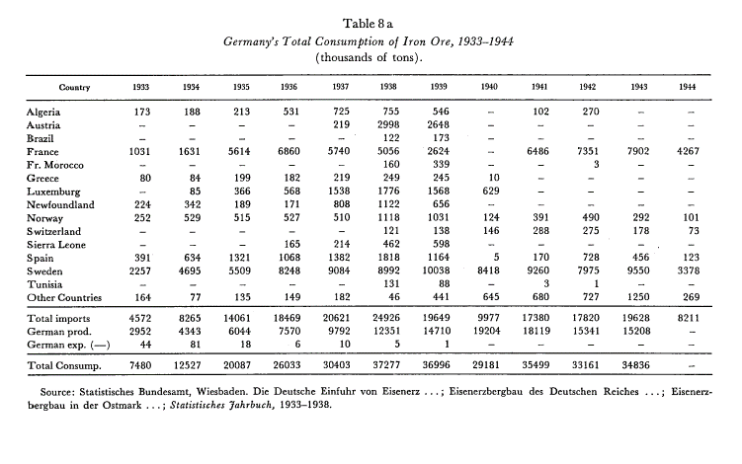
Table 8 a
Germany's Total Consumption of Iron Ore, 1933-1944
(thousands of tons).
Country
1933
1934
1935
1936
1937
1938
1939
1940
1941
1942
1943
1944
Algeria
173
188
213
531
725
755
346

102
270
 | Country | 1933 | 1934 | 1935 | 1936 | 1937 | 1938 | 1939 | 1940 | 1941 | 1942 | 1943 | 1944
 | Algeria | 173 | 188 | 213 | 531 | 725 | 755 | 346 | 0 | 102 | 270 | 0 | 0
Austria | Austria | 0 | 0 | 0 | 0 | 219 | 2998 | 2648 | 0 | 0 | 0 | 0 | 0
 | Brazil | 0 | 0 | 0 | 0 | 0 | 122 | 173 | 0 | 0 | 0 | 0 | 0
 | France | 1031 | 1631 | 5614 | 6860 | 5740 | 5056 | 2624 | 0 | 6486 | 7351 | 7902 | 4267
 | Fr. Morocco | 0 | 0 | 0 | 0 | 0 | 160 | 339 | 0 | 0 | 3 | 0 | 0
 | Greece | 80 | 84 | 199 | 182 | 219 | 249 | 245 | 10 | 0 | 0 | 0 | 0
219 | Luxemburg | 0 | 85 | 366 | 568 | 1538 | 1776 | 1568 | 629 | 0 | 0 | 0 | 0
2998 | Newfoundland | 224 | 342 | 189 | 171 | 808 | 1122 | 656 | 0 | 0 | 0 | 0 | 0
2648 | Norway | 252 | 529 | 515 | 527 | 510 | 1118 | 1031 | 124 | 391 | 490 | 292 | 101
 | Switzerland | 0 | 0 | 0 | 0 | 0 | 121 | 138 | 146 | 288 | 275 | 178 | 73
 | Sierra Leone | 0 | 0 | 0 | 165 | 214 | 462 | 598 | 0 | 0 | 0 | 0 | 0
 | Spain | 391 | 634 | 1321 | 1068 | 1382 | 1818 | 1164 | 5 | 170 | 728 | 456 | 123
 | Sweden | 2257 | 4695 | 5509 | 8248 | 9084 | 8992 | 10038 | 8418 | 9260 | 7975 | 9550 | 3378
 | Tunisia | 0 | 0 | 0 | 0 | 0 | 131 | 88 | 0 | 3 | 1 | 0 | 0
Brazil | Other Countries | 164 | 77 | 135 | 149 | 182 | 46 | 441 | 645 | 680 | 727 | 1250 | 269
 | Total imports | 4572 | 8265 | 14061 | 18469 | 20621 | 24926 | 19649 | 9977 | 17380 | 17820 | 19628 | 8211
 | German prod. | 2952 | 4343 | 6044 | 7570 | 9792 | 12351 | 14710 | 19204 | 18119 | 15341 | 15208 | 0
 | German exp. (-) | 44 | 81 | 18 | 6 | 10 | 5 | 1 | 0 | 0 | 0 | 0 | 0
 | Total Consump. | 7480 | 12527 | 20087 | 26033 | 30403 | 37277 | 36996 | 29181 | 35499 | 33161 | 34836 | #N/A

122
173 | Country | 1933 | 1934 | 1935 | 1936 | 1937 | 1938 | 1939 | 1940 | 1941 | 1942 | 1943 | 1944
 | Algeria | 173 | 188 | 213 | 531 | 725 | 755 | 546 | 0 | 102 | 270 | 0 | 0
 | Austria | 0 | 0 | 0 | 0 | 219 | 2998 | 2648 | 0 | 0 | 0 | 0 | 0
 | Brazil | 0 | 0 | 0 | 0 | 0 | 122 | 173 | 0 | 0 | 0 | 0 | 0
 | France | 1031 | 1631 | 5614 | 6860 | 5740 | 5056 | 2624 | 0 | 6486 | 7351 | 7902 | 4267
 | Fr. Morocco | 0 | 0 | 0 | 0 | 0 | 160 | 339 | 0 | 0 | 3 | 0 | 0
France | Greece | 80 | 84 | 199 | 182 | 219 | 249 | 245 | 10 | 0 | 0 | 0 | 0
1031 | Luxemburg | 0 | 85 | 366 | 568 | 1538 | 1776 | 1568 | 629 | 0 | 0 | 0 | 0
1631 | Newfoundland | 224 | 342 | 189 | 171 | 808 | 1122 | 656 | 0 | 0 | 0 | 0 | 0
5614 | Norway | 252 | 529 | 515 | 527 | 510 | 1118 | 1031 | 124 | 391 | 490 | 292 | 101
6860 | Switzerland | 0 | 0 | 0 | 0 | 0 | 121 | 138 | 146 | 288 | 275 | 178 | 73
5740 | Sierra Leone | 0 | 0 | 0 | 165 | 214 | 462 | 598 | 0 | 0 | 0 | 0 | 0
5056 | Spain | 391 | 634 | 1321 | 1068 | 1382 | 1818 | 1164 | 5 | 170 | 728 | 456 | 123
2624 | Sweden | 2257 | 4695 | 5509 | 8248 | 9084 | 8992 | 10038 | 8418 | 9260 | 7975 | 9550 | 3378
 | Tunisia | 0 | 0 | 0 | 0 | 0 | 131 | 88 | 0 | 3 | 1 | 0 | 0
6486 | Other Countries | 164 | 77 | 135 | 149 | 182 | 46 | 441 | 645 | 680 | 727 | 1250 | 269
7351 | Total imports | 4572 | 8265 | 14061 | 18469 | 20621 | 24926 | 22297 | 9977 | 17380 | 17820 | 19628 | 8211
7902 | German prod. | 2952 | 4343 | 6044 | 7570 | 9792 | 12351 | 14710 | 19204 | 18119 | 15341 | 15208 | 0
4267 | German exp. (-) | 44 | 81 | 18 | 6 | 10 | 5 | 1 | 0 | 0 | 0 | 0 | 0
Fr. Morocco | Total Consump. | 7480 | 12527 | 20087 | 26033 | 30403 | 37272 | 37006 | 29181 | 35499 | 33161 | 34836 | 8211

 |  |  |  |  |  |  |  | 2648

160
339

3

Greece
80
84
199
182
219
249
245
10

Luxemburg

85
366
568
1538
1776
1568
629

Newfoundland
224
342
189
171
808
1122
656

Norway
252
529
515
527
510
1118
1031
124
391
490
292
101
Switzerland

121
138
146
288
275
178
73
Sierra Leone

165
214
462
598

Spain
391
634
1321
1068
1382
1818
1164
5
170
728
456
123
Sweden
2257
4695
5509
8248
9084
8992
10038
8418
9260
7975
9550
3378
Tunisia

131
88

3
1

Other Countries
164
77
135
149
182
46
441
645
680
727
1250
269
Total imports
4572
8265
14061
18469
20621
24926
19649
9977
17380
17820
19628
8211
German prod.
2952
4343
6044
7570
9792
12351
14710
19204
18119
15341
15208

German exp. (-)
44
81
18
6
10
5
1

Total Consump.
7480
12527
20087
26033
30403
37277
36996
29181
35499
33161
34836

NarvikShipments
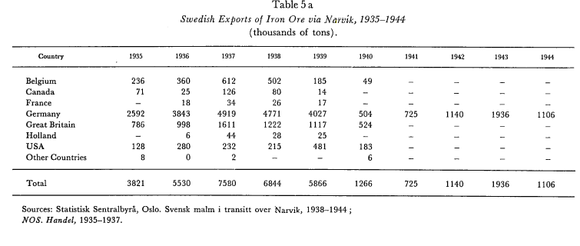

****** Result for Image/Page 1 ******
Swedish Exports of Iron Ore via 19.35—1944
(thousands of tons).
Country | Country | 1935 | 1936 | 1937 | 1938 | 1939 | 1940 | 1941 | 1942 | 1943 | 1944
Belgium | Belgium | 236 | 360 | 612 | 502 | 185 | 49 | 0 | 0 | 0 | 0
Canada | Canada | 71 | 25 | 126 | 80 | 14 | 0 | 0 | 0 | 0 | 0
France | France | 0 | 18 | 34 | 26 | 17 | 0 | 0 | 0 | 0 | 0
Germany | Germany | 2592 | 3843 | 4919 | 4771 | 4027 | 504 | 725 | 1140 | 1936 | 1106
Great Britain | Great Britain | 786 | 998 | 1611 | 1222 | 1117 | 524 | 0 | 0 | 0 | 0
Holland | Holland | 0 | 6 | 44 | 28 | 25 | 0 | 0 | 0 | 0 | 0
USA | USA | 128 | 280 | 232 | 215 | 481 | 183 | 0 | 0 | 0 | 0
Other Countries | Other Countries | 8 | 0 | 2 | 0 | 0 | 6 | 0 | 0 | 0 | 0
Total | Total | 3821 | 5530 | 7580 | 6844 | 5866 | 1266 | 725 | 1140 | 1936 | 1106
1935
236
71 |  | 1939 | 1940 | 1941 | 1942 | 1943 | 1944 |  |  | Belgium | Canada | France | Germany | Great Britain | Holland | USA | Other Countries
 | Belgium | 185 | 49 | 0 | 0 | 0 | 0 |  | 1939 | 185 | 14 | 17 | 4027 | 1117 | 25 | 481 | 0
2592 | Canada | 14 | 0 | 0 | 0 | 0 | 0 |  | 1940 | 49 | 0 | 0 | 504 | 524 | 0 | 183 | 6
786 | France | 17 | 0 | 0 | 0 | 0 | 0 |  | 1941 | 0 | 0 | 0 | 725 | 0 | 0 | 0 | 0
 | Germany | 4027 | 504 | 725 | 1140 | 1936 | 1106 |  | 1942 | 0 | 0 | 0 | 1140 | 0 | 0 | 0 | 0
128 | Great Britain | 1117 | 524 | 0 | 0 | 0 | 0 |  | 1943 | 0 | 0 | 0 | 1936 | 0 | 0 | 0 | 0
8 | Holland | 25 | 0 | 0 | 0 | 0 | 0 |  | 1944 | 0 | 0 | 0 | 1106 | 0 | 0 | 0 | 0
3821 | USA | 481 | 183 | 0 | 0 | 0 | 0
1936 | Other Countries | 0 | 6 | 0 | 0 | 0 | 0
360 | Total | 5866 | 1266 | 725 | 1140 | 1936 | 1106
25
18
3843
998
6
280
0
5530
1937
612
126
34
4919
1611
44
232
2
7580
1938
502
80
26
4771
1222
28
215

6844
1939
185
14
17
4027
1117
25
481

5866
1940
49

504
524

183
6
1266
1941

725

725
1942

1140

1140
1942

1936

1936
1944

1106

1106

