Report
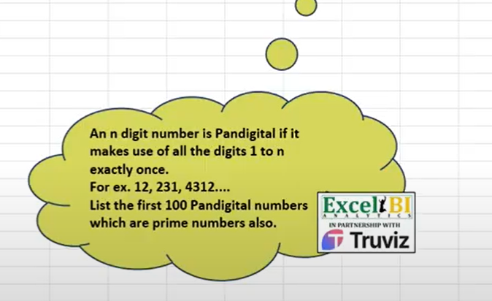
FROM: | Mark Biegert
SUBJECT:
DATE: | 17-Apr-2024

 |  |  | 6.6895029134E+198

 |  |  | 1815726

 |  |  |  | 123 | =LET(n,3,s,SEQUENCE(,n),REDUCE(TOCOL(s),DROP(s,,1),LAMBDA(a,v,TOCOL(IFS(ISERR(FIND(s,a)),a&s),3))))
 |  |  |  | 132
 |  |  |  | 213 | 1 | 2 | 3 |  |  |  |  | 2 | 3
 |  |  |  | 231 |  |  |  |  |  |  | 1
 |  |  |  | 312 |  |  |  |  |  |  | 2
 |  |  |  | 321 |  |  |  |  |  |  | 3

 |  |  |  | 123 |  |  | 1 | 2 | 3 |  | 1 | 12
 |  |  |  | 132 |  |  | 2 | 2 | 3 |  | 2 | 22
 |  |  |  | 213 |  |  | 3 | 3 | 3 |  | 3 | 32
 |  |  |  | 231
 |  |  |  | 312
 |  |  |  | 321

 |  |  |  |  |  | This is clever. He is building the number from the back.
111 | 122 | 133 |  | 111
211 | 222 | 233 |  | 112
311 | 322 | 333 |  | 113 |  |  |  | s
 |  |  |  | 121 |  |  | append 1
 |  |  |  | 122 |  |  | Column |  |  | 1 | 2 | 3
 |  |  |  | 123
 |  |  |  | 131 |  |  |  |  | 111 | 1 | 11 | 12 | 13 | 11 | 111 | 112 | 113 | 111 | 1 | #VALUE! | #VALUE! | FALSE | TRUE | TRUE
 |  |  |  | 132 |  |  |  |  | 112 | 2 | 21 | 22 | 23 | 12 | 121 | 122 | 123 | 112 | 1 | 3 | #VALUE! | FALSE | FALSE | TRUE
 |  |  |  | 133 |  |  |  |  | 113 | 3 | 31 | 32 | 33 | 13 | 131 | 132 | 133 | 113 | 1 | #VALUE! | 3 | FALSE | TRUE | FALSE
 |  |  |  | 211 |  |  |  |  | 121 |  |  |  |  | 21 | 211 | 212 | 213 | 121 | 1 | 2 | #VALUE! | FALSE | FALSE | TRUE
 |  |  |  | 212 |  |  |  |  | 122 |  |  |  |  | 22 | 221 | 222 | 223 | 122 | 1 | 2 | #VALUE! | FALSE | FALSE | TRUE
 |  |  |  | 213 |  |  |  |  | 123 |  |  |  |  | 23 | 231 | 232 | 233 | 123 | 1 | 2 | 3 | FALSE | FALSE | FALSE
 |  |  |  | 221 |  |  |  |  | 131 |  |  |  |  | 31 | 311 | 312 | 313 | 131 | 1 | #VALUE! | 2 | FALSE | TRUE | FALSE
 |  |  |  | 222 |  |  |  |  | 132 |  |  |  |  | 32 | 321 | 322 | 323 | 132 | 1 | 3 | 2 | FALSE | FALSE | FALSE
 |  |  |  | 223 |  |  |  |  | 133 |  |  |  |  | 33 | 331 | 332 | 333 | 133 | 1 | #VALUE! | 2 | FALSE | TRUE | FALSE
 |  |  |  | 231 |  |  |  |  | 211 |  |  |  |  |  |  |  |  | 211 | 2 | 1 | #VALUE! | FALSE | FALSE | TRUE
 |  |  |  | 232 |  |  |  |  | 212 |  |  |  |  |  |  |  |  | 212 | 2 | 1 | #VALUE! | FALSE | FALSE | TRUE
 |  |  |  | 233 |  |  |  |  | 213 |  |  |  |  |  |  |  |  | 213 | 2 | 1 | 3 | FALSE | FALSE | FALSE
 |  |  |  | 311 |  |  |  |  | 221 |  |  |  |  |  |  |  |  | 221 | 3 | 1 | #VALUE! | FALSE | FALSE | TRUE
 |  |  |  | 312 |  |  |  |  | 222 |  |  |  |  |  |  |  |  | 222 | #VALUE! | 1 | #VALUE! | TRUE | FALSE | TRUE
 |  |  |  | 313 |  |  |  |  | 223 |  |  |  |  |  |  |  |  | 223 | #VALUE! | 1 | 3 | TRUE | FALSE | FALSE
 |  |  |  | 321 |  |  |  |  | 231 |  |  |  |  |  |  |  |  | 231 | 3 | 1 | 2 | FALSE | FALSE | FALSE
 |  |  |  | 322 |  |  |  |  | 232 |  |  |  |  |  |  |  |  | 232 | #VALUE! | 1 | 2 | TRUE | FALSE | FALSE
 |  |  |  | 323 |  |  |  |  | 233 |  |  |  |  |  |  |  |  | 233 | #VALUE! | 1 | 2 | TRUE | FALSE | FALSE
 |  |  |  | 331 |  |  |  |  | 311 |  |  |  |  |  |  |  |  | 311 | 2 | #VALUE! | 1 | FALSE | TRUE | FALSE
 |  |  |  | 332 |  |  |  |  | 312 |  |  |  |  |  |  |  |  | 312 | 2 | 3 | 1 | FALSE | FALSE | FALSE
 |  |  |  | 333 |  |  |  |  | 313 |  |  |  |  |  |  |  |  | 313 | 2 | #VALUE! | 1 | FALSE | TRUE | FALSE
 |  |  |  |  |  |  |  |  | 321 |  |  |  |  |  |  |  |  | 321 | 3 | 2 | 1 | FALSE | FALSE | FALSE
 |  |  |  |  |  |  |  |  | 322 |  |  |  |  |  |  |  |  | 322 | #VALUE! | 2 | 1 | TRUE | FALSE | FALSE
 |  |  |  |  |  |  |  |  | 323 |  |  |  |  |  |  |  |  | 323 | #VALUE! | 2 | 1 | TRUE | FALSE | FALSE
 |  |  |  |  |  |  |  |  | 331 |  |  |  |  |  |  |  |  | 331 | 3 | #VALUE! | 1 | FALSE | TRUE | FALSE
 |  |  |  |  |  |  |  |  | 332 |  |  |  |  |  |  |  |  | 332 | #VALUE! | 3 | 1 | TRUE | FALSE | FALSE
 |  |  |  |  |  |  |  |  | 333 |  |  |  |  |  |  |  |  | 333 | #VALUE! | #VALUE! | 1 | TRUE | TRUE | FALSE

Formats

FROM: | Mark Biegert
SUBJECT: | Biegert Standardized Formating |  |  |  | Reference Info Card
DATE: | 17-Apr-2024
FROM:
SUBJECT:
DATE:
Mark Biegert
SDK Report
5-Mar-2024
Table Formats

 | Category A | Category B | Category C | Value
 | A | 1 | a | 1
 | A | 2 | b | 2
 | B | 1 | a | 3
 | B | 2 | b | 4
 | C | 1 | a | 5
 | C | 2 | b | 6

 | Sum of Value |  | Category C
 | Category A | Category B | a | b | Grand Total
 | A
 |  | 1 | 1 |  | 1
 |  | 2 |  | 2 | 2
 | B
 |  | 1 | 3 |  | 3
 |  | 2 |  | 4 | 4
 | C
 |  | 1 | 5 |  | 5
 |  | 2 |  | 6 | 6
 | Grand Total |  | 9 | 12 | 21

Tab Colors

 | Report Tabs
 | Data Tabs
 | Analysis Tabs
 | References
 | Metadata Tabs
 | Chart Tabs

