VerySimple
FROM: | Mark Biegert
SUBJECT:
DATE:

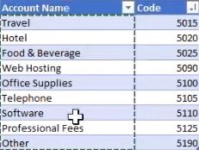
Account Name | Code
Travel | 5015
Hotel | 5020
Food & Beverage | 5025
Web Hosting | 5090
Office Supplies | 5100
Telephone | 5105
Software | 5110
Professonal Fees | 5125
Other | 5190

