Cleanup
FROM: | Mark Biegert
SUBJECT: | Cleanup and Crosscheck
DATE: | 07-May-2023
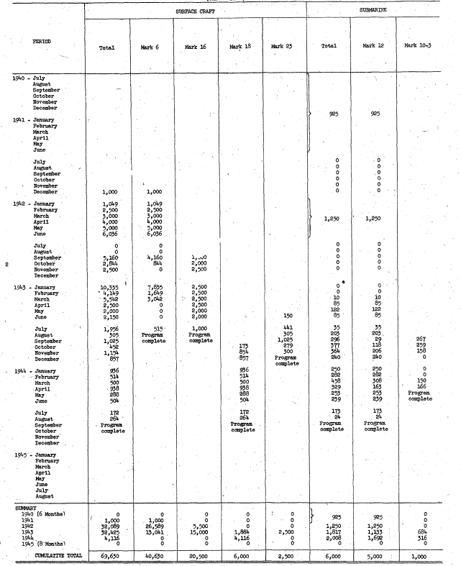
 | Mine Units |  | Type | Mark
 |  |  | SURFACE CRAFT |  |  |  | SURFACE CRAFT Total | SUBMARINE |  | SUBMARINE Total | Grand Total
 | Date (Year) | Date (Month) | Mark 6 | Mark 16 | Mark 18 | Mark 23 |  | Mark 12 | Mark 10-3
 | 1940 |  | 0 | 0 | 0 | 0 | 0 | 0 | 0 | 0 | 0
 |  | Jul | 0 | 0 | 0 | 0 | 0 | 0 | 0 | 0 | 0
 |  | Aug | 0 | 0 | 0 | 0 | 0 | 0 | 0 | 0 | 0
 |  | Sep | 0 | 0 | 0 | 0 | 0 | 0 | 0 | 0 | 0
 |  | Oct | 0 | 0 | 0 | 0 | 0 | 0 | 0 | 0 | 0
 |  | Nov | 0 | 0 | 0 | 0 | 0 | 0 | 0 | 0 | 0
 |  | Dec | 0 | 0 | 0 | 0 | 0 | 0 | 0 | 0 | 0
 | 1941 |  | 1,000 | 0 | 0 | 0 | 1,000 | 925 | 0 | 925 | 1,925
 |  | Jan | 0 | 0 | 0 | 0 | 0 | 925 | 0 | 925 | 925
 |  | Feb | 0 | 0 | 0 | 0 | 0 | 0 | 0 | 0 | 0
 |  | Mar | 0 | 0 | 0 | 0 | 0 | 0 | 0 | 0 | 0
 |  | Apr | 0 | 0 | 0 | 0 | 0 | 0 | 0 | 0 | 0
 |  | May | 0 | 0 | 0 | 0 | 0 | 0 | 0 | 0 | 0
 |  | Jun | 0 | 0 | 0 | 0 | 0 | 0 | 0 | 0 | 0
 |  | Jul | 0 | 0 | 0 | 0 | 0 | 0 | 0 | 0 | 0
 |  | Aug | 0 | 0 | 0 | 0 | 0 | 0 | 0 | 0 | 0
 |  | Sep | 0 | 0 | 0 | 0 | 0 | 0 | 0 | 0 | 0
 |  | Oct | 0 | 0 | 0 | 0 | 0 | 0 | 0 | 0 | 0
 |  | Nov | 0 | 0 | 0 | 0 | 0 | 0 | 0 | 0 | 0
 |  | Dec | 1,000 | 0 | 0 | 0 | 1,000 | 0 | 0 | 0 | 1,000
 | 1942 |  | 26,589 | 5,500 | 0 | 0 | 32,089 | 1,250 | 0 | 1,250 | 33,339
 |  | Jan | 1,049 | 0 | 0 | 0 | 1,049 | 0 | 0 | 0 | 1,049
 |  | Feb | 2,500 | 0 | 0 | 0 | 2,500 | 0 | 0 | 0 | 2,500
 |  | Mar | 3,000 | 0 | 0 | 0 | 3,000 | 1,250 | 0 | 1,250 | 4,250
 |  | Apr | 4,000 | 0 | 0 | 0 | 4,000 | 0 | 0 | 0 | 4,000
 |  | May | 5,000 | 0 | 0 | 0 | 5,000 | 0 | 0 | 0 | 5,000
 |  | Jun | 6,036 | 0 | 0 | 0 | 6,036 | 0 | 0 | 0 | 6,036
 |  | Jul | 0 | 0 | 0 | 0 | 0 | 0 | 0 | 0 | 0
 |  | Aug | 0 | 0 | 0 | 0 | 0 | 0 | 0 | 0 | 0
 |  | Sep | 4,160 | 1,000 | 0 | 0 | 5,160 | 0 | 0 | 0 | 5,160
 |  | Oct | 844 | 2,000 | 0 | 0 | 2,844 | 0 | 0 | 0 | 2,844
 |  | Nov | 0 | 2,500 | 0 | 0 | 2,500 | 0 | 0 | 0 | 2,500
 |  | Dec | 0 | 0 | 0 | 0 | 0 | 0 | 0 | 0 | 0
 | 1943 |  | 13,041 | 15,000 | 1,884 | 2,500 | 32,425 | 1,133 | 684 | 1,817 | 34,242
 |  | Jan | 7,835 | 2,500 | 0 | 0 | 10,335 | 0 | 0 | 0 | 10,335
 |  | Feb | 1,649 | 2,500 | 0 | 0 | 4,149 | 0 | 0 | 0 | 4,149
 |  | Mar | 3,042 | 2,500 | 0 | 0 | 5,542 | 10 | 0 | 10 | 5,552
 |  | Apr | 0 | 2,500 | 0 | 0 | 2,500 | 85 | 0 | 85 | 2,585
 |  | May | 0 | 2,000 | 0 | 0 | 2,000 | 122 | 0 | 122 | 2,122
 |  | Jun | 0 | 2,000 | 0 | 150 | 2,150 | 85 | 0 | 85 | 2,235
 |  | Jul | 515 | 1,000 | 0 | 441 | 1,956 | 35 | 0 | 35 | 1,991
 |  | Aug | 0 | 0 | 0 | 305 | 305 | 203 | 0 | 203 | 508
 |  | Sep | 0 | 0 | 0 | 1,025 | 1,025 | 29 | 267 | 296 | 1,321
 |  | Oct | 0 | 0 | 173 | 279 | 452 | 118 | 259 | 377 | 829
 |  | Nov | 0 | 0 | 854 | 300 | 1,154 | 206 | 158 | 364 | 1,518
 |  | Dec | 0 | 0 | 857 | 0 | 857 | 240 | 0 | 240 | 1,097
 | 1944 |  | 0 | 0 | 4,116 | 0 | 4,116 | 1,692 | 316 | 2,008 | 6,124
 |  | Jan | 0 | 0 | 936 | 0 | 936 | 250 | 0 | 250 | 1,186
 |  | Feb | 0 | 0 | 514 | 0 | 514 | 282 | 0 | 282 | 796
 |  | Mar | 0 | 0 | 500 | 0 | 500 | 308 | 150 | 458 | 958
 |  | Apr | 0 | 0 | 938 | 0 | 938 | 163 | 166 | 329 | 1,267
 |  | May | 0 | 0 | 288 | 0 | 288 | 253 | 0 | 253 | 541
 |  | Jun | 0 | 0 | 504 | 0 | 504 | 239 | 0 | 239 | 743
 |  | Jul | 0 | 0 | 172 | 0 | 172 | 173 | 0 | 173 | 345
 |  | Aug | 0 | 0 | 264 | 0 | 264 | 24 | 0 | 24 | 288
 |  | Sep | 0 | 0 | 0 | 0 | 0 | 0 | 0 | 0 | 0
 |  | Oct | 0 | 0 | 0 | 0 | 0 | 0 | 0 | 0 | 0
 |  | Nov | 0 | 0 | 0 | 0 | 0 | 0 | 0 | 0 | 0
 |  | Dec | 0 | 0 | 0 | 0 | 0 | 0 | 0 | 0 | 0
 | 1945 |  | 0 | 0 | 0 | 0 | 0 | 0 | 0 | 0 | 0
 |  | Jan | 0 | 0 | 0 | 0 | 0 | 0 | 0 | 0 | 0
 |  | Feb | 0 | 0 | 0 | 0 | 0 | 0 | 0 | 0 | 0
 |  | Mar | 0 | 0 | 0 | 0 | 0 | 0 | 0 | 0 | 0
 |  | Apr | 0 | 0 | 0 | 0 | 0 | 0 | 0 | 0 | 0
 |  | May | 0 | 0 | 0 | 0 | 0 | 0 | 0 | 0 | 0
 |  | Jun | 0 | 0 | 0 | 0 | 0 | 0 | 0 | 0 | 0
 |  | Jul | 0 | 0 | 0 | 0 | 0 | 0 | 0 | 0 | 0
 |  | Aug | 0 | 0 | 0 | 0 | 0 | 0 | 0 | 0 | 0
 | Grand Total |  | 40,630 | 20,500 | 6,000 | 2,500 | 69,630 | 5,000 | 1,000 | 6,000 | 75,630

 |  |  |  |  |  |  |  |  |  |  |  | Summary Comparison

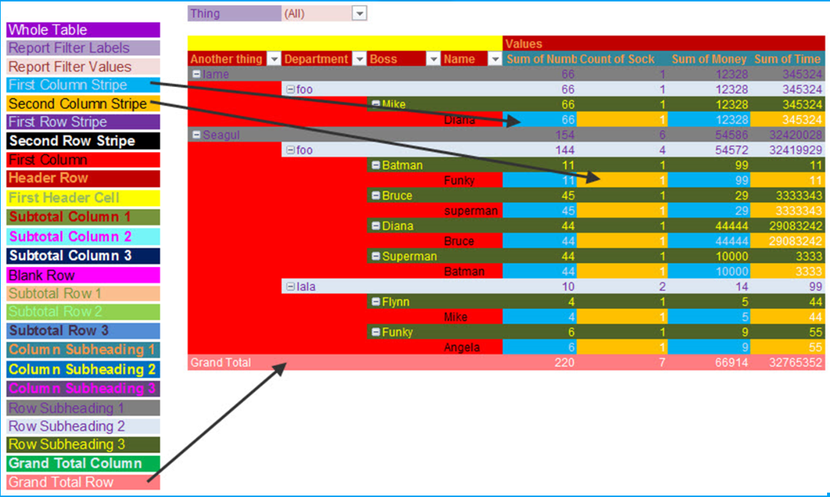
 |  |  |  |  |  |  |  |  |  |  |  | Units | Type | Mark
 |  |  |  |  |  |  |  |  |  |  |  |  | SURFACE CRAFT Total | SURFACE CRAFT |  |  |  | SUBMARINE Total | SUBMARINE
 |  |  |  |  |  |  |  |  |  |  |  | Date (Year) | 0 | Mark 6 | Mark 16 | Mark 18 | Mark 23 | 0 | Mark 12 | Mark 10-3
 |  |  |  |  |  |  |  |  |  |  |  | 1940 | 0 | 0 | 0 | 0 | 0 | 0 | 0 | 0
 |  |  |  |  |  |  |  |  |  |  |  | 1941 | 1000 | 1000 | 0 | 0 | 0 | 925 | 925 | 0
 |  |  |  |  |  |  |  |  |  |  |  | 1942 | 32089 | 26589 | 5500 | 0 | 0 | 1250 | 1250 | 0
 |  |  |  |  |  |  |  |  |  |  |  | 1943 | 32425 | 13041 | 15000 | 1884 | 2500 | 1817 | 1133 | 684
 |  |  |  |  |  |  |  |  |  |  |  | 1944 | 4116 | 0 | 0 | 4116 | 0 | 2008 | 1692 | 316
 |  |  |  |  |  |  |  |  |  |  |  | 1945 | 0 | 0 | 0 | 0 | 0 | 0 | 0 | 0
 |  |  |  |  |  |  |  |  |  |  |  | Grand Total | 69630 | 40630 | 20500 | 6000 | 2500 | 6000 | 5000 | 1000

Raw_Airborn
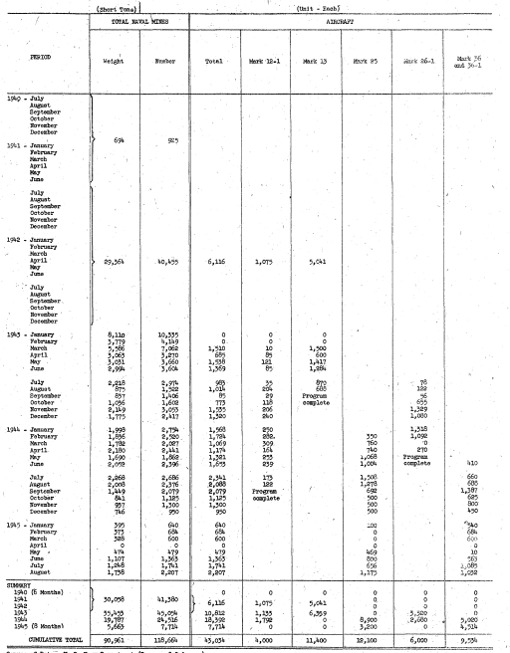
Year | Month | Weight | Number | Total | Mark 12-1 | Mark 13 | Mark 25 | Mark 26-1 | Mark 36 and 36-1
1940 | July
1940 | August | 0 | 0 | 0 | 0 | 0 | 0 | 0 | 0
1940 | September | 0 | 0 | 0 | 0 | 0 | 0 | 0 | 0
1940 | October | 0 | 0 | 0 | 0 | 0 | 0 | 0 | 0
1940 | November | 0 | 0 | 0 | 0 | 0 | 0 | 0 | 0
1940 | December | 0 | 0 | 0 | 0 | 0 | 0 | 0 | 0
1941 | January | 694 | 925 | 0 | 0 | 0 | 0 | 0 | 0
1941 | February | 0 | 0 | 0 | 0 | 0 | 0 | 0 | 0
1941 | March | 0 | 0 | 0 | 0 | 0 | 0 | 0 | 0
1941 | April | 0 | 0 | 0 | 0 | 0 | 0 | 0 | 0
1941 | May | 0 | 0 | 0 | 0 | 0 | 0 | 0 | 0
1941 | June | 0 | 0 | 0 | 0 | 0 | 0 | 0 | 0
1941 | July | 0 | 0 | 0 | 0 | 0 | 0 | 0 | 0
1941 | August | 0 | 0 | 0 | 0 | 0 | 0 | 0 | 0
1941 | September | 0 | 0 | 0 | 0 | 0 | 0 | 0 | 0
1941 | October | 0 | 0 | 0 | 0 | 0 | 0 | 0 | 0
1941 | November | 0 | 0 | 0 | 0 | 0 | 0 | 0 | 0
1941 | December | 0 | 0 | 0 | 0 | 0 | 0 | 0 | 0
1942 | January | 29364 | 40455 | 6116 | 1075 | 5041 | 0 | 0 | 0
1942 | February | 0 | 0 | 0 | 0 | 0 | 0 | 0 | 0
1942 | March | 0 | 0 | 0 | 0 | 0 | 0 | 0 | 0
1942 | April | 0 | 0 | 0 | 0 | 0 | 0 | 0 | 0
1942 | May | 0 | 0 | 0 | 0 | 0 | 0 | 0 | 0
1942 | June | 0 | 0 | 0 | 0 | 0 | 0 | 0 | 0
1942 | July | 0 | 0 | 0 | 0 | 0 | 0 | 0 | 0
1942 | August | 0 | 0 | 0 | 0 | 0 | 0 | 0 | 0
1942 | September | 0 | 0 | 0 | 0 | 0 | 0 | 0 | 0
1942 | October | 0 | 0 | 0 | 0 | 0 | 0 | 0 | 0
1942 | November | 0 | 0 | 0 | 0 | 0 | 0 | 0 | 0
1942 | December | 0 | 0 | 0 | 0 | 0 | 0 | 0 | 0
1943 | January | 8110 | 10335 | 0 | 0 | 0 | 0 | 0 | 0
1943 | February | 3779 | 4149 | 0 | 0 | 0 | 0 | 0 | 0
1943 | March | 5586 | 7062 | 1510 | 10 | 1500 | 0 | 0 | 0
1943 | April | 3063 | 3270 | 685 | 85 | 600 | 0 | 0 | 0
1943 | May | 3031 | 3660 | 1538 | 121 | 1417 | 0 | 0 | 0
1943 | June | 2994 | 3604 | 1369 | 85 | 1284 | 0 | 0 | 0
1943 | July | 2218 | 2974 | 963 | 35 | 870 | 0 | 78 | 0
1943 | August | 875 | 1522 | 1014 | 204 | 688 | 0 | 122 | 0
1943 | September | 837 | 1406 | 85 | 29 | 0 | 0 | 56 | 0
1943 | October | 1036 | 1602 | 773 | 118 | 0 | 0 | 655 | 0
1943 | November | 2149 | 3053 | 1555 | 206 | 0 | 0 | 1329 | 0
1943 | December | 1775 | 2417 | 1320 | 240 | 0 | 0 | 1080 | 0
1944 | January | 1998 | 2754 | 1568 | 250 | 0 | 0 | 1318 | 0
1944 | February | 1836 | 2520 | 1724 | 282 | 0 | 350 | 1092 | 0
1944 | March | 1782 | 2027 | 1069 | 309 | 0 | 760 | 0 | 0
1944 | April | 2180 | 2441 | 1174 | 164 | 0 | 740 | 270 | 0
1944 | May | 1690 | 1862 | 1321 | 253 | 0 | 1068 | 0 | 0
1944 | June | 2052 | 2396 | 1655 | 239 | 0 | 1004 | 0 | 410
1944 | July | 2268 | 2686 | 2341 | 173 | 0 | 1508 | 0 | 660
1944 | August | 2008 | 2376 | 2088 | 122 | 0 | 1278 | 0 | 688
1944 | September | 1449 | 2079 | 2079 | 0 | 0 | 692 | 0 | 1387
1944 | October | 841 | 1125 | 1125 | 0 | 0 | 500 | 0 | 625
1944 | November | 937 | 1300 | 1300 | 0 | 0 | 500 | 0 | 800
1944 | December | 746 | 950 | 950 | 0 | 0 | 500 | 0 | 450
1945 | January | 395 | 640 | 640 | 0 | 0 | 100 | 0 | 540
1945 | February | 373 | 684 | 684 | 0 | 0 | 0 | 0 | 684
1945 | March | 328 | 600 | 600 | 0 | 0 | 0 | 0 | 600
1945 | April | 0 | 0 | 0 | 0 | 0 | 0 | 0 | 0
1945 | May | 474 | 479 | 475 | 0 | 0 | 469 | 0 | 10
1945 | June | 1107 | 1363 | 1365 | 0 | 0 | 800 | 0 | 563
1945 | July | 1248 | 1741 | 1741 | 0 | 0 | 656 | 0 | 1085
1945 | August | 1738 | 2207 | 2207 | 0 | 0 | 1175 | 0 | 1032

