Report_First-Complete
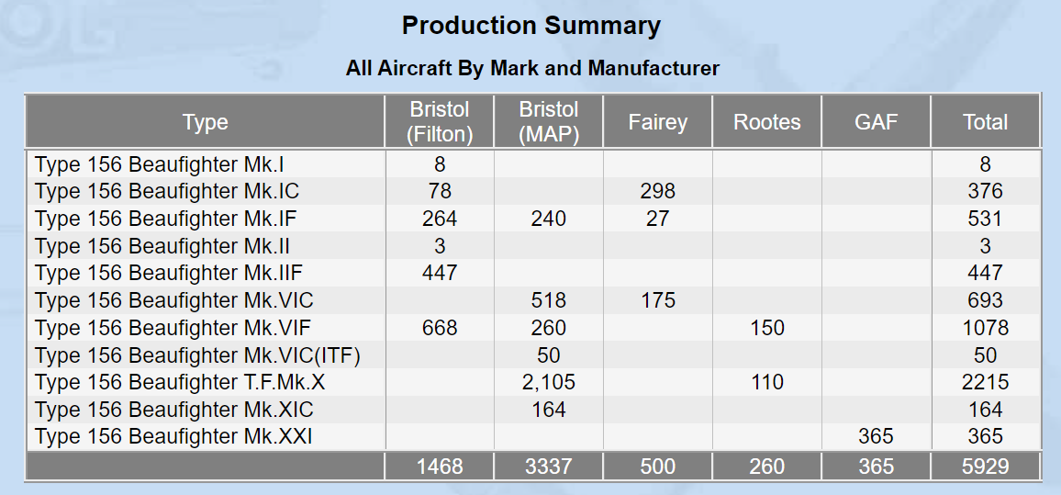
Model | Company | Count | Quantity | Site
Mk.I | Bristol (Filton) | 8 | Model | Bristol (Filton) | Bristol (MAP) | Fairey | Rootes | GAF | Grand Total
Mk.II | Bristol (Filton) | 3 | Mk.I | 8 |  |  |  |  | 8
Mk.IF | Bristol (Filton) | 264 | Mk.IC | 78 |  | 298 |  |  | 376
Mk.IIF | Bristol (Filton) | 447 | Mk.IF | 264 | 240 | 27 |  |  | 531
Mk.IC | Bristol (Filton) | 78 | Mk.II | 3 |  |  |  |  | 3
Mk.IF | Fairey | 27 | Mk.IIF | 447 |  |  |  |  | 447
Mk.IC | Fairey | 298 | Mk.VIC |  | 518 | 175 |  |  | 693
Mk.VIC | Fairey | 175 | Mk.VIF | 668 | 260 |  | 150 |  | 1,078
Mk.VIF | Bristol (Filton) | 668 | Mk.VIC(ITF) |  | 50 |  |  |  | 50
Mk.IF | Bristol (MAP) | 240 | Mk.X |  | 2,105 |  | 110 |  | 2,215
Mk.VIF | Bristol (MAP) | 260 | Mk.XIC |  | 164 |  |  |  | 164
Mk.VIC | Bristol (MAP) | 518 | Mk.XXI |  |  |  |  | 365 | 365
Mk.VIC(ITF) | Bristol (MAP) | 50 | Grand Total | 1,468 | 3,337 | 500 | 260 | 365 | 5,930
Mk.XIC | Bristol (MAP) | 164
Mk.X | Bristol (MAP) | 2105 | What does GAF stand for?
Mk.VIF | Rootes | 150 | Government Aircraft Factories (GAF)
Mk.X | Rootes | 110 | Note that Australia built 365 and delivered 364
Mk.XXI | GAF | 365 | Link

 |  |  | What does C/N stand for?
 |  |  | Constructor Number
 |  |  | Link

