Sheet1
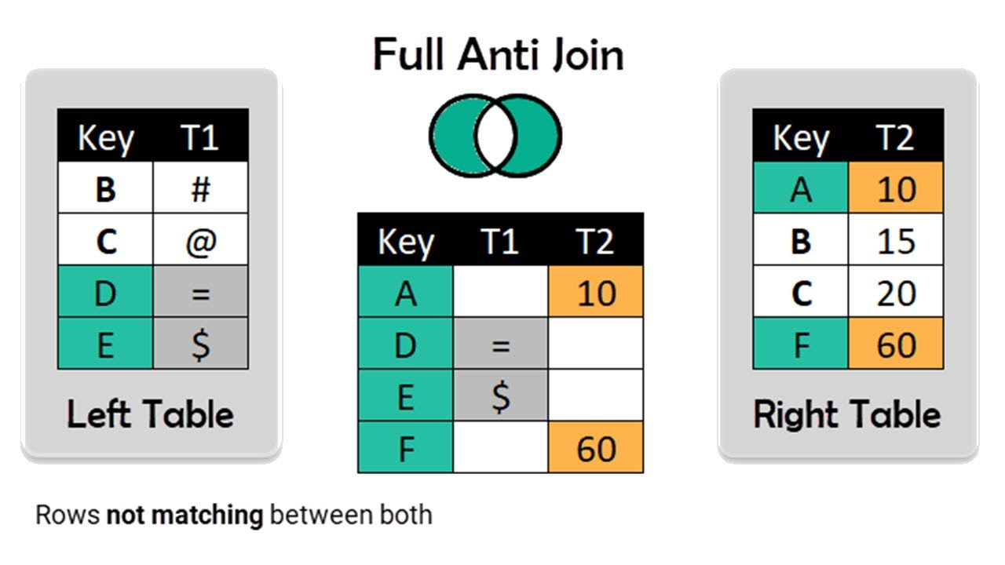
FROM: | Mark Biegert
SUBJECT: | Dynamic Array Join Drill
DATE: | 13-Sep-2021

Full Anti Join

 | Name | Value |  |  | Name
 | Mark | 1 |  |  | Tim
 | Craig | 2 |  |  | Katee
 | Tim | 3
 | Pat | 4
 | Katee | 5

 | Key | T1 |  | Key | T2
 | B | # |  | A | 10
 | C | @ |  | B | 15
 | D | = |  | C | 20
 | E | $ |  | F | 60

 |  | Names | T1 | T2
 |  | A |  | 10
 |  | D | =
 |  | E | $
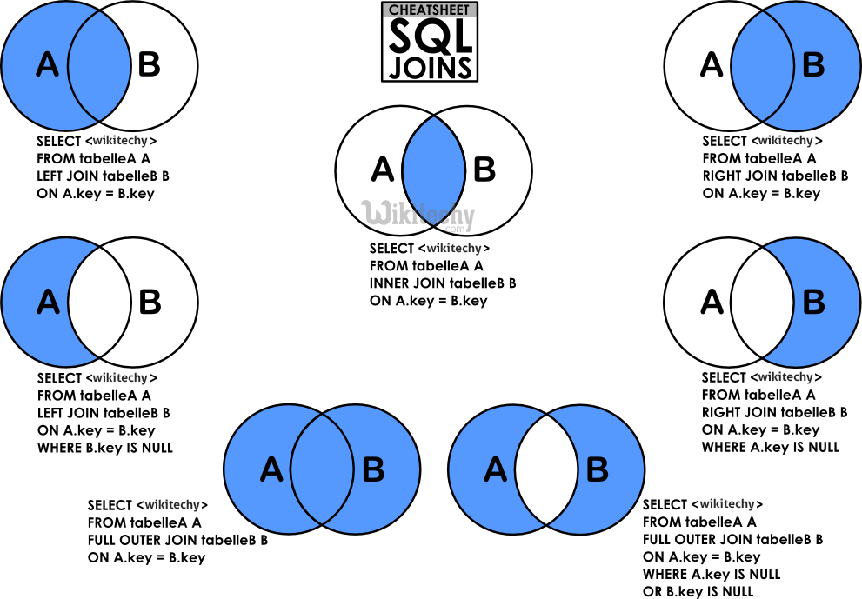
 |  | F |  | 60

