Sheet1
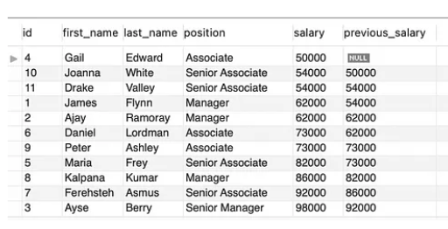

id | first_name | last_name | position | salary | previous_salary | id,first_name,last_name,position,salary,previous_salary
 | Gail | Edward | Associate | 50000 |  | ,Gail,Edward,Associate,50000,
10 | Joanna | White | Senior Associate | 54000 | 50000 | 10,Joanna,White,Senior Associate,54000,50000
11 | Drake | Valley | Senior Associate | 54000 | 54000 | 11,Drake,Valley,Senior Associate,54000,54000
1 | Junes | Flynn | Manager | 62000 | 54000 | 1,Junes,Flynn,Manager,62000,54000
2 | Ajay | Rart%)ray | Manager | 62000 | 62000 | 2,Ajay,Rart%)ray,Manager,62000,62000
6 | Daniel | Lordman | Associate | 73000 | 62000 | 6,Daniel,Lordman,Associate,73000,62000
9 | Peter | Ashley | Associate | 73000 | 73000 | 9,Peter,Ashley,Associate,73000,73000
5 | Maria | Frey | Senior Associate | 82000 | 73000 | 5,Maria,Frey,Senior Associate,82000,73000
8 | Kalpana | Kumar | Manager | 86000 | 82000 | 8,Kalpana,Kumar,Manager,86000,82000
7 | Ferehsteh | Asmus | Senior Associate | 92000 | 86000 | 7,Ferehsteh,Asmus,Senior Associate,92000,86000
3 | Ayse | Berry | Senior Manager | 98000 | 92000 | 3,Ayse,Berry,Senior Manager,98000,92000

