Sheet1
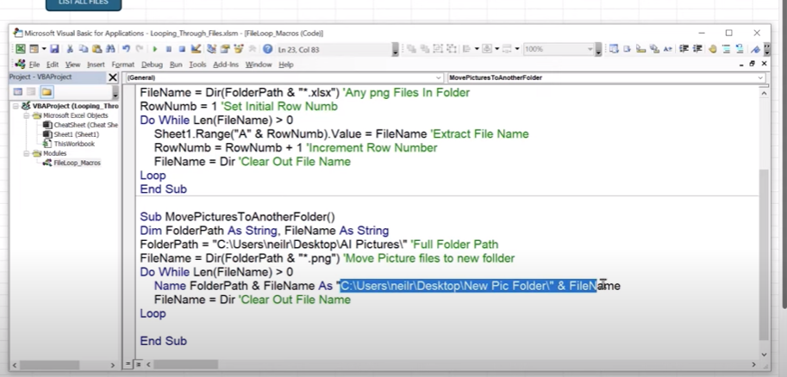
List Files

faf

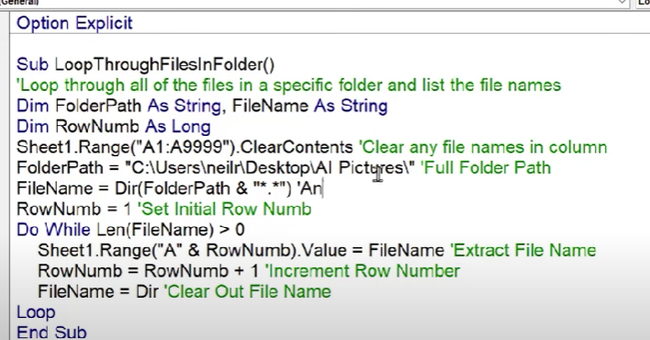

afaf

 | C:\Users\mbieg\OneDrive\Desktop\toss\Stuff

