HRP_Azure_ABat
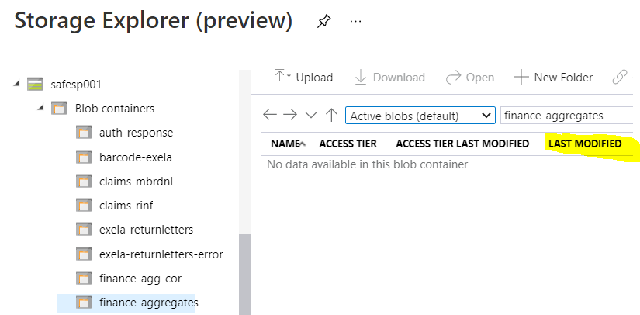
HRP Start Process Check

At 1AM HRP will start their process....
If you have the healhRule Designer
Check on the process...

Just use your local account and password
in the drop down goto Prod BCAZ....

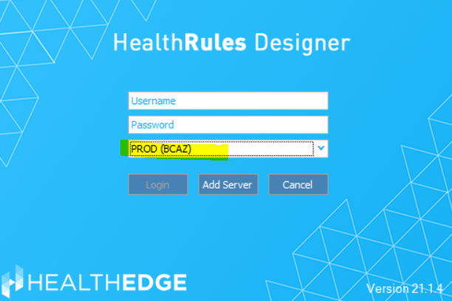

type admin for the Last Operator and payment for type
Should see job completing but if you see jobs in waiting might be an issue and to call on-call

use your adm account for the Azure

 | Active Batch job for the FIS and FES
 | Once the files are in FIS and FES AB will run and clear the jobs out…

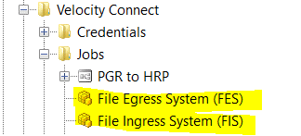
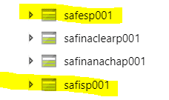

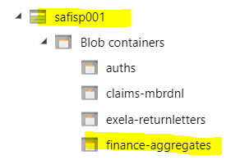

This should be clear of stuff but if you see stuff in there and the Last Modified is more then 45 minutes need to contact Azure team for help.

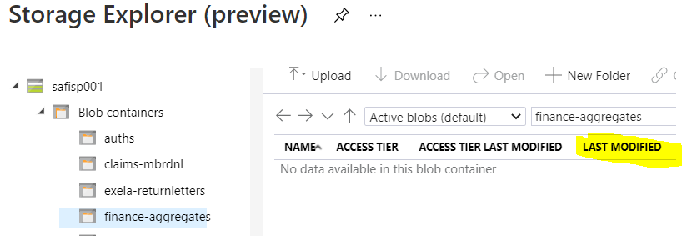

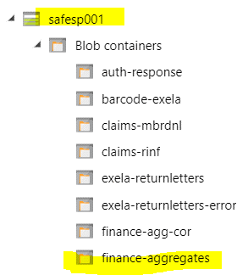

This should be clear of stuff but if you see stuff in there and the Last Modified is more then 45 minutes need to contact Azure team for help.

HRP DB

HRP Database Manual Checks

Should be in DB connect menu....
http://lp-spl-a02.corp.net.bcbsaz.com:8000/en-US/app/splunk_app_db_connect/data_lab#/inputs?_k=c2t9uy
admin
Sp1Unk1tyo!

Then go to the HRP_Extract
and the SQL script will open....

add this code: If it more then 10 hours.......
change the date to (DAY, -2) ... if need too?? Could be more then 2 days....
AND payment_dt.Date_Value LIKE '2021-xx-xx%' (replace the xx for month and xx for day) (FYI - the day is the Payment_Date that you need to use it always be the day ahead of the payment through date

click on the Execute SQL

Sometime you get "No result" ( need to change the day to different day…) rerun it again
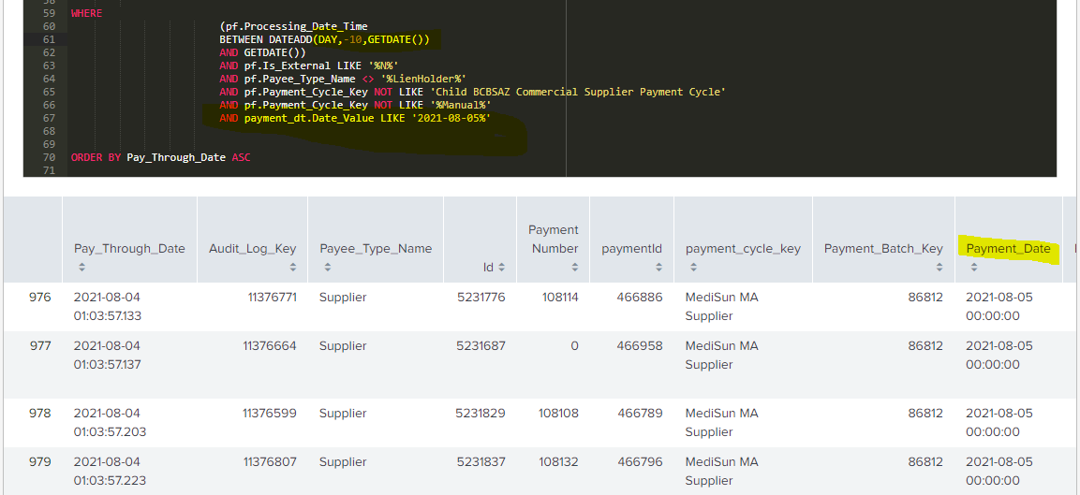

Once you get the result back should see this..... (This only will give you 1000 result back and no more….)

Then click on finish

Change the Cron time to about 3 - 5 minutes of current time you doing the manuall DB Query
if the time is 8:10AM then set the cron to 14 08 * * 1,3 the ones that are highlighted below needs to change.

The next two is only if the DB at HRP is lagging for some reason we can get the totalamount and count
to make sure we are getting the accurate numbers for that payment cycle..... Keep these disable and just click on the Execute SQL

