Biosolids Application
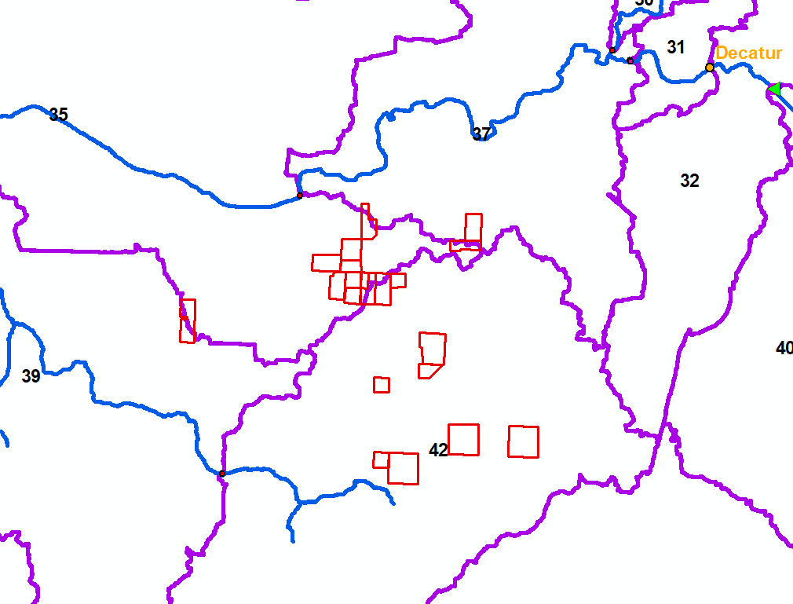
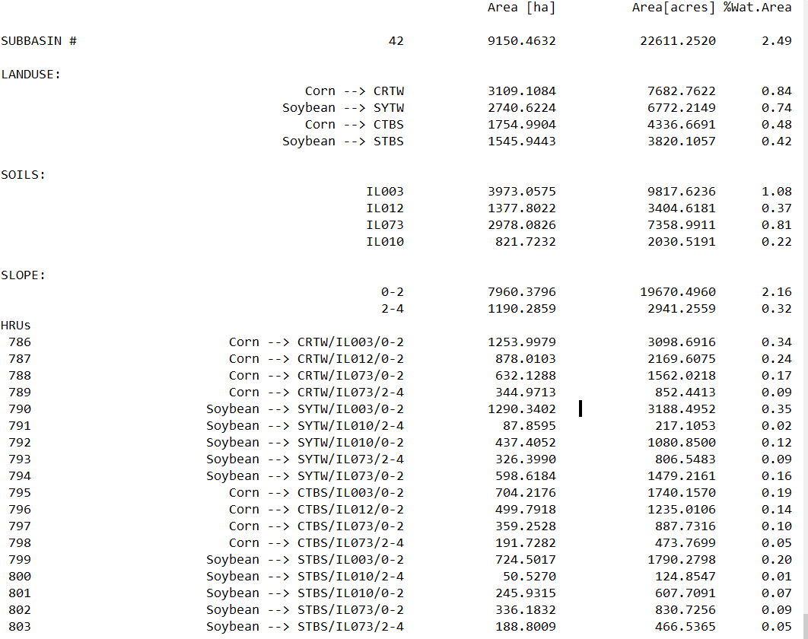
Subbasin | HRU | Landcover | Area (acres) | HRU selection for Biosolids Application
 |  |  |  | Year 1 | Year 2 | Year 3 | And so on…
42 | 789 | Corn-Soy | 852.44 | √ | × | √ | 1740.17
42 | 797 | Corn-Soy | 887.73 | √ | × | √
42 | 800 | Soy-Corn | 124.85 | × | √ | × | 1563.27
42 | 801 | Soy-Corn | 607.7 | × | √ | ×
42 | 802 | Soy-Corn | 830.72 | × | √ | ×
 |  |  |  |  |  |  | 7.7%
 |  |  |  |  |  |  | 6.9%
Management Operations
Land Application on Late November (inserted date: Nov 30)
Quickly followed by Tillage the next day
Biosolids applied only ahead of corn in a corn-soy rotation
No biosolids applied ahead of soy
Biosolids Application Type is Injected
No additional commercial fertilizer applied on the area

