HRUselection
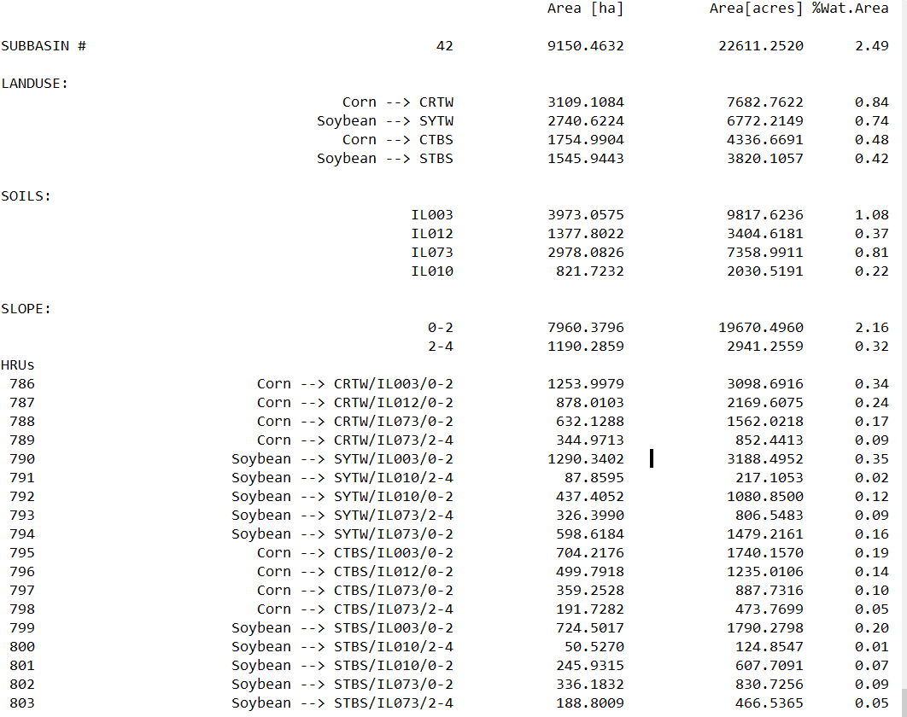
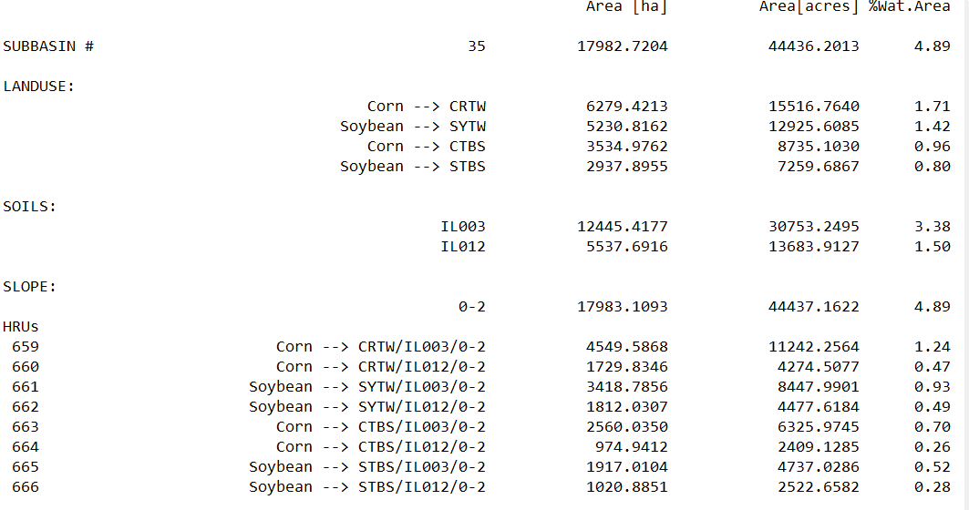
Area, Soil and Slope under 2017 Land Application Map
OBJECTID | Name of Land Application Sites | AreaAcres | Soil | Slope | Represented by Subbasin
1 | Edith Trust | 161.39727632 | IL073 | 2-4 | 42
2 | Jerry Brown | 162.793753 | IL073 | 0-2 | 42
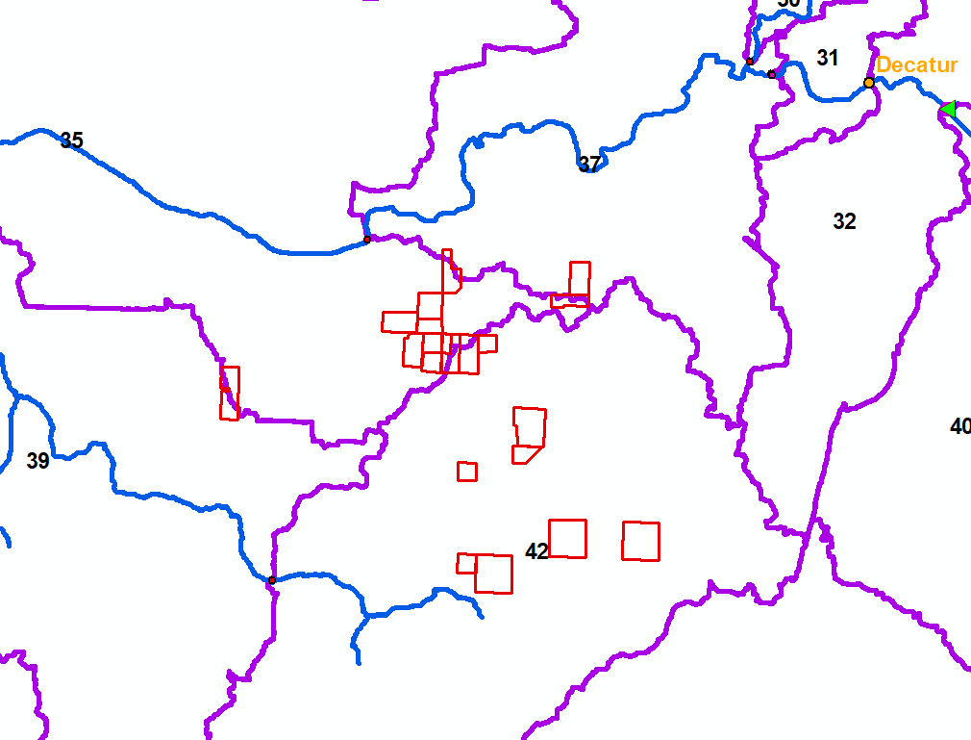
3 | Priarie State Bank & Trust | 160.37217669 | IL073 | 0-2 | 42
4 | R&R Brown | 40.997911096 | IL012 | 0-2 | 42
5 | R&R Brown | 128.86041619 | IL073 | 0-2 | 42
6 | Jerry Brown | 45.733951698 | IL073 | 0-2 | 42
7 | Larry Brown | 39.109487713 | IL012 | 0-2 | 42
8 | Shirley Wehling | 106.64580845 | IL003 | 0-2 | 35
9 | Dennis Kraft | 70.694201733 | IL012 | 0-2 | 35
10 | R&R Brown | 75.73347852 | IL012 | 0-2 | 35
11 | Raymond Brown | 43.781575307 | IL012 | 0-2 | 35
12 | Larry Brown | 83.328476164 | IL012 | 0-2 | 35
13 | Roger King | 72.817774187 | IL012 | 0-2 | 35
14 | Charles Brown | 42.90973433 | IL012 | 0-2 | 35
15 | Warren Brown | 43.825170498 | IL012 | 0-2 | 35
17 | Warren Brown | 80.440183401 | IL012 | 0-2 | 35
18 | Robert Brown | 83.535525654 | IL012 | 0-2 | 42
19 | Jerry Brown | 36.695550416 | IL073 | 0-2 | 42
20 | Robert Mueller | 76.632706393 | IL073 | 0-2 | 37
21 | Robert Mueller | 51.540175645 | IL073 | 0-2 | 35

Creating 3 Categories of biosolids land application in SWAT represented by 3 colors above
Based on 2017 Land Application Map |  |  |  | Under Current SWAT HRU setup
Subbasin Extension | Area Covered (acres) | DominantSoil | DominantSlope | HRU representation | HRU Area (Acres) | HRU_dominated_Soil | HRU_dominated_slope | Representative Subbasin | Landuse
35 | 671.71 | IL073 | 0-2 | 797 | 887.7316 | IL073 | 0-2 | 42 | Corn followed by Soy
42 and 37 | 774.73 | IL073 | 0-2 | 801 | 607.7091 | IL010 | 0-2 | 42 | Soy followed by Corn
42 | 161.4 | IL073 | 2-4 | 800 | 124.85 | IL010 | 2-4 | 42 | Soy followed by Corn
Total | 1607.84 |  |  |  | 1620.2907 |  |  |  | -12.4507 | Land Application Sites 2017 (Red Boxes)

 | HRU Land use and soils Report Final |  | Subbasin 35 has higher HRU areas that cannot represent the biosolids application area, thus subbasin 42 is selected

 | Current SWAT HRU definition

