FTK Plane
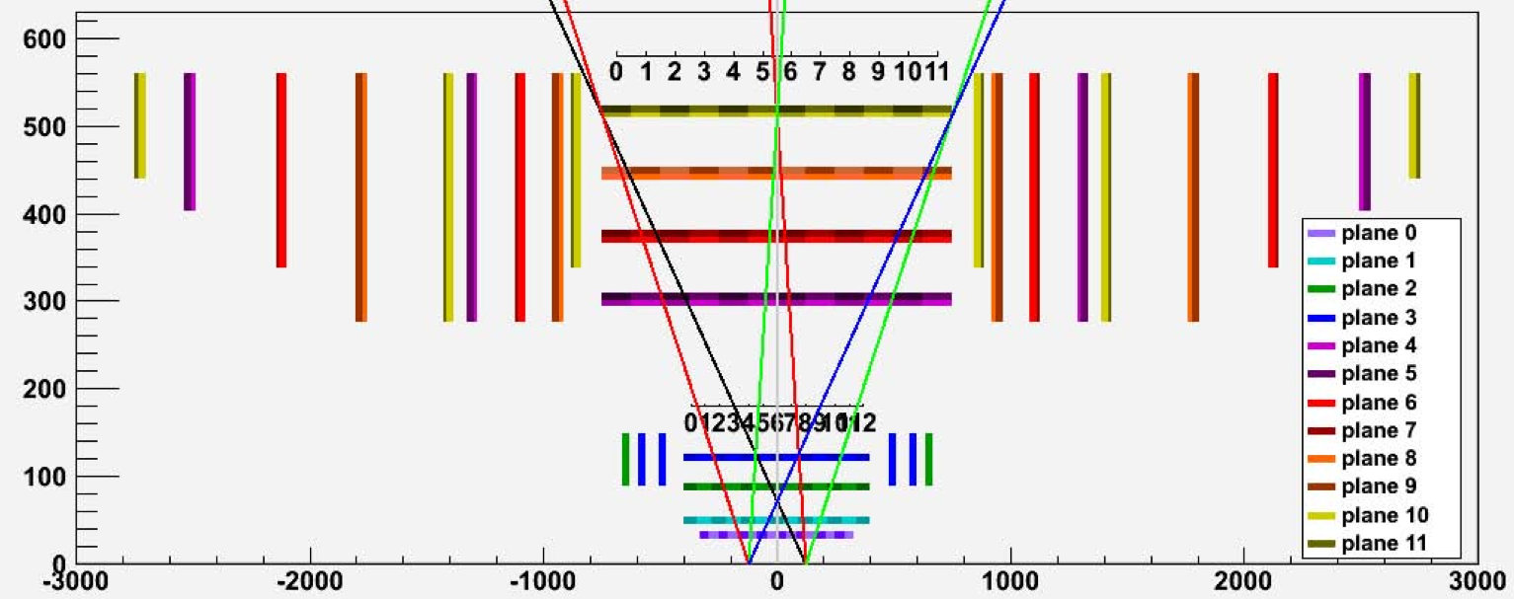

SCT A-Side Endcap |  |  |  |  |  |  |  | USE THIS !! |  | SCT C-Side Endcap |  |  |  |  |  |  |  | USE THIS !!
layer_disk | layer | ring | eta (ATLAS) | eta (FTK) | side | z (mm) | plane (11L config) | plane (12L config) | section | layer_disk | layer | ring | eta (ATLAS) | eta (FTK) | side | z (mm) | plane | plane (12L config) | section
0 | 0 | outer | 0 | 0 | 0 | 846.0675 | 9 | 10 | 1 | 0 | 0 | outer | 0 | 0 | 0 | -846.0675 | 9 | 10 | 1
1 | 0 | outer | 0 | 0 | 1 | 847.0325 | 10 | 11 | 1 | 1 | 0 | outer | 0 | 0 | 1 | -847.0325 | 10 | 11 | 1
2 | 0 | inner | 1 | 0 | 1 | 876.0675 | 9 | 10 | 2 | 2 | 0 | inner | 1 | 0 | 1 | -870.5675 | 9 | 10 | 2
3 | 0 | inner | 1 | 0 | 0 | 877.0325 | 10 | 11 | 2 | 3 | 0 | inner | 1 | 0 | 0 | -871.5325 | 10 | 11 | 2
4 | 1 | outer | 0 | 0 | 0 | 926.2675 | 7 | 8 | 1 | 4 | 1 | outer | 0 | 0 | 0 | -926.2675 | 7 | 8 | 1
5 | 1 | outer | 0 | 0 | 1 | 927.2325 | 8 | 9 | 1 | 5 | 1 | outer | 0 | 0 | 1 | -927.2325 | 8 | 9 | 1
6 | 1 | middle | 1 | 0 | 1 | 956.2675 | 7 | 8 | 2 | 6 | 1 | middle | 1 | 0 | 1 | -950.7675 | 7 | 8 | 2
6 | 1 | inner | 2 | 1 | 0 | 926.2675 | 7 | 8 | 2 | 6 | 1 | inner | 2 | 1 | 0 | -926.2675 | 7 | 8 | 2
7 | 1 | middle | 1 | 0 | 0 | 957.2325 | 8 | 9 | 2 | 7 | 1 | middle | 1 | 0 | 0 | -951.7325 | 8 | 9 | 2
7 | 1 | inner | 2 | 1 | 1 | 927.2325 | 8 | 9 | 2 | 7 | 1 | inner | 2 | 1 | 1 | -927.2325 | 8 | 9 | 2
8 | 2 | outer | 0 | 0 | 0 | 1083.7675 | 5 | 6 | 1 | 8 | 2 | outer | 0 | 0 | 0 | -1078.2675 | 5 | 6 | 1
9 | 2 | outer | 0 | 0 | 1 | 1084.7325 | 6 | 7 | 1 | 9 | 2 | outer | 0 | 0 | 1 | -1079.2325 | 6 | 7 | 1
10 | 2 | middle | 1 | 0 | 1 | 1113.7675 | 5 | 6 | 2 | 10 | 2 | middle | 1 | 0 | 1 | -1108.2675 | 5 | 6 | 2
10 | 2 | inner | 2 | 1 | 0 | 1083.7675 | 5 | 6 | 2 | 10 | 2 | inner | 2 | 1 | 0 | -1083.7675 | 5 | 6 | 2
11 | 2 | middle | 1 | 0 | 0 | 1114.7325 | 6 | 7 | 2 | 11 | 2 | middle | 1 | 0 | 0 | -1109.2325 | 6 | 7 | 2
11 | 2 | inner | 2 | 1 | 1 | 1084.7325 | 6 | 7 | 2 | 11 | 2 | inner | 2 | 1 | 1 | -1084.7325 | 6 | 7 | 2
12 | 3 | outer | 0 | 0 | 0 | 1292.1675 | 3 | 4 | 1 | 12 | 3 | outer | 0 | 0 | 0 | -1292.1675 | 3 | 4 | 1
13 | 3 | outer | 0 | 0 | 1 | 1293.1325 | 4 | 5 | 1 | 13 | 3 | outer | 0 | 0 | 1 | -1293.1325 | 4 | 5 | 1
14 | 3 | middle | 1 | 0 | 1 | 1322.1675 | 3 | 4 | 2 | 14 | 3 | middle | 1 | 0 | 1 | -1316.6675 | 3 | 4 | 2
14 | 3 | inner | 2 | 1 | 0 | 1292.1675 | 3 | 4 | 2 | 14 | 3 | inner | 2 | 1 | 0 | -1292.1675 | 3 | 4 | 2
15 | 3 | middle | 1 | 0 | 0 | 1323.1325 | 4 | 5 | 2 | 15 | 3 | middle | 1 | 0 | 0 | -1317.6325 | 4 | 5 | 2
15 | 3 | inner | 2 | 1 | 1 | 1293.1325 | 4 | 5 | 2 | 15 | 3 | inner | 2 | 1 | 1 | -1293.1325 | 4 | 5 | 2
16 | 4 | outer | 0 | 0 | 0 | 1391.9675 | 9 | 10 | 3 | 16 | 4 | outer | 0 | 0 | 0 | -1391.9675 | 9 | 10 | 3
17 | 4 | outer | 0 | 0 | 1 | 1392.9325 | 10 | 11 | 3 | 17 | 4 | outer | 0 | 0 | 1 | -1392.9325 | 10 | 11 | 3
18 | 4 | middle | 1 | 0 | 1 | 1421.9675 | 9 | 10 | 4 | 18 | 4 | middle | 1 | 0 | 1 | -1416.4675 | 9 | 10 | 4
18 | 4 | inner | 2 | 1 | 0 | 1391.9675 | 9 | 10 | 4 | 18 | 4 | inner | 2 | 1 | 0 | -1391.9675 | 9 | 10 | 4
19 | 4 | middle | 1 | 0 | 0 | 1422.9325 | 10 | 11 | 4 | 19 | 4 | middle | 1 | 0 | 0 | -1417.4325 | 10 | 11 | 4
19 | 4 | inner | 2 | 1 | 1 | 1392.9325 | 10 | 11 | 4 | 19 | 4 | inner | 2 | 1 | 1 | -1392.9325 | 10 | 11 | 4
20 | 5 | outer | 0 | 0 | 0 | 1763.6675 | 7 | 8 | 3 | 20 | 5 | outer | 0 | 0 | 0 | -1763.6675 | 7 | 8 | 3
21 | 5 | outer | 0 | 0 | 1 | 1764.6325 | 8 | 9 | 3 | 21 | 5 | outer | 0 | 0 | 1 | -1764.6325 | 8 | 9 | 3
22 | 5 | middle | 1 | 0 | 1 | 1793.6675 | 7 | 8 | 4 | 22 | 5 | middle | 1 | 0 | 1 | -1788.1675 | 7 | 8 | 4
22 | 5 | inner | 2 | 1 | 0 | 1763.6675 | 7 | 8 | 4 | 22 | 5 | inner | 2 | 1 | 0 | -1763.6675 | 7 | 8 | 4
23 | 5 | middle | 1 | 0 | 0 | 1794.6325 | 8 | 9 | 4 | 23 | 5 | middle | 1 | 0 | 0 | -1789.1325 | 8 | 9 | 4
23 | 5 | inner | 2 | 1 | 1 | 1764.6325 | 8 | 9 | 4 | 23 | 5 | inner | 2 | 1 | 1 | -1764.6325 | 8 | 9 | 4
24 | 6 | outer | 0 | 0 | 0 | 2107.4675 | 5 | 6 | 3 | 24 | 6 | outer | 0 | 0 | 0 | -2107.4675 | 5 | 6 | 3
25 | 6 | outer | 0 | 0 | 1 | 2108.4325 | 6 | 7 | 3 | 25 | 6 | outer | 0 | 0 | 1 | -2108.4325 | 6 | 7 | 3
26 | 6 | inner | 1 | 0 | 1 | 2137.4675 | 5 | 6 | 4 | 26 | 6 | inner | 1 | 0 | 1 | -2131.9675 | 5 | 6 | 4
27 | 6 | inner | 1 | 0 | 0 | 2138.4325 | 6 | 7 | 4 | 27 | 6 | inner | 1 | 0 | 0 | -2132.9325 | 6 | 7 | 4
28 | 7 | outer | 0 | 0 | 0 | 2497.2675 | 3 | 4 | 3 | 28 | 7 | outer | 0 | 0 | 0 | -2497.2675 | 3 | 4 | 3
29 | 7 | outer | 0 | 0 | 1 | 2498.2325 | 4 | 5 | 3 | 29 | 7 | outer | 0 | 0 | 1 | -2498.2325 | 4 | 5 | 3
30 | 7 | inner | 1 | 0 | 1 | 2527.2675 | 3 | 4 | 4 | 30 | 7 | inner | 1 | 0 | 1 | -2521.7675 | 3 | 4 | 4
31 | 7 | inner | 1 | 0 | 0 | 2528.2325 | 4 | 5 | 4 | 31 | 7 | inner | 1 | 0 | 0 | -2522.7325 | 4 | 5 | 4
32 | 8 | outer | 0 | 0 | 1 | 2736.9675 | 9 | 10 | 5 | 32 | 8 | outer | 0 | 0 | 1 | -2742.4675 | 9 | 10 | 5
33 | 8 | outer | 0 | 0 | 0 | 2737.9325 | 10 | 11 | 5 | 33 | 8 | outer | 0 | 0 | 0 | -2743.4325 | 10 | 11 | 5

