Sheet1
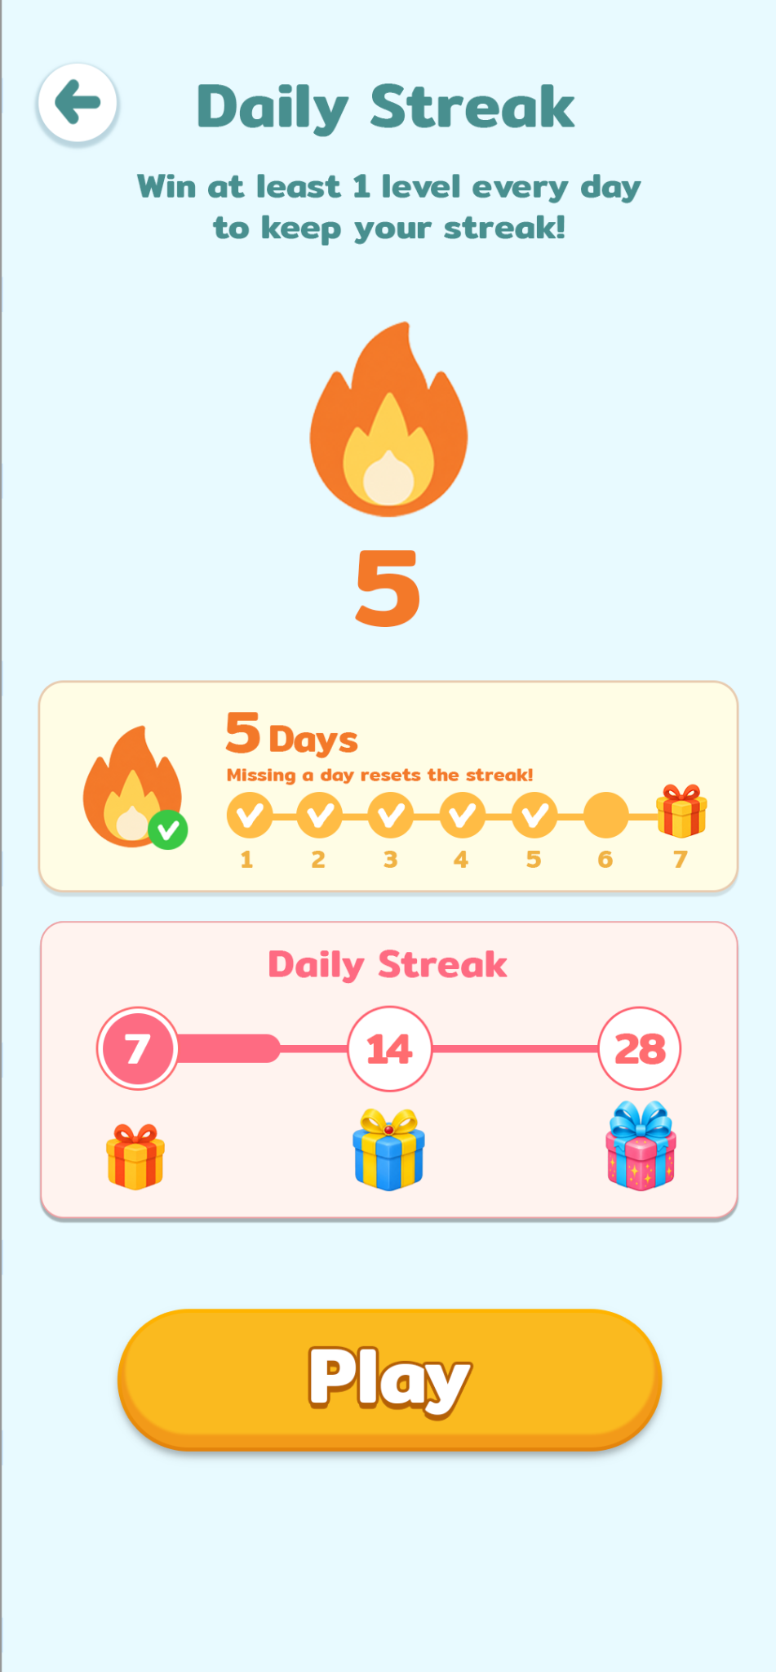
 |  |  |  |  |  |  |  |  |  | Daily Streak | Mitr | SemiBold | 80 | 488f8f
 |  |  |  |  |  |  |  |  |  | Win at least 1 | Mitr | SemiBold | 44 | 488f8f
 |  |  |  |  |  |  |  |  |  | 5 | Mitr | SemiBold | 48143 | f37929
 |  |  |  |  |  |  |  |  |  | Daily Streak | Mitr | SemiBold | 50 | fe6b82
5 | Mitr | SemiBold | 76 | f37929 | Daily Challenge | Mitr | SemiBold | 50 | 2977cd | 7 | Mitr | SemiBold | 56 | ffffff
Days | Mitr | SemiBold | 50 | f37929 | 2026-07-21 | Source Sans 3 | Black | 45 | 4182d8
Daily Streak | Mitr | SemiBold | 26 | f19712 | 12:30:00 | Source Sans 3 | Black | 45 | 3759a6
1234567 | Mitr | SemiBold | 31 | ffbc45 | New Challenge | Source Sans 3 | Black | 31 | 357dcd


7 | Mitr | SemiBold | 76 | f37929
Days | Mitr | SemiBold | 50 | f37929 | Top | Source Sans 3 | Black | 37 | c45503
Reward Ready! | Mitr | SemiBold | 52 | f19712 | 15% | Source Sans 3 | Black | 52 | c45503
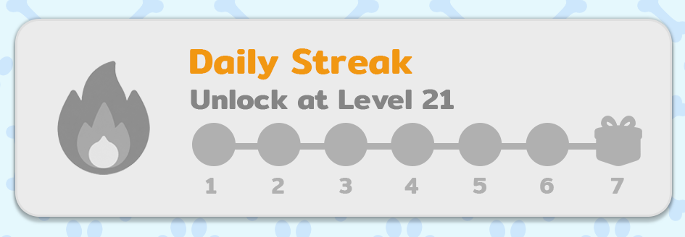

Daily Streak | Mitr | SemiBold | 50 | f19712 | Daily Challenge | Mitr | SemiBold | 50 | 2977cd
Unlock at Level 21 | Mitr | SemiBold | 40 | 858585 | Unlock at Level 21 | Mitr | SemiBold | 40 | 858585
1234567 | Mitr | SemiBold | 31 | b0b0b0 | New Challenge | Mitr | SemiBold | 31 | 8c8c8b

 |  |  |  |  | Offline | Mitr | SemiBold | 50 | 828282
 |  |  |  |  | Go online to activate
 |  |  |  |  | the Daily Challenge | Source Sans 3 | Black | 40 | 8c8c8b

