Munkalap1
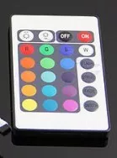
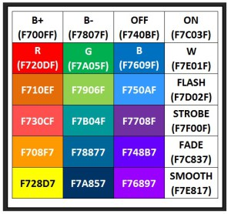
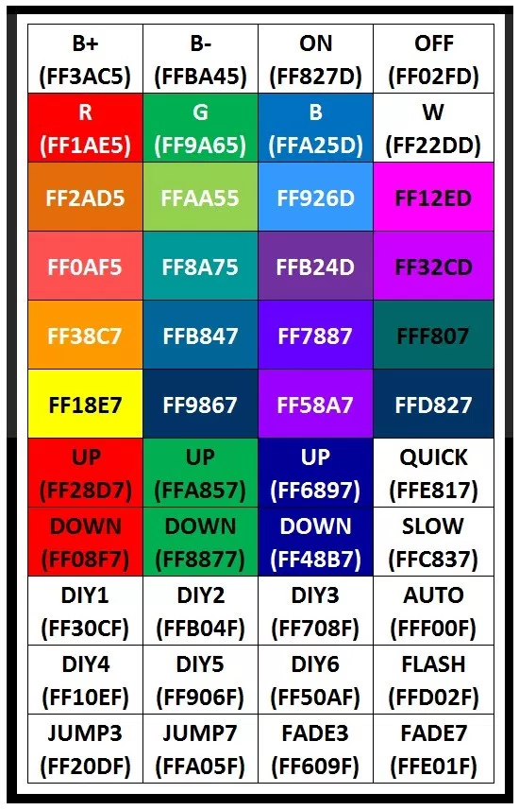
 |  | 0x00F700FF | Brightness+
 |  | 0x00F78007F | Brightness-
 |  | 0x00F720DF | RED | Channel
 |  | 0x00F7A05F | GREEN | Channel
 |  | 0x00F7609F | BLUE | Channel
 |  | 0x00F7E01F | White | Channel
 |  | 0x00F740BF | OFF | Button
 |  | 0x00F7C03F | ON | Button
 |  | 0x00F710EF | RED- | Button
 |  | 0x00F730CF | RED-- | Button
 |  | 0x00F708F7 | RED--- | Button
 |  | 0x00F728D7 | RED---- | Yellow | Button
 |  | 0x00F7906F | GREEN- | Button
 |  | 0x00F7B04F | GREEN-- | Button
 |  | 0x00F78877 | GREEN--- | Button
 |  | 0x00F7A837 | GREEN---- | Button
 |  | 0x00F750AF | BLUE- | Button
 |  | 0x00F7708F | BLUE-- | Button
 |  | 0x00F74887 | BLUE--- | Button
 |  | 0x00F76897 | BLUE---- | Button
 |  | 0x00F7D02F | FLASH | Button
 |  | 0x00F7F00F | STROBE | Button
 |  | 0x00F7C837 | FADE | Button
 |  | 0x00F7E817 | SMOOTH | Button

Header | 9287 | 4508 | Stop | 593 | 563 | 632 |  | 1637 | 1636
 | 9353 | 4478 |  | 621 |  |  | 592 | 1662 | 1671 | 631 | 530
 | 9283 | 4507 |  | 591 |  |  | 591 | 1665 |  | 621 | 530
 | 9387 | 4507 |  | 597 |  |  | 625 | 1636 |  | 533 | 616
 | 9396 | 4505 |  | 592 |  |  | 623 | 1636 |  | 585 | 566
 | 9467 | 4477 |  | 620 |  |  | 626 |  |  | 596 | 556
 | 9266 | 4482 |  | 617 |  |  | 611 | 1645
 | 9493 | 4477 |  | 628 |  |  | 583 | 1671
 | 9343 | 4477 |  | 627 |  |  | 596 | 1661
 | 9468 | 4475 |  | 625
 | 9380 | 4565 |  | 581
 | 9466 | 4503 |  | 596
 | 9387 | 4448 |  | 632
 | 9372 | 4512 |  | 583
 | 9391 | 4478 |  | 622
 | 9428 | 4478 |  | 622
 | 9352 | 4506 |  | 592
 | 9317 | 4572 |  | 563
 | 9395 | 4468 |  | 631
 | 9300 | 4573 |  | 597

Min | 9266 | 4448 |  | 563
Max | 9493 | 4573 |  | 632
Avg | 9376.55 | 4499.8 |  | 606.5

