Sheet1
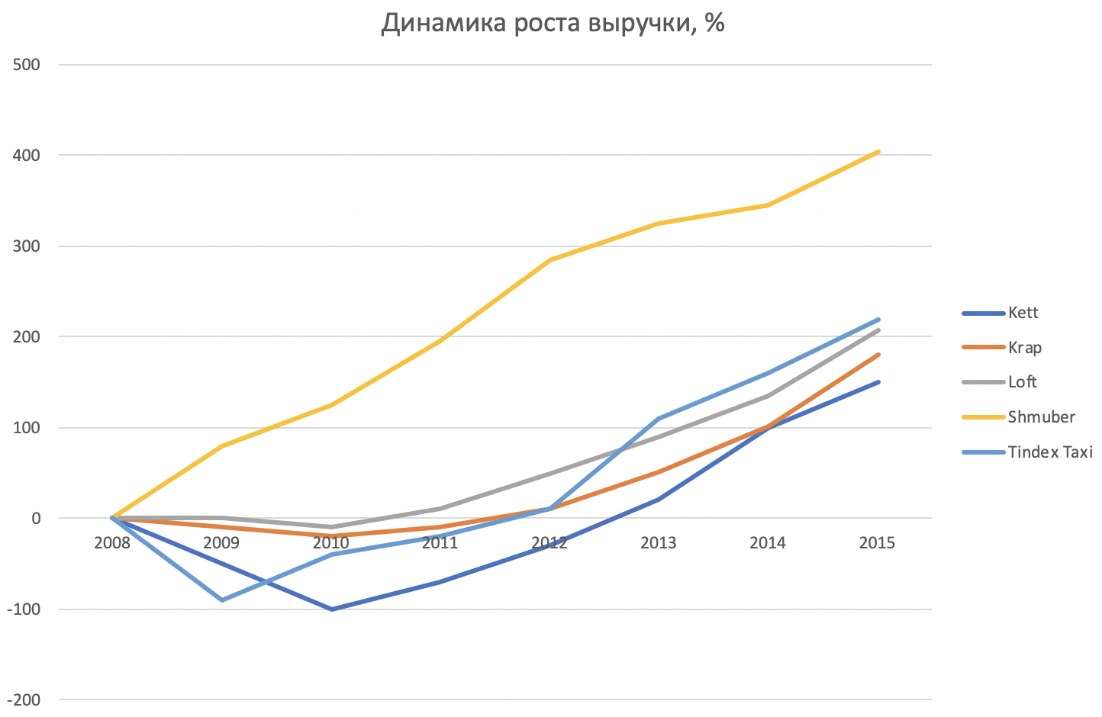
year | company | revenue, $K | rate
2008 | Shmuber | 5 | 100%
2008 | Kett | 1000 | 100%
2008 | Tindex Taxi | 890 | 100%
2008 | Krap | 899 | 100%
2008 | Loft | 760 | 100%
2009 | Shmuber | 85 | 80.00
2009 | Kett | 950 | -50.00
2009 | Tindex Taxi | 800 | -90.00
2009 | Krap | 890 | -9.00
2009 | Loft | 760 | 0.00
2010 | Shmuber | 130 | 125.00
2010 | Kett | 900 | -100.00
2010 | Tindex Taxi | 850 | -40.00
2010 | Krap | 880 | -19.00
2010 | Loft | 750 | -10.00
2011 | Shmuber | 200 | 195.00
2011 | Kett | 930 | -70.00
2011 | Tindex Taxi | 870 | -20.00
2011 | Krap | 890 | -9.00
2011 | Loft | 770 | 10.00
2012 | Shmuber | 290 | 285.00
2012 | Kett | 970 | -30.00
2012 | Tindex Taxi | 900 | 10.00
2012 | Krap | 910 | 11.00
2012 | Loft | 810 | 50.00
2013 | Shmuber | 330 | 325.00
2013 | Kett | 1020 | 20.00
2013 | Tindex Taxi | 1000 | 110.00
2013 | Krap | 950 | 51.00
2013 | Loft | 850 | 90.00
2014 | Shmuber | 350 | 345.00
2014 | Kett | 1100 | 100.00
2014 | Tindex Taxi | 1050 | 160.00
2014 | Krap | 1000 | 101.00
2014 | Loft | 895 | 135.00
2015 | Shmuber | 410 | 405.00
2015 | Kett | 1150 | 150.00
2015 | Tindex Taxi | 1110 | 220.00
2015 | Krap | 1080 | 181.00
2015 | Loft | 967 | 207.00

