GBD-quicksearch_20221227
 | Brand name | Logo | IPR | Designation | Status | Status date | Number | Office | Nice classification | Owner
1 | BMW | 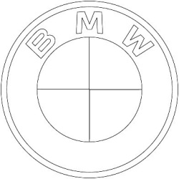 | Regional Trademark Registration | European Union | Registered |  | 018295326 | EUIPO (European Union) | 5, 9, 10, 25 | Bayerische Motoren Werke Aktiengesellschaft (Germany)
2 | BMW | 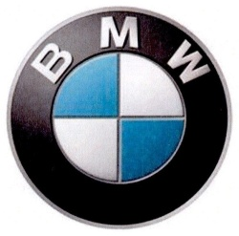 | National Trademark Registration | Costa Rica | Registered |  | 261548 | RNPCR (Costa Rica) | 4 | BAYERISCHE MOTOREN WERKE AKTIENGESELLSCHAFT (Germany)
3 | BMW |  | National Trademark Registration | Costa Rica | Registered |  | 296649 | RNPCR (Costa Rica) | 9, 12, 14, 16, 18, 21, 25, 28, 35, 36, 37, 38, 39, 42 | BAYERISCHE MOTOREN WERKE AKTIENGESELLSCHAFT (Germany)
4 | BMW | 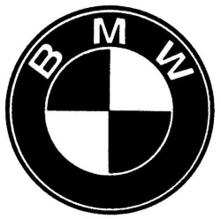 | National Trademark Registration | UAE | Registered |  | 166356 | MoE (UAE) | 8 | ش. بايريش موتورين ويرك أكتينجزلشافت (Germany)
5 | BMW | 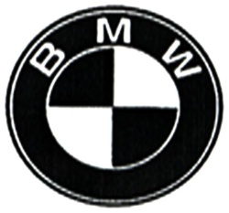 | National Trademark Registration | UAE | Registered |  | 166361 | MoE (UAE) | 18 | ش. بايريش موتورين ويرك أكتينجزلشافت (Germany)
6 | BMW | 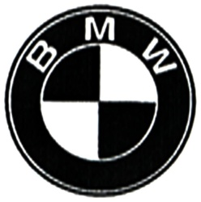 | National Trademark Registration | UAE | Registered |  | 166366 | MoE (UAE) | 27 | ش. بايريش موتورين ويرك أكتينجزلشافت (Germany)
7 | BMW | 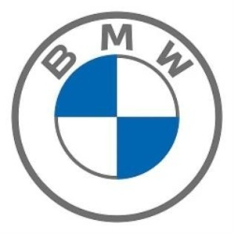 | National Trademark Registration | UAE | Registered |  | 337201 | MoE (UAE) | 39 | بايريش موتورين ويرك أكتينجزلشافت (Germany)
8 | BMW |  | National Trademark Registration | UAE | Registered |  | 337191 | MoE (UAE) | 7 | بايريش موتورين ويرك أكتينجزلشافت (Germany)
9 | BMW |  | National Trademark Registration | UAE | Registered |  | 337196 | MoE (UAE) | 25 | بايريش موتورين ويرك أكتينجزلشافت (Germany)
10 | BMW | 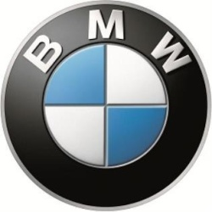 | National Trademark Registration | UAE | Registered |  | 257361 | MoE (UAE) | 4 | بايريش موتورين ويرك أكتينجزلشافت (Germany)
11 | BMW | 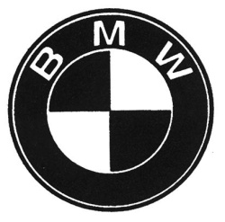 | National Trademark Registration | Chile | Registered |  | 906385 | INAPI (Chile) | 37 | BAYERISCHE MOTOREN WERKE AKTIENGESELLSCHAFT
12 | BMW |  | National Trademark Registration | Chile | Registered |  | 1019237 | INAPI (Chile) | 12 | BAYERISCHE MOTOREN WERKE AKTIENGESELLSCHAFT
13 | BMW | 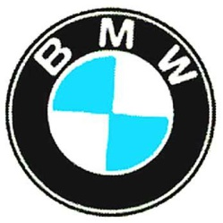 | National Trademark Registration | Chile | Registered |  | 1016013 | INAPI (Chile) | 37 | BAYERISCHE MOTOREN WERKE AKTIENGESELLSCHAFT
14 | BMW | 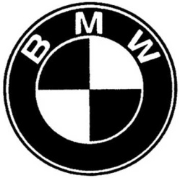 | National Trademark Registration | Chile | Registered |  | 1102707 | INAPI (Chile) | 25 | Bayerische Motoren Werke Aktiengesellschaft
15 | BMW |  | National Trademark Application | Costa Rica | Ended |  | 2001-002361 | RNPCR (Costa Rica) | 12 | BAYERISCHE MOTOREN WERKE AKTIENGESELLSCHAFT (Germany)
16 | BMW | 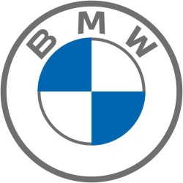 | National Trademark Registration | Australia | Registered |  | 2160586 | IPA (Australia) | 2, 3, 4, 7, 8, 9, 11, 12, 14, 16, 18, 21, 25, 27, 28, 34, 35, 36, 37, 38, 39, 40, 41, 42, 43 | Bayerische Motoren Werke Aktiengesellschaft (Germany)
17 | BMW | 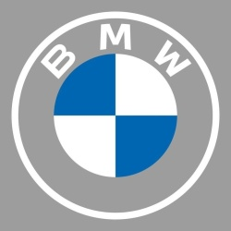 | National Trademark Registration | Australia | Registered |  | 2169441 | IPA (Australia) | 4, 7, 9, 11, 12, 14, 16, 18, 21, 25, 28, 35, 36, 37, 38, 39, 41, 42 | Bayerische Motoren Werke Aktiengesellschaft (Germany)
18 | BMW |  | National Trademark Registration | India | Registered |  | 1239076 | CGDPTM (India) | 37 | BAYERISCHE MOTOREN WERKE AKTIENGESELLSCHAFT (Germany)
19 | BMW |  | National Trademark Registration | Iceland | Registered |  | V0034366 | ISIPO (Iceland) | 37 | Bayerische Motoren Werke Aktiengesellschaft (Germany)
20 | BMW |  | National Trademark Registration | Iceland | Registered |  | 311/1974 | ISIPO (Iceland) | 12, 7 | Bayerische Motoren Werke AG (Germany)
21 | BMW |  | National Trademark Registration | New Zealand | Registered |  | 600081 | IPONZ (New Zealand) | 36 | BAYERISCHE MOTOREN WERKE AKTIENGESELLSCHAFT (Germany)
22 | BMW | 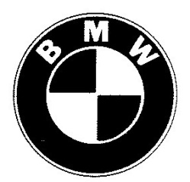 | National Trademark Registration | New Zealand | Expired |  | 153331 | IPONZ (New Zealand) | 26 | BAYERISCHE MOTOREN WERKE AKTIENGESELLSCHAFT (Germany)
23 | BMW |  | National Trademark Registration | New Zealand | Expired |  | 153321 | IPONZ (New Zealand) | 7 | BAYERISCHE MOTOREN WERKE AKTIENGESELLSCHAFT (Germany)
24 | BMW |  | National Trademark Registration | New Zealand | Expired |  | 153326 | IPONZ (New Zealand) | 18 | BAYERISCHE MOTOREN WERKE AKTIENGESELLSCHAFT (Germany)
25 | BMW |  | National Trademark Registration | Oman | Registered |  | 1/007631 | MoC (Oman) | 12 | بايريش موتورين ويرك أكتنجز لشافت (Germany)
26 | BMW | 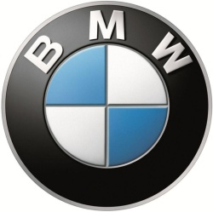 | National Trademark Registration | Lao People's Democratic Republic | Registered |  | 39232 | DIP (Lao People's Democratic Republic) | 4 | Bayerische Motoren Werke Aktiengesellschaft (Germany)
27 | BMW |  | National Trademark Registration | Uruguay | Expired |  | 171773 | MIEM-DNPI (Uruguay) | 7, 12, 22 | BAYERISCHE MOTOREN WERKE AG. (Uruguay)
28 | BMW |  | National Trademark Registration | Uruguay | Expired |  | 4821 | MIEM-DNPI (Uruguay) | 37 | BAYERISCHE MOTOREN WERKE AG. (Germany)
29 | BMW |  | National Trademark Registration | Zimbabwe | Registered |  | 1980000926 | ZIPO (Zimbabwe) | 37 | BAYERISCHE MOTOREN WERKE AKTIENGESELLSCHAFT (Germany)
30 | BMW |  | National Trademark Registration | Zimbabwe | Registered |  | 1980000931 | ZIPO (Zimbabwe) | 37 | BAYERISCHE MOTOREN WERKE AKTIENGESELLSCHAFT (Germany)
31 | BMW | 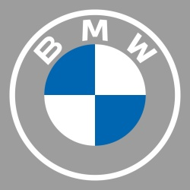 | Regional Trademark Registration | European Union | Registered |  | 018193816 | EUIPO (European Union) | 9, 14, 18, 21, 25, 28 | Bayerische Motoren Werke Aktiengesellschaft (Germany)
32 | BMW |  | National Trademark Registration | UAE | Registered |  | 169966 | MoE (UAE) | 36 | ش. بايريش موتورين ويرك أكتينجزلشافت (Germany)
33 | BMW |  | National Trademark Registration | Estonia | Registered |  | 30934 | EPA (Estonia) | 12, 37 | Bayerische Motoren Werke Aktiengesellschaft (Germany)
34 | BMW |  | Regional Trademark Registration | European Union | Registered |  | 018222666 | EUIPO (European Union) | 2, 3, 4, 7, 8, 9, 11, 12, 14, 16, 18, 21, 25, 27, 28, 34, 35, 36, 37, 38, 39, 40, 41, 42 | Bayerische Motoren Werke Aktiengesellschaft (Germany)
35 | BMW | 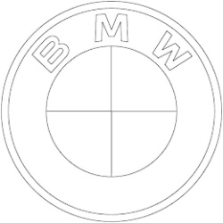 | National Trademark Application | USA | Pending |  | 79309756 | USPTO (USA) | 9, 18, 28, 39, 16, 38, 37, 14, 25, 36, 35, 12, 21, 42
36 | BMW |  | Regional Trademark Registration | European Union | Registered |  | 018187596 | EUIPO (European Union) | 9, 12, 16, 35, 36, 37, 38, 39, 42 | Bayerische Motoren Werke Aktiengesellschaft (Germany)
37 | bmw |  | National Trademark Registration | Ukraine | Registered |  | 102096 | UKRPATENT (Ukraine) | 16, 37, 41, 42 | Бурбеза Анатолій Анатолійович (Ukraine)
38 | BMW |  | National Trademark Registration | Indonesia | Registered |  | IDM000805043 | DGIP (Indonesia) | 45 | BENNY MULIAWAN (Indonesia)
39 | BMW |  | National Trademark Registration | Indonesia | Expired |  | IDM000017330 | DGIP (Indonesia) | 30 | A J U B dan IRAWAN SUSANTO (Indonesia)
40 | BMW |  | National Trademark Application | Indonesia | Ended |  | D002011048161 | DGIP (Indonesia) | 25 | BUDIHARDJO KHONO (Indonesia)
41 | BMW | 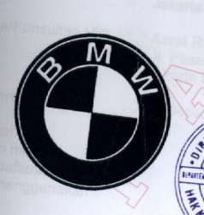 | National Trademark Registration | Indonesia | Registered |  | IDM000023536 | DGIP (Indonesia) | 25 | Bayerische Motoren Werke Aktiengesellschaft (Germany)
42 | BMW |  | National Trademark Registration | Indonesia | Registered |  | IDM000116658 | DGIP (Indonesia) | 25 | Bayerische Motoren Werke Aktiengesellschaft (Germany)
43 | BMW |  | National Trademark Application | Indonesia | Ended |  | D002011022256 | DGIP (Indonesia) | 25 | Ir. Hikmat R. (Indonesia)
44 | BMW |  | National Trademark Registration | Philippines | Registered |  | 1320641 | IPOPHL (Philippines) | 4 | Bayerische Motoren Werke Aktiengesellschaft (Germany)
45 | BMW |  | National Trademark Registration | Philippines | Registered |  | 9101 | IPOPHL (Philippines) | 25 | BAYERISCHE MOTOREN WERKE AKTIENGESELLSCHAFT (Germany)
46 | BMW |  | National Trademark Registration | Tunisia | Registered |  | 100/1320641 | INNORPI (Tunisia) | 4 | Bayerische Motoren Werke Aktiengesellschaft (Germany)
47 | BMW | 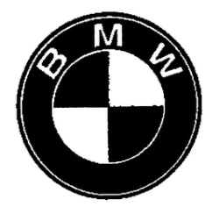 | National Trademark Registration | USA | Registered |  | 2752258 | USPTO (USA) | 9, 7, 18, 6, 28, 16, 4, 3, 14, 25, 12, 11, 21, 20 | Bayerische Motoren Werke Aktiengesellschaft (Germany)
48 | BMW |  | National Trademark Registration | Malaysia | Registered |  | 06016361 | MyIPO (Malaysia) | 36 | BAYERISCHE MOTOREN WERKE AKTIENGESELLSCHAFT (Germany)
49 | BMW |  | National Trademark Application | Malaysia | Ended |  | M/095266 | MyIPO (Malaysia) | 9 | TAI KWONG BATTERY INDUSTRIES SDN. BHD. (Malaysia)
50 | BMW |  | National Trademark Registration | Uruguay | Expired |  | 178403 | MIEM-DNPI (Uruguay) | 7, 12, 22 | BAYERISCHE MOTOREN WERKE AG. (Uruguay)
51 | BMW | 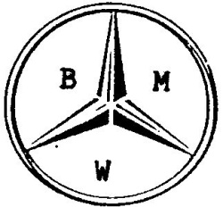 | National Trademark Application | Thailand | Ended |  | 259356 | DIP (Thailand) | 11 | นายวันชัย บุญยรัตน์พันธ์
52 | BMW |  | National Trademark Application | Thailand | Pending |  | 190129661 | DIP (Thailand) | 14 | ไบเออริสเช่ โมโตเรน เวอร์เค้อ อัคเทียนเกเซลล์ชาฟท์
53 | BMW |  | National Trademark Application | Thailand | Pending |  | 190129666 | DIP (Thailand) | 7 | ไบเออริสเช่ โมโตเรน เวอร์เค้อ อัคเทียนเกเซลล์ชาฟท์
54 | BMW |  | National Trademark Registration | Namibia | Registered |  | 1998001316 | BIPA (Namibia) | 42 | BAYERISCHE MOTOREN WERKE AKTIENGESELLSCHAFT (Germany)
55 | BMW |  | National Trademark Application | Namibia | Pending |  | NA/T/1998/981316 | BIPA (Namibia) | 42 | BAYERISCHE MOTOREN WERKE AKTIENGESELLSCHAFT a German company (Germany)
56 | bmw | 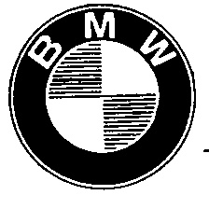 | National Trademark Registration | Singapore | Registered |  | T6640741C | IPOS (Singapore) | 7 | BAYERISCHE MOTOREN WERKE AKTIENGESELLSCHAFT (Germany)
57 | BMW | 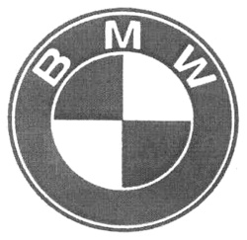 | National Trademark Application | Philippines | Ended |  | 42010003331 | IPOPHL (Philippines) | 34 | BAYERISCHE MOTOREN WERKE AKTIENGESELLSCHAFT (Germany)
58 | BMW |  | National Trademark Registration | Japan | Registered |  | 3108005 | JPO (Japan) | 35 | バイエリシエ・モト―レンウエルケ・アクチエンゲゼルシヤフト
59 | BMW |  | National Trademark Registration | Japan | Registered |  | 3130786 | JPO (Japan) | 40 | バイエリシエ・モト―レンウエルケ・アクチエンゲゼルシヤフト
60 | BMW |  | National Trademark Registration | Japan | Registered |  | 4919217 | JPO (Japan) | 36 | バイエリシエ・モトーレンウエルケ・アクチエンゲゼルシヤフト
61 | BMW |  | National Trademark Registration | Korea (Republic of) | Registered |  | 4001147930000 | KIPO (Korea (Republic of)) |  | 바이에리셰 모토렌 베르케 악티엔게젤샤프트 (Germany)
62 | BMW | 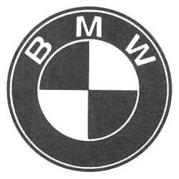 | National Trademark Registration | Korea (Republic of) | Registered |  | 4101997120000 | KIPO (Korea (Republic of)) | 41, 44, 41 | 바이에리셰 모토렌 베르케 악티엔게젤샤프트 (Germany)
63 | BMW |  | National Trademark Registration | Korea (Republic of) | Registered |  | 4001127390000 | KIPO (Korea (Republic of)) | 17, 24, 26 | 바이에리셰 모토렌 베르케 악티엔게젤샤프트 (Germany)
64 | BMW | 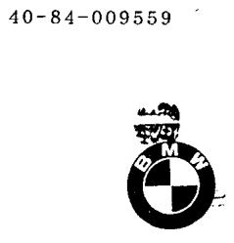 | National Trademark Registration | Korea (Republic of) | Registered |  | 4001171090000 | KIPO (Korea (Republic of)) |  | 바이에리셰 모토렌 베르케 악티엔게젤샤프트 (Germany)
65 | BMW | 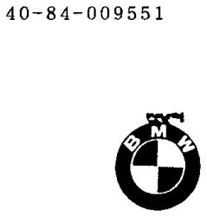 | National Trademark Registration | Korea (Republic of) | Expired |  | 4001153060000 | KIPO (Korea (Republic of)) |  | 바이에리셰 모토렌 베르케 악티엔게젤샤프트 (Germany)
66 | BMW |  | National Trademark Registration | Korea (Republic of) | Registered |  | 4001140230000 | KIPO (Korea (Republic of)) |  | 바이에리셰 모토렌 베르케 악티엔게젤샤프트 (Germany)
67 | BMW |  | National Trademark Registration | Korea (Republic of) | Registered |  | 4001141320000 | KIPO (Korea (Republic of)) |  | 바이에리셰 모토렌 베르케 악티엔게젤샤프트 (Germany)
68 | BMW |  | National Trademark Registration | Korea (Republic of) | Registered |  | 4001407650000 | KIPO (Korea (Republic of)) | 9, 7, 12 | 바이에리셰 모토렌 베르케 악티엔게젤샤프트 (Germany)
69 | BMW |  | National Trademark Registration | Korea (Republic of) | Registered |  | 4001147940000 | KIPO (Korea (Republic of)) |  | 바이에리셰 모토렌 베르케 악티엔게젤샤프트 (Germany)
70 | BMW |  | National Trademark Registration | Korea (Republic of) | Registered |  | 4001162650000 | KIPO (Korea (Republic of)) |  | 바이에리셰 모토렌 베르케 악티엔게젤샤프트 (Germany)
71 | BMW | 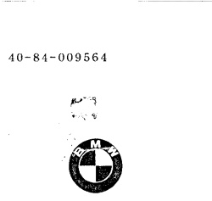 | National Trademark Registration | Korea (Republic of) | Registered |  | 4001147950000 | KIPO (Korea (Republic of)) | 21, 20, 9, 16 | 바이에리셰 모토렌 베르케 악티엔게젤샤프트 (Germany)
72 | BMW | 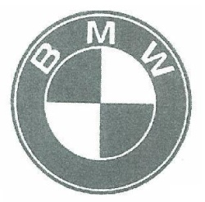 | National Trademark Registration | Korea (Republic of) | Registered |  | 4102149970000 | KIPO (Korea (Republic of)) | 43 | 바이에리셰 모토렌 베르케 악티엔게젤샤프트 (Germany)
73 | BMW |  | National Trademark Registration | Israel | Registered |  | 290231 | ILPO (Israel) | 4 | Bayerische Motoren Werke Aktiengesellschaft (Germany)
74 | BMW | 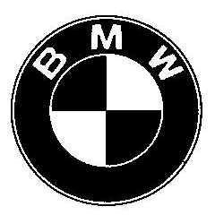 | National Trademark Registration | Japan | Registered |  | 1722710 | JPO (Japan) | 3, 4, 9, 11, 12, 14, 16, 18, 21, 25, 28, 34, 35, 36, 37, 38, 39, 41, 42
75 | BMW |  | National Trademark Registration | Japan | Registered |  | 2007-360201 | JPO (Japan)
76 | BMW |  | National Trademark Registration | Japan | Registered |  | 2246136 | JPO (Japan) | 9, 10, 17, 20, 24, 25 | バイエリシエ モト-レンウエルケ アクチエン ゲゼルシヤフト
77 | BMW |  | National Trademark Registration | Japan | Registered |  | 1627736 | JPO (Japan) | 9, 25, 28, 24 | バイエリシエ モト-レンウエルケ アクチエンゲゼルシヤフト
78 | BMW |  | National Trademark Registration | Jordan | Registered |  | 24284 | IPPD (Jordan) | 12 | بايريتش موتورن ورك اكتنجزلشافت بي ام دبليو (Germany)
79 | BMW |  | National Trademark Registration | Madagascar | Registered |  | M851 | DoRG (Madagascar) | 7, 12, 37 | BAYERISCHE MOTOREN WERKE AKTIENGESELLSCHAFT (Germany)
80 | BMW | 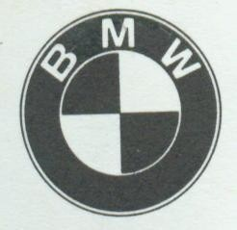 | National Trademark Registration | Malawi | Registered |  | 1987/000176 | COSOMA (Malawi) | 7 | Bayerische Motoren Werke Aktiengesellschaft (Germany)
81 | BMW |  | National Trademark | Morocco | Unknown |  | 30231 | OMPIC (Morocco) | 12, 25, 28, 9 | BAYERISCHE MOTOREN WERKE AKTIENGESELLSCHAFT (Germany)
82 | BMW | 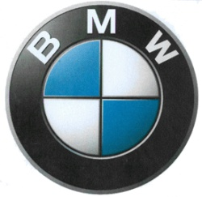 | National Trademark Application | Mexico | Ended |  | 0119851740801 | IMPI (Mexico) | 7 | VENKRYL, S. DE R.L. DE C.V. (Mexico)
83 | BMW | 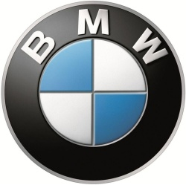 | National Trademark Registration | Mongolia | Registered |  | M-1320641 | IPOM (Mongolia) | 4 | Bayerische Motoren Werke Aktiengesellschaft (Germany)
84 | BMW | 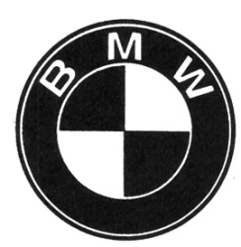 | National Trademark Registration | Mexico | Registered |  | 1285033 | IMPI (Mexico) | 30 | BAYERISCHE MOTOREN WERKE AKTIENGESELLSCHAFT (Germany)
85 | BMW |  | National Trademark Registration | Japan | Registered |  | 1991958 | JPO (Japan) | 12 | バイエリシエ モト-レンウエルケ アクチエンゲゼルシヤフト
86 | BMW |  | National Trademark Registration | Japan | Expired |  | 1722710 | JPO (Japan) | 1
87 | BMW |  | National Trademark Registration | Japan | Expired |  | 1722710 | JPO (Japan) | 6
88 | BMW |  | National Trademark Registration | Japan | Expired |  | 1722710 | JPO (Japan) | 15
89 | BMW |  | National Trademark Registration | Japan | Expired |  | 1722710 | JPO (Japan) | 29
90 | BMW |  | National Trademark Registration | Japan | Expired |  | 1722710 | JPO (Japan) | 34
91 | BMW |  | National Trademark Registration | Korea (Republic of) | Registered |  | 4001118900000 | KIPO (Korea (Republic of)) |  | 바이에리셰 모토렌 베르케 악티엔게젤샤프트 (Germany)
92 | BMW |  | National Trademark Registration | Korea (Republic of) | Registered |  | 4001106130000 | KIPO (Korea (Republic of)) |  | 바이에리셰 모토렌 베르케 악티엔게젤샤프트 (Germany)
93 | BMW |  | National Trademark Registration | Korea (Republic of) | Registered |  | 4001140230000 | KIPO (Korea (Republic of)) |  | 바이에리셰 모토렌 베르케 악티엔게젤샤프트 (Germany)
94 | BMW |  | National Trademark Registration | Korea (Republic of) | Registered |  | 4100071440000 | KIPO (Korea (Republic of)) |  | 바이에리셰 모토렌 베르케 악티엔게젤샤프트 (Germany)
95 | BMW | 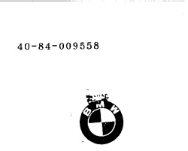 | National Trademark Registration | Korea (Republic of) | Registered |  | 4001168000000 | KIPO (Korea (Republic of)) | 9, 7, 11, 12 | 바이에리셰 모토렌 베르케 악티엔게젤샤프트 (Germany)
96 | BMW |  | National Trademark Registration | Korea (Republic of) | Registered |  | 4001407650000 | KIPO (Korea (Republic of)) |  | 바이에리셰 모토렌 베르케 악티엔게젤샤프트 (Germany)
97 | BMW |  | National Trademark Registration | Cambodia | Registered |  | KH/M/1320641 | DIP (Cambodia) | 4 | Bayerische Motoren Werke Aktiengesellschaft (Germany)
98 | BMW |  | National Trademark Registration | Kenya | Registered |  | T35576 | KIPI (Kenya) | 7 | BMW AG, a German Corporation, organised and existing under the laws of German, manufacturers and merchants (Germany)
99 | BMW | 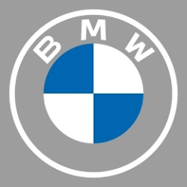 | National Trademark Application | USA | Pending |  | 79308311 | USPTO (USA) | 41, 9, 18, 28, 39, 16, 38, 37, 14, 25, 36, 35, 12, 21, 42 | Bayerische Motoren Werke Aktiengesellschaft (Germany)
100 | BMW |  | National Trademark Registration | USA | Registered |  | 613465 | USPTO (USA) | 19 | BAYERISCHE MOTOREN WERKE AKTIENGESELLSCHAFT (Germany)
101 | BMW |  | National Trademark Registration | Thailand | Registered |  | 237426 | DIP (Thailand) | 37 | ไบเออริสเช่ โมโตเรน เวอร์เค้อ อัคเทียนเกเซลล์ชาฟท์
102 | BMW |  | National Trademark Application | Australia | Ended |  | 410631 | IPA (Australia) | 24 | Bayerische Motoren Werke Aktiengesellschaft (Germany)
103 | BMW |  | National Trademark Registration | Australia | Registered |  | 410621 | IPA (Australia) | 2, 4, 7, 9, 12, 16, 17, 18, 20, 21, 24, 25, 26, 28, 34, 36, 37, 39 | Bayerische Motoren Werke Aktiengesellschaft (Germany)
104 | BMW |  | National Trademark Application | Australia | Ended |  | 410626 | IPA (Australia) | 16 | Bayerische Motoren Werke Aktiengesellschaft (Germany)
105 | BMW |  | National Trademark Application | Australia | Ended |  | 410636 | IPA (Australia) | 36 | Bayerische Motoren Werke Aktiengesellschaft (Germany)
106 | BMW | 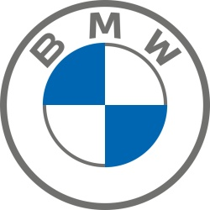 | National Trademark Registration | Germany | Registered |  | 302019116271 | DPMA (Germany) | 12, 9, 16, 35, 36, 37, 38, 39, 42 | Bayerische Motoren Werke Aktiengesellschaft (Germany)
107 | BMW |  | National Trademark Registration | Germany | Registered |  | 1026571 | DPMA (Germany) | 36 | Bayerische Motoren Werke AG (Germany)
108 | BMW |  | National Trademark Application | Germany | Ended |  | 3020152005018 | DPMA (Germany) | 15, 9, 11 | Bayerische Musik Werkstatt GmbH (Germany)
109 | BMW |  | International Trademark Registration | China, USA | Registered |  | 1583741 | Madrid (WIPO) | 5, 9, 10, 25 | Bayerische Motoren Werke, Aktiengesellschaft (Germany)
110 | BMW | 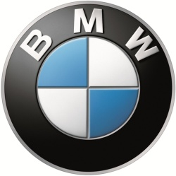 | International Trademark Registration | Australia, Bahrain, Colombia, Curaçao, Georgia, Ghana, Israel, India, Iceland, Japan, Cambodia, Korea (Republic of), Lao People's Democratic Republic, Madagascar, Mexico, Norway, New Zealand, African Intellectual Property Organization, Oman, Philippines, Singapore, Sint Maarten (Dutch part), Turkmenistan, Tunisia, Turkey, Uzbekistan, Zambia, Albania, Armenia, Azerbaijan, Bosnia and Herzegovina, Belarus, Switzerland, China, Algeria, Egypt, France, Kenya, Kyrgyzstan, Kazakhstan, Morocco, Moldova (Republic of), Montenegro, Macedonia (the former Yugoslav Republic of), Mongolia, Serbia, Russian Federation, San Marino, Ukraine, Viet Nam | Registered |  | 1320641 | Madrid (WIPO) | 4 | Bayerische Motoren Werke, Aktiengesellschaft (Germany)
111 | BMW |  | National Trademark Registration | Botswana | Registered |  | 1982/007196 | CIPA (Botswana) | 12 | BAYERISCHE MOTOREN WERKE AKTIENGESELLSCHAFT (German Democratic Republic)
112 | BMW |  | National Trademark Application | Botswana | Ended |  | BW/M/1982/007191 | CIPA (Botswana) | 35 | BAYERISCHE MOTOREN WERKE AKTIENGESELLSCHAFT (Germany)
113 | BMW |  | National Trademark Registration | Botswana | Registered |  | 1983/007696 | CIPA (Botswana) | 7 | BAYERISCHE MOTOREN WERKE AKTIENGESELLSCHAFT (German Democratic Republic)
114 | BMW |  | National Trademark Registration | Botswana | Registered |  | 1981/006786 | CIPA (Botswana) | 9 | BAYERISCHE MOTOREN WERKE AKTIENGESELLSCHAFT (Germany)
115 | BMW |  | National Trademark Registration | Botswana | Registered |  | 1998/000876 | CIPA (Botswana) | 42 | BAYERISCHE MOTOREN WERKE AKTIENGESELLSCHAFT (German Democratic Republic)
116 | BMW | 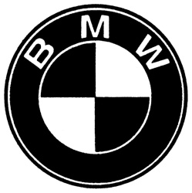 | National Trademark Registration | Germany | Registered |  | 302011037731 | DPMA (Germany) | 12, 3, 6, 8, 9, 11, 14, 16, 18, 20, 21, 24, 25, 26, 27, 28, 29, 30, 32 | Bayerische Motoren Werke Aktiengesellschaft (Germany)
117 | BMW | 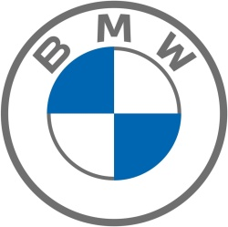 | National Trademark Application | Germany | Ended |  | 3020201009565 | DPMA (Germany) | 12, 9, 16, 35, 36, 37, 38, 39, 42 | Bayerische Motoren Werke Aktiengesellschaft (Germany)
118 | BMW | 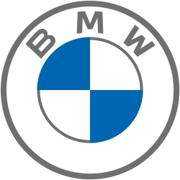 | National Trademark Registration | Germany | Registered |  | 302020102491 | DPMA (Germany) | 12 | Bayerische Motoren Werke Aktiengesellschaft (Germany)
119 | BMW | 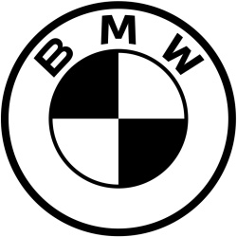 | National Trademark Registration | Germany | Registered |  | 302020103441 | DPMA (Germany) | 12, 9, 14, 16, 18, 21, 25, 28, 35, 36, 37, 38, 39, 42 | Bayerische Motoren Werke Aktiengesellschaft (Germany)
120 | BMW |  | National Trademark Registration | Australia | Registered |  | 616776 | IPA (Australia) | 6, 14 | Bayerische Motoren Werke Aktiengesellschaft (Germany)
121 | BMW |  | National Trademark Application | Indonesia | Ended |  | D002012053610 | DGIP (Indonesia) | 16 | TEGUH HANDOJO (Indonesia)
122 | BMW | 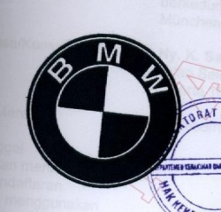 | National Trademark Registration | Indonesia | Registered |  | IDM000023535 | DGIP (Indonesia) | 16 | Bayerische Motoran Werke Aktiengesellschaft., (Germany)
123 | BMW | 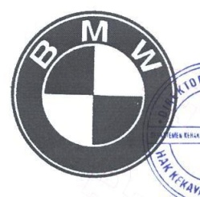 | National Trademark Registration | Indonesia | Registered |  | IDM000022592 | DGIP (Indonesia) | 18 | Bayerische Motoren Werke Aktiengesellschaft (Germany)
124 | BMW |  | National Trademark Registration | Indonesia | Registered |  | IDM000460272 | DGIP (Indonesia) | 9 | Bayerische Motoren Werke Aktiengesellschaft, (Germany)
125 | BMW |  | National Trademark Registration | Indonesia | Expired |  | 453,331 | DGIP (Indonesia) | 30 | F.S. PRANAPSA WIDJAJA (Indonesia)
126 | BMW |  | National Trademark Registration | France | Registered |  | 1016795 | INPI (France) | 7, 12 | BAYERISCHE MOTOREN WERKE AKTIENGESELLSCHAFT (Germany)
127 | BMW | 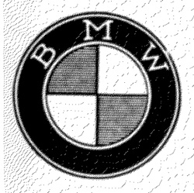 | National Trademark Registration | France | Registered |  | 1404700 | INPI (France) | 7, 12 | BAYERISCHE MOTOREN WERKE AKTIENGESELLSCHAFT, Société de droit allemand (Germany)
128 | BMW | 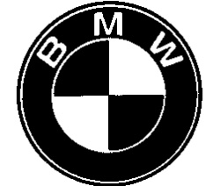 | National Trademark Registration | Estonia | Registered |  | 30933 | EPA (Estonia) | 12, 37 | Bayerische Motoren Werke Aktiengesellschaft (Germany)
129 | BMW |  | National Trademark Registration | UAE | Registered |  | 166355 | MoE (UAE) | 6 | ش. بايريش موتورين ويرك أكتينجزلشافت (Germany)
130 | BMW |  | National Trademark Registration | UAE | Registered |  | 166365 | MoE (UAE) | 26 | ش. بايريش موتورين ويرك أكتينجزلشافت (Germany)
131 | BMW |  | National Trademark Registration | UAE | Registered |  | 166360 | MoE (UAE) | 16 | ش. بايريش موتورين ويرك أكتينجزلشافت (Germany)
132 | BMW |  | National Trademark Registration | UAE | Registered |  | 166370 | MoE (UAE) | 32 | ش. بايريش موتورين ويرك أكتينجزلشافت (Germany)
133 | BMW |  | National Trademark Registration | UAE | Registered |  | 337200 | MoE (UAE) | 37 | بايريش موتورين ويرك أكتينجزلشافت (Germany)
134 | BMW |  | National Trademark Registration | UAE | Registered |  | 337190 | MoE (UAE) | 4 | بايريش موتورين ويرك أكتينجزلشافت (Germany)
135 | BMW |  | National Trademark Registration | UAE | Registered |  | 337195 | MoE (UAE) | 18 | بايريش موتورين ويرك أكتينجزلشافت (Germany)
136 | BMW |  | National Trademark Registration | UAE | Registered |  | 257445 | MoE (UAE) | 4 | بايريش موتورين ويرك أكتينجزلشافت (Germany)
137 | BMW | 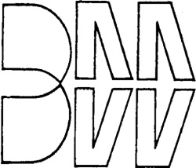 | National Trademark Registration | France | Expired |  | 1290290 | INPI (France) | 1, 2, 3, 6, 10, 15, 22, 28 | BABOLAT MAILLOT WITT Société Anonyme (France)
138 | BMW | 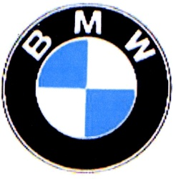 | National Trademark Registration | Chile | Registered |  | 809053 | INAPI (Chile) | 12, 7 | BAYERISCHE MOTOREN WERKE AKTIENGESELLSCHAFT
139 | BMW | 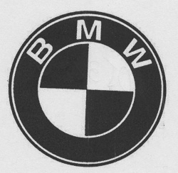 | National Trademark Registration | Chile | Registered |  | 1090867 | INAPI (Chile) | 35, 36 | BAYERISCHE MOTOREN WERKE AKTIENGESELLSCHAFT
140 | BMW |  | National Trademark Registration | Chile | Registered |  | 1237048 | INAPI (Chile) | 4 | Bayerische Motoren Werke Aktiengesellschaft
141 | BMW |  | National Trademark Registration | Chile | Registered |  | 1102705 | INAPI (Chile) | 25 | Bayerische Motoren Werke Aktiengesellschaft
142 | BMW | 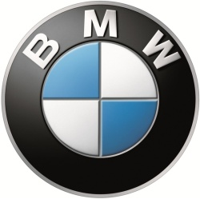 | National Trademark Registration | Australia | Registered |  | 1811330 | IPA (Australia) | 4 | Bayerische Motoren Werke Aktiengesellschaft (Germany)
143 | BMW |  | National Trademark Registration | India | Registered |  | 324370 | CGDPTM (India) | 12 | BAYERISCHE MOTOREN WERKE AKTIENGESELLSCHAFT (Germany)
144 | BMW |  | National Trademark Registration | India | Registered |  | 1488005 | CGDPTM (India) | 36 | BAYERISCHE MOTOREN WERKE AKTIENGESELLSCHAFT. (Germany)
145 | BMW |  | National Trademark Registration | Iceland | Registered |  | V0102850 | ISIPO (Iceland) | 4 | Bayerische Motoren Werke Aktiengesellschaft (Germany)
146 | BMW |  | National Trademark Registration | Iceland | Registered |  | V0102985 | ISIPO (Iceland) | 4 | Bayerische Motoren Werke Aktiengesellschaft (Germany)
147 | BMW | 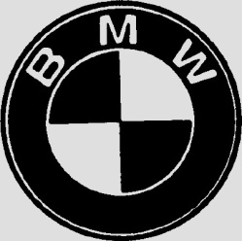 | National Trademark Registration | Iceland | Registered |  | V0034480 | ISIPO (Iceland) | 37 | Bayerische Motoren Werke AG (Germany)
148 | BMW |  | National Trademark Registration | Costa Rica | Expired |  | 125676 | RNPCR (Costa Rica) | 37 | BAYERISCHE MOTOREN WERKE AKTIENGESELLSCHAFT (Germany)
149 | BMW |  | National Trademark Registration | Costa Rica | Registered |  | 294510 | RNPCR (Costa Rica) | 9, 12, 14, 18, 25, 28, 36, 37, 38, 39 | BAYERISCHE MOTOREN WERKE AKTIENGESELLSCHAFT (Germany)
150 | BMW |  | National Trademark Registration | UAE | Registered |  | 169965 | MoE (UAE) | 35 | ش. بايريش موتورين ويرك أكتينجزلشافت (Germany)
151 | BMW |  | National Trademark Registration | Japan | Registered |  | 3124286 | JPO (Japan) | 39 | バイエリシエ・モト―レンウエルケ・アクチエンゲゼルシヤフト
152 | BMW |  | National Trademark Registration | Japan | Expired |  | 1722710 | JPO (Japan) | 5
153 | BMW |  | National Trademark Registration | Japan | Expired |  | 1722710 | JPO (Japan) | 14
154 | BMW |  | National Trademark Registration | Japan | Expired |  | 1722710 | JPO (Japan) | 19
155 | BMW |  | National Trademark Registration | Japan | Expired |  | 1722710 | JPO (Japan) | 33
156 | BMW |  | National Trademark Application | Korea (Republic of) | Ended |  | 4020120070505 | KIPO (Korea (Republic of)) | 10 | 주식회사 엘루시스 (Korea (Republic of))
157 | BMW | 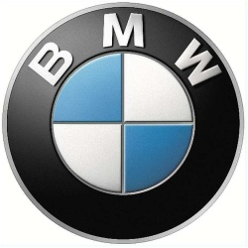 | National Trademark Registration | Japan | Registered |  | 2014-361640 | JPO (Japan)
158 | BMW |  | National Trademark Registration | Japan | Registered |  | 5611244 | JPO (Japan) | 35 | バイエリシエ・モトーレンウエルケ・アクチエンゲゼルシヤフト
159 | BMW |  | National Trademark Registration | Japan | Registered |  | 1661587 | JPO (Japan) | 6, 8, 14, 18, 20, 13 | バイエリシエ モト-レンウエルケ アクチエンゲゼルシヤフト
160 | BMW |  | National Trademark Registration | Japan | Registered |  | 1751217 | JPO (Japan) | 9, 14, 23 | バイエリシエ モト-レンウエルケ アクチエン ゲゼルシヤフト
161 | BMW |  | National Trademark Registration | Korea (Republic of) | Registered |  | 4001168000000 | KIPO (Korea (Republic of)) |  | 바이에리셰 모토렌 베르케 악티엔게젤샤프트 (Germany)
162 | BMW | 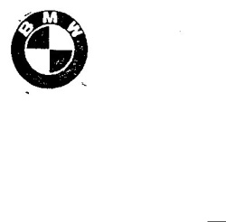 | National Trademark Registration | Korea (Republic of) | Registered |  | 4001124540000 | KIPO (Korea (Republic of)) |  | 바이에리셰 모토렌 베르케 악티엔게젤샤프트 (Germany)
163 | BMW |  | National Trademark Registration | Korea (Republic of) | Registered |  | 4001162650000 | KIPO (Korea (Republic of)) |  | 바이에리셰 모토렌 베르케 악티엔게젤샤프트 (Germany)
164 | BMW |  | National Trademark Registration | Korea (Republic of) | Registered |  | 4001156930000 | KIPO (Korea (Republic of)) |  | 바이에리셰 모토렌 베르케 악티엔게젤샤프트 (Germany)
165 | BMW |  | National Trademark Registration | Korea (Republic of) | Registered |  | 4102195550000 | KIPO (Korea (Republic of)) | 35 | 바이에리셰 모토렌 베르케 악티엔게젤샤프트 (Germany)
166 | BMW |  | National Trademark Registration | Korea (Republic of) | Registered |  | 4001156930000 | KIPO (Korea (Republic of)) | 4, 34, 11 | 바이에리셰 모토렌 베르케 악티엔게젤샤프트 (Germany)
167 | BMW |  | National Trademark Registration | Korea (Republic of) | Registered |  | 4001147950000 | KIPO (Korea (Republic of)) |  | 바이에리셰 모토렌 베르케 악티엔게젤샤프트 (Germany)
168 | BMW |  | National Trademark Registration | Korea (Republic of) | Registered |  | 4101997110000 | KIPO (Korea (Republic of)) | 41, 44, 41 | 바이에리셰 모토렌 베르케 악티엔게젤샤프트 (Germany)
169 | BMW |  | National Trademark Registration | Korea (Republic of) | Registered |  | 4001140230000 | KIPO (Korea (Republic of)) |  | 바이에리셰 모토렌 베르케 악티엔게젤샤프트 (Germany)
170 | BMW |  | National Trademark Registration | Korea (Republic of) | Registered |  | 4001156930000 | KIPO (Korea (Republic of)) |  | 바이에리셰 모토렌 베르케 악티엔게젤샤프트 (Germany)
171 | BMW |  | National Trademark Registration | Korea (Republic of) | Registered |  | 4102147380000 | KIPO (Korea (Republic of)) | 43 | 바이에리셰 모토렌 베르케 악티엔게젤샤프트 (Germany)
172 | BMW |  | National Trademark Registration | Korea (Republic of) | Registered |  | 4001147930000 | KIPO (Korea (Republic of)) | 16, 2 | 바이에리셰 모토렌 베르케 악티엔게젤샤프트 (Germany)
173 | BMW |  | National Trademark Registration | Korea (Republic of) | Registered |  | 4001462270000 | KIPO (Korea (Republic of)) | 9, 17, 24, 25, 16, 26, 14 | 바이에리셰 모토렌 베르케 악티엔게젤샤프트 (Germany)
174 | BMW |  | National Trademark Registration | Korea (Republic of) | Registered |  | 4001118900000 | KIPO (Korea (Republic of)) |  | 바이에리셰 모토렌 베르케 악티엔게젤샤프트 (Germany)
175 | BMW |  | National Trademark Registration | Korea (Republic of) | Registered |  | 4001106130000 | KIPO (Korea (Republic of)) |  | 바이에리셰 모토렌 베르케 악티엔게젤샤프트 (Germany)
176 | BMW |  | National Trademark Registration | Mexico | Registered |  | 967579 | IMPI (Mexico) | 41 | BAYERISCHE MOTOREN WERKE AKTIENGESELLSCHAFT (Germany)
177 | BMW |  | National Trademark Registration | Mexico | Registered |  | 1285234 | IMPI (Mexico) | 3 | BAYERISCHE MOTOREN WERKE AKTIENGESELLSCHAFT (Germany)
178 | BMW |  | National Trademark Registration | Mexico | Registered |  | 1285032 | IMPI (Mexico) | 29 | BAYERISCHE MOTOREN WERKE AKTIENGESELLSCHAFT (Germany)
179 | BMW |  | National Trademark Registration | Mongolia | Registered |  | M-0663925 | IPOM (Mongolia) | 5, 17, 42, 26, 13, 32, 25, 20, 39, 10, 18, 7, 23, 22, 33, 1, 29, 37, 8, 38, 35, 2, 4, 41, 28, 9, 24, 14, 16, 15, 11, 3, 21, 12, 40, 27, 30, 6, 36, 34 | Bayerische Motoren Werke Aktiengesellschaft (Germany)
180 | BMW |  | National Trademark Registration | Japan | Registered |  | 428654 | JPO (Japan) | 12 | バイエリシエ モト-レン ウエルケ アクチエンゲゼルシヤフト

