RegisterMap_B0_탑핀순서
TOP PIN NAME | PORT NAME | BLOCK PIN NAME | Description | Type | Default Value |  | TOP PIN NAME | PORT NAME | BLOCK PIN NAME | Description | Type | Default Value
RX_REG1<4> | RegOut02<4> | RX_CMOS_EN | RX Data Interface enable | W |  | 1 | RegOut26<3> | RegOut26<3> | PD<3> | CH.3 VSPS block Enable | W |  | 0
RX_REG1<3> | RegOut02<3> | LA_EN | Limiting Amplifier enable | W |  | 1 | RegOut26<2> | RegOut26<2> | Q_VGA4<0> | CH.3 VSPS Phase control bit (우측 phase table 참조) | W |  | 0
 |  |  |  |  |  |  | RegOut26<1> | RegOut26<1> | Q_VGA4<1> |  | W |  | 0
BIAS_REG1<0> | RegOut11<0> | EN_BIAS | BIAS block Enable | W |  | 1 | RegOut26<0> | RegOut26<0> | Q_VGA4<2> |  | W |  | 0
 |  |  |  |  |  |  | RegOut27<7> | RegOut27<7> | Q_VGA4<3> |  | W |  | 0
BIAS_REG4<7> | RegOut14<7> | B_DEMOD_150<3> | Control the demodulator's reference stage current 0000:80 uA----> 1111:200 uA Default value 1001:150 uA | W |  | 1 | RegOut27<6> | RegOut27<6> | Q_VGA4<4> |  | W |  | 0
BIAS_REG4<6> | RegOut14<6> | B_DEMOD_150<2> |  | W |  | 0 | RegOut27<5> | RegOut27<5> | I_VGA4<0> | CH.3 VSPS Phase control bit (우측 phase table 참조) | W |  | 0
BIAS_REG4<5> | RegOut14<5> | B_DEMOD_150<1> |  | W |  | 0 | RegOut27<4> | RegOut27<4> | I_VGA4<1> |  | W |  | 0
BIAS_REG4<4> | RegOut14<4> | B_DEMOD_150<0> |  | W |  | 1 | RegOut27<3> | RegOut27<3> | I_VGA4<2> |  | W |  | 0
BIAS_REG4<3> | RegOut14<3> | B_DEMOD_50<3> | Control the demodulator's I/P stage current 0000: min (20 uA)---> 1111: max (96 uA) Default value 0110:50 uA | W |  | 0 | RegOut27<2> | RegOut27<2> | I_VGA4<3> |  | W |  | 0
BIAS_REG4<2> | RegOut14<2> | B_DEMOD_50<2> |  | W |  | 1 | RegOut27<1> | RegOut27<1> | I_VGA4<4> |  | W |  | 0
BIAS_REG4<1> | RegOut14<1> | B_DEMOD_50<1> |  | W |  | 1 | RegOut27<0> | RegOut27<0> | PD<2> | CH.2 VSPS block Enable | W |  | 0
BIAS_REG4<0> | RegOut14<0> | B_DEMOD_50<0> |  | W |  | 0 | RegOut28<7> | RegOut28<7> | Q_VGA3<0> | CH.2 VSPS Phase control bit (우측 phase table 참조) | W |  | 0
BIAS_REG5<7> | RegOut15<7> | B_LA_FB<3> | Control the biasing current for LA's FB 0000: min (20 uA)---> 1111: max (96 uA) Default value 0110:50 uA | W |  | 0 | RegOut28<6> | RegOut28<6> | Q_VGA3<1> |  | W |  | 0
BIAS_REG5<6> | RegOut15<6> | B_LA_FB<2> |  | W |  | 1 | RegOut28<5> | RegOut28<5> | Q_VGA3<2> |  | W |  | 0
BIAS_REG5<5> | RegOut15<5> | B_LA_FB<1> |  | W |  | 1 | RegOut28<4> | RegOut28<4> | Q_VGA3<3> |  | W |  | 0
BIAS_REG5<4> | RegOut15<4> | B_LA_FB<0> |  | W |  | 0 | RegOut28<3> | RegOut28<3> | Q_VGA3<4> |  | W |  | 0
BIAS_REG5<3> | RegOut15<3> | B_LA_CORE<3> | Control the biasing current for LA's core 0000: min (20 uA)---> 1111: max (96 uA) Default value 0110:50 uA | W |  | 0 | RegOut28<2> | RegOut28<2> | I_VGA3<0> | CH.2 VSPS Phase control bit (우측 phase table 참조) | W |  | 0
BIAS_REG5<2> | RegOut15<2> | B_LA_CORE<2> |  | W |  | 1 | RegOut28<1> | RegOut28<1> | I_VGA3<1> |  | W |  | 0
BIAS_REG5<1> | RegOut15<1> | B_LA_CORE<1> |  | W |  | 1 | RegOut28<0> | RegOut28<0> | I_VGA3<2> |  | W |  | 0
BIAS_REG5<0> | RegOut15<0> | B_LA_CORE<0> |  | W |  | 0 | RegOut29<7> | RegOut29<7> | I_VGA3<3> |  | W |  | 0
BIAS_REG6<7> | RegOut16<7> | B_LA_BUFF<3> | Control the biasing current for LA's O/P buffer 0000: min (20 uA)---> 1111: max (96 uA) Default value 0110:50 uA | W |  | 0 | RegOut29<6> | RegOut29<6> | I_VGA3<4> |  | W |  | 0
BIAS_REG6<6> | RegOut16<6> | B_LA_BUFF<2> |  | W |  | 1 | RegOut29<5> | RegOut29<5> | PD<1> | CH.1 VSPS block Enable | W |  | 0
BIAS_REG6<5> | RegOut16<5> | B_LA_BUFF<1> |  | W |  | 1 | RegOut29<4> | RegOut29<4> | Q_VGA2<0> | CH.1 VSPS Phase control bit (우측 phase table 참조) | W |  | 0
BIAS_REG6<4> | RegOut16<4> | B_LA_BUFF<0> |  | W |  | 0 | RegOut29<3> | RegOut29<3> | Q_VGA2<1> |  | W |  | 0
BIAS_REG6<3> | RegOut16<3> | B_LA_INBUFF<3> | Control the biasing current for LA's I/P buffer 0000: min (20 uA)---> 1111: max (96 uA) Default value 0110:50 uA | W |  | 0 | RegOut29<2> | RegOut29<2> | Q_VGA2<2> |  | W |  | 0
BIAS_REG6<2> | RegOut16<2> | B_LA_INBUFF<2> |  | W |  | 1 | RegOut29<1> | RegOut29<1> | Q_VGA2<3> |  | W |  | 0
BIAS_REG6<1> | RegOut16<1> | B_LA_INBUFF<1> |  | W |  | 1 | RegOut29<0> | RegOut29<0> | Q_VGA2<4> |  | W |  | 0
BIAS_REG6<0> | RegOut16<0> | B_LA_INBUFF<0> |  | W |  | 0 | RegOut2A<7> | RegOut2A<7> | I_VGA2<0> | CH.1 VSPS Phase control bit (우측 phase table 참조) | W |  | 0
BIAS_REG7<7> | RegOut17<7> | B_LA_HPF<3> | Control the biasing current for LA's High/Low data rate 0000: min (2 uA High data rate)---> 1111: max (58 uA) Default value 0000:2 uA | W |  | 0 | RegOut2A<6> | RegOut2A<6> | I_VGA2<1> |  | W |  | 0
BIAS_REG7<6> | RegOut17<6> | B_LA_HPF<2> |  | W |  | 0 | RegOut2A<5> | RegOut2A<5> | I_VGA2<2> |  | W |  | 0
BIAS_REG7<5> | RegOut17<5> | B_LA_HPF<1> |  | W |  | 0 | RegOut2A<4> | RegOut2A<4> | I_VGA2<3> |  | W |  | 0
BIAS_REG7<4> | RegOut17<4> | B_LA_HPF<0> |  | W |  | 0 | RegOut2A<3> | RegOut2A<3> | I_VGA2<4> |  | W |  | 0
BIAS_REG7<3> | RegOut17<3> | B_LA_CMOS<3> | Control the biasing current for CMOS gain stage 0000: min (20 uA)---> 1111: max (96 uA) Default value 0110:50 uA | W |  | 0 | RegOut2A<2> | RegOut2A<2> | PD<0> | CH.0 VSPS block Enable | W |  | 0
BIAS_REG7<2> | RegOut17<2> | B_LA_CMOS<2> |  | W |  | 1 | RegOut2A<1> | RegOut2A<1> | Q_VGA1<0> | CH.0 VSPS Phase control bit (우측 phase table 참조) | W |  | 0
BIAS_REG7<1> | RegOut17<1> | B_LA_CMOS<1> |  | W |  | 1 | RegOut2A<0> | RegOut2A<0> | Q_VGA1<1> |  | W |  | 0
BIAS_REG7<0> | RegOut17<0> | B_LA_CMOS<0> |  | W |  | 0 | RegOut2B<7> | RegOut2B<7> | Q_VGA1<2> |  | W |  | 0
BIAS_REG8<7> | RegOut18<7> | B_LA_CML<7> | Control the biasing current for CML interface stage. It also controls the duty cycle 00000000: min (2 uA)---> 11111111: max (184 uA) Default value 00000110:14 uA--> (≈400 mV) | W |  | 0 | RegOut2B<6> | RegOut2B<6> | Q_VGA1<3> |  | W |  | 0
BIAS_REG8<6> | RegOut18<6> | B_LA_CML<6> |  | W |  | 0 | RegOut2B<5> | RegOut2B<5> | Q_VGA1<4> |  | W |  | 0
BIAS_REG8<5> | RegOut18<5> | B_LA_CML<5> |  | W |  | 0 | RegOut2B<4> | RegOut2B<4> | I_VGA1<0> | CH.0 VSPS Phase control bit (우측 phase table 참조) | W |  | 0
BIAS_REG8<4> | RegOut18<4> | B_LA_CML<4> |  | W |  | 0 | RegOut2B<3> | RegOut2B<3> | I_VGA1<1> |  | W |  | 0
BIAS_REG8<3> | RegOut18<3> | B_LA_CML<3> |  | W |  | 0 | RegOut2B<2> | RegOut2B<2> | I_VGA1<2> |  | W |  | 0
BIAS_REG8<2> | RegOut18<2> | B_LA_CML<2> |  | W |  | 1 | RegOut2B<1> | RegOut2B<1> | I_VGA1<3> |  | W |  | 0
BIAS_REG8<1> | RegOut18<1> | B_LA_CML<1> |  | W |  | 1 | RegOut2B<0> | RegOut2B<0> | I_VGA1<4> |  | W |  | 0
BIAS_REG8<0> | RegOut18<0> | B_LA_CML<0> |  | W |  | 0 | RegOut2C<7> | RegOut2C<7> | B_FD_B_VGS<3> | VSPS Bias control bit 0001: 0.5104V | W |  | 0
 |  |  |  |  |  |  | RegOut2C<6> | RegOut2C<6> | B_FD_B_VGS<2> |  | W |  | 0
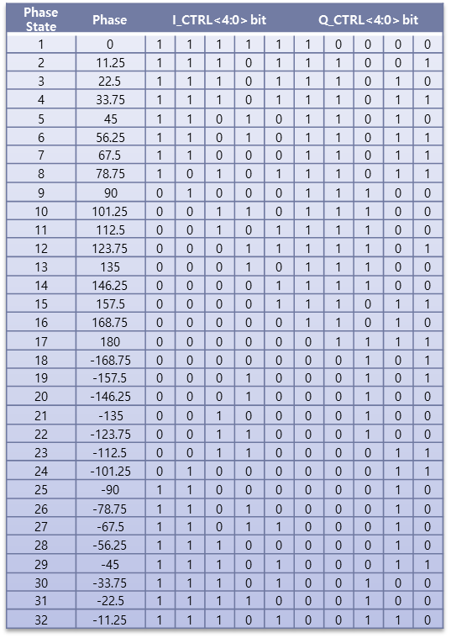
 |  |  |  |  |  |  | RegOut2C<5> | RegOut2C<5> | B_FD_B_VGS<1> |  | W |  | 0
 |  |  |  |  |  |  | RegOut2C<4> | RegOut2C<4> | B_FD_B_VGS<0> |  | W |  | 1
 |  |  |  |  |  |  | RegOut2C<3> | RegOut2C<3> | B_FD_VGS<3> | LNA Bias control bit 0000: 0.5342V | W |  | 0
 |  |  |  |  |  |  | RegOut2C<2> | RegOut2C<2> | B_FD_VGS<2> |  | W |  | 0
 |  |  |  |  |  |  | RegOut2C<1> | RegOut2C<1> | B_FD_VGS<1> |  | W |  | 0
 |  |  |  |  |  |  | RegOut2C<0> | RegOut2C<0> | B_FD_VGS<0> |  | W |  | 0

