RegisterMap_B0_탑핀순서
TOP PIN NAME | PORT NAME | BLOCK PIN NAME | Description | Type | Default Value |  | TOP PIN NAME | PORT NAME | BLOCK PIN NAME | Description | Type | Default Value
TX_REG1<31:24> : Not Available |  |  |  |  |  |  | RegOut24<0> | RegOut24<0> | EN_BIAS | BIAS block Enable | W |  | 1
TX_REG1<23> | RegOut07<7> | DT_REG<7> | Duty cycle control (주의: Max current 설정) 01111110: min (153uA)--> 00111110 --> …--> 00000000: max (230uA) | W |  | 0 | RegOut25<7> | RegOut25<7> | B_LNA_G4<3> | VSPS_PA(power amp.) Bias voltage 0111: 0.55V | W |  | 0
TX_REG1<22> | RegOut07<6> | DT_REG<6> |  | W |  | 0 | RegOut25<6> | RegOut25<6> | B_LNA_G4<2> |  | W |  | 1
TX_REG1<21> | RegOut07<5> | DT_REG<5> |  | W |  | 0 | RegOut25<5> | RegOut25<5> | B_LNA_G4<1> |  | W |  | 1
TX_REG1<20> | RegOut07<4> | DT_REG<4> |  | W |  | 0 | RegOut25<4> | RegOut25<4> | B_LNA_G4<0> |  | W |  | 1
TX_REG1<19> | RegOut07<3> | DT_REG<3> |  | W |  | 0 | RegOut25<3> | RegOut25<3> | B_LNA_G3<3> | VSPS VGA(VSPS Bias voltage 1000: 0.56V | W |  | 1
TX_REG1<18> | RegOut07<2> | DT_REG<2> |  | W |  | 0 | RegOut25<2> | RegOut25<2> | B_LNA_G3<2> |  | W |  | 0
TX_REG1<17> | RegOut07<1> | DT_REG<1> |  | W |  | 0 | RegOut25<1> | RegOut25<1> | B_LNA_G3<1> |  | W |  | 0
TX_REG1<16> | RegOut07<0> | DT_REG<0> |  | W |  | 0 | RegOut25<0> | RegOut25<0> | B_LNA_G3<0> |  | W |  | 0
TX_REG1<15> | RegOut06<7> | VT<10> | VCO oscillation frequency control (0000000001: 0V, 0000000010: 0.1V, ..., 1000000000: 1V) 0000000001: min (0V/57.7GHz)--> 1000000000: max (1V/62.4GHz) | W |  | 0 | RegOut26<7> | RegOut26<7> | B_LNA_G12<3> | VSPS CS Bias voltage 1000: 0.5V | W |  | 1
TX_REG1<14> | RegOut06<6> | VT<9> |  | W |  | 0 | RegOut26<6> | RegOut26<6> | B_LNA_G12<2> |  | W |  | 0
TX_REG1<13> | RegOut06<5> | VT<8> |  | W |  | 0 | RegOut26<5> | RegOut26<5> | B_LNA_G12<1> |  | W |  | 0
TX_REG1<12> | RegOut06<4> | VT<7> |  | W |  | 1 | RegOut26<4> | RegOut26<4> | B_LNA_G12<0> |  | W |  | 0
TX_REG1<11> | RegOut06<3> | VT<6> |  | W |  | 0 | RegOut26<3> | RegOut26<3> | PD<3> | CH.3 VSPS block Enable | W |  | 0
TX_REG1<10> | RegOut06<2> | VT<5> |  | W |  | 0 | RegOut26<2> | RegOut26<2> | Q_VGA0<3> | CH.3 VSPS Phase control bit (우측 phase table 참조) | W |  | 0
TX_REG1<9> | RegOut06<1> | VT<4> |  | W |  | 0 | RegOut26<1> | RegOut26<1> | Q_VGA1<3> |  | W |  | 0
TX_REG1<8> | RegOut06<0> | VT<3> |  | W |  | 0 | RegOut26<0> | RegOut26<0> | Q_VGA2<3> |  | W |  | 0
TX_REG1<7> | RegOut05<7> | VT<2> |  | W |  | 0 | RegOut27<7> | RegOut27<7> | Q_VGA3<3> |  | W |  | 0
TX_REG1<6> | RegOut05<6> | VT<1> |  | W |  | 0 | RegOut27<6> | RegOut27<6> | Q_VGA4<3> |  | W |  | 0
TX_REG1<5> | RegOut05<5> | VT<0> |  | W |  | 0 | RegOut27<5> | RegOut27<5> | I_VGA0<3> | CH.3 VSPS Phase control bit (우측 phase table 참조) | W |  | 0
TX_REG1<4> | RegOut05<4> | CS_REG<4> | Regulator의 Reference Voltage Control, 0: 500mV, 1: 400mV | W |  | 1 | RegOut27<4> | RegOut27<4> | I_VGA1<3> |  | W |  | 0
TX_REG1<3> | RegOut05<3> | CS_REG<3> | VCO_VDD Control (주의: VDD를 높이면 TX signal power 증가, VCO frequency 낮아짐) 0000: min (490mV) --> 1111: max (930mV) | W |  | 0 | RegOut27<3> | RegOut27<3> | I_VGA2<3> |  | W |  | 0
TX_REG1<2> | RegOut05<2> | CS_REG<2> |  | W |  | 0 | RegOut27<2> | RegOut27<2> | I_VGA3<3> |  | W |  | 0
TX_REG1<1> | RegOut05<1> | CS_REG<1> |  | W |  | 0 | RegOut27<1> | RegOut27<1> | I_VGA4<3> |  | W |  | 0
TX_REG1<0> | RegOut05<0> | CS_REG<0> |  | W |  | 0 | RegOut27<0> | RegOut27<0> | PD<2> | CH.2 VSPS block Enable | W |  | 0
TX_REG2<31:17> : Not Available |  |  |  |  |  |  | RegOut28<7> | RegOut28<7> | Q_VGA0<2> | CH.2 VSPS Phase control bit (우측 phase table 참조) | W |  | 0
TX_REG2<16> | RegOut0D<0> | EN | VCO power up/down 0: VCO off, 1: VCO on | W |  | 1 | RegOut28<6> | RegOut28<6> | Q_VGA1<2> |  | W |  | 0
TX_REG2<15> | RegOut0C<7> | EN_DA | Modulator power down --0: MOD off, 1: MOD on | W |  | 1 | RegOut28<5> | RegOut28<5> | Q_VGA2<2> |  | W |  | 0
TX_REG2<14> | RegOut0C<6> | EN_TX_T_BUF | Test buffer power down--0: test buff off, 1: test buff on | W |  | 1 | RegOut28<4> | RegOut28<4> | Q_VGA3<2> |  | W |  | 0
TX_REG2<13> | RegOut0C<5> | TX_DI_SEL | DATA 입력 선택, --0: SER (내부), 1: Test buff(외부) | W |  | 1 | RegOut28<3> | RegOut28<3> | Q_VGA4<2> |  | W |  | 0
TX_REG2<12:4> : Not Available |  |  |  |  |  |  | RegOut28<2> | RegOut28<2> | I_VGA0<2> | CH.2 VSPS Phase control bit (우측 phase table 참조) | W |  | 0
TX_REG2<3> | RegOut0B<3> | TX_T_BUF<3> | Test Buffer Current control 0111: 1.25mA, 0000: max (1.85mA) --> 1111: min (0.23mA) | W |  | 0 | RegOut28<1> | RegOut28<1> | I_VGA1<2> |  | W |  | 0
TX_REG2<2> | RegOut0B<2> | TX_T_BUF<2> |  | W |  | 1 | RegOut28<0> | RegOut28<0> | I_VGA2<2> |  | W |  | 0
TX_REG2<1> | RegOut0B<1> | TX_T_BUF<1> |  | W |  | 1 | RegOut29<7> | RegOut29<7> | I_VGA3<2> |  | W |  | 0
TX_REG2<0> | RegOut0B<0> | TX_T_BUF<0> |  | W |  | 1 | RegOut29<6> | RegOut29<6> | I_VGA4<2> |  | W |  | 0
 |  |  |  |  |  |  | RegOut29<5> | RegOut29<5> | PD<1> | CH.1 VSPS block Enable | W |  | 0
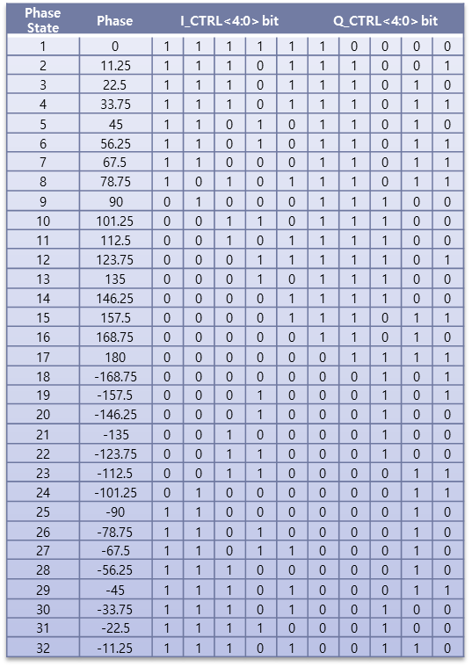
 |  |  |  |  |  |  | RegOut29<4> | RegOut29<4> | Q_VGA0<1> | CH.1 VSPS Phase control bit (우측 phase table 참조) | W |  | 0
 |  |  |  |  |  |  | RegOut29<3> | RegOut29<3> | Q_VGA1<1> |  | W |  | 0
 |  |  |  |  |  |  | RegOut29<2> | RegOut29<2> | Q_VGA2<1> |  | W |  | 0
 |  |  |  |  |  |  | RegOut29<1> | RegOut29<1> | Q_VGA3<1> |  | W |  | 0
 |  |  |  |  |  |  | RegOut29<0> | RegOut29<0> | Q_VGA4<1> |  | W |  | 0
 |  |  |  |  |  |  | RegOut2A<7> | RegOut2A<7> | I_VGA0<1> | CH.1 VSPS Phase control bit (우측 phase table 참조) | W |  | 0
 |  |  |  |  |  |  | RegOut2A<6> | RegOut2A<6> | I_VGA1<1> |  | W |  | 0
 |  |  |  |  |  |  | RegOut2A<5> | RegOut2A<5> | I_VGA2<1> |  | W |  | 0
 |  |  |  |  |  |  | RegOut2A<4> | RegOut2A<4> | I_VGA3<1> |  | W |  | 0
 |  |  |  |  |  |  | RegOut2A<3> | RegOut2A<3> | I_VGA4<1> |  | W |  | 0
 |  |  |  |  |  |  | RegOut2A<2> | RegOut2A<2> | PD<0> | CH.0 VSPS block Enable | W |  | 0
 |  |  |  |  |  |  | RegOut2A<1> | RegOut2A<1> | Q_VGA0<0> | CH.0 VSPS Phase control bit (우측 phase table 참조) | W |  | 0
 |  |  |  |  |  |  | RegOut2A<0> | RegOut2A<0> | Q_VGA1<0> |  | W |  | 0
 |  |  |  |  |  |  | RegOut2B<7> | RegOut2B<7> | Q_VGA2<0> |  | W |  | 0
 |  |  |  |  |  |  | RegOut2B<6> | RegOut2B<6> | Q_VGA3<0> |  | W |  | 0
 |  |  |  |  |  |  | RegOut2B<5> | RegOut2B<5> | Q_VGA4<0> |  | W |  | 0
 |  |  |  |  |  |  | RegOut2B<4> | RegOut2B<4> | I_VGA0<0> | CH.0 VSPS Phase control bit (우측 phase table 참조) | W |  | 0
 |  |  |  |  |  |  | RegOut2B<3> | RegOut2B<3> | I_VGA1<0> |  | W |  | 0
 |  |  |  |  |  |  | RegOut2B<2> | RegOut2B<2> | I_VGA2<0> |  | W |  | 0
 |  |  |  |  |  |  | RegOut2B<1> | RegOut2B<1> | I_VGA3<0> |  | W |  | 0
 |  |  |  |  |  |  | RegOut2B<0> | RegOut2B<0> | I_VGA4<0> |  | W |  | 0

