MW1
MW1
401HFE12AA401:pos
401HFE11AA401:pos
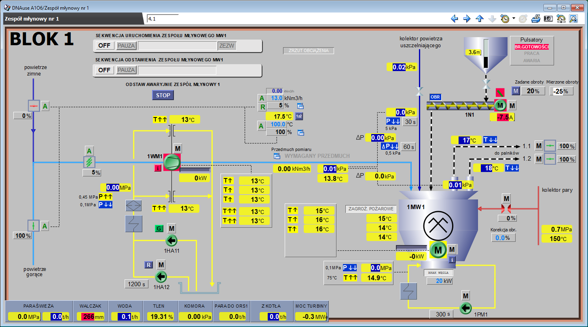
401HFE10AA401:pos
pr:401HFV11CP201:av
pr:401HFE10CT207:av
pr:401HFE10CT206:av
401HFE10DF201:me
401HFE10DF201:spa
401HFE10DF201:pos
pr:401HHE10FT950:av
401HHE10DT901:spa
401HHE10DT901:pos
pr:401HFB10AF001HS:out
pr:401HFB10AF001XQ51:av
pr:401HFB10AF001XQ50:av
pr:401HFC10AJ001XQ50:av
pr:401HFV10CP201:av
pr:401HFV10CT201:av
pr:401HFC10CT201:av
pr:401HFC10CT202:av
pr:401HFC10CT203:av
pr:401HFC10CT206:av
pr:401HFC10CT207:av
pr:401HFC10CT208:av
pr:401HFE10FF901:av
pr:401HFE10CT208:av
pr:401HFE10CP201:av
pr:401HFC10CP201:av
pr:401HFY10FP902:av
pr:401HFW11CP201:av
pr:401HFY10FP901:av
pr:401HHE11CT201:av
pr:401HHE12CT201:av
401HLA60AA401:pos
401HLA60AA402:pos
pr:401HFE20AN001XQ50:av
pr:401HFC20CT204:av
pr:401HFC20CT205:av

MW2
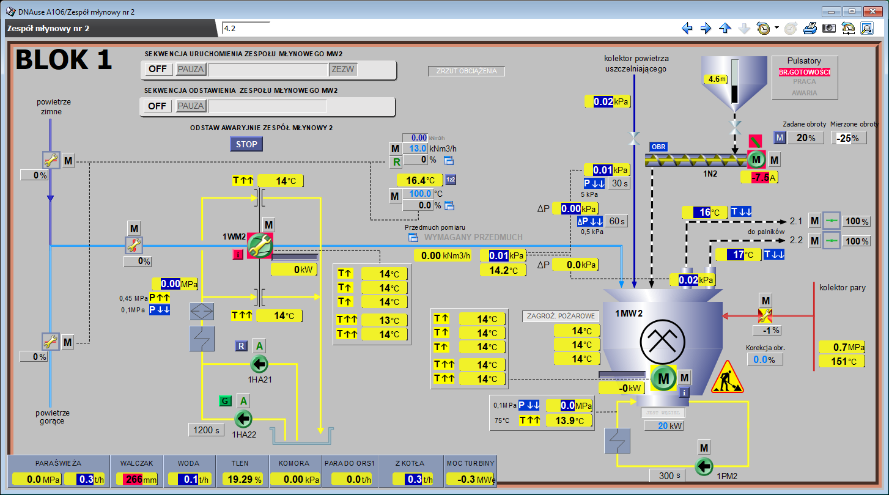
MW1
401HFE22AA401:pos
401HFE21AA401:pos
401HFE20AA401:pos
pr:401HFV21CP201:av
pr:401HFE20CT207:av
pr:401HFE20CT206:av
pr:401HFE20AN001XQ50:av
401HFE20DF201:spa
401HFE20DF201:me
401HFE20DF201:pos
pr:401HHE20FT950:av
401HHE20DT901:spa
401HHE20DT901:pos
pr:401HFE20FF901:av
pr:401HFB20AF001HS:out
pr:401HFB20AF001XQ51:av
pr:401HFB20AF001XQ50:av
pr:401HFC20AJ001XQ50:av
pr:401HFV20CP201:av
pr:401HFV20CT201:av
pr:401HFC20CT201:av
pr:401HFC20CT202:av
pr:401HFC20CT203:av
pr:401HFC20CT206:av
pr:401HFC20CT207:av
pr:401HFC20CT208:av
pr:401HFC20CT204:av
pr:401HFC20CT205:av
pr:401HFE20FF901:av
pr:401HFE20CT208:av
pr:401HFE20CP201:av
pr:401HFC20CP201:av
pr:401HFY20FP902:av
pr:401HFW21CP201:av
pr:401HFY20FP901:av
pr:401HHE21CT201:av
pr:401HHE22CT201:av
401HLA60AA403:pos
401HLA60AA404:pos

MW3

MW1
401HFE32AA401:pos
401HFE31AA401:pos
401HFE30AA401:pos
pr:401HFV31CP201:av
pr:401HFE30CT206:av
pr:401HFE30CT207:av
pr:401HFE30AN001XQ50:av
401HFE30DF201:spa
401HFE30DF201:me
401HFE30DF201:pos
pr:401HHE30FT950:av
401HHE30DT901:spa
401HHE30DT901:pos
pr:401HFE30FF901:av
pr:401HFB30AF001HS:out
pr:401HFB30AF001XQ51:av
pr:401HFB30AF001XQ50:av
pr:401HFC30AJ001XQ50:av
pr:401HFV30CP201:av
pr:401HFV30CP201:av
pr:401HFC30CT206:av
pr:401HFC30CT207:av
pr:401HFC30CT208:av
pr:401HFC30CT204:av
pr:401HFC30CT205:av
pr:401HFC30CT201:av
pr:401HFC30CT202:av
pr:401HFC30CT203:av
pr:401HFE30FF901:av
pr:401HFE30CT208:av
pr:401HFE30CP201:av
pr:401HFC30CP201:av
pr:401HFY30FP902:av
pr:401HFW31CP201:av
pr:401HFY30FP901:av
pr:401HHE31CT201:av
pr:401HHE32CT201:av
401HLA60AA405:pos
401HLA60AA406:pos

MW4

MW1
401HFE42AA401:pos
401HFE41AA401:pos
401HFE40AA401:pos
pr:401HFV41CP201:av
pr:401HFE40CT206:av
pr:401HFE40CT207:av
pr:401HFE40AN001XQ50:av
401HFE40DF201:spa
401HFE40DF201:me
401HFE40DF201:pos
pr:401HHE40FT950:av
401HHE40DT901:spa
401HHE40DT901:pos
pr:401HFE40FF901:av
pr:401HFB40AF001HS:out
pr:401HFB40AF001XQ51:av
pr:401HFB40AF001XQ50:av
pr:401HFC40AJ001XQ50:av
pr:401HFV40CP201:av
pr:401HFV40CT201:av
pr:401HFC40CT201:av
pr:401HFC40CT202:av
pr:401HFC40CT203:av
pr:401HFC40CT206:av
pr:401HFC40CT207:av
pr:401HFC40CT208:av
pr:401HFC40CT204:av
pr:401HFC40CT205:av
pr:401HFE40FF901:av
pr:401HFE40CT208:av
pr:401HFE40CP201:av
pr:401HFC40CP201:av
pr:401HFY40FP902:av
pr:401HFW41CP201:av
pr:401HFY40FP901:av
pr:401HHE41CT201:av
pr:401HHE42CT201:av
401HLA60AA407:pos
401HLA60AA408:pos

