Individual
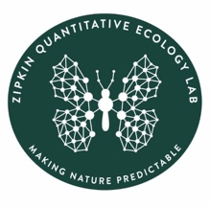
Penguin colony count

Grade:
Group color:
Junior researcher name:

Colony | Count 1 | Count 2 | Count 3 | Best guess
A
B
C
D
E
F
G
H

