ZiraddinGulumjanli
56.777777778 | 14.033689623 | 9 | group A | 34 | 33
43.777777778 | 7.7746025265 | 9 | group B | 43 | 37
mean ⬆️ | std ⬆️ |  |  | 45 | 38
2.4309146419 | ⬅️p value |  |  | 55 | 39
 |  |  |  | 58 | 43
 |  |  |  | 62 | 45
X | Y1 | Y2 | Y1/Y2 | 66 | 51
2 | 11 | 8 | 1.375 | 71 | 53
4 | 15 | 12 | 1.25 | 77 | 55
6 | 17 | 17 | 1
8 | 21 | 22 | 0.95454545455
10 | 25 | 24 | 1.0416666667
12 | 26 | 30 | 0.86666666667
14 | 29 | 36 | 0.80555555556
Mean | 20.571428571 | 21.285714286 | 1.0419191919
Standard Deviation | 6.5283265558 | 9.8440216327 | 0.20421113094
Coefficient of Variation | 0.31734920757 | 0.46247081496 | 0.19599517173

Term | Occurrence Rate in class A | Occurrence Rate in class B | Ratio (A/B))
Coal | 79 | 119 | 0.66386554622
Petroleum | 717 | 585 | 1.2256410256
Wind | 69 | 263 | 0.26235741445
Solar | 737 | 322 | 2.2888198758
Methane | 394 | 112 | 3.5178571429
Hydrogen | 838 | 444 | 1.8873873874
 |  |  | 3.5178571429

Label | Description
True Positive (TP) | According to iris analysis, the system successfully identifies a criminal.
False Positive (FP) | Here, the system falsely accuses an innocent person of committing the crime.
True Negative (TN) | Accurately indicates that an individual was not a part of the crime.
False Negative (FN) | The toolbox, fails to identify a person who is actually involved in the crime.
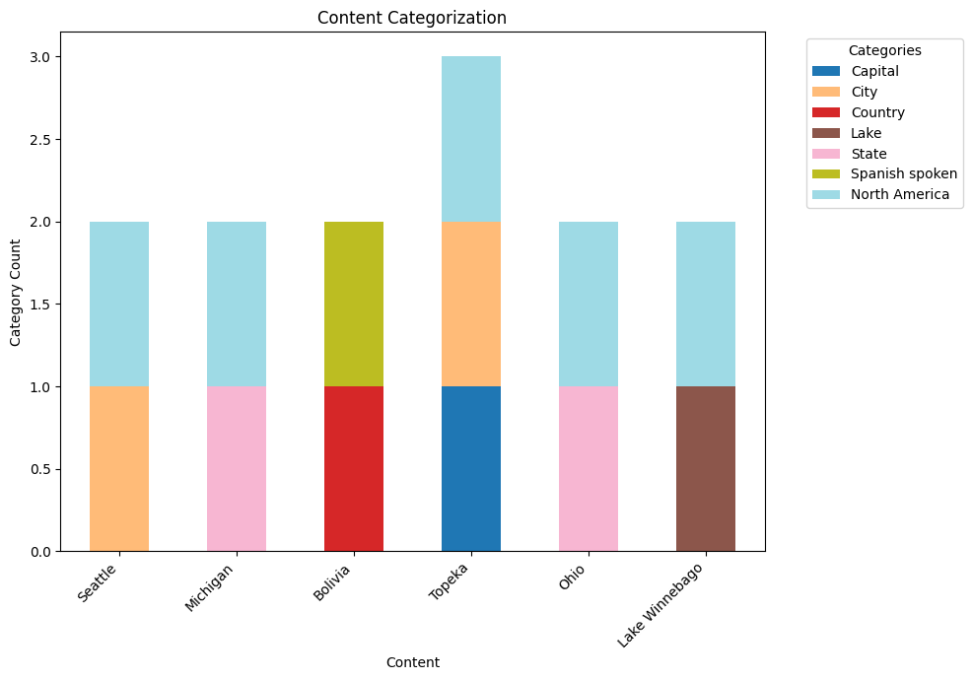
Letters | Categories | Content
a | Capital | Seattle (b,g)
b | City | Michigan (e,g)
c | Country | Bolivia (f, c)
d | Lake | Topeka (a,b,g)
e | State | Ohio (e,g)
f | Spanish spoken | Lake Winnebago (d,g)
g | North America

