Summery
Field Test Datasheet
Data | GPR file no. | Teros-12 (Soil) |  |  |  | Teros-12 (Leaves) |  |  |  | Teros-12 (Mulch) |  |  |  | Note | Soil |  |  | Leaves |  |  | Wood Chips
 |  | RAW | Permitivity | EC | Temp | RAW | Permitivity | EC | Temp | RAW | Permitivity | EC | Temp |  | 2006.7666667 | 4.2 | 0.000 | 1826.2 | 1.4 | 0.000 | 1849.7333333 | 1.7 | 0.000
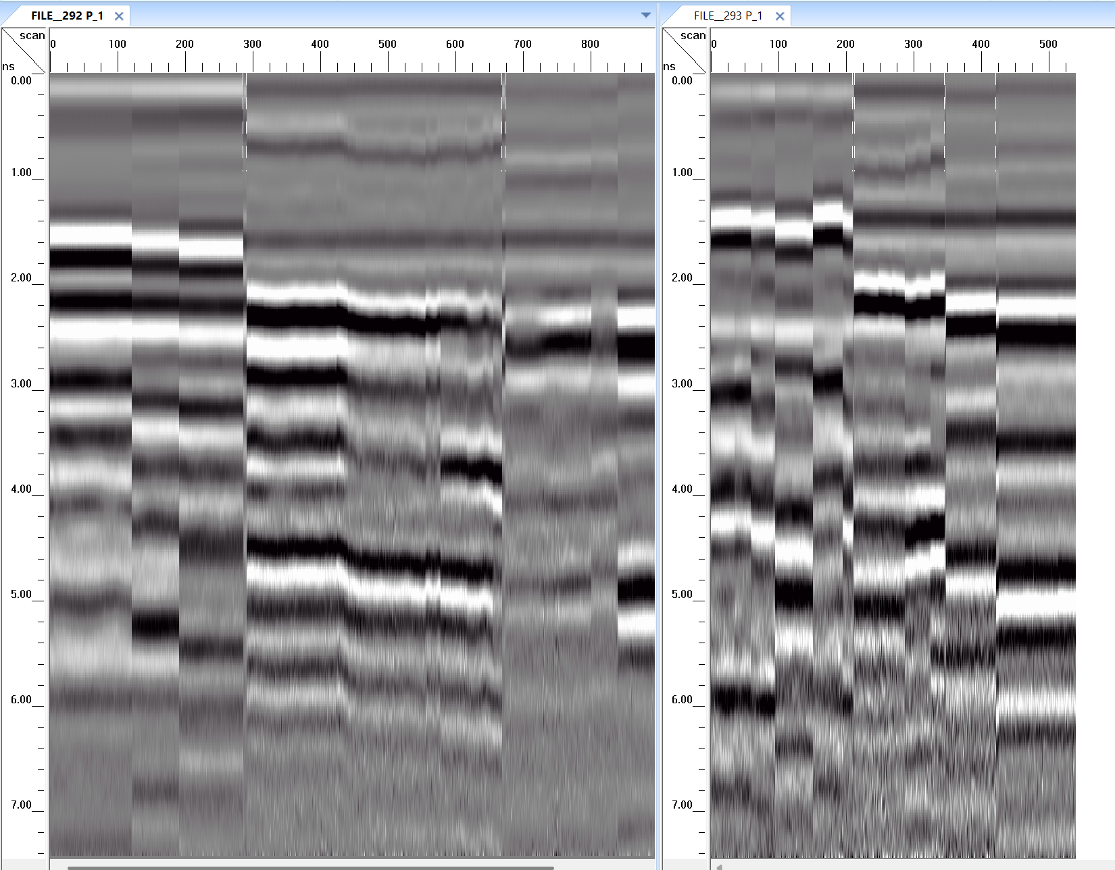
9.21.2025 | P3 F-292 | 1977.9 | 3.7301582022 | 0 | 25 | 1823.8 | 1.3490420316 | 0 | 24.8 | 1847 | 1.6667622958 | 0 | 25.3 | 1. tw=8.28 ns. 2. GPR scan order for all tests: soil -> leaves -> mulch. | 1996.4333333 | 4.0 | 0.000 | 1819.4333333 | 1.3 | 0.000 | 1849.9 | 1.7 | 0.000
 |  | 2012.8 | 4.3232698292 | 0 | 24.9 | 1828.6 | 1.4130569176 | 0 | 24.9 | 1852.7 | 1.7478446059 | 0 | 25.3 |  | 1988.7 | 3.9 | 0.000 | 1819.3666667 | 1.3 | 0.000 | 1845.0333333 | 1.6 | 0.000
 |  | 2029.6 | 4.6116101694 | 0 | 24.7 |  |  |  |  | 1849.5 | 1.7021874081 | 0 | 25.5 |  | 2552.6333333 | 14.3 | 0.117 | 1917.4333333 | 2.7 | 0.027 | 1932.0666667 | 3.0 | 0.000
9.22.2025 | 293 | 1979.9 | 3.7638755201 | 0 | 23.3 | 1822.3 | 1.3292328441 | 0 | 22.9 | 1851.4 | 1.7292544593 | 0 | 22.5 | 1. tw=8.28 ns. 2. There is a extra division line mistakenly added for the mulch scan. | 2404.8666667 | 11.3 | 0.088 | 1823.7333333 | 1.3 | 0.000 | 1868.6 | 2.0 | 0.000
 |  | 2005.9 | 4.205301274 | 0 | 23.3 | 1817.8 | 1.2703784719 | 0 | 23 | 1845 | 1.6385797755 | 0 | 22.5 |  | 2386.4 | 10.9 | 0.073 | 1826.0333333 | 1.4 | 0.000 | 1891.9 | 2.4 | 0.000
 |  | 2003.5 | 4.1643402455 | 0 | 23.3 | 1818.2 | 1.2755746864 | 0 | 23.1 | 1853.3 | 1.7564438258 | 0 | 22.6 |  | 2296.3333333 | 9.3 | 0.061 | 1822.1333333 | 1.3 | 0.000 | 1846.6333333 | 1.7 | 0.000
9.23.2025 | 294 | 1974.8 | 3.6779734489 | 0 | 24 | 1819.3 | 1.289900031 | 0 | 23.4 | 1845.2 | 1.6413916548 | 0 | 23.4 | 1. tw changed to 10.33 ns in GPR scan from now on. | 2244.8 | 8.3 | 0.057 | 1824.9 | 1.4 | 0.000 | 1842.3 | 1.6 | 0.000
 |  | 1998.5 | 4.0791322041 | 0 | 24 | 1821.2 | 1.3147663272 | 0 | 23.5 | 1843.9 | 1.6231399547 | 0 | 23.4 |  | 2245.5333333 | 8.4 | 0.064 | 1817.9333333 | 1.3 | 0.000 | 1838.9666667 | 1.6 | 0.000
 |  | 1992.8 | 3.9822190957 | 0 | 24 | 1817.6 | 1.2677829755 | 0 | 23.6 | 1846 | 1.65265337 | 0 | 23.8 |  | 2223.5 | 8.0 | 0.056 | 1826.0333333 | 1.4 | 0.000 | 1842.7666667 | 1.6 | 0.000
9.24.2025 | 295 | 2472.5 | 12.534788239 | 0.095 | 21.3 | 1952.2 | 3.3007143557 | 0.027 | 21.5 | 1938.3 | 3.0719387929 | 0 | 21.7 |  | 2063.3 | 5.2 | 0.027 | 1818.7666667 | 1.3 | 0.000 | 1843.5666667 | 1.6 | 0.000
 |  | 2595.4 | 15.252661776 | 0.121 | 21.3 | 1892.4 | 2.3402440476 | 0.025 | 21.4 | 1943.3 | 3.1539115872 | 0 | 21.7
 |  | 2590 | 15.121189529 | 0.136 | 21.2 | 1907.7 | 2.5794626865 | 0.03 | 21.4 | 1914.6 | 2.688992127 | 0 | 21.6
9.25.2025 | 296 | 2313.7 | 9.5583366096 | 0.078 | 21.7 | 1824 | 1.3516903676 | 0 | 21.6 | 1876.9 | 2.1036540901 | 0 | 21.3
 |  | 2479.9 | 12.68486527 | 0.087 | 21.5 | 1823.7 | 1.3477184889 | 0 | 21.6 | 1868.5 | 1.9781486234 | 0 | 21.3
 |  | 2421 | 11.525096818 | 0.098 | 21.4 | 1823.5 | 1.3450726558 | 0 | 21.7 | 1860.4 | 1.8590983261 | 0 | 21.3
9.26.2025 | 297 | 2396.2 | 11.057085902 | 0.067 | 23.5 | 1825.5 | 1.3716058092 | 0 | 21.8 | 1963.9 | 3.4952815683 | 0 | 21
 |  | 2418.1 | 11.469830903 | 0.076 | 23.3 | 1825.9 | 1.3769322865 | 0 | 22.7 | 1868.5 | 1.9781486234 | 0 | 21.1
Soil RAW
Soil Conductivity
 |  | 2344.9 | 10.11671397 | 0.075 | 23.2 | 1826.7 | 1.3876049341 | 0 | 21.6 | 1843.3 | 1.6147365226 | 0 | 21.2
9.27.2025 | 298 | 2244.7 | 8.3449552164 | 0.061 | 23.1 | 1822.3 | 1.3292328441 | 0 | 22.1 | 1848.8 | 1.6922465323 | 0 | 21.4
 |  | 2319.5 | 9.6615373186 | 0.052 | 23.1 | 1822.4 | 1.3305505172 | 0 | 22.2 | 1839.4 | 1.5604334024 | 0 | 21.5
 |  | 2324.8 | 9.7560641956 | 0.071 | 23.1 | 1821.7 | 1.3213356679 | 0 | 22.5 | 1851.7 | 1.733539432 | 0 | 21.9
9.28.2025 | 299 | 2286.9 | 9.0843461306 | 0.068 | 22.9 | 1827.2 | 1.3942886178 | 0 | 21.8 | 1838 | 1.5410769559 | 0 | 21
 |  | 2235.8 | 8.1897376537 | 0.055 | 23 | 1825.7 | 1.3742682253 | 0 | 22.1 | 1843.9 | 1.6231399547 | 0 | 21.2
 |  | 2211.7 | 7.7701827273 | 0.049 | 23.1 | 1821.8 | 1.3226508073 | 0 | 22.3 | 1845 | 1.6385797755 | 0 | 21.5
9.29.2025 | 300 | 2223.4 | 7.9737519932 | 0.057 | 26.4 | 1816.6 | 1.2548317014 | 0 | 25.9 | 1840.4 | 1.5743040665 | 0 | 24.9
 |  | 2223.7 | 7.9789742768 | 0.067 | 26.4 | 1818.8 | 1.2833820254 | 0 | 26 | 1841.7 | 1.592391016 | 0 | 25.1
 |  | 2289.5 | 9.1301476963 | 0.067 | 26.4 | 1818.4 | 1.2781753996 | 0 | 26.2 | 1834.8 | 1.4971112644 | 0 | 25.4
9.30.2025 | 301 | 2186.4 | 7.3304488748 | 0.042 | 24.4 | 1824 | 1.3516903676 | 0 | 23.5 | 1843.2 | 1.6133372114 | 0 | 22.4
 |  | 2235.7 | 8.1879946501 | 0.076 | 24.2 | 1828.3 | 1.4090284677 | 0 | 23.7 | 1846.2 | 1.6554723373 | 0 | 22.8
 |  | 2248.4 | 8.409541241 | 0.051 | 24 | 1825.8 | 1.3756000504 | 0 | 24 | 1838.9 | 1.5535119859 | 0 | 23
10.1.2025 | 305 | 2012.6 | 4.3198463562 | 0.022 | 22.2 | 1817.3 | 1.2638930014 | 0 | 21.9 | 1846.4 | 1.6582927157 | 0 | 20.3 | The last portion of mulch scan is not accurate.
 |  | 2092.8 | 5.7048675196 | 0.03 | 22.3 | 1817.4 | 1.2651892229 | 0 | 22 | 1845.6 | 1.6470196772 | 0 | 20.5
 |  | 2084.5 | 5.5608529591 | 0.029 | 22.3 | 1821.6 | 1.3200209519 | 0 | 22.1 | 1838.7 | 1.550746028 | 0 | 20.7

