contact
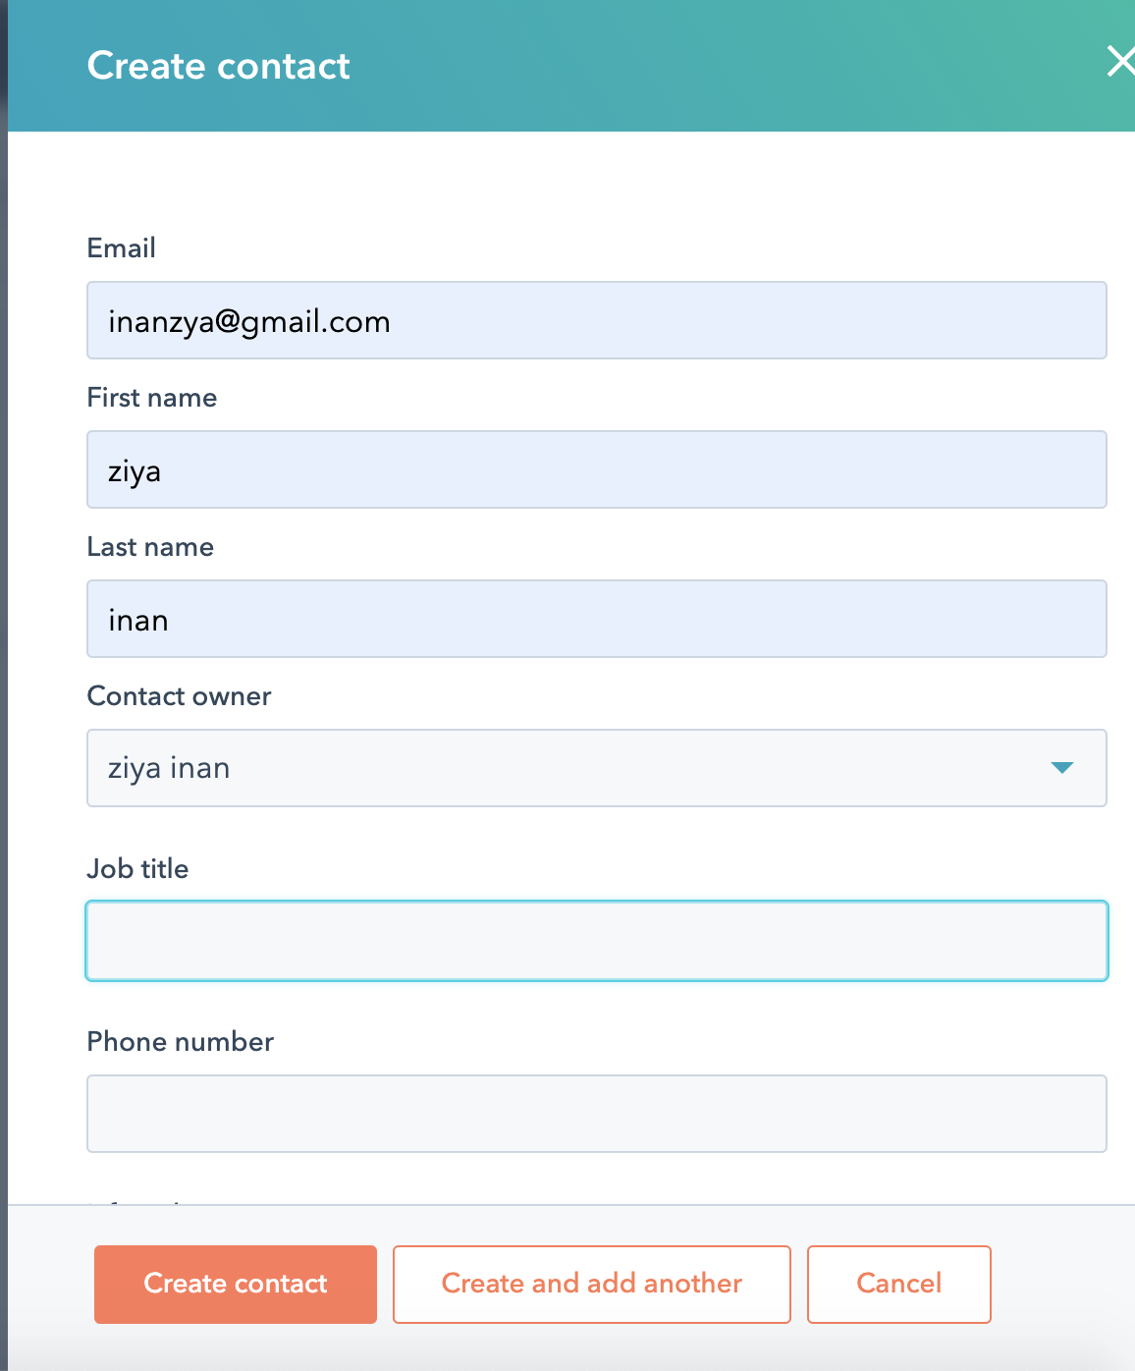
email | firstname | lastname | jobtitle
ahmet@gmail.com | Ahmet | N1 | QA Analyst
bilal@gmail.com | Bilal | N2 | eveloper
hatice@gmail.com | Hatice | N3 | Manager

