Sheet1
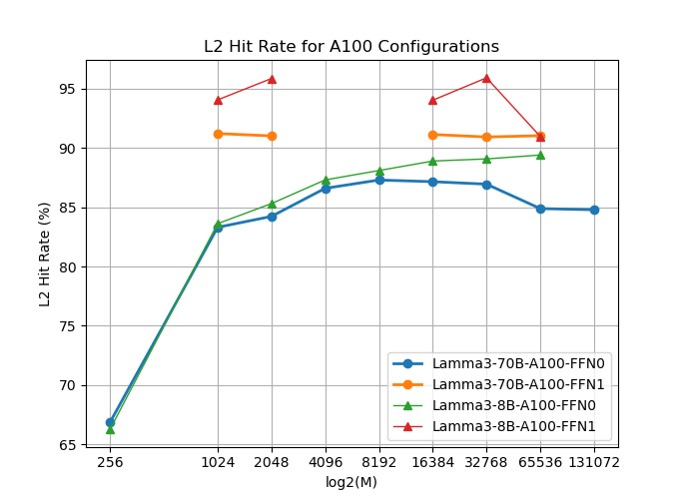
Lamma3-70B-A40-FFN0
M | 256 | 1024 | 2048 | 4096 | 8192 | 16384 | 32768 | 65536 | 131072
L2 hit rate | 72.32 | 86.93 | 89.35 | 90.61 | 90.16 | 86.26 | 81.05 | 76.47 | 74.84

Lamma3-70B-A40-FFN1
M | 256 | 1024 | 2048 | 4096 | 8192 | 16384 | 32768 | 65536 | 131072
L2 hit rate |  | 91.56 | 91.56 |  |  | 91.56 | 91.56 | 91.56

Lamma3-8B-A40-FFN0
M | 256 | 1024 | 2048 | 4096 | 8192 | 16384 | 32768 | 65536 | 131072
L2 hit rate | 72.1 | 87.28 | 89.2 | 90.76 | 91.21 | 91.15 | 88.52 | 82.88 | 77.18

Lamma3-8B-A40-FFN1
M | 256 | 1024 | 2048 | 4096 | 8192 | 16384 | 32768 | 65536 | 131072
L2 hit rate |  | 87.36 |  | 89.36 |  | 91.48 | 89.69 | 83.31

Lamma3-70B-A100-FFN0
M | 256 | 1024 | 2048 | 4096 | 8192 | 16384 | 32768 | 65536 | 131072
L2 hit rate | 66.87 | 83.31 | 84.23 | 86.6 | 87.3 | 87.16 | 86.95 | 84.89 | 84.79

Lamma3-70B-A100-FFN1
M | 256 | 1024 | 2048 | 4096 | 8192 | 16384 | 32768 | 65536 | 131072
L2 hit rate |  | 91.22 | 91.02 |  |  | 91.14 | 90.93 | 91.04

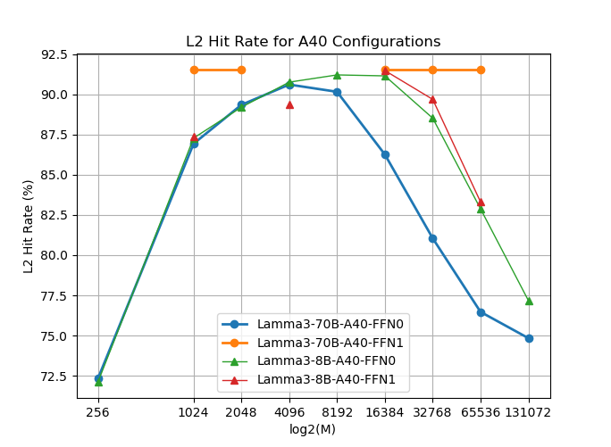
Lamma3-8B-A100-FFN0
M | 256 | 1024 | 2048 | 4096 | 8192 | 16384 | 32768 | 65536 | 131072
L2 hit rate | 66.28 | 83.62 | 85.31 | 87.31 | 88.1 | 88.9 | 89.08 | 89.41

Lamma3-8B-A100-FFN1
M | 256 | 1024 | 2048 | 4096 | 8192 | 16384 | 32768 | 65536 | 131072
L2 hit rate |  | 94.06 | 95.86 |  |  | 94.03 | 95.92 | 90.97

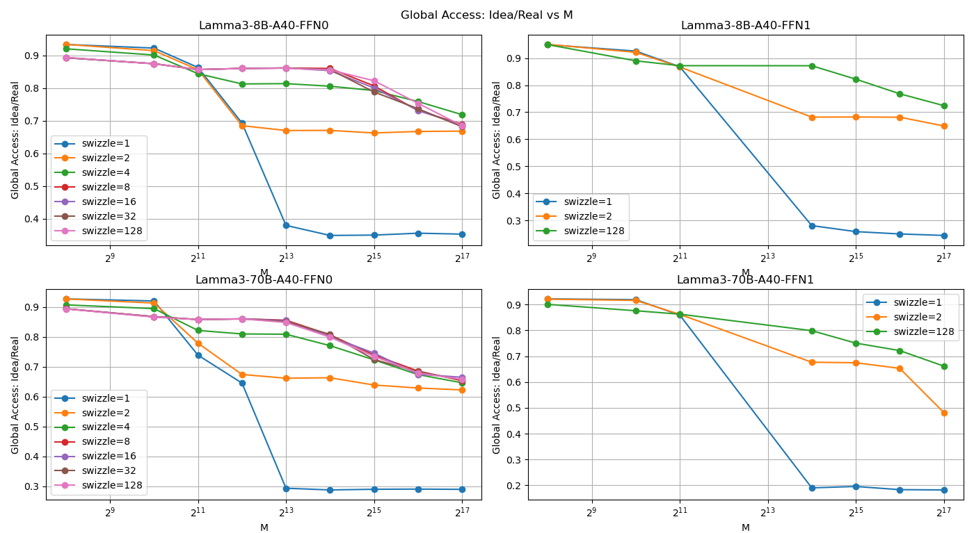
Lamma3-8B-A40-FFN0
M |  | 256 | 1024 | 2048 | 4096 | 8192 | 16384 | 32768 | 65536 | 131072
global access:idea/real | swizzle=1 | 0.93317911297 | 0.92214278627 | 0.86287840649 | 0.69293906314 | 0.37966923256 | 0.34899184056 | 0.34997963095 | 0.3558230283 | 0.35297425621
 | swizzle=2 | 0.9334646442 | 0.91433999641 | 0.85608458077 | 0.68479264244 | 0.66994722011 | 0.6703269542 | 0.66248137708 | 0.66701462299 | 0.66814974555
 | swizzle=4 | 0.9199590169 | 0.90084482038 | 0.84387666649 | 0.81241990005 | 0.81340246685 | 0.80550237257 | 0.79220224116 | 0.75873337081 | 0.71854105407
 | swizzle=8 | 0.89266223108 | 0.87428225285 | 0.85635776873 | 0.85994068745 | 0.86122088244 | 0.85984087822 | 0.80659707253 | 0.73089167252 | 0.68937593521
 | swizzle=16 | 0.8926907842 | 0.87439062493 | 0.85634397136 | 0.85994068745 | 0.86122088244 | 0.85313242073 | 0.80006918389 | 0.73181136826 | 0.68615857969
 | swizzle=32 | 0.89271933733 | 0.87427654905 | 0.85621151659 | 0.85994068745 | 0.86122088244 | 0.85682207235 | 0.7878503154 | 0.73666067307 | 0.6816459252
 | swizzle=128 | 0.8935473779 | 0.87401417454 | 0.85624463028 | 0.85994068745 | 0.86054738363 | 0.85548038086 | 0.82216357622 | 0.75321519637 | 0.68469614536

Lamma3-8B-A40-FFN1
M |  | 256 | 1024 | 2048 | 16384 | 32768 | 65536 | 131072
global access:idea/real | swizzle=1 | 0.94967178298 | 0.92593971234 | 0.86814335414 | 0.28085724902 | 0.25863062418 | 0.25000259003 | 0.24451177706
 | swizzle=2 | 0.95077329131 | 0.92144843741 | 0.86721648098 | 0.68184011825 | 0.68234668744 | 0.68158452638 | 0.64925710684
 | swizzle=128 | 0.94978773123 | 0.8899344659 | 0.87203231293 | 0.87181508168 | 0.82217468114 | 0.76808694035 | 0.72439149777

Lamma3-70B-A40-FFN0
M |  | 256 | 1024 | 2048 | 4096 | 8192 | 16384 | 32768 | 65536 | 131072
global access:idea/real | swizzle=1 | 0.92651470811 | 0.91966311289 | 0.73850747124 | 0.64514076493 | 0.29364366327 | 0.28797149444 | 0.29020404629 | 0.29077480175 | 0.28992369919
 | swizzle=2 | 0.92655029297 | 0.91255038678 | 0.77842744118 | 0.67392709905 | 0.66138483411 | 0.66296871213 | 0.63862150261 | 0.62869434664 | 0.62232058861
 | swizzle=4 | 0.90660141902 | 0.8940572989 | 0.8211005125 | 0.80939220082 | 0.80838050541 | 0.77023029916 | 0.72275106217 | 0.67344996864 | 0.64616744935
 | swizzle=8 | 0.89352754052 | 0.8670289397 | 0.85757910572 | 0.85985295122 | 0.85541912023 | 0.80612360715 | 0.73915945765 | 0.68542095048 | 0.65302550633
 | swizzle=16 | 0.89332826529 | 0.8670289397 | 0.85757910572 | 0.86019161398 | 0.85390716475 | 0.80076889454 | 0.74538045238 | 0.67447188172 | 0.66461541418
 | swizzle=32 | 0.89347772171 | 0.8670289397 | 0.85757910572 | 0.85951428847 | 0.85121924391 | 0.80779695484 | 0.72408711473 | 0.68266804177 | 0.65604805424
 | swizzle=128 | 0.8930934052 | 0.86560639447 | 0.85757910572 | 0.85985295122 | 0.8476913478 | 0.79884454469 | 0.73431626713 | 0.67885150923 | 0.65778862494

Lamma3-70B-A40-FFN1
M |  | 256 | 1024 | 2048 | 16384 | 32768 | 65536 | 131072
global access:idea/real | swizzle=1 | 0.92215466033 | 0.91918089868 | 0.85952112816 | 0.19005097271 | 0.1953863411 | 0.18305060181 | 0.18195427565
 | swizzle=2 | 0.9211221107 | 0.91631873086 | 0.86229021735 | 0.67671566128 | 0.67475111245 | 0.65296674214 | 0.4820213389
 | swizzle=128 | 0.900901347 | 0.87624838143 | 0.86298248964 | 0.79905495194 | 0.75078944133 | 0.72182038352 | 0.66176390998

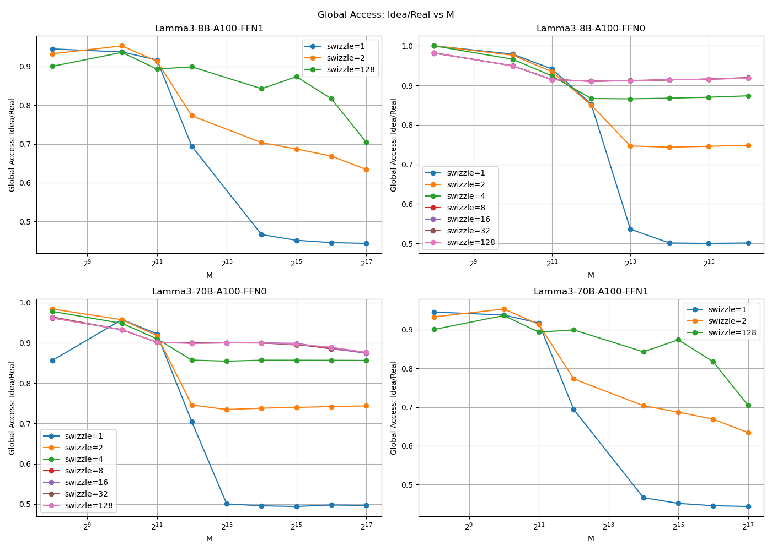
Lamma3-8B-A100-FFN1
M |  | 256 | 1024 | 2048 | 4096 | 16384 | 32768 | 65536 | 131072
global access:idea/real | swizzle=1 | 0.94538702714 | 0.93758177557 | 0.91697972881 | 0.69420269339 | 0.46619784475 | 0.45150660958 | 0.44548301563 | 0.44350282769
 | swizzle=2 | 0.93291038571 | 0.95327074845 | 0.91351836733 | 0.7728808245 | 0.70355626219 | 0.68705328272 | 0.66882216489 | 0.63430309383
 | swizzle=128 | 0.90051414088 | 0.93635962991 | 0.89344247071 | 0.89924267142 | 0.84263937598 | 0.8737271702 | 0.81699486557 | 0.70465309308

Lamma3-8B-A100-FFN0
M |  | 256 | 1024 | 2048 | 4096 | 8192 | 16384 | 32768 | 65536
global access:idea/real | swizzle=1 | 1 | 0.97904383281 | 0.94155653759 | 0.85315200354 | 0.53592095671 | 0.50093840265 | 0.49995368801 | 0.5009677377
 | swizzle=2 | 1 | 0.97640868009 | 0.93482893926 | 0.85043652997 | 0.74672608456 | 0.74344914082 | 0.74583749361 | 0.74819867416
 | swizzle=4 | 1 | 0.96625022341 | 0.92407526793 | 0.86672937137 | 0.86593537411 | 0.86755560433 | 0.87003475962 | 0.87352812081
 | swizzle=8 | 0.98231903807 | 0.94952670011 | 0.91470409323 | 0.91003710154 | 0.91240679207 | 0.913843961 | 0.91589736189 | 0.91809155981
 | swizzle=16 | 0.9814909975 | 0.94972062909 | 0.91496072434 | 0.91073090503 | 0.91173329326 | 0.91417938387 | 0.91589736189 | 0.91825877722
 | swizzle=32 | 0.98183363498 | 0.94932706732 | 0.91441434843 | 0.91095085839 | 0.91173329326 | 0.913843961 | 0.91606474365 | 0.91976373389
 | swizzle=128 | 0.98191929435 | 0.9493498825 | 0.9144281458 | 0.91052317131 | 0.91173329326 | 0.91417938387 | 0.91589736189 | 0.91758990759

Lamma3-70B-A100-FFN0
M |  | 256 | 1024 | 2048 | 4096 | 8192 | 16384 | 32768 | 65536 | 131072
global access:idea/real | swizzle=1 | 0.85634847613 | 0.95781150809 | 0.92227698804 | 0.70440674695 | 0.50078156352 | 0.49588494512 | 0.49432782627 | 0.4980146041 | 0.49672851168
 | swizzle=2 | 0.98401984599 | 0.95738758961 | 0.91814733598 | 0.74606226574 | 0.73463067718 | 0.7380183561 | 0.7399944905 | 0.74202242211 | 0.74374363394
 | swizzle=4 | 0.9779846533 | 0.94839425872 | 0.90988803185 | 0.85714364919 | 0.85457914496 | 0.85690970959 | 0.85681558611 | 0.85666438584 | 0.85630748712
 | swizzle=8 | 0.96167966928 | 0.93246601988 | 0.90162872773 | 0.89947649349 | 0.89993780925 | 0.8997474105 | 0.89681365958 | 0.88500683239 | 0.87611038721
 | swizzle=16 | 0.96229884589 | 0.93246601988 | 0.90162872773 | 0.89947649349 | 0.89993780925 | 0.89991474526 | 0.89869248349 | 0.88636243138 | 0.87402587141
 | swizzle=32 | 0.96422042847 | 0.93246601988 | 0.90162872773 | 0.89981515624 | 0.89993780925 | 0.89983107788 | 0.89464257417 | 0.88873994345 | 0.87611038721
 | swizzle=128 | 0.96193588029 | 0.93246601988 | 0.90162872773 | 0.89846050523 | 0.89993780925 | 0.89983107788 | 0.89685541122 | 0.88873994345 | 0.87611038721

Lamma3-70B-A100-FFN1
M |  | 256 | 1024 | 2048 | 4096 | 16384 | 32768 | 65536 | 131072
global access:idea/real | swizzle=1 | 0.94538702714 | 0.93758177557 | 0.91697972881 | 0.69420269339 | 0.46619784475 | 0.45150660958 | 0.44548301563 | 0.44350282769
 | swizzle=2 | 0.93291038571 | 0.95327074845 | 0.91351836733 | 0.7728808245 | 0.70355626219 | 0.68705328272 | 0.66882216489 | 0.63430309383
 | swizzle=128 | 0.90051414088 | 0.93635962991 | 0.89344247071 | 0.89924267142 | 0.84263937598 | 0.8737271702 | 0.81699486557 | 0.70465309308

