Summary
Main Findings of comparing France and India Covide Data:
1. France daily confirmed cases are trending down per the Daily confirmed chart as vaccine rollout begains at Q1 (see figure 1 below for vaccined numbers)
2 India daily confimred numbers surge began around mid-March and reached all time high at 414,188 on 05/06/2021.
3. The github source file seems not showing the correct France recovery data (Total Recovered: Source - 371,478, Worldometer - 4.87m）
4. There were number of adjustments been made to the France Covid data as table 1 below shows negetive daily confirmed cases

See Chart sheet.

 | France | India
Total Confirmed | 5,838,294.00 | 22,296,414.00
Total Deaths | 106,553.00 | 242,362.00
Total Recovered | 371,478.00 | 18,317,404.00
Death Rate | 1.83% | 1.09%
Recovered | 6.36% | 82.15% | The total recovered number for France is significant lower than other data sources (Worldometer - 4.87m - 05/10/2021)
Last Daily Confirmed | 20,745.00 | 403,405.00
Last Daily Deaths | 176.00 | 4,077.00
Last Daily Recovered | 1,178.00 | 386,404.00

Stats for the last 7 Days
Date | Total_Confirmed_France | Daily_Confirmed_France | Total_Confirmed_India | Daily_Confirmed_India | Total_Death_France | Daily_Death_France | Total_Death_India | Daily_Death_India | Total_Recovered_France | Daily_Recovered_France | Total_Recovered_India | Daily_Recovered_India
2021-05-03 | 5,717,160 | 3,767 | 20,282,833 | 357,316 | 105,291 | 311 | 222,408 | 3,449 | 363,041 | 998 | 16,613,292 | 320,567
2021-05-04 | 5,741,537 | 24,377 | 20,664,979 | 382,146 | 105,548 | 257 | 226,188 | 3,780 | 364,859 | 1,818 | 16,951,521 | 338,229
2021-05-05 | 5,767,541 | 26,004 | 21,077,410 | 412,431 | 105,792 | 244 | 230,168 | 3,980 | 366,782 | 1,923 | 17,280,844 | 329,323
2021-05-06 | 5,789,283 | 21,742 | 21,491,598 | 414,188 | 106,011 | 219 | 234,083 | 3,915 | 368,373 | 1,591 | 17,612,351 | 331,507
2021-05-07 | 5,808,421 | 19,138 | 21,892,676 | 401,078 | 106,262 | 251 | 238,270 | 4,187 | 369,898 | 1,525 | 17,930,960 | 318,609
2021-05-08 | 5,829,166 | 20,745 | 22,296,081 | 403,405 | 106,438 | 176 | 242,347 | 4,077 | 371,076 | 1,178 | 18,317,364 | 386,404
2021-05-09 | 5,838,294 | 9,128 | 22,296,414 | 333 | 106,553 | 115 | 242,362 | 15 | 371,478 | 402 | 18,317,404 | 40

Descriptive Statistics
 | Total_Confirmed_France | Daily_Confirmed_France | Total_Confirmed_India | Daily_Confirmed_India | Total_Death_France | Daily_Death_France | Total_Death_India | Daily_Death_India | Total_Recovered_France | Daily_Recovered_France | Total_Recovered_India | Daily_Recovered_India
count | 474 | 474 | 474 | 474 | 474 | 474 | 474 | 474 | 474 | 474 | 474 | 474
min | - | (46,076) | - | - | - | (217) | - | (1) | - | (518) | - | -
max | 5,838,294 | 117,900 | 22,296,414 | 414,188 | 106,553 | 1,438 | 242,362 | 4,187 | 371,478 | 14,216 | 18,317,404 | 386,404

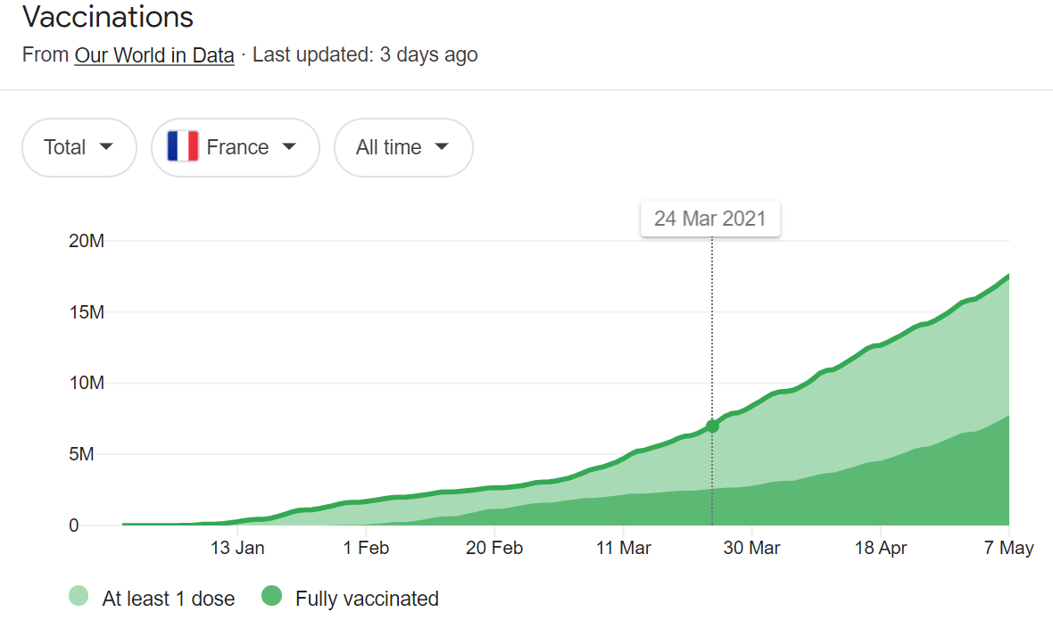

Figre 1

Date | Daily_Confirmed_France
2020-04-04 | (17,074)
2020-04-07 | (3,491)
2020-04-23 | (1,710)
2020-04-29 | (1,455)
2020-05-24 | (439)
2020-06-02 | (647)
2020-06-03 | (3,226)
2020-06-28 | (406)
2020-11-04 | (46,076)
Table 1

Chart
