SI 2 - CV Distributions 2020
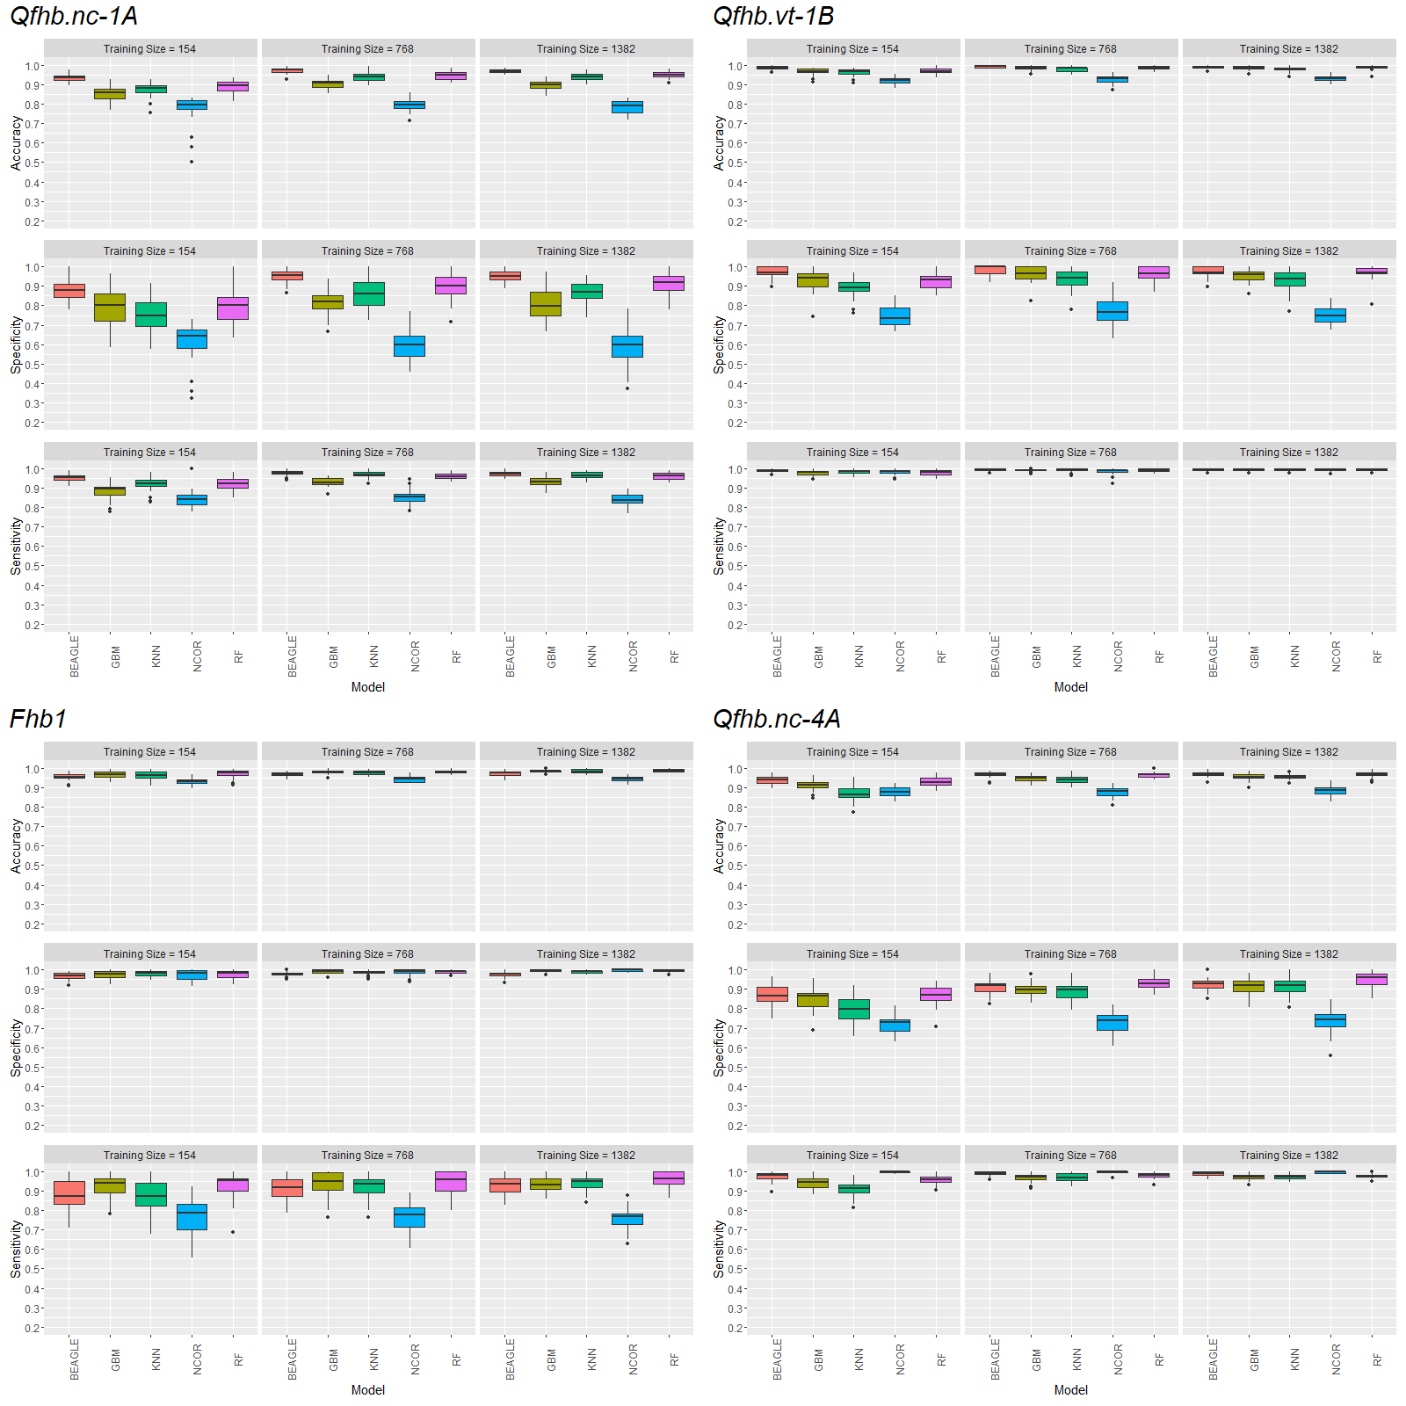
Supplementary Information 2: Visualization of Cross Validation Confusion Matrix Values in 2019-2020. Accuracy, specificity, and sensitivity boxplots of the 30 iterations for 10, 50, and 90% training sizes (denoted by actual number of individuals in training) of the 2020 SunGrains trained model cross validation predictions for Qfhb.nc-1A, Qfhb.vt-1B, Qfhb.nc-4A, and Fhb1. Models; beagle (BEAGLE), gradient boosting machine (GBM), k-nearest neighbor (KNN), naive classification with the most correlated marker (NCOR), and random forest (RF); are denoted by color and listed on the x-axis. Training sizes are denoted by gray banners in each sub graph. The y-axis denotes the response.

SI 3 - CV Distributions 2021
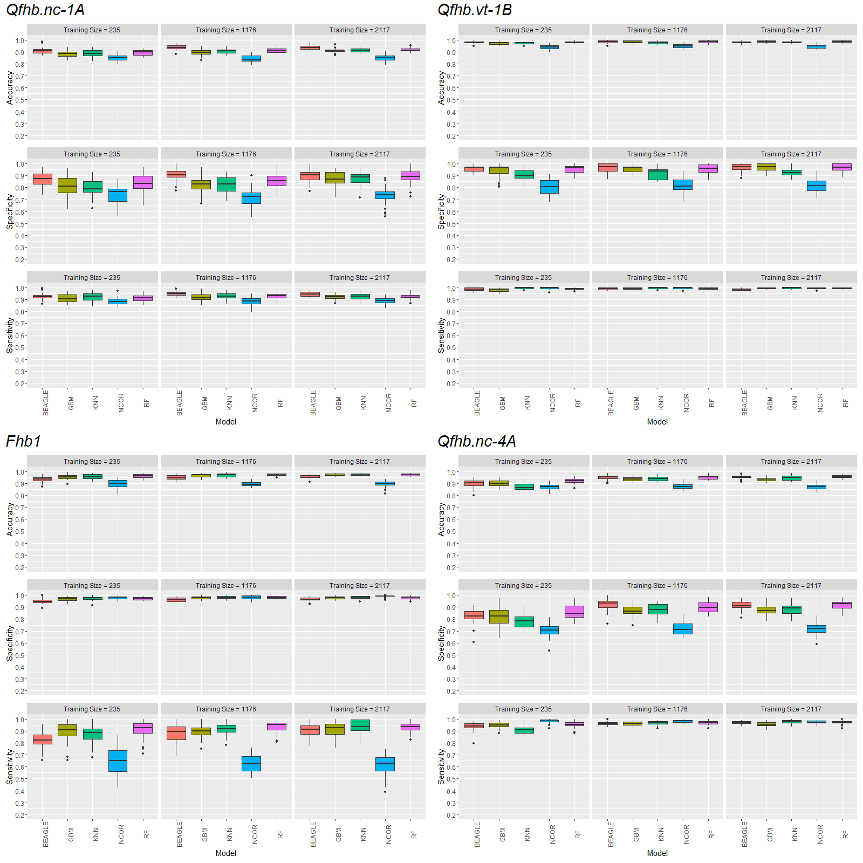
Supplementary Information 3: Visualization of Cross Validation Confusion Matrix Values in 2020-2021. Accuracy, specificity, and sensitivity boxplots of the 30 iterations for 10, 50, and 90% training sizes (denoted by actual number of individuals in training) of the 2021 SunGrains trained model cross validation predictions for Qfhb.nc-1A, Qfhb.vt-1B, Qfhb.nc-4A, and Fhb1. Models; beagle (BEAGLE), gradient boosting machine (GBM), k-nearest neighbor (KNN), naive classification with the most correlated marker (NCOR), and random forest (RF); are denoted by color and listed on the x-axis. Training sizes are denoted by gray banners in each sub graph. The y-axis denotes the response.

SI 5 - LD in 2020 and 2021
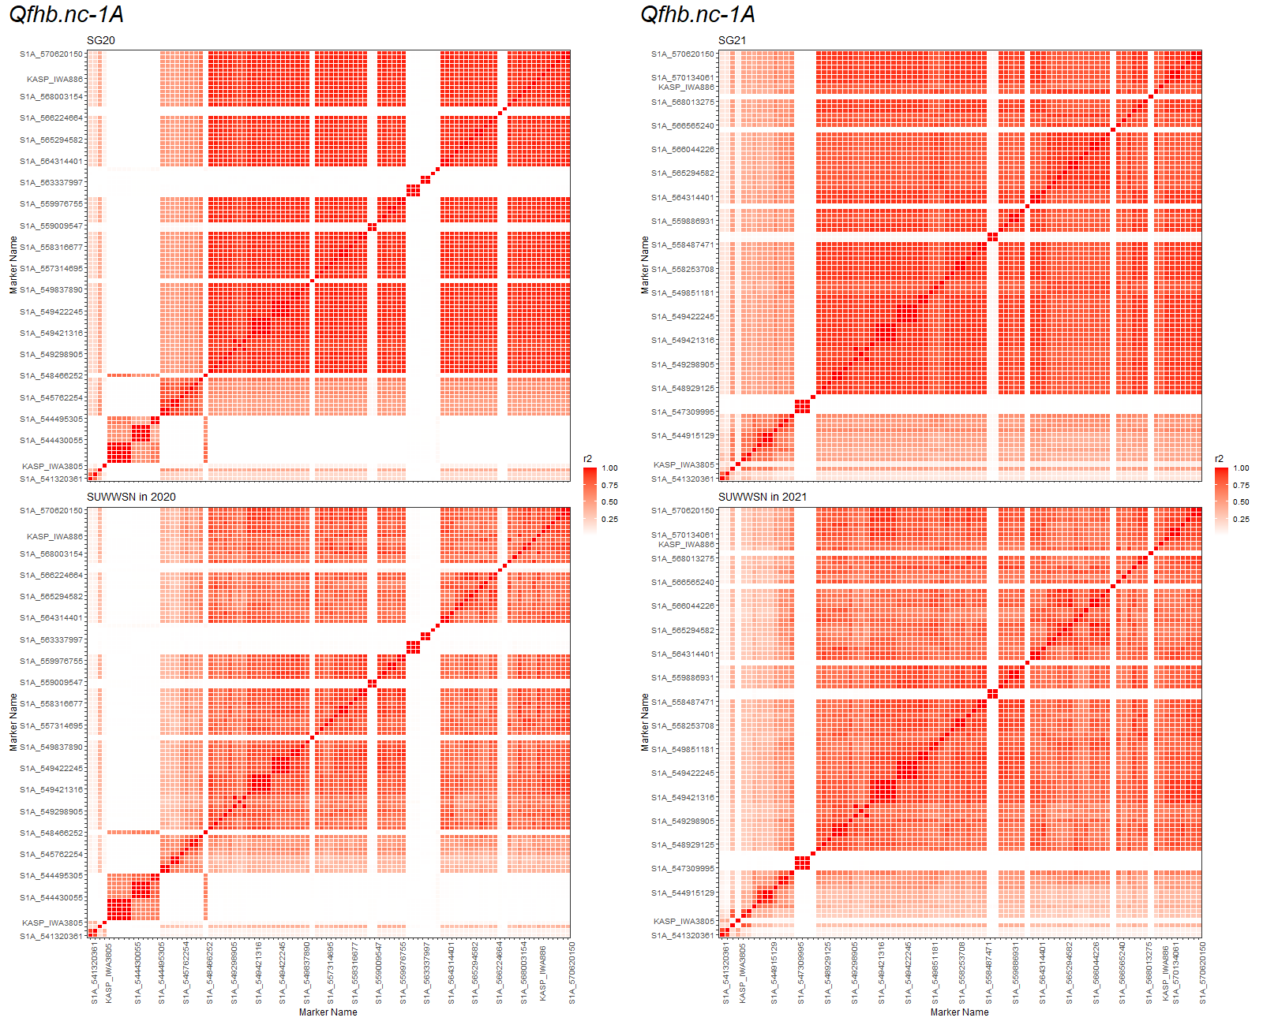
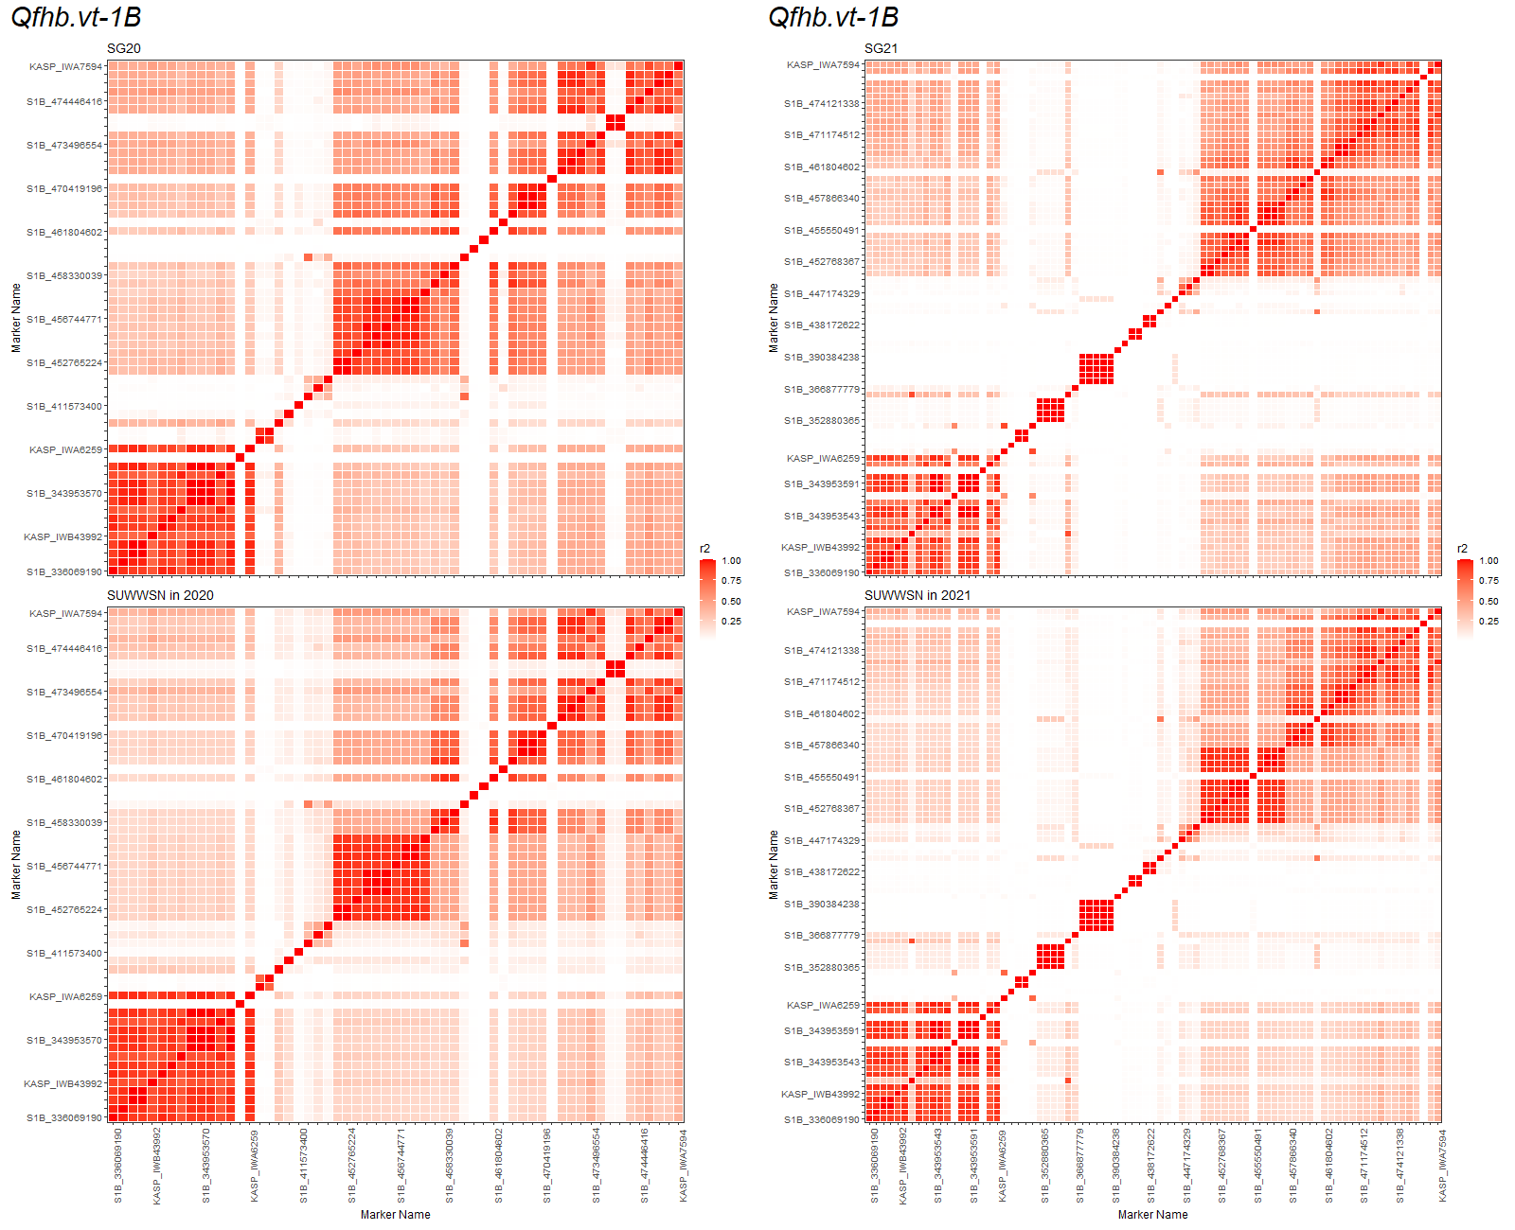
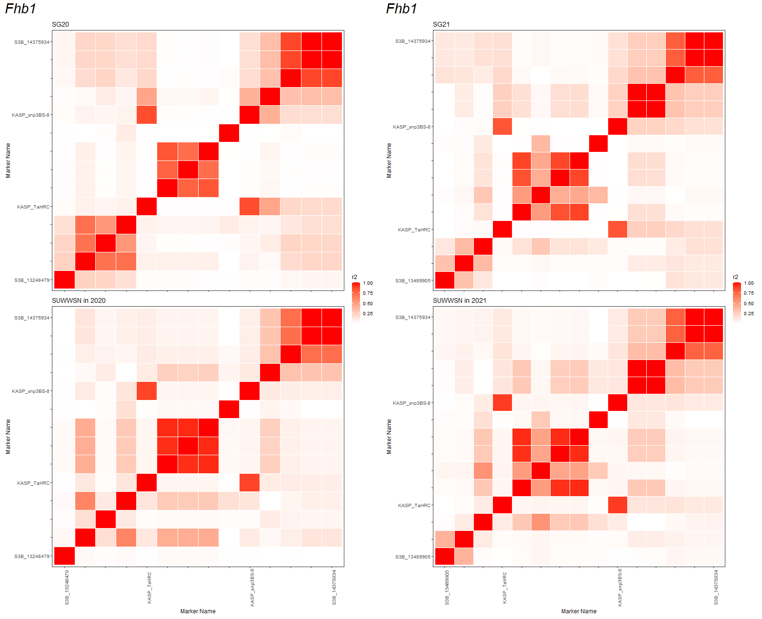
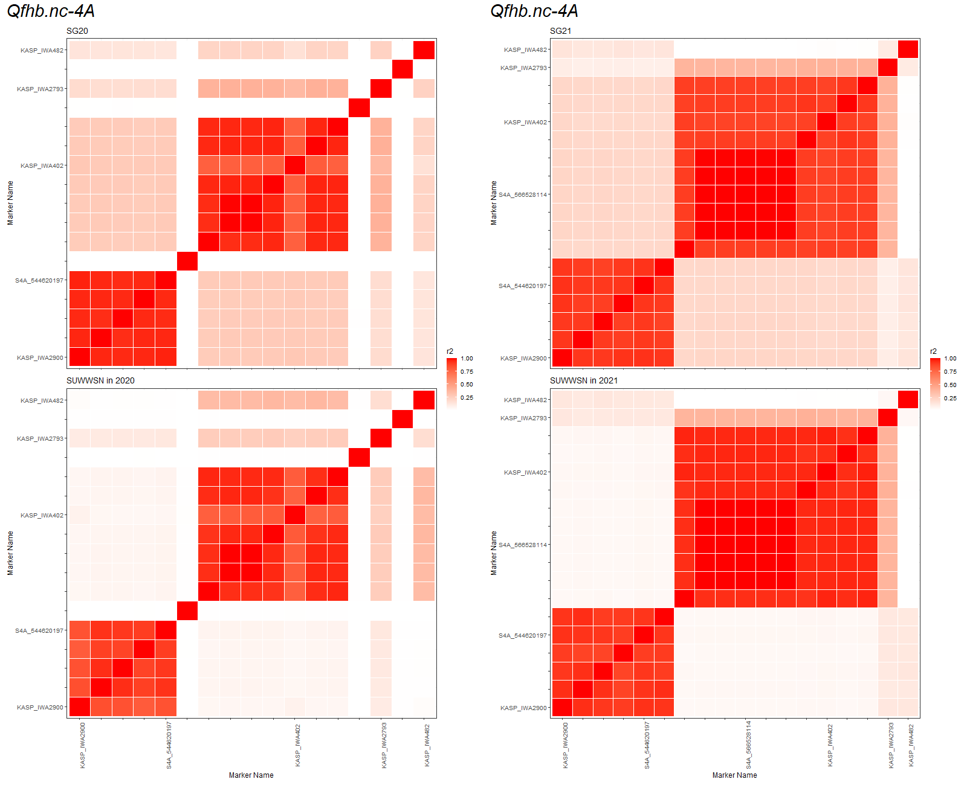
Supplementary Information 5 - Linkage Disequilibrium Analysis Over QTL Regions. Displayed below are linkage disequilibrium heatmaps of QTL regions in the 2020 GBS data and 2021 GBS data. Populations are denoted by names above the matrix. Main titles indicate which QTL the LD plot refers to. Legends identify the scale related to r2 value. Kasp assays in regions are denoted by "KASP" at the begining of their name. GBS markers are denoted by an "S" at the begining of their name. Numbers following the underscore indicate basepair position in the reference genome. All KASP assay names are provided and labeled in figures. Only every fifth GBS marker is show to increase ease of interpretation of the image.

