1 ThermistorTableConversion
Create Table
pullup R: | 4.43 | kOhm |  |  |  |  |  |  | Output Marlin Thermistor Table (note: don't add *OVERSAMPLENR)
V_in | 5 | V
oversampler | 16
R25 | 100 | kOhm (at 25°C)
scale | 1023 | (precision of voltage measurement)

Temp | R (kOhm) | V DC | Reading | Reading - oversampled | T (°C) | RT/R25
0 | 324.32 | 4.9326235741 | 1009.2147833 | 16147 | 0 | 3.2432 | 324.32 | From thermistor datasheet:
5 | 252.7 | 4.913856804 | 1005.3751021 | 16086 | 5 | 2.527 | 252.7 |  | B57560G104F
10 | 198.37 | 4.8907790927 | 1000.6534024 | 16010 | 10 | 1.9837 | 198.37 |  | R/T characteristics: 8304
15 | 156.84 | 4.8626526942 | 994.89874124 | 15918 | 15 | 1.5684 | 156.84 |  | nickel plated wires
20 | 124.83 | 4.8286399505 | 987.93973387 | 15807 | 20 | 1.2483 | 124.83
RT/R25
25 | 100 | 4.7878961984 | 979.60356219 | 15674 | 25 | 1 | 100
30 | 80.63 | 4.7395955796 | 969.72125558 | 15516 | 30 | 0.8063 | 80.63
35 | 65.39 | 4.6827556574 | 958.09180751 | 15329 | 35 | 0.6539 | 65.39
40 | 53.31 | 4.6163837894 | 944.51212331 | 15112 | 40 | 0.5331 | 53.31
45 | 43.69 | 4.5396924356 | 928.82107232 | 14861 | 45 | 0.4369 | 43.69
50 | 35.98 | 4.4518683494 | 910.85226429 | 14574 | 50 | 0.3598 | 35.98
55 | 29.78 | 4.3525285004 | 890.52733119 | 14248 | 55 | 0.2978 | 29.78
60 | 24.75 | 4.2409184373 | 867.69191227 | 13883 | 60 | 0.2475 | 24.75
65 | 20.66 | 4.1171781586 | 842.37465126 | 13478 | 65 | 0.2066 | 20.66
70 | 17.32 | 3.9816091954 | 814.63724138 | 13034 | 70 | 0.1732 | 17.32
75 | 14.57 | 3.8342105263 | 784.47947368 | 12552 | 75 | 0.1457 | 14.57
80 | 12.31 | 3.6768219833 | 752.27777778 | 12036 | 80 | 0.1231 | 12.31
85 | 10.43 | 3.5094212651 | 718.02759085 | 11488 | 85 | 0.1043 | 10.43
90 | 8.86 | 3.3333333333 | 682 | 10912 | 90 | 0.0886 | 8.86
95 | 7.55 | 3.1510851419 | 644.71202003 | 10315 | 95 | 0.0755 | 7.55
R/T
100 | 6.45 | 2.9641544118 | 606.46599265 | 9703 | 100 | 0.0645 | 6.45
105 | 5.53 | 2.7761044177 | 567.99096386 | 9088 | 105 | 0.0553 | 5.53
110 | 4.751 | 2.587408779 | 529.38383618 | 8470 | 110 | 0.04751 | 4.751
115 | 4.0931 | 2.4011803217 | 491.28149382 | 7861 | 115 | 0.040931 | 4.0931
120 | 3.5348 | 2.2190136601 | 454.01019486 | 7264 | 120 | 0.035348 | 3.5348
125 | 3.0602 | 2.0428025954 | 417.95741102 | 6687 | 125 | 0.030602 | 3.0602
130 | 2.6554 | 1.8738532758 | 383.39038022 | 6134 | 130 | 0.026554 | 2.6554
135 | 2.3095 | 1.713406039 | 350.56287558 | 5609 | 135 | 0.023095 | 2.3095
140 | 2.013 | 1.5621604842 | 319.61803508 | 5114 | 140 | 0.02013 | 2.013
145 | 1.7582 | 1.4206069616 | 290.65618435 | 4650 | 145 | 0.017582 | 1.7582
150 | 1.5388 | 1.2890363222 | 263.73683152 | 4220 | 150 | 0.015388 | 1.5388
155 | 1.3568 | 1.1723232184 | 239.85733048 | 3838 | 155 | 0.013568 | 1.3568
160 | 1.1989 | 1.0649505232 | 217.88887705 | 3486 | 160 | 0.011989 | 1.1989
165 | 1.0617 | 0.96664056667 | 197.77465994 | 3164 | 165 | 0.010617 | 1.0617
170 | 0.942 | 0.87676842889 | 179.38682055 | 2870 | 170 | 0.00942 | 0.942
175 | 0.8374 | 0.79488931921 | 162.63435471 | 2602 | 175 | 0.008374 | 0.8374
V/T
180 | 0.7459 | 0.72055101528 | 147.42473773 | 2359 | 180 | 0.007459 | 0.7459
185 | 0.6657 | 0.65319779422 | 133.6442687 | 2138 | 185 | 0.006657 | 0.6657
190 | 0.5951 | 0.59212751985 | 121.14929056 | 1938 | 190 | 0.005951 | 0.5951
195 | 0.5329 | 0.53688367688 | 109.84640029 | 1758 | 195 | 0.005329 | 0.5329
200 | 0.478 | 0.4869600652 | 99.63202934 | 1594 | 200 | 0.00478 | 0.478
205 | 0.4294 | 0.44182409351 | 90.397209532 | 1446 | 205 | 0.004294 | 0.4294
210 | 0.3864 | 0.4011294743 | 82.071090441 | 1313 | 210 | 0.003864 | 0.3864
215 | 0.3483 | 0.36446016366 | 74.568549484 | 1193 | 215 | 0.003483 | 0.3483
220 | 0.3142 | 0.33114118292 | 67.751486025 | 1084 | 220 | 0.003142 | 0.3142
225 | 0.284 | 0.3012303776 | 61.631735257 | 986 | 225 | 0.00284 | 0.284
230 | 0.2571 | 0.27426340381 | 56.11429242 | 898 | 230 | 0.002571 | 0.2571
235 | 0.233 | 0.24983915934 | 51.117092001 | 818 | 235 | 0.00233 | 0.233
240 | 0.2115 | 0.22783582893 | 46.6152106 | 746 | 240 | 0.002115 | 0.2115
245 | 0.1921 | 0.20780597564 | 42.517102616 | 680 | 245 | 0.001921 | 0.1921
250 | 0.1747 | 0.18969748301 | 38.812105023 | 621 | 250 | 0.001747 | 0.1747
255 | 0.1592 | 0.17345071036 | 35.48801534 | 568 | 255 | 0.001592 | 0.1592
260 | 0.1451 | 0.15857576884 | 32.444602304 | 519 | 260 | 0.001451 | 0.1451
265 | 0.1325 | 0.14520547945 | 29.709041096 | 475 | 265 | 0.001325 | 0.1325
270 | 0.121 | 0.13293781586 | 27.199077126 | 435 | 270 | 0.00121 | 0.121
275 | 0.1108 | 0.12200493305 | 24.962209302 | 399 | 275 | 0.001108 | 0.1108
280 | 0.1014 | 0.11188595136 | 22.891865649 | 366 | 280 | 0.001014 | 0.1014
285 | 0.093 | 0.10280787088 | 21.034490382 | 337 | 285 | 0.00093 | 0.093
290 | 0.0853 | 0.094456625252 | 19.325825527 | 309 | 290 | 0.000853 | 0.0853
295 | 0.0783 | 0.08683982876 | 17.767428964 | 284 | 295 | 0.000783 | 0.0783
300 | 0.072 | 0.07996446024 | 16.360728565 | 262 | 300 | 0.00072 | 0.072

1 Instructions & example
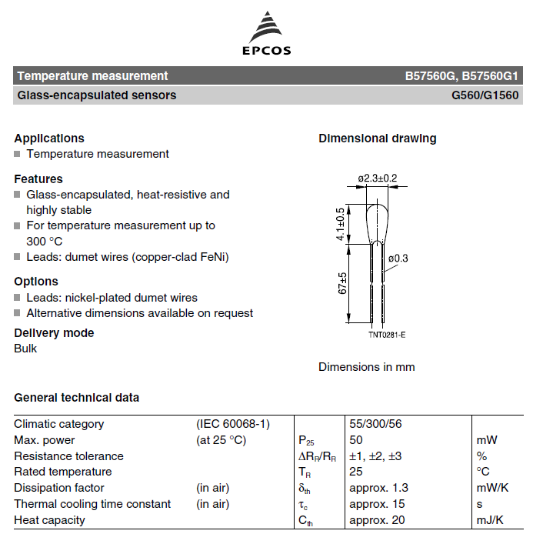
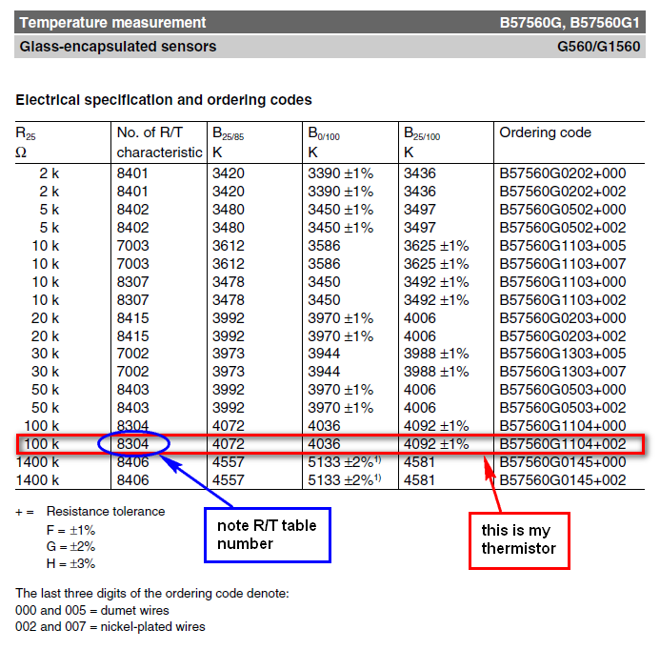
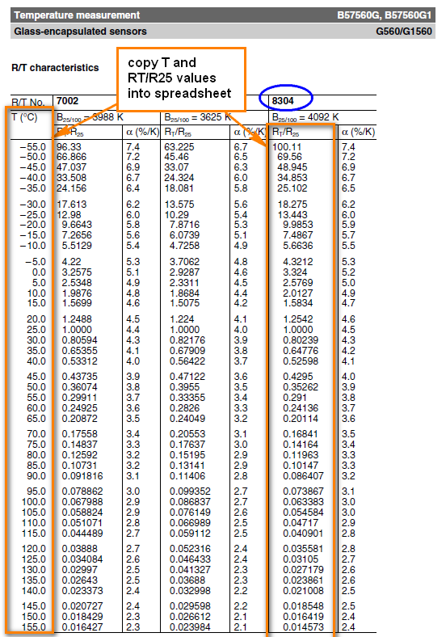
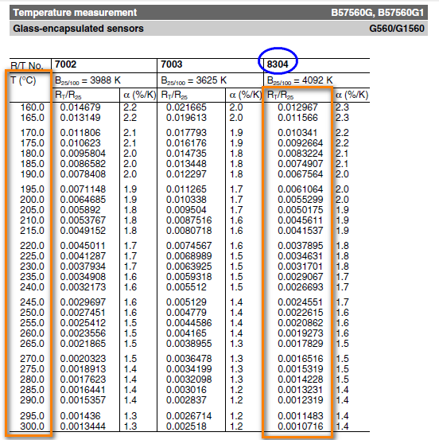
1.) Get your thermistor R/T datasheets from the manufacturer. These should be fairly easy to find on the supplier's website. See example below of how to get your R/T tables (example is from the Epcos 100k thermistor [B57560G104F] that I use for my hot end, very similar to the one originally provided by makergear) - pages below are extracts from the datasheets only.
2.) Copy the R and T values into the main sheet, in the red cells (note: the Alpha [%/k] values aren't required)
3.) enter the value of your pull-up resistor (the resistor used in your voltage divider, which allows you to measure the relative resistance of the thermistor). This is typically 4.7 kOhm. Check the design of your control board (RUMBA, RAMPS, etc), or ask the supplier what the value of this Pullup Resistor is.
4.) Enter the voltage into the voltage divider, Vin (typically 5V, as this is standard logic voltage)
5.) Enter the Oversampling number. For marlin, this is 16 (the thermistor tables in marlin show a measurement value of X * OVERSMAPLENR, but since we include the oversampling here, you just copy the values straight in, as shown on the marlin_table sheet that is generated later). oversampling is used to get greater precision of measurements.
6.) Enter the Thermistor resistance at 25°C, R25. This is the standard value used to specify a thermistor. The resistance of the thermistor at other temperatures is given in the tables relative to R25 (i.e. as a fraction or multiple of R25), so all values in that table get multiplied by this to give the actual resistance, from which the measured voltage is derived. Normally 100kOhm thermistors are used for reprap controls. If you're unsure, just measure the resistance of your thermistor at room temperature, and this will give you a pretty good idea of the nominal resistance.
7.) Enter the precision of the voltage measurement scale. For arduino boards, so for normal reprap applications, this is 1023 (i.e. the analogue measurement splits a voltage of 5V into 1024 increments)
8.) Once you are happy with all of the values in RED BORDERED cells, you can check your READING values at various temperatures, compare them to other tables in Marlin. If the values line up with another thermistor table already in Marlin, great, use that table (note: compare the values in the READING column, column D, since These are the values before teh oversampling factor is applied, and the tables in Marlin include an oversampling Multiplier). Otherwise, add your own table by copying the format of the other tables, and specify the new number that you give it as your thermistor number (in the "configure" code) (or just paste your data over the top of a thermistor table that you aren't using! and comment it accordingly in the code!).
9.) to get a table that you can just copy and paste into your custom Thermistor Table in Marlin, click on the "Create Table" button. This will just create a new sheet with correctly syntaxed data for the table, running from high temp to low temp (as per marlin standard). You can copy and paste these cells directly into the Marlin code.
10.) Remember, at the end of the day, the R25 temp is the most important value, and is easy to measure with a Digital Multimeter. If you don't actually have any technical data about your thermistor, you just need to do the following: a. Measure your thermistor's resistance at room temperature b. Select a thermistor table in your firmware with an appropriate R25 value c. Slowly increase the temperature (using printer control software like Pronterface, etc) until you are able to manually push filament through the hot end and have it melt, extruding out the nozzle. d. This temperature set point can be compared to the theoretical melting point of the filament. If it's close enough, leave the thermistor table as is. If not, select a different table and repeat, or adjust the values in the table so that the Room Temp reading and Melting Point temp line up (i.e. the temperature readings from your printer are roughly what's expected based on the approximate room temperature and melting point of the plastic). e. Now just fine tune your Nozzle Temperature set point (for printing, in your slicer software), as you would normally do regardless of the uncertainty of your thermistor. f. It doesn't matter if you have a bit of an error between your Measured versus Actual temperatures, as long as it is a consistent error, you can still calibrate the printer to run at a set point suitable for that particular filament. You only need to be accurate enough that you can still set reasonable safety limits on your temperature, to prevent damaging the hot end by overtemperature.

2 Thermistor from Beta
Create Table
R0 | 100 | kOhm |  |  |  | pullup R: | 4.7 | kOhm
T0 | 25 | °C | 298.15 | K |  | V_in | 5 | V
B (Beta, B25/100) | 4092 |  |  |  |  | oversampler | 16
T_B | 100 | °C | 373.15 | K |  | R25 | 100 | kOhm (at 25°C)
 |  |  |  |  |  | scale | 1023 | (precision of voltage measurement)

T (°C) | T (K) | R (kOhm) | V DC | Reading | Reading - oversampled
0 | 273.15 | 351.18555363 | 4.933967536 | 1009.4897579 | 16152
5 | 278.15 | 268.27740628 | 4.9139122892 | 1005.3864544 | 16086
10 | 283.15 | 206.90070229 | 4.8889417675 | 1000.2774856 | 16004
15 | 288.15 | 161.01088111 | 4.8581867416 | 993.98500733 | 15904
20 | 293.15 | 126.37569008 | 4.820714276 | 986.31814086 | 15781 |  |  |  | References:
25 | 298.15 | 100 | 4.7755491882 | 977.0773639 | 15633 |  |  |  | http://en.wikipedia.org/wiki/Thermistor
30 | 303.15 | 79.742533969 | 4.7217042301 | 966.06068549 | 15457
35 | 308.15 | 64.057560065 | 4.6582194019 | 953.07168964 | 15249
40 | 313.15 | 51.818908794 | 4.5842099485 | 937.92935546 | 15007
45 | 318.15 | 42.198832282 | 4.498921426 | 920.47932377 | 14728
50 | 323.15 | 34.58378757 | 4.4017888433 | 900.60599735 | 14410
55 | 328.15 | 28.515334351 | 4.2924954555 | 878.2445702 | 14052
60 | 333.15 | 23.648281556 | 4.1710255892 | 853.39183555 | 13654
65 | 338.15 | 19.72079146 | 4.037705226 | 826.11448923 | 13218
70 | 343.15 | 16.532847449 | 3.8932242811 | 796.55368791 | 12745
75 | 348.15 | 13.930621986 | 3.7386357784 | 764.92488026 | 12239
80 | 353.15 | 11.795041228 | 3.5753294172 | 731.51239876 | 11704
85 | 358.15 | 10.03335821 | 3.4049800687 | 696.65892205 | 11147
90 | 363.15 | 8.572899273 | 3.2294749989 | 660.75058477 | 10572
95 | 368.15 | 7.3563917995 | 3.0508264503 | 624.19909174 | 9987
100 | 373.15 | 6.3384506341 | 2.8710780363 | 587.42256623 | 9399
105 | 378.15 | 5.4829192681 | 2.6922138553 | 550.82695479 | 8813
110 | 383.15 | 4.7608456862 | 2.5160782895 | 514.78961802 | 8237
115 | 388.15 | 4.1489324085 | 2.344312408 | 479.64631867 | 7674
120 | 393.15 | 3.6283429796 | 2.1783102524 | 445.68227764 | 7131
125 | 398.15 | 3.1837779561 | 2.0191956026 | 413.12742028 | 6610
130 | 403.15 | 2.8027558018 | 1.8678175565 | 382.15547207 | 6114
135 | 408.15 | 2.4750504295 | 1.724761696 | 352.886243 | 5646
140 | 413.15 | 2.1922491213 | 1.5903728106 | 325.39027705 | 5206
145 | 418.15 | 1.9474034295 | 1.4647850474 | 299.6950207 | 4795
150 | 423.15 | 1.7347522462 | 1.3479557408 | 275.79174457 | 4413
155 | 428.15 | 1.5495011546 | 1.2396998707 | 253.64259354 | 4058
160 | 433.15 | 1.3876458764 | 1.139722895 | 233.18730432 | 3731
165 | 438.15 | 1.2458304174 | 1.0476504793 | 214.34928807 | 3430
170 | 443.15 | 1.1212326391 | 0.9630543122 | 197.04091228 | 3153
175 | 448.15 | 1.0114715951 | 0.88547371574 | 181.16792224 | 2899
180 | 453.15 | 0.91453221148 | 0.81443313266 | 166.63301894 | 2666
185 | 458.15 | 0.82870384141 | 0.74945580843 | 153.33865841 | 2453
190 | 463.15 | 0.75252996273 | 0.69007411961 | 141.18916487 | 2259
195 | 468.15 | 0.68476685534 | 0.63583705083 | 130.0922606 | 2081
200 | 473.15 | 0.62434954325 | 0.58631532188 | 119.96011486 | 1919
205 | 478.15 | 0.57036363327 | 0.54110463049 | 110.7100074 | 1771
210 | 483.15 | 0.52202195648 | 0.49982742396 | 102.26469094 | 1636
215 | 488.15 | 0.47864513424 | 0.46213355215 | 94.55252477 | 1513
220 | 493.15 | 0.43964536156 | 0.42770009469 | 87.507439374 | 1400
225 | 498.15 | 0.40451283612 | 0.39623059938 | 81.068780634 | 1297
230 | 503.15 | 0.37280436955 | 0.36745391936 | 75.181071902 | 1203
235 | 508.15 | 0.34413380399 | 0.34112279468 | 69.793723791 | 1117
240 | 513.15 | 0.31816392634 | 0.31701228877 | 64.860714281 | 1038
245 | 518.15 | 0.29459962853 | 0.29491816206 | 60.340255957 | 965
250 | 523.15 | 0.2731821073 | 0.27465524226 | 56.194462566 | 899
255 | 528.15 | 0.25368393329 | 0.25605583309 | 52.389023451 | 838
260 | 533.15 | 0.23590484936 | 0.23896818979 | 48.89289163 | 782
265 | 538.15 | 0.21966818181 | 0.22325507909 | 45.677989183 | 731
270 | 543.15 | 0.20481776813 | 0.2087924341 | 42.718932018 | 684
275 | 548.15 | 0.19121532124 | 0.19546810832 | 39.992774962 | 640
280 | 553.15 | 0.17873816323 | 0.18318072958 | 37.478777272 | 600
285 | 558.15 | 0.1672772727 | 0.1718386516 | 35.158188118 | 563
290 | 563.15 | 0.15673559889 | 0.16135899896 | 33.014051186 | 528
295 | 568.15 | 0.14702660317 | 0.1516668003 | 31.031027341 | 496
300 | 573.15 | 0.13807299489 | 0.1426942039 | 29.195234119 | 467

2 Instructions & Example
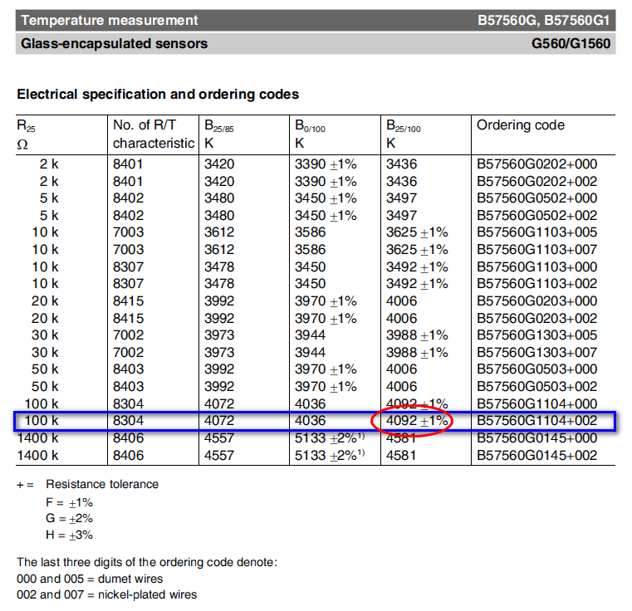
1.) Using the Beta & R25 values supplied by whoever sold you the thermistor (or looking up the datasheets online) complete the calculation inputs (in RED BORDERS)
2.) Input the values for R Pullup, Vin, Oversampling number, and scale, as discussed in method 1.
3.) see example below, for my thermistor.
4.) click the button to generate the thermistor table for use in marlin
NOTE: this method has greater error than using the R/T tables or manual calibrations, but is useful if all you know is the beta value. Note the comments in Method 1, regarding accuracy of your values.

3 Thermistor from SteinhartHart
Create Table
pullup R: | 4.7 | kOhm |  |  |  | data point # | T (°C) | R (Ohm) | T (K) | LN R |  | Calculation Values |  | Steinhart-Hart Equation Coefficients
V_in | 5 | V |  |  |  | 1 | 25 | 100 | 298.15 | 4.605170186 |  | Z | 4.3453476104 | C3 | 5.6342847675E-07
oversampler | 16 |  |  |  |  | 2 | 160 | 1.2967 | 433.15 | 0.25982257557 |  | Y | 5.5755211947 | C2 | 0.0002279058783
R25 | 100 | kOhm (at 25°C) |  |  |  | 3 | 220 | 0.37895 | 493.15 | -0.97035100872 |  | X | 0.0010453473824 | C1 | 0.0022494440774
scale | 1023 | (precision of voltage measurement) |  |  |  |  |  |  |  |  |  | W | 0.0013262358405
 |  |  |  |  |  |  |  |  |  |  |  | V | 97.647032387
 |  |  |  |  |  |  |  |  |  |  |  | U | 98.578236581

T(°C) | T (k) | y | x | R (Ohms) | V DC | Reading | Reading - oversampled
0 | 273.15 | -2505.2834737 | 2005.0822223 | 307.58714114 | 4.9247487427 | 1007.6035928 | 16122
5 | 278.15 | -2388.4812955 | 1969.1252174 | 243.39349552 | 4.9052776456 | 1003.6198063 | 16058
10 | 283.15 | -2275.8042163 | 1935.4752917 | 193.51515303 | 4.8814419602 | 998.74302506 | 15980
15 | 288.15 | -2167.037499 | 1904.0105771 | 154.57990181 | 4.8524609839 | 992.8135173 | 15885
20 | 293.15 | -2061.9810569 | 1874.6159252 | 124.04849371 | 4.8174735927 | 985.65509707 | 15770
25 | 298.15 | -1960.4482252 | 1847.18237 | 100 | 4.7755491882 | 977.0773639 | 15633
30 | 303.15 | -1862.2646539 | 1821.6066555 | 80.974656747 | 4.725706517 | 966.87955339 | 15470 |  |  |  | References:
35 | 308.15 | -1767.2673092 | 1797.7908201 | 65.858240195 | 4.6669418067 | 954.85629366 | 15278 |  |  |  | http://en.wikipedia.org/wiki/Thermistor
40 | 313.15 | -1675.3035696 | 1775.6418304 | 53.796594557 | 4.5982672123 | 940.80547164 | 15053 |  |  |  | http://assets.newport.com/webDocuments-EN/images/AN04_Thermistor_Calibration_IX.PDF
45 | 318.15 | -1586.230408 | 1755.071259 | 44.132158703 | 4.5187597554 | 924.53824595 | 14793
50 | 323.15 | -1499.9136494 | 1735.9949989 | 36.356619012 | 4.4276196977 | 905.89099016 | 14494
55 | 328.15 | -1416.2272964 | 1718.3330108 | 30.075437725 | 4.3242356808 | 884.73862029 | 14156
60 | 333.15 | -1335.0529155 | 1702.0090978 | 24.981165614 | 4.2082521183 | 861.00838341 | 13776
65 | 338.15 | -1256.2790782 | 1686.950704 | 20.833280582 | 4.0796325633 | 834.69282245 | 13355
70 | 343.15 | -1179.8008503 | 1673.0887331 | 17.442894911 | 3.9387114876 | 805.86037037 | 12894
75 | 348.15 | -1105.5193258 | 1660.3573839 | 14.661109688 | 3.7862265966 | 774.66196166 | 12395
80 | 353.15 | -1033.3412 | 1648.6940001 | 12.370112347 | 3.6233248193 | 741.33225802 | 11861
85 | 358.15 | -963.17837855 | 1638.0389325 | 10.47634546 | 3.4515376207 | 706.1845972 | 11299
90 | 363.15 | -894.94761882 | 1628.33541 | 8.9052454442 | 3.2727250239 | 669.59953988 | 10714
95 | 368.15 | -828.57020038 | 1619.5294197 | 7.5971756558 | 3.0889920858 | 632.00778076 | 10112
100 | 373.15 | -763.97162204 | 1611.5695942 | 6.5042715159 | 2.9025856374 | 593.86902141 | 9502
105 | 378.15 | -701.08132292 | 1604.4071031 | 5.5879845455 | 2.7157819497 | 555.64898691 | 8890
110 | 383.15 | -639.83242531 | 1597.9955508 | 4.8171638908 | 2.5307769973 | 517.79697364 | 8285
115 | 388.15 | -580.16149749 | 1592.2908773 | 4.166552626 | 2.3495899713 | 480.72610813 | 7692
120 | 393.15 | -522.0083346 | 1587.2512632 | 3.6156052243 | 2.1739880182 | 444.79794852 | 7117
125 | 398.15 | -465.31575598 | 1582.8370369 | 3.1475545462 | 2.005436552 | 410.31231855 | 6565
130 | 403.15 | -410.02941768 | 1579.0105852 | 2.748673314 | 1.8450757592 | 377.50250034 | 6040
135 | 408.15 | -356.0976387 | 1575.7362658 | 2.407687669 | 1.6937207859 | 346.5352728 | 5545
140 | 413.15 | -303.47123982 | 1572.9803227 | 2.1153100312 | 1.5518810014 | 317.51485289 | 5080
145 | 418.15 | -252.10339406 | 1570.7108033 | 1.8638658406 | 1.4197927607 | 290.48959885 | 4648
150 | 423.15 | -201.9494877 | 1568.8974779 | 1.6469944011 | 1.2974601024 | 265.46033695 | 4247
155 | 428.15 | -152.96699105 | 1567.5117615 | 1.4594083971 | 1.1846985157 | 242.3893163 | 3878
160 | 433.15 | -105.11533813 | 1566.5266374 | 1.2967 | 1.0811779812 | 221.20901496 | 3539
165 | 438.15 | -58.355814695 | 1565.9165838 | 1.1551840843 | 0.98646265228 | 201.83025866 | 3229
170 | 443.15 | -12.651453694 | 1565.6575015 | 1.0317710834 | 0.90004561274 | 184.14933237 | 2946
175 | 448.15 | 32.033062144 | 1565.7266449 | 0.92386359078 | 0.8213780223 | 168.05394336 | 2689
180 | 453.15 | 75.731491348 | 1566.1025547 | 0.82927203591 | 0.74989259935 | 153.42802583 | 2455
185 | 458.15 | 118.47611876 | 1566.7649935 | 0.746145726 | 0.68502181501 | 140.15546335 | 2242
190 | 463.15 | 160.29783507 | 1567.694883 | 0.67291630116 | 0.62621141243 | 128.12285498 | 2050
195 | 468.15 | 201.22621129 | 1568.8742442 | 0.60825124356 | 0.57292996851 | 117.22147156 | 1876
200 | 473.15 | 241.28956847 | 1570.2861399 | 0.55101555238 | 0.52467522413 | 107.34855086 | 1718
205 | 478.15 | 280.51504303 | 1571.914619 | 0.50024006808 | 0.48097786019 | 98.408070195 | 1575
210 | 483.15 | 318.9286481 | 1573.7446641 | 0.45509522541 | 0.44140331605 | 90.311118463 | 1445
215 | 488.15 | 356.55533101 | 1575.7621404 | 0.41486924977 | 0.40555215541 | 82.975970996 | 1328
220 | 493.15 | 393.41902735 | 1577.9537477 | 0.37895 | 0.3730593922 | 76.327951644 | 1221
225 | 498.15 | 429.54271172 | 1580.3069741 | 0.34680981056 | 0.34359310493 | 70.299149268 | 1125
230 | 503.15 | 464.94844549 | 1582.8100522 | 0.3179928074 | 0.31685259386 | 64.828040703 | 1037
235 | 508.15 | 499.65742173 | 1585.4519173 | 0.29210426859 | 0.29256627354 | 59.859059566 | 958
240 | 513.15 | 533.69000751 | 1588.2221675 | 0.26880167936 | 0.27048944264 | 55.342139963 | 885
245 | 518.15 | 567.06578377 | 1591.1110263 | 0.24778719438 | 0.25040203292 | 51.232255935 | 820
250 | 523.15 | 599.80358284 | 1594.1093067 | 0.22880127168 | 0.23210640789 | 47.488971055 | 760
255 | 528.15 | 631.92152394 | 1597.2083772 | 0.21161728408 | 0.21542525796 | 44.076007779 | 705
260 | 533.15 | 663.43704656 | 1600.4001299 | 0.19603694819 | 0.2001996209 | 40.960842436 | 655
265 | 538.15 | 694.36694208 | 1603.6769499 | 0.18188643845 | 0.18628704369 | 38.114329139 | 610
270 | 543.15 | 724.72738356 | 1607.0316868 | 0.1690130768 | 0.17355989205 | 35.510353913 | 568
275 | 548.15 | 754.533954 | 1610.4576272 | 0.15728250668 | 0.16190380781 | 33.125519077 | 530
280 | 553.15 | 783.80167295 | 1613.9484697 | 0.14657627571 | 0.15121630959 | 30.938856941 | 495
285 | 558.15 | 812.54502176 | 1617.4982999 | 0.13678976367 | 0.14140552965 | 28.931571367 | 463
290 | 563.15 | 840.7779675 | 1621.1015683 | 0.12783040317 | 0.13238907801 | 27.08680536 | 433
295 | 568.15 | 868.51398557 | 1624.7530683 | 0.11961614846 | 0.12409302398 | 25.389432707 | 406
300 | 573.15 | 895.76608115 | 1628.447916 | 0.11207415549 | 0.11645098544 | 23.825871622 | 381

Comparison Chart
Comparison of Methods
 | Thermistor Table | Steinhart-Hart | Beta
0 | 324.32 | 307.58714114 | 351.18555363
5 | 252.7 | 243.39349552 | 268.27740628
10 | 198.37 | 193.51515303 | 206.90070229
15 | 156.84 | 154.57990181 | 161.01088111
20 | 124.83 | 124.04849371 | 126.37569008
25 | 100 | 100 | 100
30 | 80.63 | 80.974656747 | 79.742533969
35 | 65.39 | 65.858240195 | 64.057560065
40 | 53.31 | 53.796594557 | 51.818908794
45 | 43.69 | 44.132158703 | 42.198832282
50 | 35.98 | 36.356619012 | 34.58378757
55 | 29.78 | 30.075437725 | 28.515334351
60 | 24.75 | 24.981165614 | 23.648281556
65 | 20.66 | 20.833280582 | 19.72079146
70 | 17.32 | 17.442894911 | 16.532847449
75 | 14.57 | 14.661109688 | 13.930621986
80 | 12.31 | 12.370112347 | 11.795041228
85 | 10.43 | 10.47634546 | 10.03335821
90 | 8.86 | 8.9052454442 | 8.572899273
95 | 7.55 | 7.5971756558 | 7.3563917995
100 | 6.45 | 6.5042715159 | 6.3384506341
105 | 5.53 | 5.5879845455 | 5.4829192681
110 | 4.751 | 4.8171638908 | 4.7608456862
115 | 4.0931 | 4.166552626 | 4.1489324085
120 | 3.5348 | 3.6156052243 | 3.6283429796
125 | 3.0602 | 3.1475545462 | 3.1837779561
130 | 2.6554 | 2.748673314 | 2.8027558018
135 | 2.3095 | 2.407687669 | 2.4750504295
140 | 2.013 | 2.1153100312 | 2.1922491213
145 | 1.7582 | 1.8638658406 | 1.9474034295
150 | 1.5388 | 1.6469944011 | 1.7347522462
155 | 1.3568 | 1.4594083971 | 1.5495011546
160 | 1.1989 | 1.2967 | 1.3876458764
165 | 1.0617 | 1.1551840843 | 1.2458304174
170 | 0.942 | 1.0317710834 | 1.1212326391
175 | 0.8374 | 0.92386359078 | 1.0114715951
180 | 0.7459 | 0.82927203591 | 0.91453221148
185 | 0.6657 | 0.746145726 | 0.82870384141
190 | 0.5951 | 0.67291630116 | 0.75252996273
195 | 0.5329 | 0.60825124356 | 0.68476685534
200 | 0.478 | 0.55101555238 | 0.62434954325
205 | 0.4294 | 0.50024006808 | 0.57036363327
210 | 0.3864 | 0.45509522541 | 0.52202195648
215 | 0.3483 | 0.41486924977 | 0.47864513424
220 | 0.3142 | 0.37895 | 0.43964536156
225 | 0.284 | 0.34680981056 | 0.40451283612
230 | 0.2571 | 0.3179928074 | 0.37280436955
235 | 0.233 | 0.29210426859 | 0.34413380399
240 | 0.2115 | 0.26880167936 | 0.31816392634
245 | 0.1921 | 0.24778719438 | 0.29459962853
...

Comparison Chart (2)
Comparison of Methods
 | Thermistor Table |  | Steinhart-Hart |  | Beta
16147 | 0 | 16122 | 0 | 16152 | 0
16086 | 5 | 16058 | 5 | 16086 | 5
16010 | 10 | 15980 | 10 | 16004 | 10
15918 | 15 | 15885 | 15 | 15904 | 15
15807 | 20 | 15770 | 20 | 15781 | 20
15674 | 25 | 15633 | 25 | 15633 | 25
15516 | 30 | 15470 | 30 | 15457 | 30
15329 | 35 | 15278 | 35 | 15249 | 35
15112 | 40 | 15053 | 40 | 15007 | 40
14861 | 45 | 14793 | 45 | 14728 | 45
14574 | 50 | 14494 | 50 | 14410 | 50
14248 | 55 | 14156 | 55 | 14052 | 55
13883 | 60 | 13776 | 60 | 13654 | 60
13478 | 65 | 13355 | 65 | 13218 | 65
13034 | 70 | 12894 | 70 | 12745 | 70
12552 | 75 | 12395 | 75 | 12239 | 75
12036 | 80 | 11861 | 80 | 11704 | 80
11488 | 85 | 11299 | 85 | 11147 | 85
10912 | 90 | 10714 | 90 | 10572 | 90
10315 | 95 | 10112 | 95 | 9987 | 95
9703 | 100 | 9502 | 100 | 9399 | 100
9088 | 105 | 8890 | 105 | 8813 | 105
8470 | 110 | 8285 | 110 | 8237 | 110
7861 | 115 | 7692 | 115 | 7674 | 115
7264 | 120 | 7117 | 120 | 7131 | 120
6687 | 125 | 6565 | 125 | 6610 | 125
6134 | 130 | 6040 | 130 | 6114 | 130
5609 | 135 | 5545 | 135 | 5646 | 135
5114 | 140 | 5080 | 140 | 5206 | 140
4650 | 145 | 4648 | 145 | 4795 | 145
4220 | 150 | 4247 | 150 | 4413 | 150
3838 | 155 | 3878 | 155 | 4058 | 155
3486 | 160 | 3539 | 160 | 3731 | 160
3164 | 165 | 3229 | 165 | 3430 | 165
2870 | 170 | 2946 | 170 | 3153 | 170
2602 | 175 | 2689 | 175 | 2899 | 175
2359 | 180 | 2455 | 180 | 2666 | 180
2138 | 185 | 2242 | 185 | 2453 | 185
1938 | 190 | 2050 | 190 | 2259 | 190
1758 | 195 | 1876 | 195 | 2081 | 195
1594 | 200 | 1718 | 200 | 1919 | 200
1446 | 205 | 1575 | 205 | 1771 | 205
1313 | 210 | 1445 | 210 | 1636 | 210
1193 | 215 | 1328 | 215 | 1513 | 215
1084 | 220 | 1221 | 220 | 1400 | 220
986 | 225 | 1125 | 225 | 1297 | 225
898 | 230 | 1037 | 230 | 1203 | 230
818 | 235 | 958 | 235 | 1117 | 235
746 | 240 | 885 | 240 | 1038 | 240
680 | 245 | 820 | 245 | 965 | 245
...

