Brazil
Cases
t | Cases
1 | 1
2 | 1
3 | 1
4 | 1
5 | 2
6 | 2
7 | 3
8 | 8
9 | 13
10 | 13
11 | 25
12 | 34
13 | 52
14 | 77
15 | 98
16 | 121
17 | 200
Cases
18 | 234
19 | 291
20 | 428
21 | 621
22 | 904
23 | 1128
24 | 1546
25 | 1891
26 | 2201
27 | 2433
28 | 2915
29 | 3417
30 | 3904
31 | 4256
32 | 4579
33 | 5717
34 | 6836
35 | 7910
36 | 9056
37 | 10278
38 | 11130
39 | 12056
40 | 13717
41 | 15927 | [Polinomial regression level: 9 ] | 27/04/2020
42 | 17857 | RMSE: 402.7429294189818
43 | 19638 | R^2: 0.9995235146723509
44 | 20727 | Maximum cases ( Brasil ) estimated: 497980.4833544221 at 86 days.
45 | 22169 |  | 28/04/2020
46 | 23430 | [Polinomial regression level: 13 ]
47 | 25,262 | RMSE: 399.65851925966706
48 | 28320 | R^2: 0.9995892597288256
49 | 30425 | Maximum cases ( Brasil ) estimated: 91071.03397514972 at 66 days.
50 | 33682
51 | 36599
52 | 38654
53 | 40581
54 | 43079
55 | 45757
56 | 49492
57 | 52995
58 | 58509
59 | 61888
60 | 66501
61 | 71886

Sao Paulo
t | Cases
1 | 1
2 | 2
3 | 3
4 | 6
5 | 10
6 | 13
7 | 16
8 | 16
9 | 19
10 | 30
11 | 46
12 | 56
13 | 65
14 | 136
15 | 152
16 | 164
17 | 240
Cases
18 | 286
19 | 396
20 | 459
21 | 631
22 | 745
23 | 810
24 | 862
25 | 1052
26 | 1406
27 | 1451
28 | 1517
29 | 2339
30 | 2981
31 | 3506
32 | 4048
33 | 4466
34 | 4620
35 | 4861
36 | 5682
37 | 6708
38 | 8216
39 | 8419 | [Polinomial regression level: 8 ] | 28/04/2020
40 | 8755 | RMSE: 282.76527302319323
41 | 8895 | R^2: 0.9983290353285625
42 | 9371 | Maximum cases ( sp ) estimated: 143816.35359523178 at 79 days.
43 | 11043
44 | 11156
45 | 11568
46 | 12841
47 | 13894
48 | 14267
49 | 14580
50 | 15385
51 | 15914
52 | 16740
53 | 17826
54 | 20004
55 | 20715
56 | 21696
57 | 24041

Sigmoid Calulation
COUNTRY | P1 | P2 | P3 | P2^2 | P1*P3 | a1 | a2 | a3 | b1 | b2 | c1 | c2 | a ( maximum) | b | c | P2^2 > P1*P3 | T1 | T2 | T3 | 2*T2 | T1+T3 | T2
BRAZIL | 30425 | 45757 | 71886 | 2093703049 | 2187131550 | 200153156666700 | 214208852646239 | 93428501 | 16898258122464 | -2842562142925 | 1102156152 | 794974825 | -150443.3425 | -5.944727775 | 0.3267132309 | NOK | 50 | 55 | 61 | 110 | 111 | 55.5
USA | 554 | 189618 | 939053 | 35954985924 | 520235362 | 197291977743432 | 3.37836E+16 | -35434750562 | 3.35666E+16 | 19630851811348 | 177541116392 | 415186990 | 947834.088 | 1709.891856 | 6.058228506 | OK | 50 | 73 | 96 | 146 | 146 | 73
ITALY | 0 | 0 | 0 | 0 | 0 | 0 | 0 | 0 | 0 | 0 | 0 | 0 | #DIV/0! | #DIV/0! | #DIV/0! | NOK | 20 | 40 | 60 | 80 | 80 | 40
CHINA | 0 | 0 | 0 | 0 | 0 | 0 | 0 | 0 | 0 | 0 | 0 | 0 | #DIV/0! | #DIV/0! | #DIV/0! | NOK | 20 | 40 | 60 | 80 | 80 | 40
SPAIN | 1639 | 78797 | 219764 | 6208967209 | 360193196 | 56764286530424 | 1.37468E+15 | -5848774013 | 1.30833E+15 | 9586140607307 | 16956550712 | 231044913 | 225332.6385 | 136.4817807 | 4.295797391 | OK | 40 | 63 | 85 | 126 | 125 | 62.5
SAO PAULO | 1517 | 8895 | 24041 | 79121025 | 36470197 | 648804804630 | 2022175156950 | -42650828 | 1308669046244 | 64701306076 | 177374498 | 22976482 | 32200.321 | 20.22631575 | 2.043792134 | OK | 28 | 41 | 56 | 82 | 84 | 42

https://www.researchgate.net/profile/John_Stubbs5/publication/305032108_The_mathematical_modelling_of_population_change/links/577f5f6808ae01f736e4543f/The-mathematical-modelling-of-population-change.pdf?origin=publication_detail
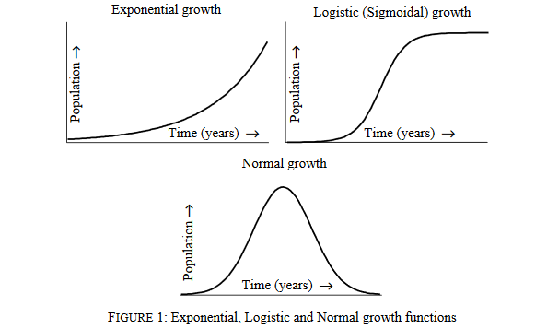

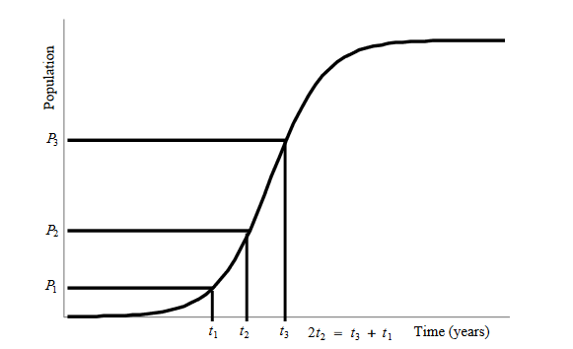

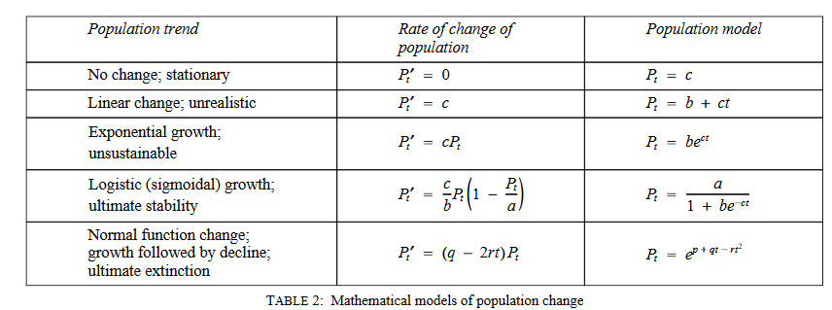

 | t | 5
 | p | 936748.0895

