Main
HNJ Product Specifiction Sheet
 |  |  |  |  |  |  |  |  | Author | zmFeng
 |  |  |  |  |  |  |  |  | Cr.Date | 2019-05-28
 |  |  |  |  |  |  |  |  | Mod.Date | 2019-05-28
KeyInfo
Style# |  | RXDDBT123 |  | QLvl. | AX | 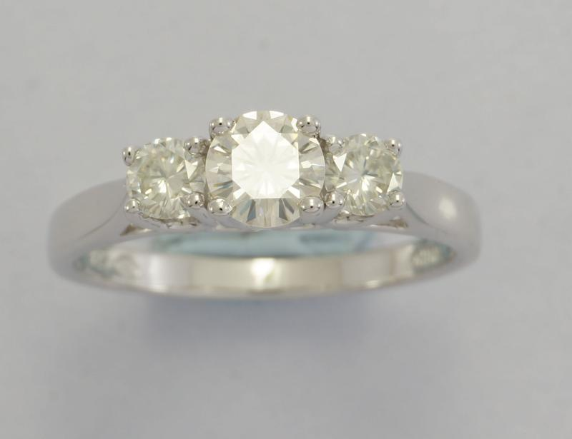
Parent |  |  |  | D.NO | Y15
Dim. |  | Type |  | M.Craft
4X3X2 |  | RING&PD |  | C&C
Size |  | N.Wgt | H.Mark
LK:18MM |  | 2.35 | 375;925;*(1000)
Description |  | THIS Is A VERY LONG LONG LONG LONG LONG DESCRIPTION ABOUT THIS ITEM

Metal
ID | Karat | Wgt | Remarks
1 | 925 | 0.55 | 925 SILVER
2 | 9K | 11.04 | 9K FINE GOLD
3 | 9KW | 0.1 | 9KW FINE GOLD
4 | 14K |  | 14KY FINE GOLD
5

Finishing |  |  |  | Parts
ID | Method | Prs.Id | Remarks | ID | Type | Qty. | Karat | Wgt | Remarks |  | Mat.Id
1 | VW | 0.125 MIC | FLASH | 1 | XP | 1 | 9K | 0.05 | CHAIn |  | 1.3"-1.8"
2 | VY | 0.125 MIC | FLASH AGAIN | 2 | MP | 1 | 9K | 0.05 | BALE |  | HB2551D
3 | SB | LIGHT | SEE PICTURe | 3 | PKM | 4 | PLASTIC | 0.001 | SZ UNKNOWN |  | HS2.5
4 | ENAMEL | BLACK | #0503C | 4 | PKM | 2 | TEXTILE | 0.001 | SZ UNKNOWN |  | PINK
5 |  |  |  | 5

Stone
ID | Setting | Shape | Name | MS | Size | Qty | Unit.W | Wgt.Ut | Wgt | Mat.Id | Remarks
1 | H.PAW | ROUND | DIAMOND | N | 000SZ | 50 | 0.005 | CT | 0.250 | DDR02427 | J/I2/I3
2 | W.PAW | ROUND | SAPPHIRE | N | 1.5 | 50 | 0.007 | CT | 0.350 | DDR00034 | BLUE A
3 | W.PAW | SQUARE | BLUE GLASS | N | 1.5 | 50 | 0.009 | CT | 0.450 | SAXY | BLUE B
4 | W.PAW | TAPER | WHITE JADE | N | 1.5 | 50 | 0.011 | CT | 0.550 | SAXY | BLUE C
5 | W.PAW | PEAR | CHAMPAGNE QUARTZ | N | 1.5 | 50 | 0.013 | CT | 0.650 | SAXY | BLUE d
6 | W.PAW | MARQUISE | OPAL | N | 1.5 | 50 | 0.015 | CT | 0.750 | SAXY | BLUE E
7 | W.PAW | HEART | PERIDOT | Y | 3.5 | 1 | 0.850 | CT | 0.850 | SAXY | BLUE F
8 | W.PAW | OCTAGON | CUBIC ZIRCONIA | N | 1.5 | 1 | 0.950 | CT | 0.950 | SAXY | BLUE G
9 | W.PAW | CUSHION | RUBY | N | 1.5 | 2 | 0.525 | CT | 1.050 | SAXY | BLUE H
10 | W.PAW | OVAL | CITRINE | Y | 6X4 | 1 | 1.230 | CT | 1.230 | CTRXXYY | LONDON BLUE

Key Features |  |  | R-Type |  |  |  |  |  |  |  | L-Type
Key |  | Value | SeqId | 1 | 2 |  |  | 3 | 2 | 1 | SeqId
XSTYN |  | T0010 | Name | RT | RT |  |  |  | LT | LT | Name
SN |  | HB1234ABCD, HB441D | Value | One | Two |  |  |  | Two | One | Value
SHAPE |  | HL:18MM |  |  |  |  |  |  | sth2 | Sth1 | Sth
KEYWORD |  | HEART;LOCKET;STAR;TREE | 2 | UT | Two
VENDOR |  | PAJ | 1 | UT | One
WARNING |  | Customer Inspect | SeqId | Name | Value
 |  |  | U-Type

Addition Photos for RXDDBT123

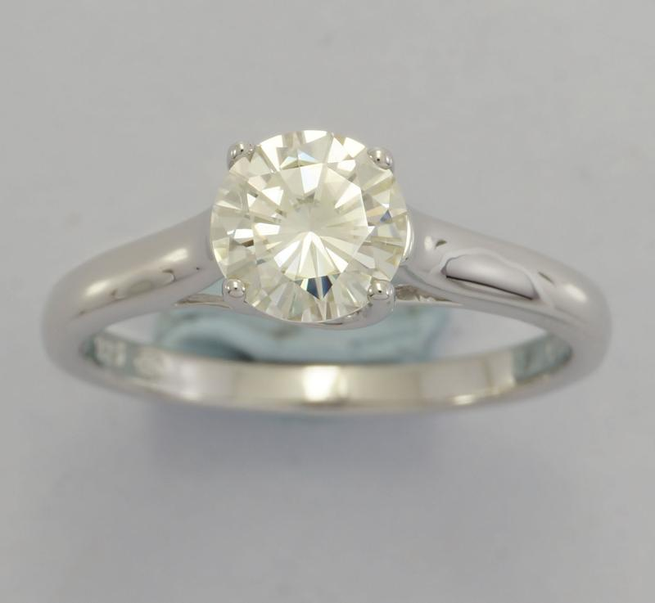 |  |  |  |  |  | 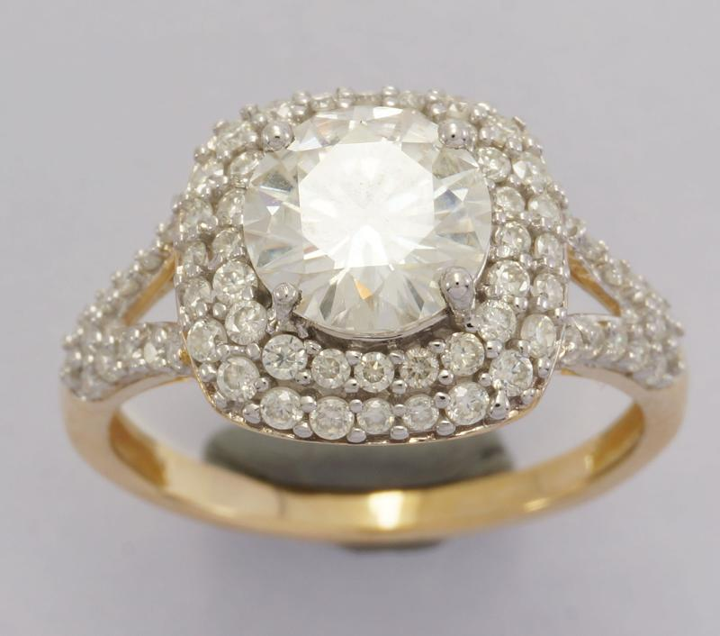

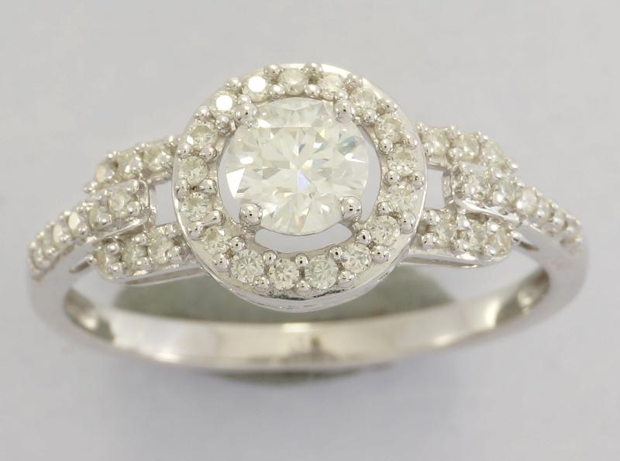 |  |  |  |  |  | 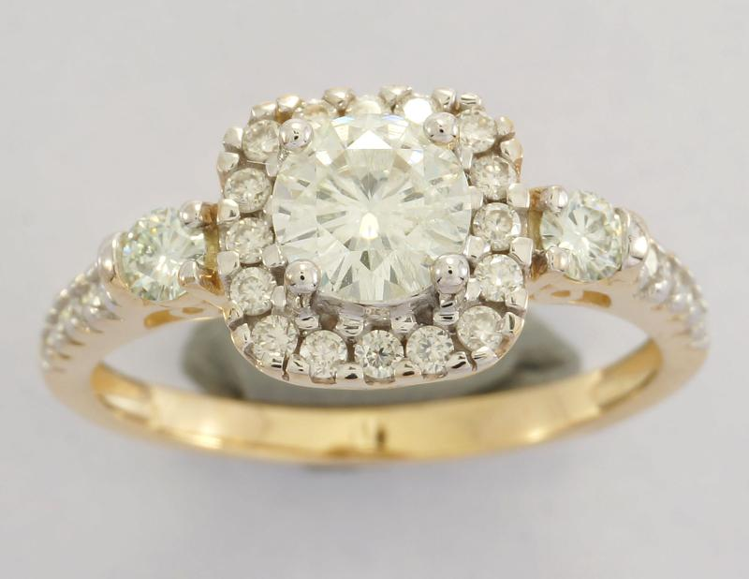

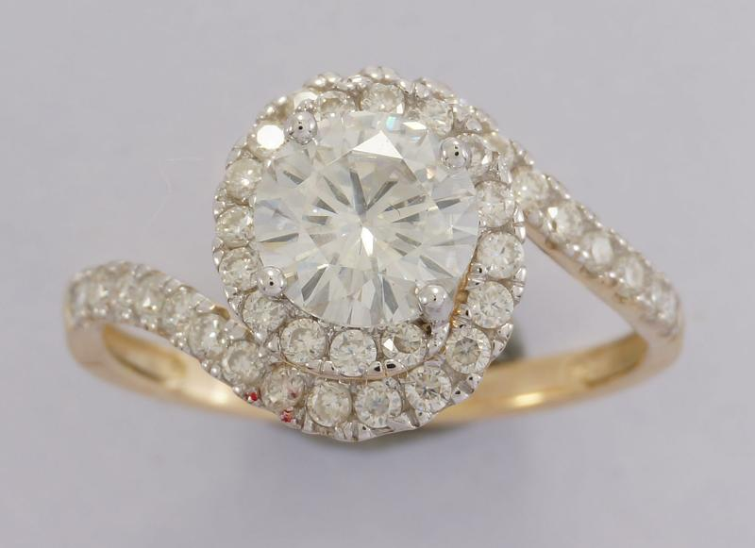 |  |  |  |  |  | 