Theater Outcomes by Launch Date
Theater Outcomes by Launch Date
 | successful | live | failed | canceled
Jan | 56 | 2 | 33 | 7
Feb | 71 | 8 | 39 | 3
Mar | 56 | 14 | 33 | 3
Apr | 71 |  | 40 | 2
May | 111 |  | 52 | 3
Jun | 100 |  | 49 | 4
Jul | 87 |  | 50 | 1
Aug | 72 |  | 47 | 4
Sep | 59 |  | 34 | 4
Oct | 65 |  | 50
Nov | 54 |  | 31 | 3
Dec | 37 |  | 35 | 3
Parent Category | theater
Years | (All)

Count of outcomes | Column Labels
Row Labels | successful | live | failed | canceled | Grand Total
Jan | 56 | 2 | 33 | 7 | 98
Feb | 71 | 8 | 39 | 3 | 121
Mar | 56 | 14 | 33 | 3 | 106
Apr | 71 |  | 40 | 2 | 113
May | 111 |  | 52 | 3 | 166
Jun | 100 |  | 49 | 4 | 153
Jul | 87 |  | 50 | 1 | 138
Aug | 72 |  | 47 | 4 | 123
Sep | 59 |  | 34 | 4 | 97
Oct | 65 |  | 50 |  | 115
Nov | 54 |  | 31 | 3 | 88
Dec | 37 |  | 35 | 3 | 75
Grand Total | 839 | 24 | 493 | 37 | 1393

Outcomes Based on Goal
Goal | Number Successful | Number Failed | Number Canceled | Total Projects | Percentage Successful | Percentage Failed | Percentage Canceled
Less than 1000 | 141 | 45 | 0 | 186 | 75.81% | 24.19% | 0.00%
1000 to 4999 | 377 | 146 | 0 | 523 | 72.08% | 27.92% | 0.00%
5000 to 9999 | 93 | 76 | 0 | 169 | 55.03% | 44.97% | 0.00%
10000 to 14999 | 39 | 33 | 0 | 72 | 54.17% | 45.83% | 0.00%
15000 to 19999 | 12 | 12 | 0 | 24 | 50.00% | 50.00% | 0.00%
20000 to 24999 | 9 | 11 | 0 | 20 | 45.00% | 55.00% | 0.00%
25000 to 29999 | 1 | 4 | 0 | 5 | 20.00% | 80.00% | 0.00%
30000 to 34999 | 3 | 8 | 0 | 11 | 27.27% | 72.73% | 0.00%
35000 to 39999 | 4 | 2 | 0 | 6 | 66.67% | 33.33% | 0.00%
40000 to 44999 | 2 | 1 | 0 | 3 | 66.67% | 33.33% | 0.00%
45000 yo 49999 | 0 | 1 | 0 | 1 | 0.00% | 100.00% | 0.00%
Greater than 50000 | 2 | 14 | 0 | 16 | 12.50% | 87.50% | 0.00%

Outcomes Based on Goal

Category Stats
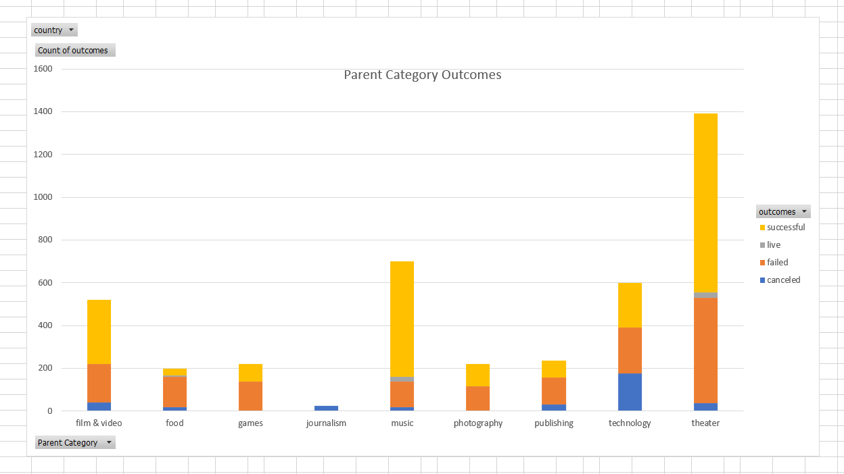
country | (All)
Subcategory Outcomes
 | canceled | failed | live | successful
animation |  | 100
documentary |  |  |  | 180
drama |  | 80
science fiction | 40
shorts |  |  |  | 60
television |  |  |  | 60
food trucks | 20 | 120
restaurants |  | 20
small batch |  |  | 6 | 34
mobile games |  | 40
tabletop games |  |  |  | 80
video games |  | 100
audio | 24
classical music |  |  |  | 40
electronic music |  |  |  | 40
faith |  | 40 | 20
indie rock |  | 20 |  | 140
jazz |  | 60
metal |  |  |  | 20
pop |  |  |  | 40
rock |  |  |  | 260
world music | 20
nature |  | 20
people |  | 20
photobooks |  | 57 |  | 103
places |  | 20
art books | 20
children's books |  | 40
fiction |  | 40
nonfiction |  |  |  | 60
radio & podcasts |  |  |  | 20
translations | 10 | 47
gadgets |  | 20
hardware |  |  |  | 140
makerspaces |  | 11 |  | 9
space exploration | 18 | 2 |  | 40
wearables | 60 | 120 |  | 20
web | 100 | 60
 | 37 | 493 | 24 | 839
Count of outcomes | Column Labels
Row Labels | canceled | failed | live | successful | Grand Total
film & video | 40 | 180 |  | 300 | 520
animation |  | 100 |  |  | 100
documentary |  |  |  | 180 | 180
drama |  | 80 |  |  | 80
science fiction | 40 |  |  |  | 40
shorts |  |  |  | 60 | 60
television |  |  |  | 60 | 60
food | 20 | 140 | 6 | 34 | 200
food trucks | 20 | 120 |  |  | 140
restaurants |  | 20 |  |  | 20
small batch |  |  | 6 | 34 | 40
games |  | 140 |  | 80 | 220
mobile games |  | 40 |  |  | 40
tabletop games |  |  |  | 80 | 80
video games |  | 100 |  |  | 100
journalism | 24 |  |  |  | 24
audio | 24 |  |  |  | 24
music | 20 | 120 | 20 | 540 | 700
classical music |  |  |  | 40 | 40
electronic music |  |  |  | 40 | 40
faith |  | 40 | 20 |  | 60
indie rock |  | 20 |  | 140 | 160
jazz |  | 60 |  |  | 60
metal |  |  |  | 20 | 20
pop |  |  |  | 40 | 40
rock |  |  |  | 260 | 260
world music | 20 |  |  |  | 20
photography |  | 117 |  | 103 | 220
nature |  | 20 |  |  | 20
people |  | 20 |  |  | 20
photobooks |  | 57 |  | 103 | 160
places |  | 20 |  |  | 20
publishing | 30 | 127 |  | 80 | 237
art books | 20 |  |  |  | 20
children's books |  | 40 |  |  | 40
fiction |  | 40 |  |  | 40
nonfiction |  |  |  | 60 | 60
radio & podcasts |  |  |  | 20 | 20
translations | 10 | 47 |  |  | 57
technology | 178 | 213 |  | 209 | 600
gadgets |  | 20 |  |  | 20
hardware |  |  |  | 140 | 140
makerspaces |  | 11 |  | 9 | 20
space exploration | 18 | 2 |  | 40 | 60
wearables | 60 | 120 |  | 20 | 200
web | 100 | 60 |  |  | 160
theater | 37 | 493 | 24 | 839 | 1393
Grand Total | 349 | 1530 | 50 | 2185 | 4114

Date Conversion
Deadline Date Conversion | (All)
Parent Category | (All)

 | canceled | failed | live | successful
Jan | 34 | 149 | 2 | 182
Feb | 27 | 106 | 18 | 202
Mar | 28 | 108 | 30 | 180
Apr | 27 | 102 |  | 192
May | 26 | 126 |  | 234
Jun | 27 | 147 |  | 211
Jul | 43 | 150 |  | 194
Aug | 33 | 134 |  | 166
Sep | 24 | 127 |  | 147
Oct | 20 | 149 |  | 183
Nov | 37 | 114 |  | 183
Dec | 23 | 118 |  | 111
Count of outcomes | Column Labels
Row Labels | canceled | failed | live | successful | Grand Total
Jan | 34 | 149 | 2 | 182 | 367
Feb | 27 | 106 | 18 | 202 | 353
Mar | 28 | 108 | 30 | 180 | 346
Apr | 27 | 102 |  | 192 | 321
May | 26 | 126 |  | 234 | 386
Jun | 27 | 147 |  | 211 | 385
Jul | 43 | 150 |  | 194 | 387
Aug | 33 | 134 |  | 166 | 333
Sep | 24 | 127 |  | 147 | 298
Oct | 20 | 149 |  | 183 | 352
Nov | 37 | 114 |  | 183 | 334
Dec | 23 | 118 |  | 111 | 252
Grand Total | 349 | 1530 | 50 | 2185 | 4114

Filtered View
country | (All)

Count of outcomes | Column Labels
Row Labels | canceled | failed | live | successful | Grand Total
Jan | 7 | 33 | 2 | 56 | 98
theater | 7 | 33 | 2 | 56 | 98
Feb | 3 | 39 | 8 | 71 | 121
theater | 3 | 39 | 8 | 71 | 121
 | canceled | failed | live | successful
theater | 7 | 33 | 2 | 56
theater | 3 | 39 | 8 | 71
theater | 3 | 33 | 14 | 56
theater | 2 | 40 |  | 71
theater | 3 | 52 |  | 111
theater | 4 | 49 |  | 100
theater | 1 | 50 |  | 87
theater | 4 | 47 |  | 72
theater | 4 | 34 |  | 59
theater |  | 50 |  | 65
theater | 3 | 31 |  | 54
theater | 3 | 35 |  | 37
Mar | 3 | 33 | 14 | 56 | 106
theater | 3 | 33 | 14 | 56 | 106
Apr | 2 | 40 |  | 71 | 113
theater | 2 | 40 |  | 71 | 113
May | 3 | 52 |  | 111 | 166
theater | 3 | 52 |  | 111 | 166
Jun | 4 | 49 |  | 100 | 153
theater | 4 | 49 |  | 100 | 153
Jul | 1 | 50 |  | 87 | 138
theater | 1 | 50 |  | 87 | 138
Aug | 4 | 47 |  | 72 | 123
theater | 4 | 47 |  | 72 | 123
Sep | 4 | 34 |  | 59 | 97
theater | 4 | 34 |  | 59 | 97
Oct |  | 50 |  | 65 | 115
theater |  | 50 |  | 65 | 115
Nov | 3 | 31 |  | 54 | 88
theater | 3 | 31 |  | 54 | 88
Dec | 3 | 35 |  | 37 | 75
theater | 3 | 35 |  | 37 | 75
Grand Total | 37 | 493 | 24 | 839 | 1393

