About

This spreadsheet audit tool uses Power Query to compare data from two Excel workbooks and reports any differences in cell values (although not formulas) between equivalent cells in the different workbooks.
For instance, if the value for Sheet1 Cell A1 in Workbook A = 15, and the value for Sheet1 Cell A1 in Workbook B = 15.001, it will report the two cells as having different values.
1
ABOUT
No macros or VBA

Using Windows Explorer, go to the location of your files and copy the path of the two files in the Parameters tab (orange highlighted cells).
You copy a path by holding down CTRL+SHIFT and then
1. Right click on the file
2. Select Copy as path from the pop up menu
When you copy the value into the Parameter worksheet you may also need to remove the quotation marks at start and end
2
HOW TO START
Quick and easy
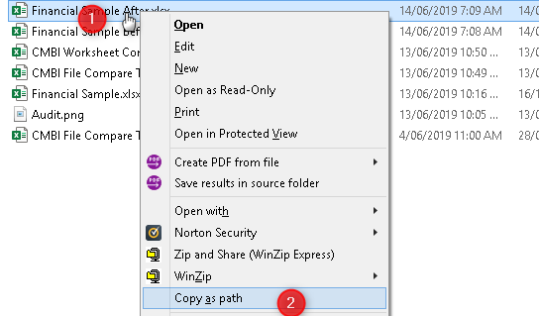

About
You can compare specific worksheets in each workbook by naming the worksheets in the Parameters page or you can can compare all worksheets with equivalent names in both workbooks.
WS Summary and WS Detail show a comparison of a specific worksheet.
WB Summary and WB Detail compare equivalent sheets in each workbook. The equivalent sheets must have the same name.
Follow the instructions on the tab to refresh the report.
3
RESULTS
Instant results

Before you begin
The Power Query queries in this workbook combine data from this workbook (the Parameters worksheet) with the data in the target workbooks using Power Query functions.
The Power Query queries may fail if we have Data Source Privacy settings enabled (which are set by default). We can remove Power Query data combination errors doing the following
!
POWER QUERY
Privacy Level

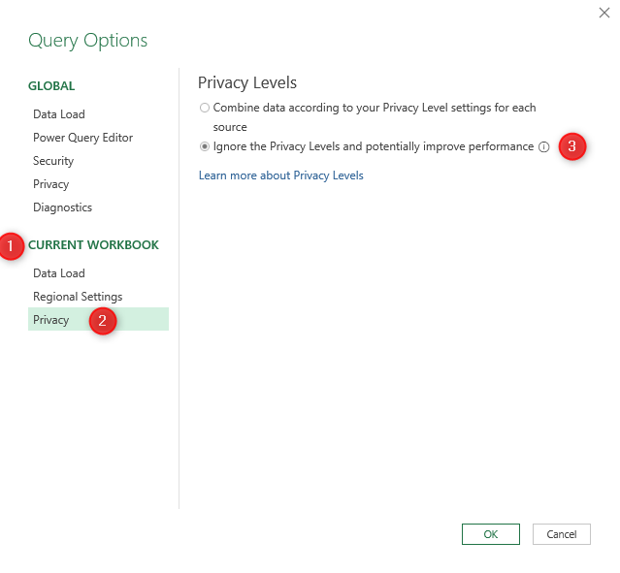

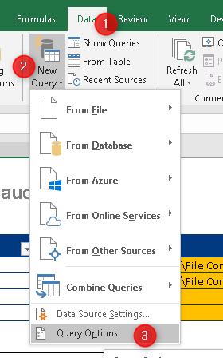
1. In Current Workbook section
2. Select Privacy
3. Select Ignore Privacy Levels

1. Select Data Tab in the Excel ribbon
2. Select New Query
3. Select Query Options...

Before you begin

Parameters
Parameters worksheet
Spreadsheet change audit tool

Parameter Name | Parameter Value
Workbook A Path | T:\_CMBI_Training\Datasets\File Compare\Financial Sample Before.xlsx
Workbook B Path | T:\_CMBI_Training\Datasets\File Compare\Financial Sample After.xlsx
Worksheet A | Data
Worksheet B | Data

Instructions
Step 1 | Put the full path of each file including any file extensions into the table above
Step2 | Put the worksheet name from each workbook to compare (they do not have to be called the same thing)
Step 3 | Go to the Summary Report worksheet, click anywhere on the table and right click Refresh….
Edit the orange cells with the worksheets and workbooks you want to compare
Step 4 | The Summary Report gives you the total number of difference
Step 5 | To see the actual differences cell by cell…
Step 6 | Go the the Detail Report and right click the table Refresh…

The Power Query will find all differences between equivalent cells in the two worksheets/workbooks

WS Summary
Report
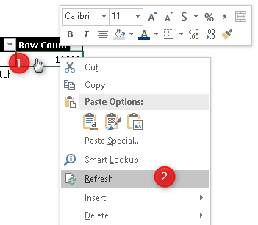
INSTRUCTIONS
Refresh the table to compare all cells in the two workbooks
1. Right click anywhere on the table
2. Select Refresh from the pop up menu
This table compares ONLY the two worksheets specified in the Parameters tab
Match | Row Count
Match | 11909
Non Match | 8

WS Detail
INSTRUCTIONS
Refresh the table to compare all cells in the named Worksheets
1. Right click anywhere on the table
2. Select Refresh from the pop up menu
Report
 |  | 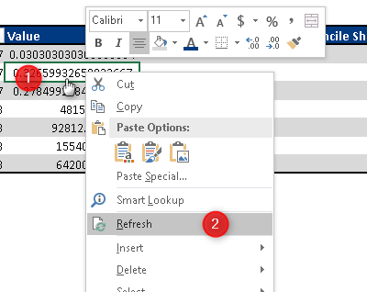
This table compares ONLY the two worksheets specified in the Parameters tab. Right click Refresh…
Row | Column | Value | Reconcile Sheet B.Row | Reconcile Sheet B.Column | Reconcile Sheet B.Value | Match
75 | 17 | 0.030303030303030304 |  |  |  | Non Match
76 | 17 | 0.32659932659932667 |  |  |  | Non Match
77 | 17 | 0.27849927849927847 |  |  |  | Non Match
99 | 8 | 4815 | 99 | 8 | 1 | Non Match
100 | 8 | 92812.5 | 100 | 8 | 1 | Non Match
101 | 8 | 15540 | 101 | 8 | 1 | Non Match
102 | 8 | 64200 | 102 | 8 | 1 | Non Match

WB Summary
Report

COMPARE WHOLE WORKBOOK: This comparison relies on the worksheets having the same names in each workbook. Right click Refresh...
Worksheet | Match | Workbook B Data.Name | Cell Count
Data | Match | Data | 11909
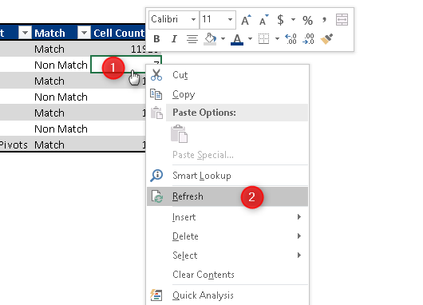
INSTRUCTIONS
Refresh the table to compare all cells in the two workbooks
1. Right click anywhere on the table
2. Select Refresh from the pop up menu
Data | Non Match |  | 4
Data | Non Match | Data | 4
Oct14 | Match | Oct14 | 134
Oct14 | Non Match | Oct14 | 1
Nov14 | Match | Nov14 | 126
Oct14 | Non Match |  | 1
Nov14 | Non Match | Nov14 | 2
Nov14 | Non Match |  | 1
Summary Pivots | Match | Summary Pivots | 126

WB Detail
INSTRUCTIONS
Refresh the table to compare all cells in the two workbooks
1. Right click anywhere on the table
2. Select Refresh from the pop up menu
Report
 |  |  | 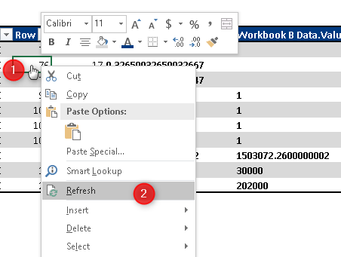
COMPARE WHOLE WORKBOOK: This comparison relies on the worksheets having the same names in each workbook. Right click Refresh...
Name | Hidden | Row | Column | Workbook A Data Value | Workbook B Data.Value | Workbook B Data.Name | Workbook B Data.Hidden | WorkbookPath | Workbook B Data.WorkbookPath | Workbook B Data.Row | Workbook B Data.Column | Match
Data | FALSE | 9 | 2 | Canada |  |  |  | T:\_CMBI_Training\Datasets\File Compare\Financial Sample Before.xlsx |  |  |  | Non Match
Data | FALSE | 75 | 17 | 0.030303030303030304 |  |  |  | T:\_CMBI_Training\Datasets\File Compare\Financial Sample Before.xlsx |  |  |  | Non Match
Data | FALSE | 76 | 17 | 0.32659932659932667 |  |  |  | T:\_CMBI_Training\Datasets\File Compare\Financial Sample Before.xlsx |  |  |  | Non Match
Data | FALSE | 77 | 17 | 0.27849927849927847 |  |  |  | T:\_CMBI_Training\Datasets\File Compare\Financial Sample Before.xlsx |  |  |  | Non Match
Data | FALSE | 99 | 8 | 4815 | 1 | Data | FALSE | T:\_CMBI_Training\Datasets\File Compare\Financial Sample Before.xlsx | T:\_CMBI_Training\Datasets\File Compare\Financial Sample After.xlsx | 99 | 8 | Non Match
Data | FALSE | 100 | 8 | 92812.5 | 1 | Data | FALSE | T:\_CMBI_Training\Datasets\File Compare\Financial Sample Before.xlsx | T:\_CMBI_Training\Datasets\File Compare\Financial Sample After.xlsx | 100 | 8 | Non Match
Data | FALSE | 101 | 8 | 15540 | 1 | Data | FALSE | T:\_CMBI_Training\Datasets\File Compare\Financial Sample Before.xlsx | T:\_CMBI_Training\Datasets\File Compare\Financial Sample After.xlsx | 101 | 8 | Non Match
Data | FALSE | 102 | 8 | 64200 | 1 | Data | FALSE | T:\_CMBI_Training\Datasets\File Compare\Financial Sample Before.xlsx | T:\_CMBI_Training\Datasets\File Compare\Financial Sample After.xlsx | 102 | 8 | Non Match
Oct14 | FALSE | 1 | 7 | 12375819.920000002 | 1503072.2600000002 | Oct14 | FALSE | T:\_CMBI_Training\Datasets\File Compare\Financial Sample Before.xlsx | T:\_CMBI_Training\Datasets\File Compare\Financial Sample After.xlsx | 1 | 7 | Non Match
Oct14 | FALSE | 25 | 3 | 10593834 |  |  |  | T:\_CMBI_Training\Datasets\File Compare\Financial Sample Before.xlsx |  |  |  | Non Match
Nov14 | FALSE | 15 | 4 | 35039.25 | 30000 | Nov14 | FALSE | T:\_CMBI_Training\Datasets\File Compare\Financial Sample Before.xlsx | T:\_CMBI_Training\Datasets\File Compare\Financial Sample After.xlsx | 15 | 4 | Non Match
Nov14 | FALSE | 23 | 3 | 95130 |  |  |  | T:\_CMBI_Training\Datasets\File Compare\Financial Sample Before.xlsx |  |  |  | Non Match
Nov14 | FALSE | 24 | 5 | 215865 | 202000 | Nov14 | FALSE | T:\_CMBI_Training\Datasets\File Compare\Financial Sample Before.xlsx | T:\_CMBI_Training\Datasets\File Compare\Financial Sample After.xlsx | 24 | 5 | Non Match

How it works
How it works
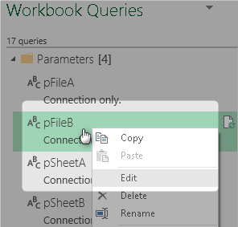
2
Right click a query in the Show Queries Workbook Queries pane to view the Power Query editor and the Query steps

A. Select Show Queries from the Data tab of the Excel ribbon to see the Power Query queries
1

1. The queries in the blue box extract the parameters from the cells in the Parameters worksheet.
2. The red box queries get the data from the workbooks/worksheets specified in the Parameters worksheet and index them ready to compare equivalent cells in the two worksheets
3. The purple box queries join data from the previous queries together and find any differences between the equivalent cells
4. The green box queries do the same as (2. red box queries) except that they index every worksheet in each workbook rather than just the two specified by the Parameters
5. The pink box query compares all the cells in all the worksheets between the two workbooks specified by the Parameter worksheet. It relies on the worksheets in each workbook having the same name.
6. The black box queries compare the two workbooks similar to the (3. purple box queries) except they do it for all worksheets.
7. We use a Power Query function for the workbook compare. The function indexes all the cells for a given worksheet. Thus we reuse the indexing logic rather than having to repeat the steps for each worksheet.
4

3

Indexing the worksheet
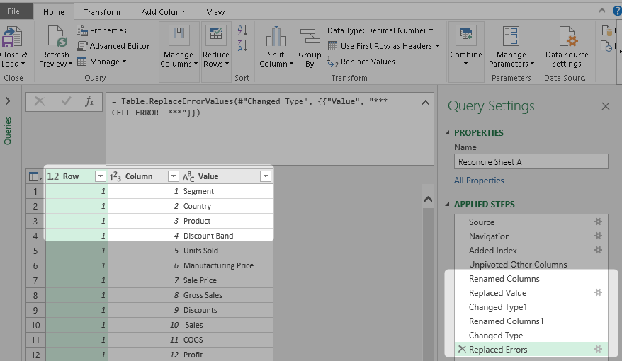
Indexing a worksheet
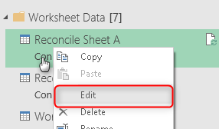

2
Step 1 | Source
We connect to the Excel Workbook in pFileA (a Power Query that reads a cell in the Parameters worksheet
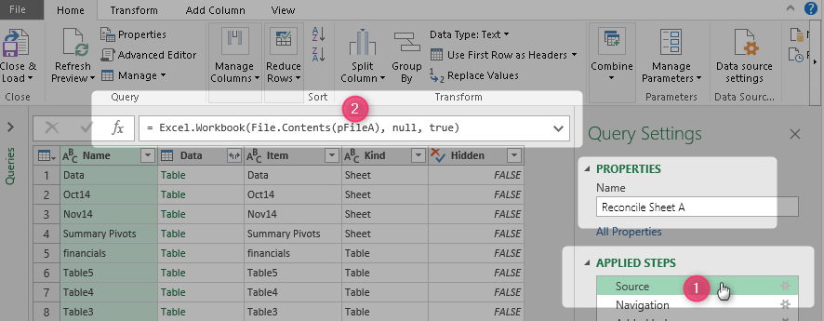

Open the Workbook Queries pane and right click "Reconcile Sheet A" query and select Edit
1

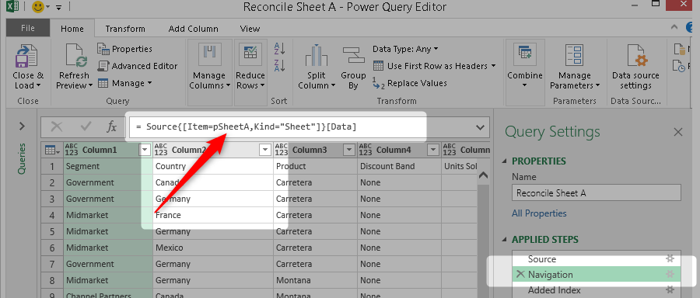
3
Step 2 | Navigation
We choose the target worksheet based on the worksheet name supplied in the Parameters worksheet

4
Step 3 | Add Index
We add an index column to the worksheet data

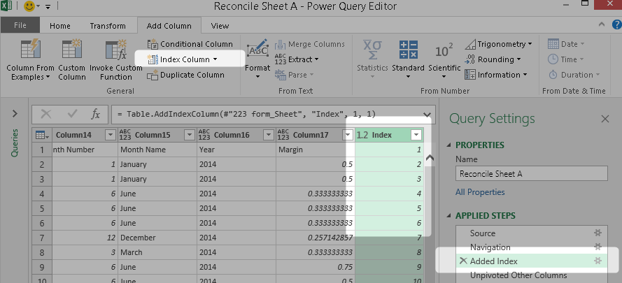

5
Step 4 | Unpivot other columns
We select the new index column and then select Unpivot Other columns from the Transform menu

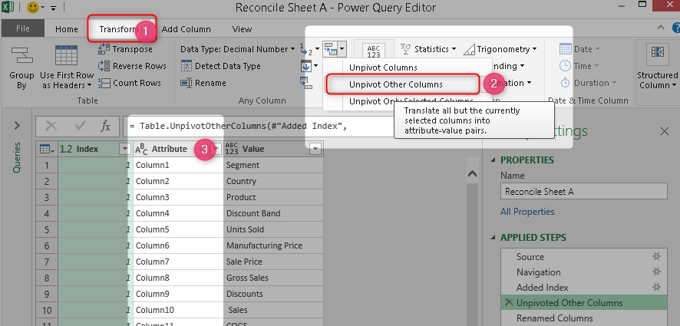

Final Steps | Tidy up
The final few steps do some basic tidy up so that we end up with a long list of Row and Column coordindates and a value for that coordindate. The Compare queries join this output with the same output from another worksheet and report any cells coordinates that have different values.
6

