Supplementary equations
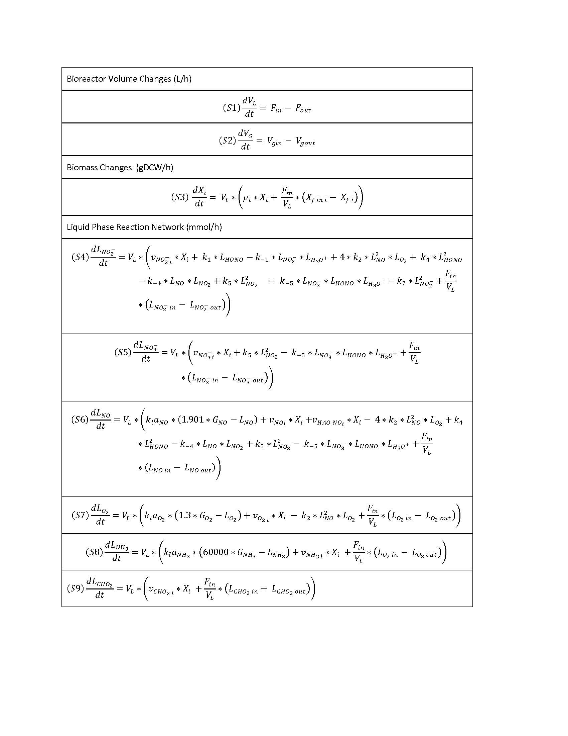
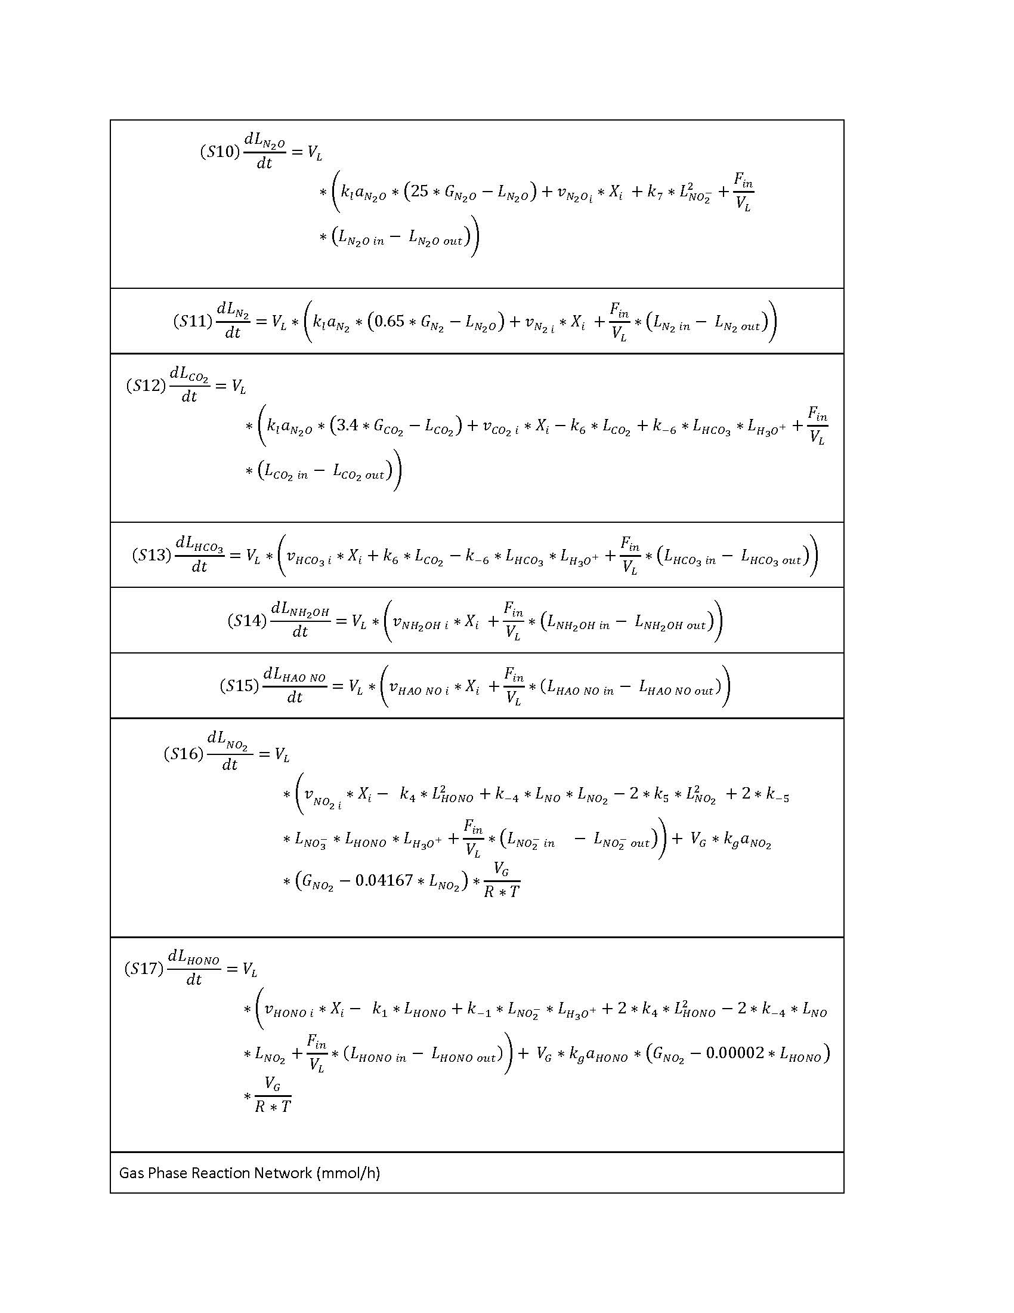
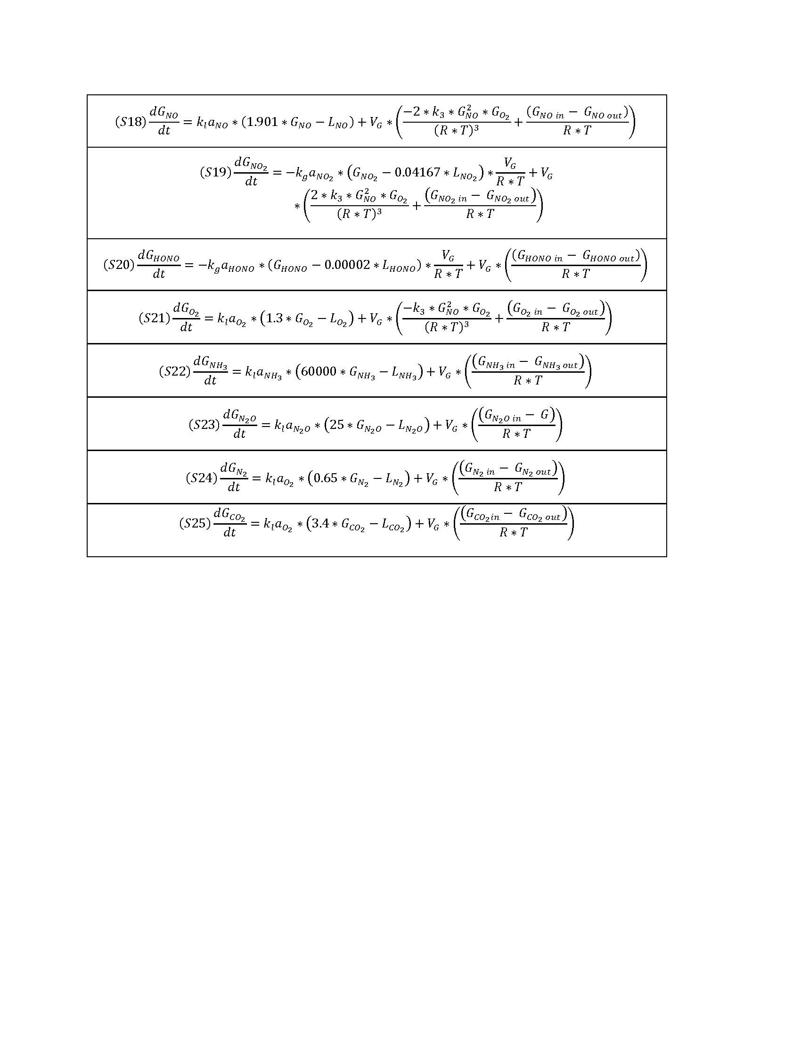
DATASET S3. Supplementary equations, rate constant data, and mass transfer coefficient calculations for integrative model. Genome-scale, constraints-based modeling of nitrogen oxide fluxes during co-culture of Nitrosomonas europaea and Nitrobacter winogradskyi. Mellbye et al. 2017. Address correspondance to Frank Chaplen, frank.chaplen@oregonstate.edu, Department of Biological and Ecological Engineering, Oregon State University, Corvallis, OR.

