注
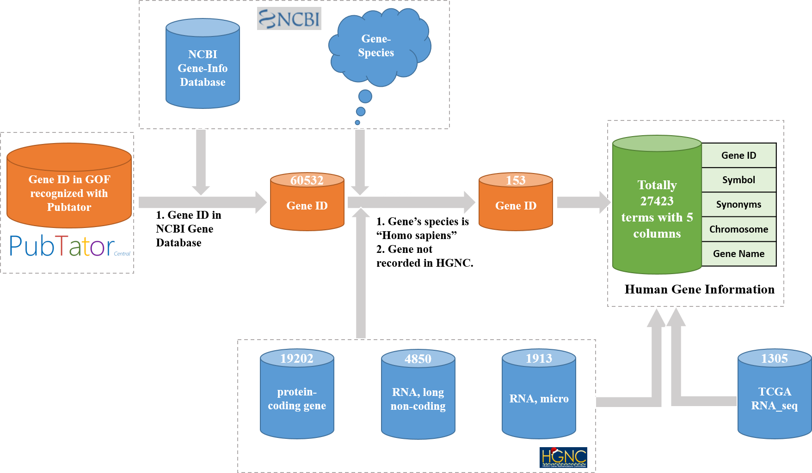
人类基因信息注释见表HumangeneInformation，整理流程如右图所示。 注1：一共27423条。包含六列信息。 注2：unique的Gene_ID一共27423条。unique 的Symbol有27406条。因为NCBI更新的原因，有些Symbol的GeneID产生了变化，如“MICA”的Gene_ID包括4276和100507436。 注3：有3个Symbol为找到对应的Gene_ID，分别为：HRURF、BACH1-IT1、SLC7A2-IT1。 注4：由于NCBI的基因信息一直在更新，因此随着时间变化，此表的Gene_ID会有一定滞后性，导致与NCBI官方的Gene_ID有不匹配情况，导致注2的问题出现。

