Аркуш1
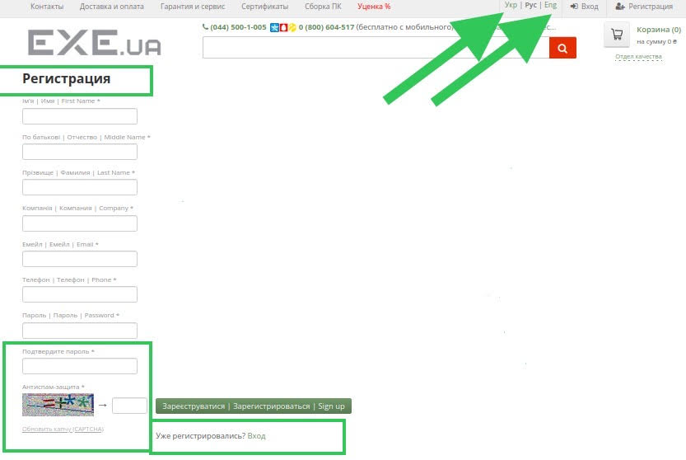
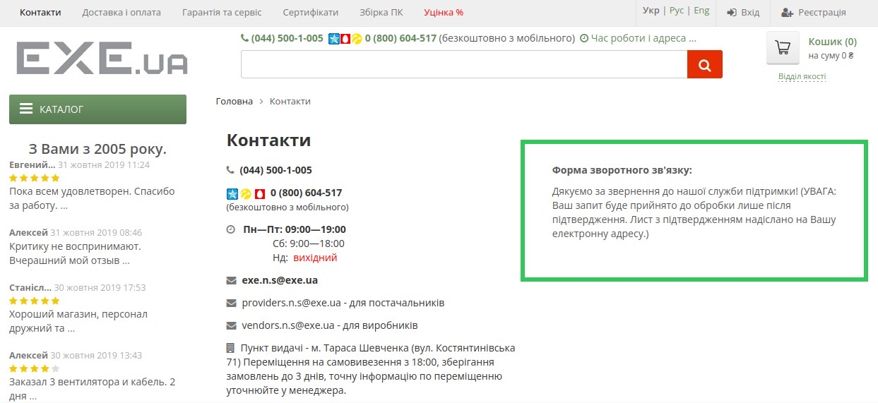
Bug-reports
https://exe.ua/
ID | BR134561 | BR134562 | BR134563
Summary | The language of the page remains unchanged on the login and registration pages | There is no error message in the price filter for any category of products when the filter from high to low price is applied | The email field on the feedback form on the page "Контакти" isn't validating when the user enters an email with Cyrillic characters
Pre-conditions | Open the website https://exe.ua/ | Open the website https://exe.ua/ | Open the website https://exe.ua/
 | The user must not be registered
Steps | 1. Click on the login button | 1. Click on "Каталог" | 1. Click on the button "Контакти"
 | 2. Click on the button "Укр" on the upper right corner of the page | 2. Choose a category "Комплектуючі для ПК - Відеокарти" | 2. Enter in the field "Форма зворотного зв'язку" a valid name - Zoriana
 | 3. Click on the button "Eng" on the upper right corner of the page | 3. Enter 20000 in the field "Ціна від" | 3. Enter in the field "Форма зворотного зв'язку" an invalid email - Зоряна@gmail.com
 | 4, Click on the registration button | 4. Enter 10 in the field "Ціна до" | 4. Enter in the field "Форма зворотного зв'язку" a valid phone numer - +380989999999
 | 5. Click on the button "Укр" on the upper right corner of the page | 5. Press the "Enter" key on your keyboard to apply the filter | 5. Enter feedback text - Test
 | 6. Click on the button "Eng" on the upper right corner of the page |  | 6. Enter the captcha shown below
 |  |  | 7. Press on the button "Відправити"
 |  |  | Actual: An error message appears "Это поле обязательное"
 |  |  | Note: An error message about not entering the captcha is appearing randomly
 |  |  | 8. Enter the captcha shown below
 |  |  | 9. Press on the button "Відправити"

Expected result | The page should be translated into Ukrainian language | Filter shouldn't be applied. The field "Ціна до" should be highlighted in red | An error message should appear indicating that the email is invalid
Actual result | Localization change is not working | The filter has been applied, there is no error message | A confirmation message appeared "Дякуємо за звернення до нашої служби підтримки! (УВАГА: Ваш запит буде прийнято до обробки лише після підтвердження. Лист з підтвердженням надіслано на Вашу електронну адресу.)"
Post-conditions
Environment | Mozila Firefox Version 110.0.1 (64-bit), all browsers | All browsers | All browsers
Severity | Low | Low | Low
Priority | Low | Low | Low
Type of bug | Localization | Functional | Functional
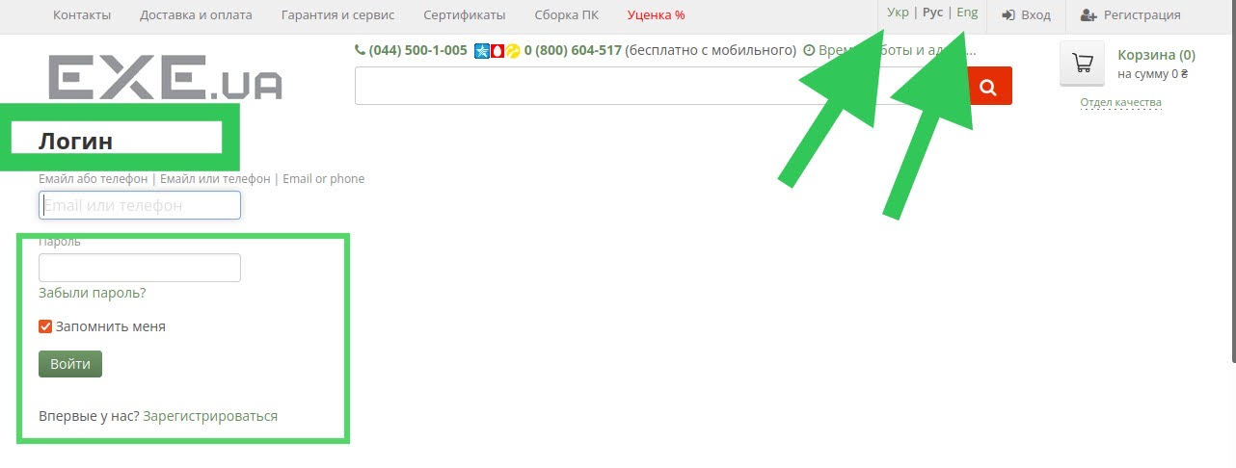
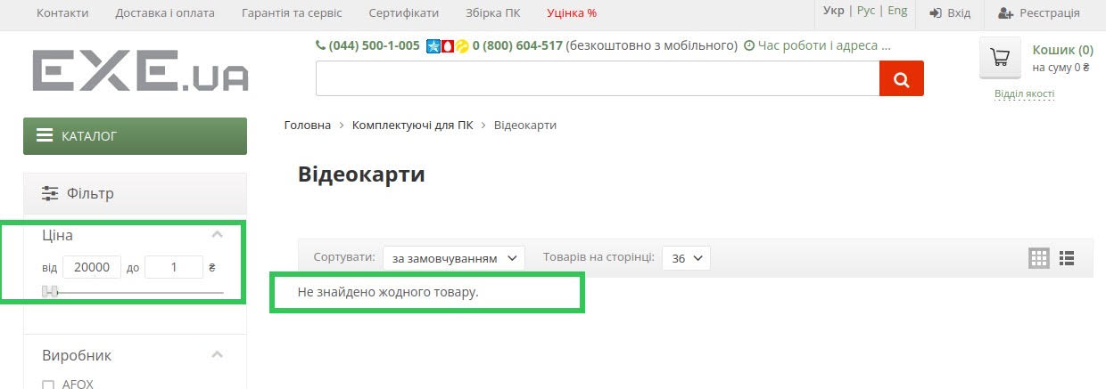
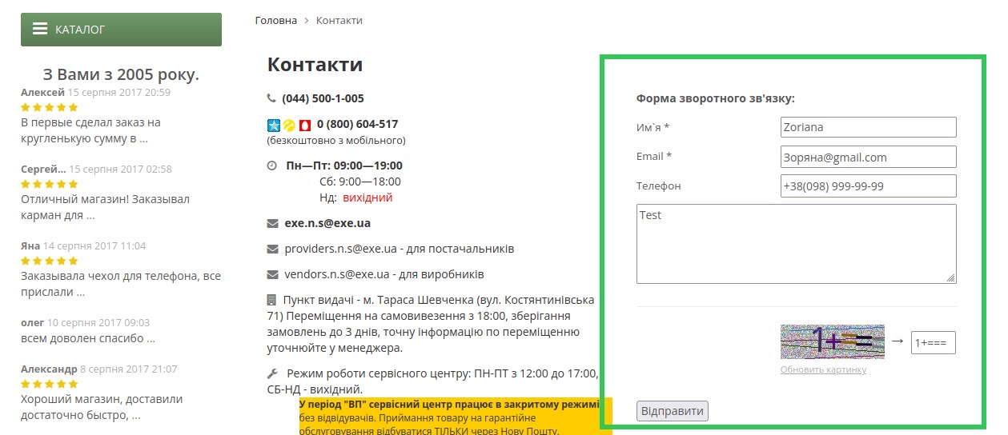
Attachment

