BOM
Item | Filename | Thumbnail | BOM Structure | Unit QTY | QTY | Description | REV | Material | Vendor | Web Link
7 | Vibration-Resistant-Spring Lock-Washers-M6-Steel.ipt |  | Purchased | Each | 116 | Heavy-Vibration-Resistant Spring Lock Washers for Socket Head Screws | 1 | Steel | McMASTER-CARR | 93501A112
10 | ISO 4762 - M6 x 20 - Steel.ipt | 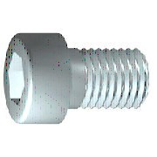 | Purchased | Each | 112 | Hexagon Socket Head Cap Screw |  | Steel | McMASTER-CARR | 91290A326
11 | ISO 4762 - M6 x 55 - Steel.ipt |  | Purchased | Each | 4 | Hexagon Socket Head Cap Screw |  | Steel | McMASTER-CARR | 91290A342
8 | ISO 4017 - M6 x 35 - ISO Steel.ipt | 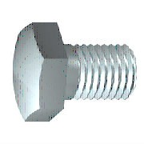 | Purchased | Each | 16 | Hexagon head screws |  | Steel | McMASTER-CARR | 91280A340
1 | CD-001613.iam | 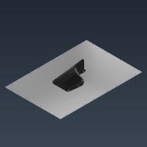 | Normal | Each | 1 | bmw kft 90 vacuum insert assembly | 1
1.4 | ISO 4032 - M5 - ISO - Stainless Steel.ipt | 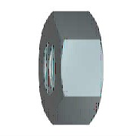 | Purchased | Each | 9 | Hexagon nuts, style 1 - Product grades A and B | 1 | Stainless Steel
1.6 | CD-001612.ipt |  | Normal | Each | 1 | bmw vacuum deckle plate | 2 | Aluminum 6061
1.1 | CD-001577.ipt | 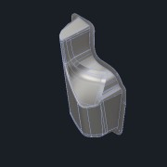 | Normal | Each | 1 | bmw vacuum screen | 1 | Stainless Steel
1.2 | CD-001578.ipt | 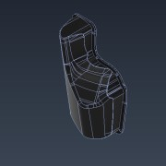 | Normal | Each | 1 | bmw vacuum screen backer | 1 | Plastic, Opaque Black
1.5 | ISO 10642 - M5 x 25 Stainless Steel.ipt | 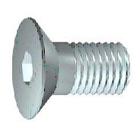 | Purchased | Each | 9 | hexagon socket countersunk head cap screws | 1 | Stainless Steel
1.3 | ISO 7089 - 5 - 140 HV(1) Stainless Steel.ipt | 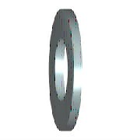 | Purchased | Each | 9 | washers, ISO 7089 | 2 | Stainless Steel | McMASTER-CARR | 90965A160
2 | CD-001621.iam | 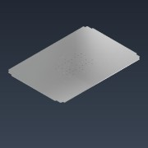 | Normal | Each | 1 | bmw kft90 bladder assembly | 1
2.2 | CD-001623.ipt | 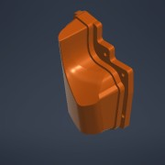 | Normal | Each | 1 | bmw kft90 bladder | 1 | Plastic, Opaque Black
2.1 | CD-001620.ipt | 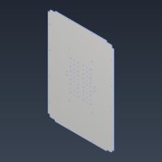 | Normal | Each | 1 | bmw kft90 bladder adapter plate | 2 | Aluminum 6061
2.3 | ISO 4762 - M6 x 20ISO Stainless Steel.ipt |  | Purchased | Each | 6 | iso 4762 m6 x 20 | 2 | Stainless Steel
3 | CD-001660.ipt | 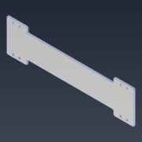 | Normal | Each | 2 | bmw kft90 thermocouple cover plate | 3 | Aluminum 6061
4 | CD-001364.ipt | 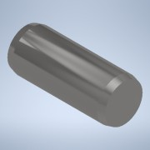 | Normal | Each | 4 | dowel pin, 5mm diameter, 12mm length | 1 | Stainless Steel | McMASTER-CARR | 91585A526
5 | Vibration-Resistant-Spring Lock-Washers-M8-Stainless Steel.ipt |  | Purchased | Each | 20 | heavy-vibration-resistant spring lock washers for socket head screws | A | Stainless Steel | McMASTER-CARR | 90488A140
6 | Vibration-Resistant-Spring Lock-Washers-M6-Stainless Steel.ipt |  | Purchased | Each | 21 | heavy-vibration-resistant spring lock washers for socket head screws | 2 | Stainless Steel | McMASTER-CARR | 90488A130
9 | ISO 4762 - M8 x 20ISO Stainless Steel.ipt |  | Purchased | Each | 20 | hexagon socket head cap screw | 2 | Stainless Steel
12 | ISO 4762 - M6 x 20ISO Stainless Steel.ipt |  | Purchased | Each | 21 | iso 4762 m6 x 20 | 2 | Stainless Steel
13 | CD-001366.ipt |  | Purchased | Each | 4 | retaining ring - internal - c-type |  | Stainless Steel AISI 304 | MiSUMi | RTWS11

