scenario_D
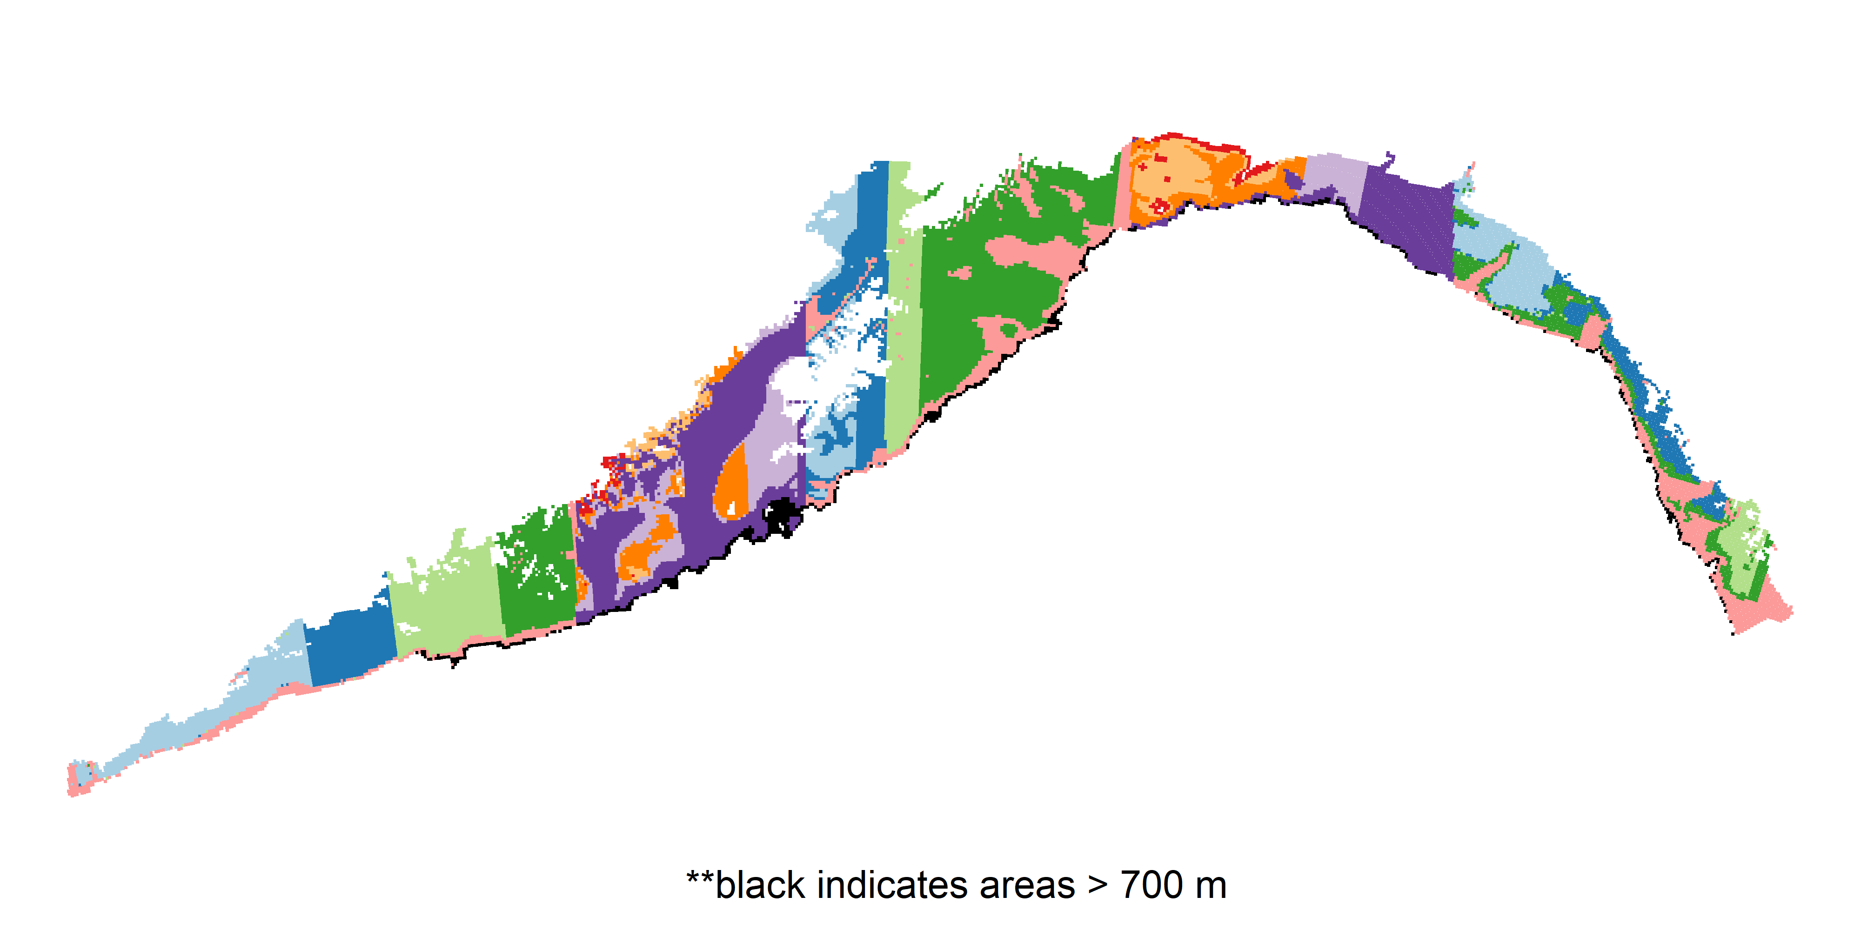
Domain | Allocation | lower_depth | upper_depth | total_area_km2
West | 15 | 32 | 197 | 12697
West | 21 | 32 | 199 | 10507
West | 24 | 32 | 202 | 16827
West | 26 | 33 | 203 | 13342
West | 13 | 47 | 300 | 6560
Chirikof | 2 | 33 | 90 | 938
Chirikof | 2 | 33 | 94 | 2753
Chirikof | 11 | 33 | 107 | 8489
Chirikof | 31 | 32 | 132 | 15858
Chirikof | 71 | 33 | 300 | 36343
Kodiak | 14 | 32 | 125 | 8580
Kodiak | 31 | 32 | 212 | 15989
Kodiak | 21 | 32 | 213 | 14024
Kodiak | 66 | 33 | 213 | 36818
Kodiak | 32 | 40 | 300 | 17612
Yakutat | 4 | 32 | 82 | 2049
Yakutat | 10 | 83 | 134 | 7095
Yakutat | 13 | 42 | 288 | 6753
Yakutat | 4 | 33 | 295 | 4025
Yakutat | 28 | 32 | 300 | 14098
Southeast | 10 | 34 | 159 | 9144
Southeast | 13 | 32 | 168 | 7769
Southeast | 8 | 34 | 170 | 4235
Southeast | 18 | 33 | 216 | 9993
Southeast | 25 | 42 | 300 | 12805

scenario_J
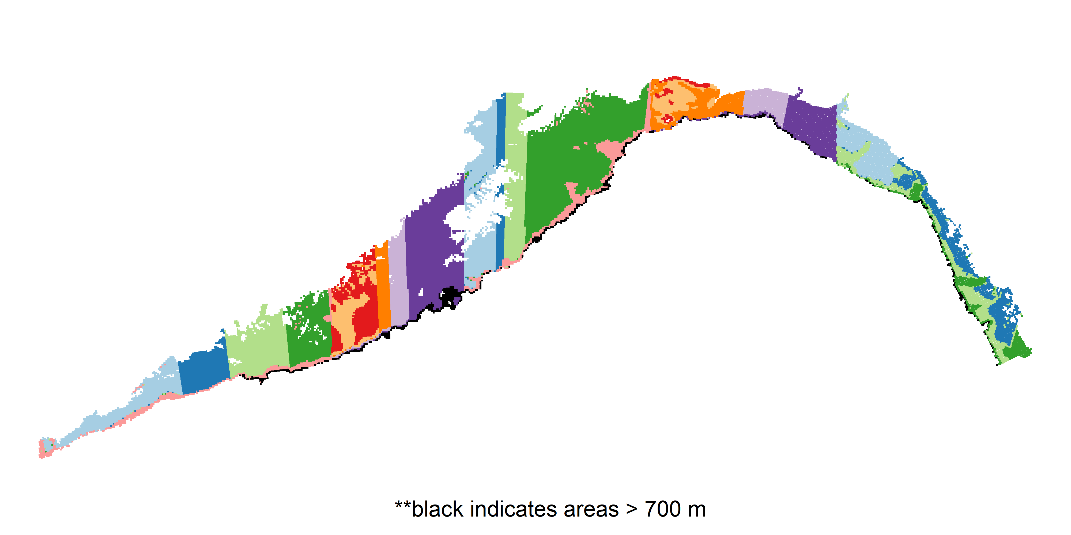
Domain | Allocation | lower_depth | upper_depth | total_area_km2
West | 16 | 32 | 188 | 13021
West | 21 | 32 | 193 | 10374
West | 24 | 32 | 197 | 16322
West | 27 | 33 | 198 | 13418
West | 13 | 47 | 700 | 6796
Chirikof | 23 | 33 | 142 | 11669
Chirikof | 11 | 143 | 277 | 8026
Chirikof | 9 | 34 | 339 | 5860
Chirikof | 18 | 35 | 581 | 9437
Chirikof | 54 | 32 | 699 | 29391
Kodiak | 28 | 32 | 229 | 17007
Kodiak | 13 | 32 | 243 | 5539
Kodiak | 26 | 32 | 243 | 15374
Kodiak | 85 | 33 | 259 | 46074
Kodiak | 12 | 139 | 700 | 9029
Yakutat | 3 | 34 | 84 | 1533
Yakutat | 8 | 34 | 127 | 5638
Yakutat | 18 | 32 | 438 | 8899
Yakutat | 7 | 33 | 511 | 5582
Yakutat | 24 | 32 | 700 | 12368
Southeast | 14 | 34 | 178 | 10798
Southeast | 25 | 32 | 180 | 13098
Southeast | 24 | 37 | 279 | 12864
Southeast | 12 | 42 | 693 | 7185

scenario_E
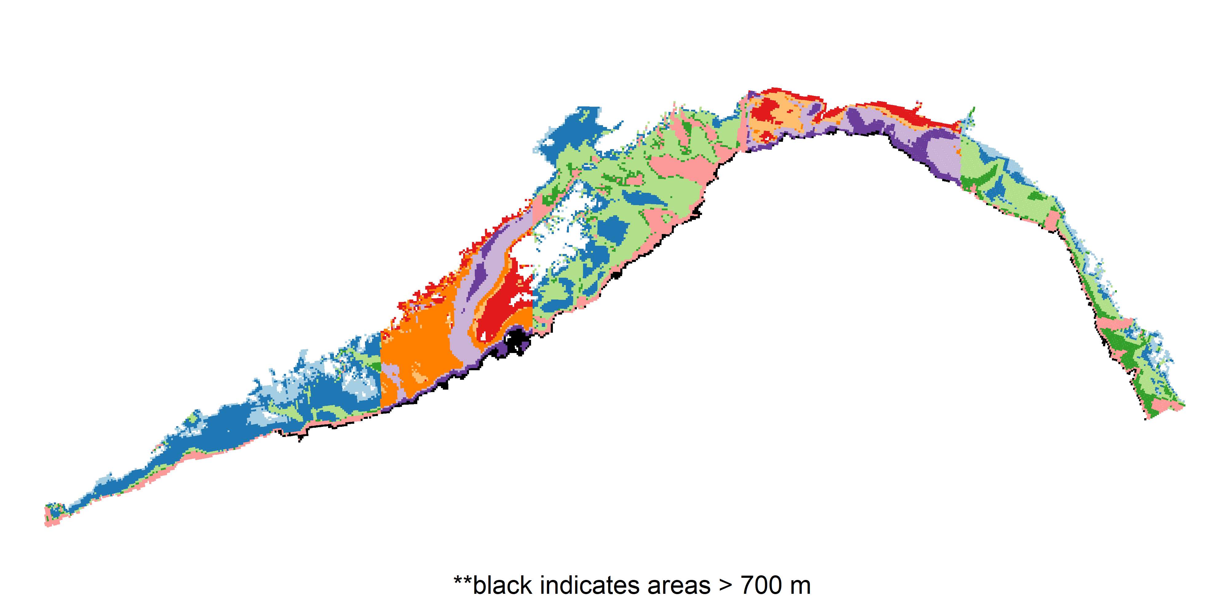
Domain | Allocation | lower_depth | upper_depth | total_area_km2
West | 22 | 32 | 83 | 12913
West | 64 | 84 | 147 | 33811
West | 10 | 148 | 194 | 6494
West | 3 | 195 | 217 | 1288
West | 10 | 218 | 300 | 5427
Chirikof | 18 | 32 | 83 | 11432
Chirikof | 9 | 84 | 96 | 3140
Chirikof | 49 | 97 | 199 | 27846
Chirikof | 25 | 200 | 293 | 16505
Chirikof | 17 | 294 | 300 | 5459
Kodiak | 4 | 32 | 41 | 1904
Kodiak | 35 | 42 | 98 | 22188
Kodiak | 86 | 99 | 187 | 42292
Kodiak | 11 | 188 | 203 | 6293
Kodiak | 32 | 204 | 300 | 20345
Yakutat | 11 | 32 | 97 | 6568
Yakutat | 10 | 98 | 137 | 6831
Yakutat | 2 | 138 | 142 | 851
Yakutat | 19 | 143 | 216 | 11564
Yakutat | 18 | 217 | 300 | 8207
Southeast | 11 | 32 | 92 | 5118
Southeast | 9 | 93 | 124 | 5287
Southeast | 30 | 125 | 198 | 17947
Southeast | 17 | 199 | 276 | 9337
Southeast | 12 | 278 | 300 | 6256

scenario_K
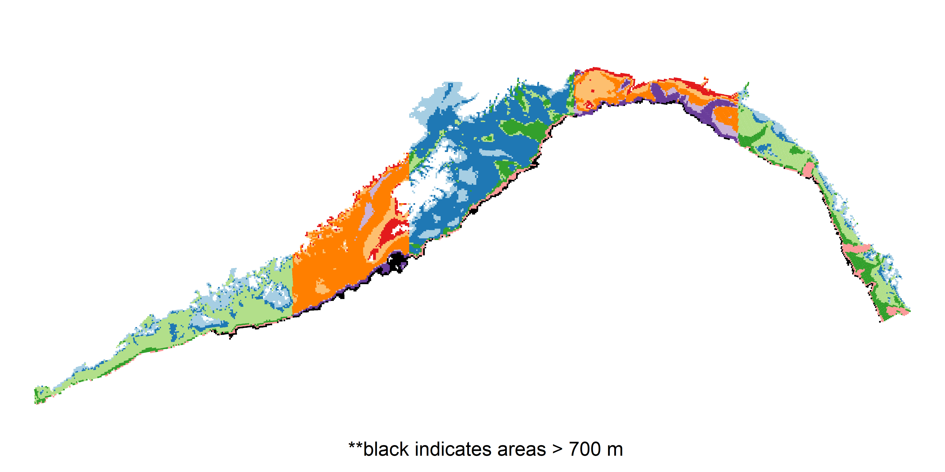
Domain | Allocation | lower_depth | upper_depth | total_area_km2
West | 23 | 32 | 83 | 12913 | 2582.6
West | 14 | 84 | 94 | 6876 | 1375.2
West | 66 | 95 | 244 | 35660 | 7132
West | 5 | 245 | 430 | 3073 | 614.6
West | 3 | 431 | 700 | 1411 | 282.2
Chirikof | 7 | 32 | 53 | 5032 | 1006.4
Chirikof | 21 | 54 | 98 | 10485 | 2097
Chirikof | 80 | 99 | 294 | 43612 | 8722.4
Chirikof | 2 | 295 | 352 | 2689 | 537.8
Chirikof | 5 | 354 | 699 | 2564 | 512.8
Kodiak | 32 | 32 | 89 | 18584 | 3716.8
Kodiak | 109 | 90 | 204 | 54436 | 10887.2
Kodiak | 10 | 205 | 222 | 6019 | 1203.8
Kodiak | 13 | 223 | 379 | 10738 | 2147.6
Kodiak | 5 | 380 | 700 | 3245 | 649
Yakutat | 6 | 32 | 79 | 3666 | 733.2
Yakutat | 14 | 80 | 132 | 8827 | 1765.4
Yakutat | 19 | 133 | 196 | 10001 | 2000.2
Yakutat | 7 | 197 | 222 | 4032 | 806.4
Yakutat | 15 | 223 | 700 | 7493 | 1498.6
Southeast | 12 | 32 | 95 | 5473 | 1094.6
Southeast | 5 | 96 | 117 | 3384 | 676.8
Southeast | 33 | 118 | 196 | 19015 | 3803
Southeast | 20 | 197 | 301 | 10617 | 2123.4
Southeast | 9 | 302 | 693 | 5455 | 1091

