Brand Colors
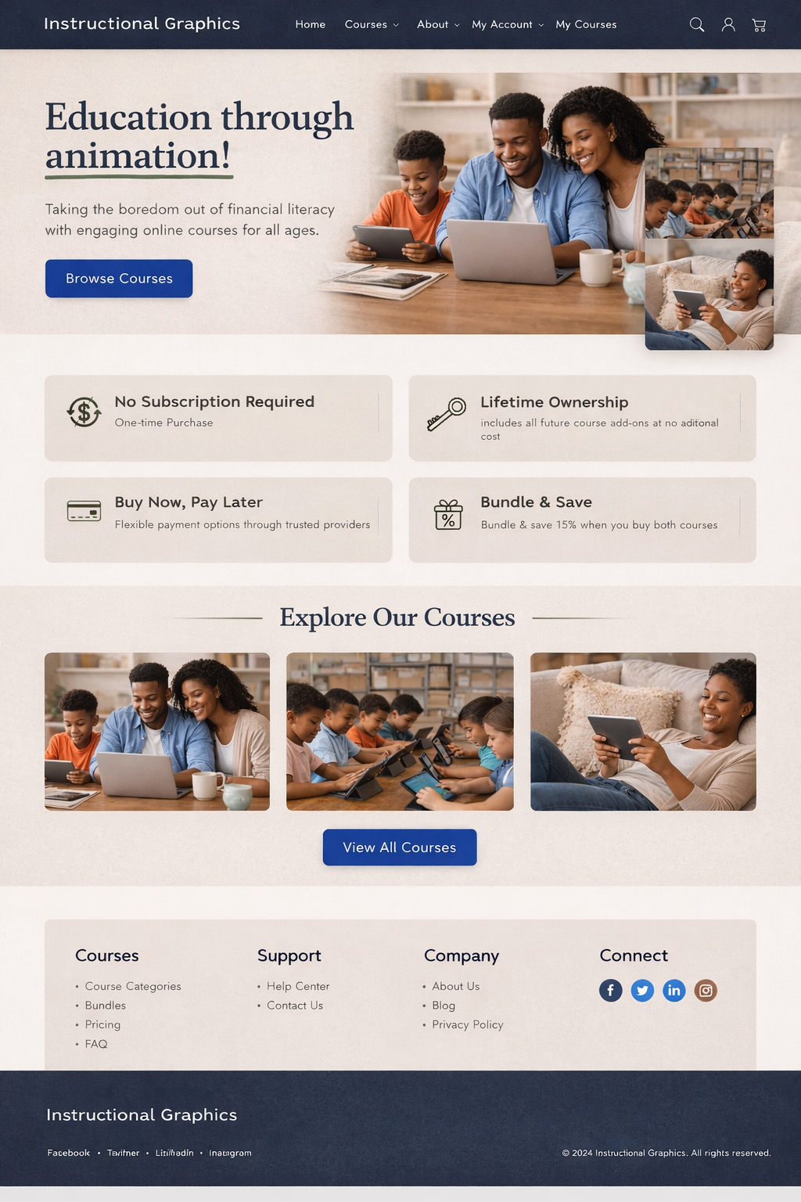

Hero Section:
•Beige background
•Dark navy headline
•Green accent underline
•Blue CTA button
Feature Cards:
•D2CCC1 background
•Charcoal text
•Green icons
Footer:
•Dark navy background
•Platinum text
Blue links

Structure colors (framework):
•Beige E7E4DE
•Main background → E7E4DE (Light Beige)
•Section alternation → E8E8E8 (Platinum)
•Cards → D2CCC1
•Body text → 212529

•Blue 1D375F
•Primary CTA buttons
•Hyperlinks
•Icons
•Small graphic accents
•Key stats
•Active states

Green 2C795A
•Success messages
•Highlights
•Section dividers
•Subtle underlines
•Progress bars

•Navy 101B35
•Footer | Using this as a mockup, give me a visual image to complete this homepage. Homepage should include Menu Bar; hero section; What Makes this different?; High-level Overview of the courses; Demo Video Section (course is playing on a laptop); Who It's for? My credibility Snapshot; a YouTube Video - to highlight and drive traffic; testimonials; Final CTA Section; footer. The framework colors:
•Navigation bar
•Section headers
•Occasional hero blocks

FAQ
