Physical cell naming rule
Physical cell name rule
 |  | CorePower="VDD(1V) name", IOPower="VCC name", IOGround="VSS name"
Physical cell Type |  | Instance name | Example | Note
PowerIO: (PAD connect) |  | IO_TOP/PAD_<PGName>_<CorePower>_<IOPower>_<IOGround>_SirialNumber | IO_TOP/PAD_ISOVDD_ISOVDD_E0VCC_EVSS1_001 | PGName: Power(Ground)Terminal[GCNMOS]:
GroundIO: (PAD connect) |  |  | IO_TOP/PAD_VSS_ISOVDD_E0VCC_EVSS0_001 | AWOVDD, ISOVDD, E0VCC, E1VCC, E2VCC, OSCVCC
 |  |  | IO_TOP/PAD_A0VCC_ISOVDD_A0VCC_A0VSS_001 | VSS, EVSS0, EVSS1, OSCVSS
 |  |  |  | A0VCC/A1VCC/A2VCC/A3VCC/AFCVCC/ADSVCC/ACYVCC
 |  |  |  | A0VSS/A1VSS/A2VSS/A3VSS/AFCVSS/ADSVSS/ACYVSS
PowerIO: (PAD not connect ESD Protection) |  | IO_TOP/ESD_<PGname>_<CorePower>_<IOPower>_<IOGround>_SirialNumber | IO_TOP/ESD_E0VCC_AWOVDD_E0VCC_EVSS0_001 | PGName: Power(Ground)Terminal[ESD_protection]:
GroundIO: (PAD not connect ESD Protection) |  |  |  | AWOVDD/ISOVDD/E0VCC/E1VCC/E2VCC/OSCVCC
 |  |  |  | VSS/EVSS0/EVSS1/OSCVSS
 |  |  |  | A0VCC/A1VCC/A2VCC/A3VCC/AFCVCC/ADSVCC/ACYVCC
 |  |  |  | A0VSS/A1VSS/A2VSS/A3VSS/AFCVSS/ADSVSS/ACYVSS
Core Placement ESD protection: |  | ESDCORE_<Power>_<Ground>_SirialNumber | ESDCORE_HOCOVDD_VSS_01 | Since there is no bidirectional diode, additional confirmation is required.

Core Placement bidirectional diode: |  | DIODE_<Ground1>_<Ground2>_SirialNumber | DIODE_A0VSS_VSS_01

IO-Filler: |  | IO_TOP/FILL_<CorePower>_<IOPower>_<IOGround>_SirialNumber | IO_TOP/FILL_ISOVDD_A3VCC_A3VSS_P2CIFAHAHO100_341000__7783800 | Negative coordinates in the example are indicated by "_"

Buffer: |  | IO_TOP/BUFFER_<CorePower>_<IOPower>_<IOGround>_SirialNumber | IO_TOP/BUFFER_ISOVDD_E0VCC_EVSS0_001
(Repeater buffer cell to be placed in the IO area)
AntennaCapIO： |  | IO_TOP/ANT_<CorePower>_<IOPower>_<IOGround>_SirialNumber | IO_TOP/ANT_ISOVDD_E0VCC_EVSS1_001

Bridge cell： |  | IO_TOP/BRIDGE_<CorePower>_L_<LeftIOPower>_<LeftIOGround>_R_<RightIOPower>_<RightIOGround>_SirialNumber | IO_TOP/BRIDGE_ISOVDD_L_A0VCC_A0VSS_R_A1VCC_A1VSS_001 | L=left, R=Right

Cut cell： |  | IO_TOP/CUT_<CUTPower>_<CorePower>_L_<LeftIOPower>_<LeftIOGround>_R_<RightIOPower>_<RightIOGround>_SirialNumber | IO_TOP/CUT_VCCQ_ISOVDD_L_E2VCC_EVSS1_R_E1VCC_EVSS1_001 | CUTPower:VDD, VCCQ, SYSVCC, SSQ
 |  |  | IO_TOP/CUT_ISOVDD_L_SYSVCC_SYSVSS_RSYSVCC_SYSVSS_001 | L=left, R=Right
CORNER： |  | IO_TOP/CORNER_<Position>_<CorePower>_<IOPower>_<IOGround>_SirialNumber | IO_TOP/CORNER_RD_ISOVDD_A0VCC_A0VSS_001 | Position: RU(RightUp), LU(LeftUp), LD(LeftDown), RD(RightDown)
 |  |  | IO_TOP/CORNER_LD_ISOVDD_E0VCC_EVSS1_001
PAD: |  | PAD_SirialNumber_<PinName> | PAD_1_P00_1
PAD_OPT: |  | PAD_OPT_SirialNumber_<PinName> | PAD_2_FVCC
 |  |  | PAD_OPT_1_P00_1
Core Placement Analog DECAP： |  | DECAP_<Power>_<Ground>_SirialNumber | DECAP_ADSVCC_ADSVSS_01

Gardring(IO-CORE)： |  | guard_IO_SirialNumber | guard_IO_1_0_ARV28OTR0005P02S100_1234 | HightVolt:5V, 1V, LowVolt:0V
Gardring(RepeatorArea)： | unit,unit79 | inst_guard_<Power>_<Ground>_SirialNumber | inst_guard_SYSVCC_VSS__168_FHFV5GRGV100_10955 | AreaNumber:PlacementBlockage
 | unit48,unit107 | inst_guard_<Power>_<Ground>_<CorePower>_SirialNumber | inst_guard_A0VCC_VSS_ISOVDD_UL__204_ARV28OTR0005NP9S0505_12901 | LevelShiftType:UL(UP LevelShifter), DL(Down LevelShifter)

ENDCAP: | unit(DefaultDomain) | boundarycell_ENDCAP_BOUNDARY_LEFTorRIGHT_SirialNumber | boundarycell_ENDCAP_BOUNDARY_LEFTBWP7T40P140_39918 | LR:L(left), R(right)
 | unit(OtherDomain) | PowerDomainHierarchy/boundarycell_ENDCAP_BOUNDARY_LEFTorRIGHT_SirialNumber | SYS_TOP/SYSCTL/f_clscmsk/lsctltop/dcdclvdd_lsctl_v12l/boundarycell_ENDCAP_BOUNDARY_LEFTBWP7T40P140_133799
 | unit48 | PowerDomainHierarchy/boundarycell_ENDCAP48_SirialNumber | IO_TOP/lscblk/a0vcc_lscblk/boundarycell_ENDCAP48_T5CFILL2P_1008
 | unit79 | *_<PowerDomain>_* | boundarycell_ENDCAP79_T5DFILL_R_52_from_PD_ADSVCC_VSS_ISOVDD_ | UNIT79=DownLevelShifter
 | unit107 | PowerDomainHierarchy/*_<PowerDomain>_* | IO_TOP/lscblk/a0vcc_lscblk/boundarycell_ENDCAP107_T5C2UFILL_L_119_from_PD_A0VCC_VSS_ISOVDD_ | UNIT48, UNIT107=UpLevelShifter
TAP: | unit(DefaultDomain) | tapfiller_WTAP_SirialNumber | tapfiller_WTAP_TAPCELLBWP7T40P140_31233
 | unit(OtherDomain) | PowerDoaminHierarchy/tapfiller_WTAP_SirialNumber | SYS_TOP/SYSCTL/f_clscmsk/lsctltop/dcdclvdd_lsctl_v12l/tapfiller_WTAP_TAPCELLBWP7T40P140_234043
 | unit79 | *_<PowerDomain>_* | tapfiller_WTAP79_T5DFILL4P_58_from_PD_ADSVCC_VSS_ISOVDD_
 | unit107 | PowerDomainHierarchy/*_<PowerDomain>_* | IO_TOP/lscblk/a0vcc_lscblk/tapfiller_WTAP107_T5C2UFILL4P_86_from_PD_A0VCC_VSS_ISOVDD_
FILLER: | unit(DefaultDomain) | xofiller_Fill_CellName_xCoordinate_yCoordinate | xofiller_Fill_FILL2BWP7T40P140_x761600y_13090000
 | unit(OtherDomain) | PowerDomainHierarchy/xofiller_Fill_xCoordinate_yCoordinate | IO_TOP/lscblk/a0vcc_lscblk/xofiller_Fill48_T5CFILL3P_x25755800y_12525000
 | unit48 | PowerDomainHierarchy/xofiller_Fill48_xCoordinate_yCoordinate | IO_TOP/lscblk/a0vcc_lscblk/xofiller_Fill48_T5CFILL3P_x25755800y_12525000
 | unit79 | *_<PowerDomain>_* | xofiller_Fill79_T5DFILL32P_x22391600y_11248000_from_PD_ADSVCC_VSS_ISOVDD_
 | unit107 | PowerDomainHierarchy/*_<PowerDomain>_* | IO_TOP/lscblk/a0vcc_lscblk/xofiller_Fill107_T5C2UFILL4P_x26555200y_12656000_from_PD_A0VCC_VSS_ISOVDD_
LPF： |  | <TargetCellHierarchy>/lpf_leftop | SYS_TOP.SYSCTL.f_power.sysv33s_pmu.pmvcltop.pmvcltophm.lpf_reftop
E2x,U2A,U2B only. |  | <TargetCellHierarchy>/lpf_dettop | SYS_TOP.SYSCTL.f_psvm.sysv33s_vmon.vmondet.lpf_dettop
U2C is not required because it is not placed as a physical cell.

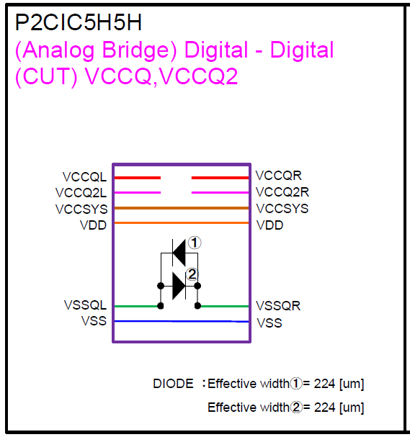
LeftTIOPower
RightIOPower
RightIOGround
LeftIOGround
Bridge cell

Analog PG rule
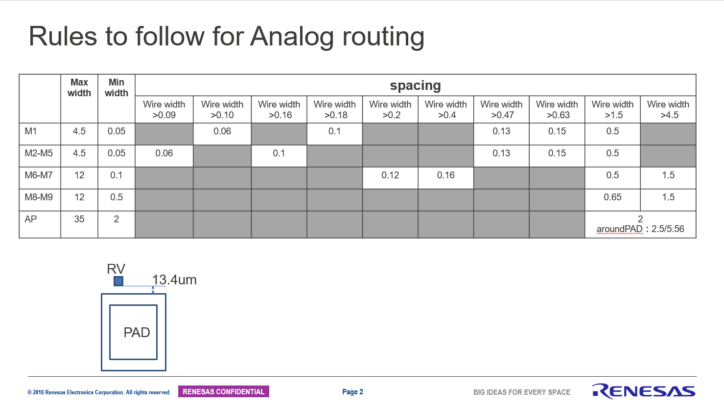
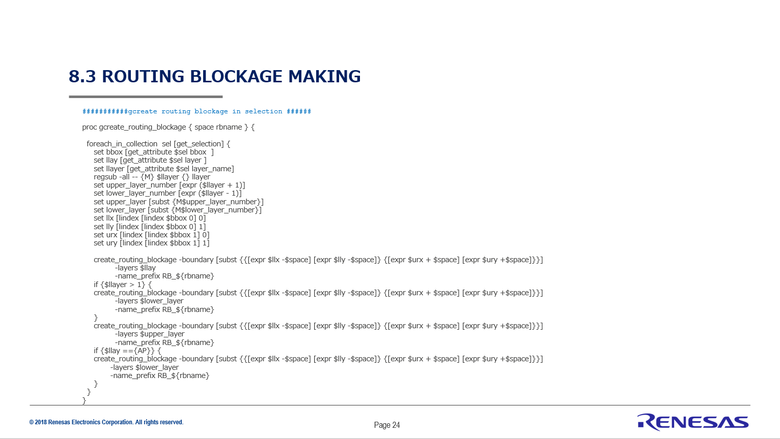
Analog and Power Wire making rule(Parts staff) |  |  |  |  |  |  |  |  |  | Analog rule
1) | Please make it by designated Floorplan data (ICC2_DB).
2) | Please read via_master.
3) | The analog parts name is based on an Ecolumn of "analog_list".
4) | RouteBlockage makes it using "create_RB_proc.tcl" as it'll be RB_"part name".(AD:create_RB_proc_AD.tcl, FLASH:create_RB_proc_FLI.tcl)
5) | The Analog wiring attribute, "user_route".
6) | The Power wiring attribute is made "Macro Pin Connection", "Ring", "Stripe".
7) | Please release it after verify.
8) | Read checked in front of the release.(selfcheck)

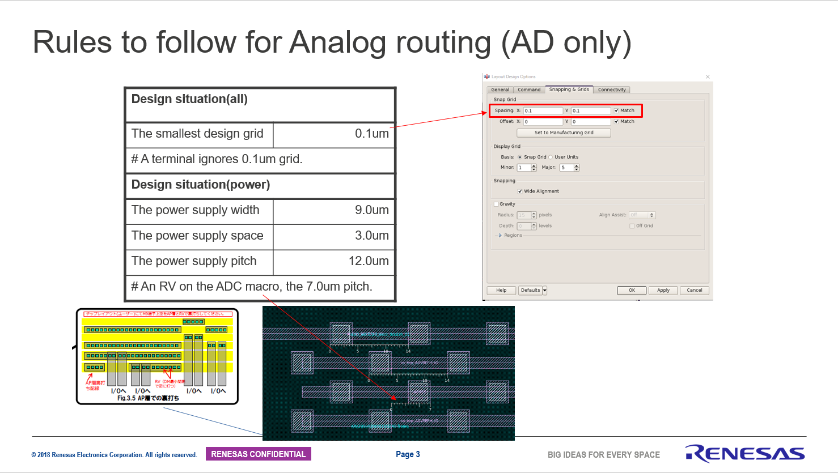
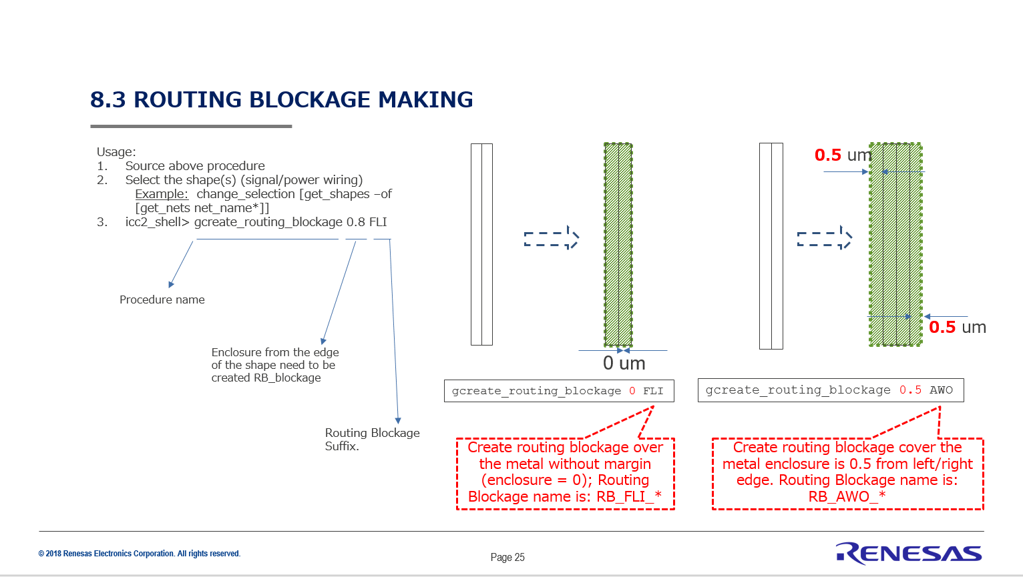
Analog and Power Wire release rule(Release staff for PnR)
1) | RouteBlockage_analog_all.tcl_ICC2 and RouteBlockage_analog_all.tcl_INNO is made and released.
2) | RouteBlockage_analog_all.tcl_ICC2 is applied to Floorplan, and checks that there are no problems.
3) | Check whether Parts name of RouteBlockage is right.
4) | Analog_all.tcl_ICC2 is made.
5) | check whether the attribute of Analog (user_route) is right.
6) | Via name check of analog dump file.
7) | Check that there are no errors by reading of Analog_all.tcl_ICC2. (crosscheck)
8) | All analog parts are read and overlap is checked.
9) | PG_all.tcl_ICC2 and PG_all.tcl_INNO are made.
10) | Via name check of PG def.
11) | Check that there are no errors by reading of PG_all.tcl_ICC2. (crosscheck)
12) | Verify checks Analog_all.tcl_ICC2 and PG_all.tcl_ICC2 after input.
13) | After verify check, notifies PnR.(E-mail and Excel entry)

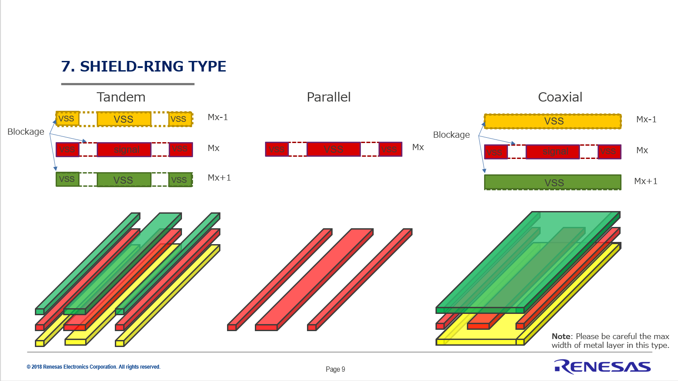
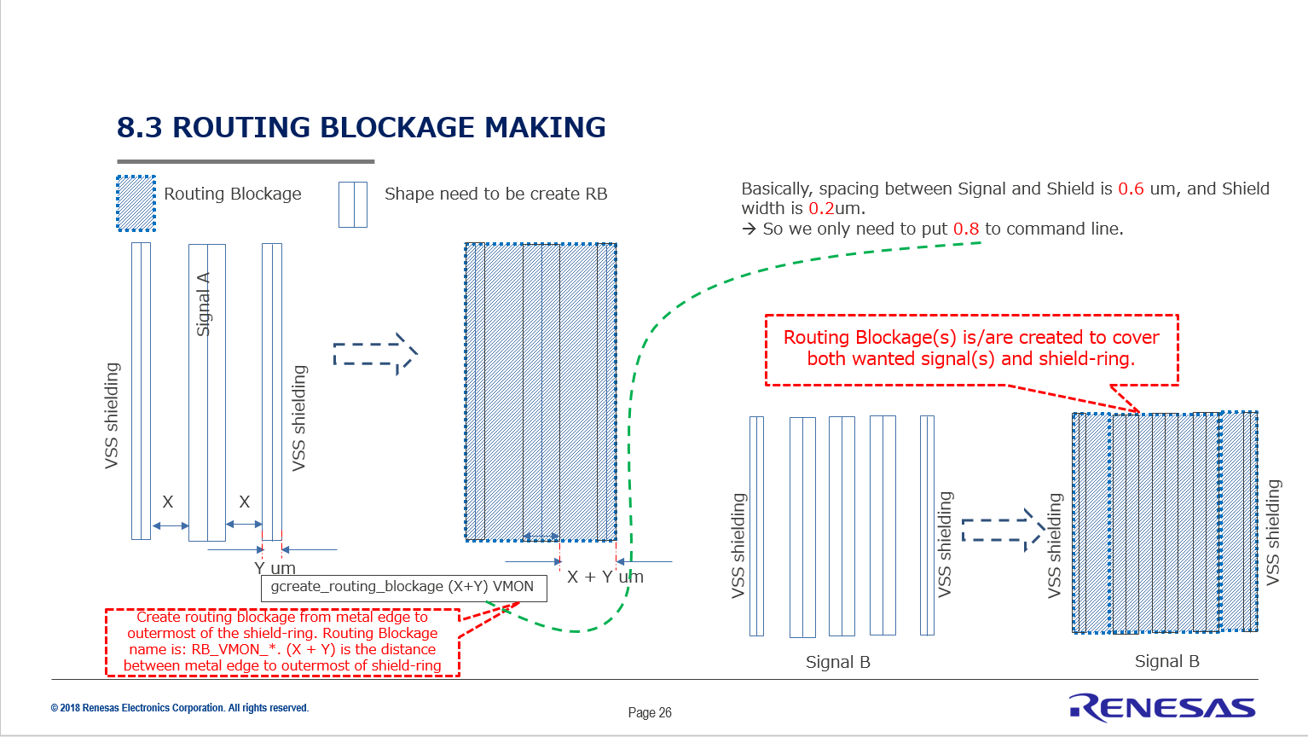

 |  |  |  |  |  |  | Self Check | Cross Check
PG Branch rule |  |  |  |  |  | Date | 2022-02-24 | 2022-02-24
 | Attach a special tag to the wires that you do not want to connect to AutoPG. |  |  |  |  | Name | Saito | Kawaguchi
 | Tag nameを目印に、RGを作成しAutoPGとViaで接続しないようにします。
 | Area | Tag name |  |  | Layer
 | SYS area | SYS_PG_branch |  |  | AP/M9/M8/M7/M6/M5/M4
 | LVDS area | LVDS_shield |  |  | AP
 | AD area | AD_IP_GR_VSS |  |  | M9/M8
 | VCLTOP area | VCL_branch |  |  | M9/M8/M7/M6/M5/M4/M3/M2
 | DCDC_area | DCDC_PG_branch |  |  | AP/M9/M8/M7/M6

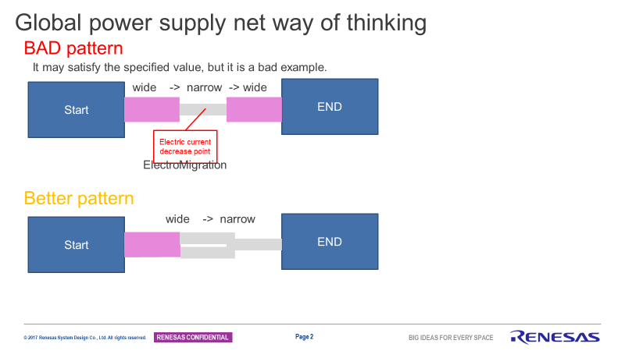
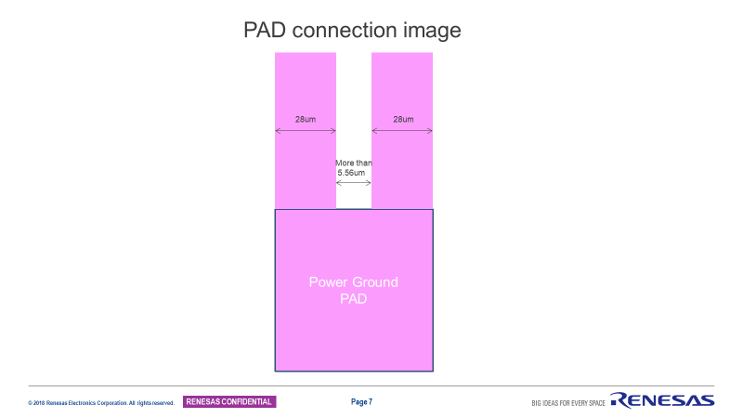

 |  |  |  |  |  |  | Self Check | Cross Check
 |  |  |  |  |  | Date
PG 800Mhz area information |  |  |  |  |  | Name
 | 800MHz経路検討_7T用.pptx |  |  | 800mhz座標リスト.xlsx

 |  |  |  |  |  |  |  |  |  | An example of wiring branching from PAD to HM.
PAD
PAD
 |  |  |  |  |  |  | Self Check | Cross Check
 |  |  |  |  |  | Date | 2022-02-09 | 2022-02-28
Prohibition of passing PG wire other than HM dedicated power supply and wire branching information |  |  |  |  |  | Name | Nakajima | Saito

OK
NG
 | 2021-08-27 | Cell name | Instance name |  | Wiring constraint | Pin name | Net name | Branch wire | Note
 | SYSTEM area DCDC | DCDC | ARV28SWR0003ADWM3311A0 |  | Special treatment is required for AP OBS. Please check the guide. | FB_VAN | ISOVDD | Yes | Branching wire from PAD (Connect from Moniter and Sence PAD)
 |  |  |  |  |  | NGATE_V50 | NGATE_V50 | Yes | Branching wire from PAD
 |  |  |  |  |  | PGATE_V50 | PGATE_V50 | Yes | Branching wire from PAD
 |  |  |  |  |  | VCC | SYSVCC | No | Branching wire from PAD
 |  |  |  |  |  | VCCA | SVRAVCC | Yes | Branching wire from PAD
PIN
PIN
PIN
PIN
 |  |  |  |  |  | VCC2 | SVRDRVCC | Yes | Branching wire from PAD
 |  |  |  |  |  | VDDL | DCDCLVDD | Yes | Branching wire from VDC
Hard Macro
Hard Macro
Hard Macro
Hard Macro
 |  |  |  |  |  | VDDR | SDRVVDD_TEST1 | Yes | Branching wire from PAD
 |  |  |  |  |  | VSS | VSS | No | Branching wire from PAD
 |  |  |  |  |  | VSSA | SVRAVSS | Yes | Branching wire from PAD
Need to confirm is it branching from PAD or NOT?
 |  |  |  |  |  | VSS2 | SVRDRVSS | Yes | Branching wire from PAD
 |  | DCDCLVDC | ARV28OTR0006REGUV1 |  | Please place this H/M, considering AP OBS in this H/M. | VSSPLL | VSS | No
PAD
Need to judge by RELPL leader.
Let's me discuss with REL PL leader about Analog branching point.
 |  |  |  |  |  | VSS | VSS | No
 |  |  |  |  |  | VDDM | ISOVDD | No
 |  |  |  |  |  | VDD | DCDCLVDD | No
 |  |  |  |  |  | VCCPLL | SYSVCC | No
 |  | DCDCVDC | ARV28IPS0001RDAP03A |  | M1–M5 forbidden area without input/output terminal | HOCOVDD | DCDCVDD | No
There is a possibility that the HM designer will judge that there is no problem if the resistance is low.
Need to review with IP designers.
 |  |  |  |  | M6-M9 Pass-through wiring is possible. (No digital signal to inject noise). | VDD | ISOVDD | Yes | -Branching wire from PAD -Do not connect to common mesh or IP
 |  |  |  |  | AP Wiring is possible only for the upper layer of the capacitance and the resistance element | VSS | VSS | Yes
 |  |  |  |  |  | VCC | SYSVCC | No
 |  | LOCO | ARV28CLK0002F25V10A0 |  | M1~M6 All area is covered except Ports. VIA1~8All area is covered. M7~M9 partial area is covered。 | VDD | DCDCVDD | No
 |  |  |  |  |  | VSS | VSS | No
 | SYSTEM area Temp sensor | THS | ARV28TPS0000AKGLTS2K30T55A0 |  | Please check U2BFCC for HM mesh structure. | VSSCA | VSS | No
 |  |  |  |  |  | VCCA | VCC | Yes | -Branching wire from PAD -Do not connect to common mesh or IP
PIN
PIN
Hard Macro
Hard Macro
PIN
Hard Macro
 |  |  |  |  |  | VSS | VSS | No
 |  |  |  |  |  | VDD | ISOVDD | No
 | SYSTEM area PLL | SSCG | ARV28PLL0000SGDC1066M50V1 |  | Please place this H/M, considering AP OBS in this H/M. | VDD | ISOVDD | No
 |  |  |  |  |  | VSSDDA | PLLVSS | No
 |  |  |  |  |  | VSS | VSS | No
 |  |  |  |  |  | VDDAA | PLLVDD | Yes | Branching wire from VDC
 |  | MPLL | ARV28PLL0002MPMO960M50V1 |  | Please place this H/M, considering AP OBS in this H/M. | VSSPLL | PLLVSS | No
 |  |  |  |  |  | VSS | VSS | No
 |  |  |  |  |  | VDDPLL | PLL0VDD | Yes | Branching wire from VDC
 |  |  |  |  |  | VDD | ISOVDD | No
 |  | TRNG | ARV28OTR0007NTRNGV1 |  | Please place this H/M, considering AP OBS in this H/M. | VDD | ISOVDD | No
 |  |  |  |  |  | VSSDDA | PLLVSS | No
 |  |  |  |  |  | VSS | VSS | No
 |  |  |  |  |  | VDDAA | PLLVDD | No | Branching wire from VDC
 |  | PLLVDC | ARV28OTR0006REGUV1 |  | Please place this H/M, considering AP OBS in this H/M. | VSSPLL | PLLVSS | Yes | -Branching wire from PAD -Do not connect to common mesh or IP
 |  |  |  |  |  | VSS | VSS | No
 |  |  |  |  |  | VDDM | ISOVDD | No
 |  |  |  |  |  | VDD | PLLVDD | Yes | Branching wire to HM
 |  |  |  |  |  | VCCPLL | PLLVCC | Yes | -Branching wire from PAD -Do not connect to common mesh or IP
 | SYSTEM area PLL | CLKGEN_PLL | ARV28PLL0001MPMP320M50V1 |  | Please place this H/M, considering AP OBS in this H/M. | VSSPLL | PLLVSS | No
 |  |  |  |  |  | VSS | VSS | No
 |  |  |  |  |  | VDDPLL | PLLHS0VDD | Yes | Branching wire from VDC
 |  |  |  |  |  | VDD | ISOVDD | No
 | SYSTEM area OSC | MainOSC | ARV28XTL0001F40M30T55B0B |  | M8,M9,AP layer can be allowed for PG. But digital signal is prohibited. Prohibition area is equal to OBS. | SGVDD | ISOVDD | Yes | -Branching wire from PAD -Do not connect to common mesh or IP
 |  |  |  |  |  | SGVSS | VSS | Yes | -Branching wire from PAD -Do not connect to common mesh or IP
 |  |  |  |  |  | VDD | ISOVDD | Yes | -Branching wire from PAD -Do not connect to common mesh or IP
 |  |  |  |  |  | VSS | VSS | Yes | -Branching wire from PAD -Do not connect to common mesh or IP
 |  |  |  |  |  | VCCA | OSCVCC | Yes | -Branching wire from PAD -Do not connect to common mesh or IP
 |  |  |  |  |  | VSSCA | OSCVSS | Yes | -Branching wire from PAD -Do not connect to common mesh or IP
 | SYSTEM area HOCO | HOCO | ARV28FCLK0003F200M1P1VA0 |  | No other power source can pass through HM. | VSS | VSS | No
 |  |  |  |  |  | VDDA | HOCOVDD | No
 |  |  |  |  |  | VSSDA | VSS | Yes | -Branching wire from PAD -Do not connect to common mesh or IP
 |  | HOCOVDC | ARV28IPS0001RDAP03A |  | M1–M5 forbidden area without input/output terminal | HOCOVDD | HOCOVDD | No
 |  |  |  |  | M6-M9 Pass-through wiring is possible. (No digital signal to inject noise). | VDD | ISOVDD | Yes | -Branching wire from PAD -Do not connect to common mesh or IP
 |  |  |  |  | AP Wiring is possible only for the upper layer of the capacitance and the resistance element | VSS | VSS | No
 |  |  |  |  |  | VCC | SYSVCC | No
 | SYSTEM area Power monitor | DMON | FYRCAC |  | No other power source can pass through HM. | VDD | ISOVDD | No | Separate PG with core-mesh (Connect from Moniter and Sence PAD) ※Connect with the core mesh with resistance wiring.
 |  |  |  |  |  | VSS | VSS | No | Separate PG with core-mesh (Connect is Moniter and Sence PAD) ※Connect with the core mesh with resistance wiring.
 |  | reftop | ARV28IPS0001RDAR00B |  | M1–M6 forbidden area without input/output terminal | VSS | VSS | No | Separate PG with core-mesh (Connect from Monite rand Sence PAD)
 |  |  |  |  | M7-M9 Pass-through wiring is possible. (No digital signal to inject noise). | VCCM2 | SYSVCC_LPFR | No | Need Shielding
 |  |  |  |  | AP Wiring is possible only for the upper layer of the capacitance and the resistance element | VCC | SYSVCC | No | Separate PG with core-mesh (Connect from Monite rand Sence PAD)
 |  | lpf_reftop | ARV28IPS0001RDAS00A |  | M1–M3 forbidden area without input/output terminal | VSS | VSS | No | Separate PG with core-mesh (Connect from Monite rand Sence PAD)
 |  |  |  |  | M4-AP Pass-through wiring is possible. (No digital signal to inject noise). | VCCSYS | SYSVCC_LPFR | No | Need Shielding
 |  |  |  |  |  | VCC2 | SYSVCC | No | Separate PG with core-mesh (Connect from Monite rand Sence PAD)
 |  | dettop | ARV28IPS0001RDAD00A |  | M1–M6 forbidden area without input/output terminal | VSS | VSS | No | Separate PG with core-mesh (Connect from Monite rand Sence PAD)
 |  |  |  |  | M7-M9 Pass-through wiring is possible. (No digital signal to inject noise). | VCCM2 | SYSVCC_LPFD | No | Need Shielding
 |  |  |  |  | AP Wiring is possible only for the upper layer of the capacitance and the resistance element | VCC | SYSVCC | No | Separate PG with core-mesh (Connect from Monite rand Sence PAD)
 |  | lpf_dettop | ARV28IPS0001RDAS00A |  | M1–M3 forbidden area without input/output terminal | VSS | VSS | No | Separate PG with core-mesh (Connect from Monite rand Sence PAD)
 |  |  |  |  | M4-AP Pass-through wiring is possible. (No digital signal to inject noise). | VCCSYS | SYSVCC_LPFD | No | Need Shielding
 |  |  |  |  |  | VCC2 | SYSVCC | No | Separate PG with core-mesh (Connect from Monite rand Sence PAD)
 |  | cvm_iso | ARV28IPS0001RDAV00A |  | M1–M5 forbidden area without input/output terminal | VSS | VSS | No | Separate PG with core-mesh (Connect from Monite rand Sence PAD)
 |  |  |  |  | M6-M9 Pass-through wiring is possible. (No digital signal to inject noise). | VDDM | ISOVDD | Yes | -Branching wire from PAD (Connect from Monite rand Sence PAD) -Do not connect to common mesh or IP
 |  |  |  |  | AP Wiring is possible only for the upper layer of the capacitance and the resistance element | VCC | SYSVCC | No | Separate PG with core-mesh
 |  | ramvdc | ARV28IPS0001RDAP00A |  | M1–M5 forbidden area without input/output terminal | VDD | RAMVDD | Yes | Branching wire from PAD
 |  |  |  |  | M6-M9 Pass-through wiring is possible. (No digital signal to inject noise). | VCC | SYSVCC | No
 |  |  |  |  | AP Wiring is possible only for the upper layer of the capacitance and the resistance element | VSS | VSS | No
 |  | RAMPSW | ARV28IPS0000RDAB00A |  | M1–M4 forbidden area without input/output terminal | VDD | RAMVDD | No
 |  |  |  |  | M5–AP no restriction of upper interconnect line | VDDM | ISOVDD | No
 |  |  |  |  |  | VSS | VSS | No
 | ADC area | RDC | ARV28RDC000012407RDBA0 |  |  | VCCRDAVVT | RDCVCC | Yes
 |  |  |  |  |  | VCCRDC | RDVCC | Yes
 |  |  |  |  |  | VCCRSO | AFCVCC | Yes
 |  |  |  |  |  | VDD | ISOVDD | No
 |  |  |  |  |  | VSS | VSS | No
 |  |  |  |  |  | VSSRDAVB | RDCVSS | Yes
 |  |  |  |  |  | VSSRDC | RDCVSS | Yes
 |  |  |  |  |  | VSSRSO | AFCVSS | Yes
 |  | DSCOM | ARV28VRF00040RDBA0 |  | DECAP can be wired only to the PG wiring and the DSADC input signal line . | VCCA2 | ADSVCC_1 | Yes
 |  |  |  |  | (DSINPx_AV5/DSINNx_AV5: M7) | VDD | ISOVDD | No
 |  |  |  |  | M1–M5 forbidden area without input/output terminal | VSS | VSS | No
 |  |  |  |  | Wiring of input signal lines of M6 to M9 is possible. Automatic placement and wiring is prohibited | VSSCA2 | ADSVSS_1 | Yes
 |  | DSADC | ARV28ADC000704806C2BA0 |  | DECAP can be wired only to the PG wiring and the DSADC input signal line . | VCCA | ADSVCC_1 | Yes
 |  |  |  |  | (DSINPx_AV5/DSINNx_AV5: M7) | VSSCA | ADSVSS_1 | Yes
 |  |  |  |  | M1–M5 forbidden area without input/output terminal | VSS | VSS | No
 |  |  |  |  | Wiring of input signal lines of M6 to M9 is possible. Automatic placement and wiring is prohibited | VDD | ISOVDD | No
 |  | CADC | ARV28ADC000214406FDBA0 |  | Wiring of input signal lines of M2 to M7 is possible. Automatic wiring is prohibited | VCCA | ADSVCC_2 | No
 |  |  |  |  | PG(AP layer) wiring is possible to the PG(M9 layer) terminal. | VSSCA | ADSVSS_2 | No
 |  |  |  |  |  | VSS | VSS | No
 |  |  |  |  |  | VDD | ISOVDD | No
 |  | ADC | ARV28ADC000812106BSDA4 |  | Wiring of input signal lines of M2 to M5 is possible. Automatic wiring is prohibited | VCCA | A*VCC | Yes | A0~3VCC
 |  |  |  |  | Only M1, M2, M9, and AP wiring that connects to the PG terminal is possible. | VSSCA | A*VSS | Yes | A0~3VSS
 |  |  |  |  |  | VSS | VSS | No
 |  |  |  |  |  | VDD | ISOVDD | No
 |  | adcamp | ARV28OPA000116SDA1 |  | Wiring of input signal lines of M2 to M5 is possible. Automatic wiring is prohibited | VCCA | A*VCC | Yes | A0~3VCC
 |  |  |  |  | Only M1, M2, M9, and AP wiring that connects to the PG terminal is possible. | VSSCA | A*VSS | Yes | A0~3VSS
 |  |  |  |  |  | VSS | VSS | No
 |  |  |  |  |  | VDD | ISOVDD | No
 |  | adsh | ARV28SHC000216SDA2 |  | Wiring of input signal lines of M2 to M5 is possible. Automatic wiring is prohibited | VCCA | A*VCC | Yes | A0~3VCC
 |  |  |  |  | Only M1, M2, M9, and AP wiring that connects to the PG terminal is possible. | VSSCA | A*VSS | Yes | A0~3VSS
 |  |  |  |  |  | VSS | VSS | No
 |  | vmon_e0vcc | ARV28VRF000112106CDA0 |  | Wiring of input signal lines of M2 to M4 is possible. Automatic wiring is prohibited | VCCA | A0VCC | Yes
 |  |  |  |  | Only M6-AP wiring that can be connected to the PG terminal (M5 layer) is possible. | VSSCA | A0VSS | Yes
 |  |  |  |  |  | VSS | VSS | No
 |  |  |  |  |  | VCC | E0VCC | No
 |  | vmon_vcc | ARV28VRF000112106CDA0 |  | Wiring of input signal lines of M2 to M4 is possible. Automatic wiring is prohibited | VCCA | A0VCC | Yes
 |  |  |  |  | Only M6-AP wiring that can be connected to the PG terminal (M5 layer) is possible. | VSSCA | A0VSS | Yes
 |  |  |  |  |  | VSS | VSS | No
 |  |  |  |  |  | VCC | FVCC | No
 |  | vmon_isovdd | ARV28VRF000212106CDA0 |  | Wiring of input signal lines of M2 to M4 is possible. Automatic wiring is prohibited | VCCA | A0VCC | Yes
 |  |  |  |  | Only M6-AP wiring that can be connected to the PG terminal (M5 layer) is possible. | VSSCA | A0VSS | Yes
 |  |  |  |  |  | VSS | VSS | No
 |  |  |  |  |  | VDD | ISOVDD | No
 |  | FCOMP | ARV28CMP0000AZ_MAIN |  | Wiring of input signal lines of M2 to M5 is possible. Automatic wiring is prohibited | VCCACMP | AFCVCC | Yes
 |  |  |  |  | PG connection with M9 and AP is possible for PG terminal (M8 layer) | VSSCACMP | AFCVCC | Yes
 |  |  |  |  |  | VCCADAC0 | AFCVCC | Yes
 |  |  |  |  |  | VSSCADAC0 | AFCVSS | Yes
 |  |  |  |  |  | VCCADAC1 | AFCVSS | Yes
 |  |  |  |  |  | VSSCADAC1 | AFCVSS | Yes
 |  |  |  |  |  | VDD | ISOVDD | No
 |  |  |  |  |  | VSS | VSS
 |  | FCOMPC | ARV28CMP0000AZ_BIAS |  | Wiring of input signal lines of M2 to M5 is possible. Automatic wiring is prohibited | VCCA | AFCVCC | Yes
 |  |  |  |  | PG connection with M9 and AP is possible for PG terminal (M8 layer) | VSS | VSS | No
 |  |  |  |  |  | VSSCA | AFCVSS | Yes
 |  | FCOMP_ANISW | ARV28CMP0000AZ_ANISW |  | Wiring of input signal lines of M2 to M3 is possible. Automatic wiring is prohibited | VCCA | A2VCC | Yes
 |  |  |  |  | PG connection with M6 and AP is possible for PG terminal (M5 layer) | VSS | VSS | No
 |  |  |  |  |  | VSSCA | A2VSS | Yes
 | Other HM | pico_sec_delay | ARV28PWM0000A0 |  |  | VDD | ISOVDD | No
 |  |  |  |  |  | VSS | VSS | No
 |  | LSC2 | ARV28IPS0001RDAL01A |  | M1–M4 forbidden area without input/output terminal |  |  | No
 |  |  |  |  | M5–AP no restriction of upper interconnect line |  |  | No
 |  | LSC3 | ARV28IPS0001RDAL02A |  | M1–M4 forbidden area without input/output terminal | VCCQ |  | No
 |  |  |  |  |  | VCCSYS |  | No
 |  |  |  |  |  | VDDM |  | No
 |  |  |  |  |  | VSS |  | No
 |  | LSC50 | ARV28IPS0001RDAL04A |  | M1–M4 forbidden area without input/output terminal | VCC |  | No
 |  |  |  |  |  | VCCSYS |  | No
 |  |  |  |  |  | VDDM |  | No
 |  |  |  |  |  | VSS |  | No
 |  | LCC | ARV28IPS0001RDAC00A |  | Regarding M1-M3, no feed through wiring is allowed. | VDDM | ISOVDD | No
 |  |  |  |  | Regarding M4-AP, there is no restriction on feed through wiring. | VSS | VSS | No
 |  | LCC | ARV28IPS0001RDAC01A_R90 |  | Regarding M1-M3, no feed through wiring is allowed. | VDDM | ISOVDD | No
 |  |  |  |  | Regarding M4-AP, there is no restriction on feed through wiring. | VSS | VSS | No
 |  | ANF | ARV28OTR0004ANF100A0 |  | The routing is allowed on the area that don’t have OBS. | VDD | ISOVDD | No
 |  |  |  |  | M1､V1,M2,V2,V3: All area is covered. M3,M4: partial area is covered. | VSS | VSS | No
 |  | ANF_AWO | ARV28OTR0004ANF100A0AWO |  | The routing is allowed on the area that don’t have OBS. | VDD | ISOVDD | No
 |  |  |  |  | M1-M2: All area is covered. M3-M7: partial area is covered. | VSS | VSS | No
 |  | HVOCO | AV28FCLK0001ABVFCKF17V50T0 |  | The routing is allowed on the area that don’t have OBS. | VDD | ISOVDD | No
 |  |  |  |  | M1~M4 partial area is covered。 | VCC | SYSVCC | No

Add DeepNwell
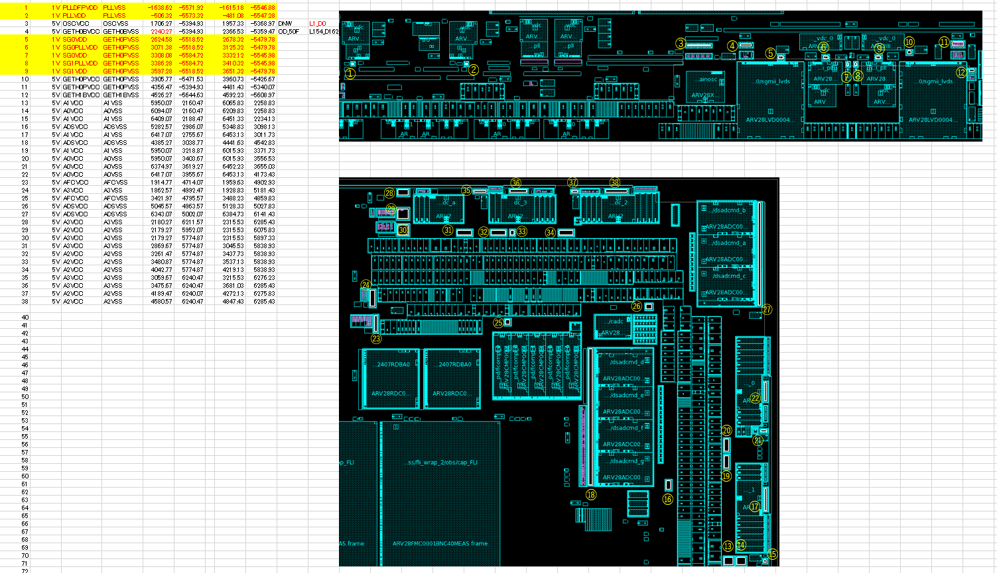
U2B10 |  |  |  |  |  |  |  |  |  | Create | Cross Check
DeepNwell Guide: |  |  |  |  |  |  |  |  | Date | 2022-02-24 | 2022-02-24
 |  |  |  |  |  |  |  |  | Name | Saito | Kawaguchi
Additional DNW area (Where to separate Ground in the STD CELL area)
 |  | Insert to ✔ point. "DeepNwell"

 | Ground
Power |  | VSS | EVSS0 | EVSS1 | E0VSSHS0 | E0VSSHS1 | EMUVSS | CCVSS | GETH0BVSS | GETH0PVSS | GETH1BVSS | OSCVSS | PLLDFPVSS | PLLHS1VSS | PLLHSDVSS | PLLVSS | SVRAVSS | SVRDRVSS | A0VSS | A1VSS | A2VSS | A3VSS | ADSVSS | ACYVSS | AFCVSS | RDCVSS
 | AWOVDD
 | ISOVDD
 | ISOCL1VDD
 | ISOCL2VDD
 | ISOCL3VDD
 | ISODFPVDD
 | RAMVDD
 | EMUVDD
 | EMUVCC
 | SYSVCC
 | FVCC
 | VCC
 | E0VCC
 | E0VCCHS0
 | E0VCCHS1
 | E1VCC
 | E1VCCLV
 | E2VCC
 | E2VCCLV
 | JLVDVCC
 | LVDVCC0
 | LVDVCC1
 | VCCHSD
 | GETH0BVCC |  |  |  |  |  |  |  | ✔
 | GETH1BVCC |  |  |  |  |  |  |  |  |  | ✔
 | GETH0PVCC |  |  |  |  |  |  |  |  | ✔
 | OSCVCC |  |  |  |  |  |  |  |  |  |  | ✔
 | HOCOVDD
 | HSPLLVDD
 | PLLDFPVCC
 | PLLDFPVDD |  |  |  |  |  |  |  |  |  |  |  |  |  |  | ✔
 | PLLHS0VDD |  |  |  |  |  |  |  |  |  |  |  |  |  |  | ✔
 | PLLHS1VCC
 | PLLHS1VDD
 | PLLHSDVCC
 | PLLHSDVDD
 | PLLVCC |  |  |  |  |  |  |  |  |  |  |  |  |  |  | ✔
 | PLLVDD |  |  |  |  |  |  |  |  |  |  |  |  |  |  | ✔
 | SG0PLLVDD |  |  |  |  |  |  |  |  | ✔
 | SG0VDD |  |  |  |  |  |  |  |  | ✔
 | SG1PLLVDD |  |  |  |  |  |  |  |  | ✔
 | SG1VDD |  |  |  |  |  |  |  |  | ✔
 | SVRAVCC
 | SVRDRVCC
 | DCDCLVDD
 | DCDCVDD
 | A0VCC |  |  |  |  |  |  |  |  |  |  |  |  |  |  |  |  |  | ✔
 | A1VCC |  |  |  |  |  |  |  |  |  |  |  |  |  |  |  |  |  |  | ✔
 | A2VCC |  |  |  |  |  |  |  |  |  |  |  |  |  |  |  |  |  |  |  | ✔
 | A3VCC |  |  |  |  |  |  |  |  |  |  |  |  |  |  |  |  |  |  |  |  | ✔
 | ADSVCC |  |  |  |  |  |  |  |  |  |  |  |  |  |  |  |  |  |  |  |  |  | ✔
 | ACYVCC |  |  |  |  |  |  |  |  |  |  |  |  |  |  |  |  |  |  |  |  |  |  | ✔
 | AFCVCC |  |  |  |  |  |  |  |  |  |  |  |  |  |  |  |  |  |  |  |  |  |  |  | ✔
 | RDCVCC

GDS Mark
U2B10 GDS Mark(L Mark,product name)
 |  |  |  |  |  |  |  |  |  |  |  |  |  |  | Create | Cross Check
 | Refer to the following for the arrangement of L mark and product name. |  |  |  |  |  |  |  |  |  |  |  |  | Date | 2022-05-20 | 2022-05-20
 |  |  |  |  |  |  |  |  |  |  |  |  |  | Name | Saito | Kawaguchi

 | Cell Name : R7F702540_MARK |  |  |  |  | Product Name : R7F702540_CHIP |  |  |  |  |  |  | DieSize | 3500 | 4077.8 | (design)

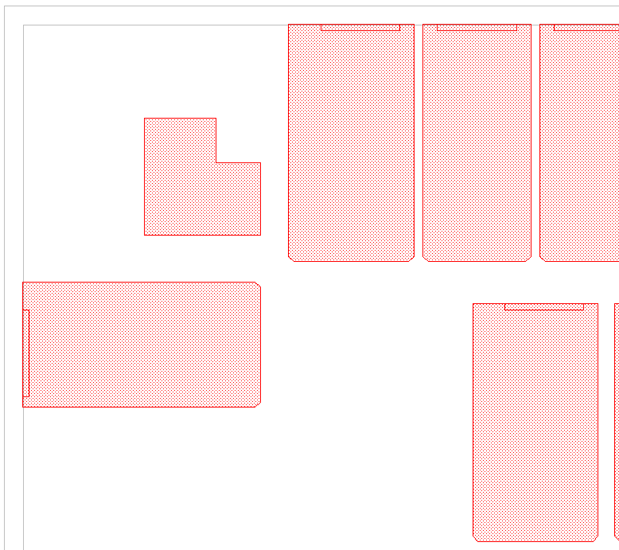

 |  |  |  |  |  |  | Cell Name: RV28F_MARK_LT1
 |  |  |  |  |  |  | position: ( |  | -3450.000 | , | 3947.800 | )

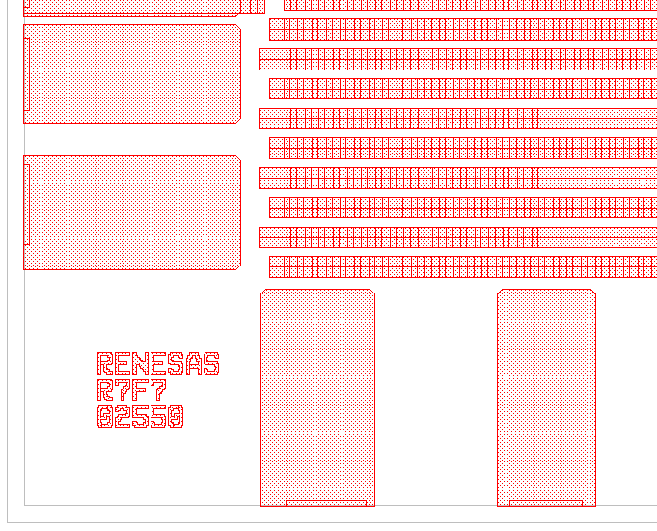
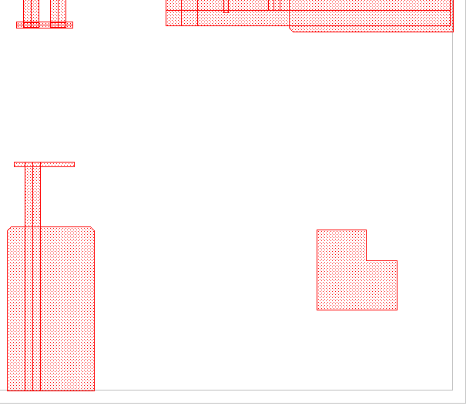

 | Cell Name: RV28F_RENESAS
 | (RV28F_LETPR_2, _LETPE_2, _LETPN_2, _LETPS_2, _LETPA_2)
 | position: ( | -3450.000 | , | -3989.800 | )

 |  |  |  |  | Cell Name:RV28F_R7F702540 |  |  |  |  |  |  |  |  |  |  |  | Cell Name: RV28F_MARK_RD1
 |  |  |  |  | (RV28F_LETPR_2, _LETP7_2, LETPF_2, _LETP0_2, _LETP2_2, _LETP5_2, _LETP4_2) |  |  |  |  |  |  |  |  |  |  |  | position: ( | 3370.000 | , | -4035.800 | )
 |  |  |  |  | position: ( |  | -3450.000 | , | -4025.800 | )

