Design_Strategy
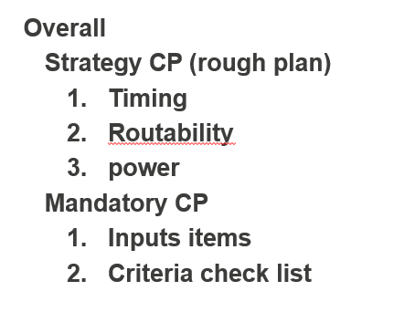
 |  | Input Items list
 |  | DP&FP-INIT | PLACE | CCOPT | ROUTE | ROUTE_OPT
 |  | Design | Settings
 |  | Netlist | keeplist
 |  | Def | don’t_touch
 |  | Scan def | don’t_use
 |  | Tech/library | META list
 |  | Liberty | constraint node list
 |  | LEF | Size cell META
 |  | QRC | Constraint
 |  | Constraint | SDC
 |  | SDC | annotated_delay
 |  |  | timing_delayed
 |  |  | clock_uncertaionty

 |  | Criteria check list (settings)
 |  | DP&FP-INIT | PLACE | CCOPT | ROUTE | ROUTE_OPT
 |  | Tool | Settings | Clock | Settings | Cell Usage
 |  | Innovus Version | cell placement gap during legalization | NDR | Routing layers | maintain XOR
 |  | DP | Rule(AMCU) | halo
 |  | Die area | tie connection check | Clock Cells ^CK*
 |  | Pin location
 |  | RAM location
 |  | FP
 |  | TAP/ENDCAP
 |  | Shield ring
 |  | P/G routing
 |  | routing track
 |  | Sparecell
 |  | Rule(AMCU)
 |  | Boundary buffer insertion
 |  | tie connection setting (unfixed)
 |  | routing clearance around boundary

We will share and comminicate to achieve the CP target.
Official: DN review
floor plan review
Official: CN review

Mandatory CP2
Strategy CP2
Mandatory CP4
Strategy CP4
Mandatory CP1
Strategy CP1
Mandatory CP3
Strategy CP3

DN |  |  |  | CN
Place | ccopt | route | postroute | place | ccopt | route | postroute | TO

Mandatory CP1 | Strategy CP1 | Mandatory CP2 | Strategy CP2 | Mandatory CP3 | Strategy CP3 | Mandatory CP4 | Strategy CP4 | Signoff
Input Items list | Timing | Input Items list | Timing | Input Items list | Timing | Input Items list | Timing | STA
Design |  | Design | internal timing met | Design | internal timing met | Design | internal timing met | DRV
Netlist |  | Netlist | external timing | Netlist |  | Netlist | external timing met | Physical
Def | Routability | Def | Routability | Def | Routability | Def | Routability | DRC-FEOL
Scan def | hotspot under 500 | Scan def | Expecte zero short | Scan def | hotspot under 500 | Scan def | Expecte zero short | DRC-BEOL
Tech/library |  | Tech/library |  | Tech/library |  | Tech/library |  | MULTI-VIA
Liberty | Power | Liberty | Power | Liberty | Power | Liberty | Power | ANTENA
LEF |  | LEF | set CN target | LEF | share status for target | LEF | Achieve target | LVS
QRC |  | QRC |  | QRC |  | QRC |  | Logic
Constraint |  | Constraint |  | Constraint |  | Constraint |  | FV
SDC |  | SDC |  | SDC |  | SDC |  | HLDRC
How about :
setup-interanl
setup-external
hold-internal
hold-external
Xtalk
Fusa
MP
Serebrs
Settings |  | Settings |  | Settings |  | Settings
keeplist |  | keeplist |  | keeplist |  | keeplist
don’t_touch |  | don’t_touch |  | don’t_touch |  | don’t_touch
don’t_use |  | don’t_use |  | don’t_use |  | don’t_use
META list |  | META list |  | META list |  | META list
constraint node list |  | constraint node list |  | constraint node list |  | constraint node list
Size cell META |  | Size cell META |  | Size cell META |  | Size cell META
Constraint |  | Constraint |  | Constraint |  | Constraint
SDC |  | SDC |  | SDC |  | SDC
annotated_delay |  | annotated_delay |  | annotated_delay |  | annotated_delay
timing_delayed |  | timing_delayed |  | timing_delayed |  | timing_delayed
clock_uncertaionty |  | clock_uncertaionty |  | clock_uncertaionty |  | clock_uncertaionty

Criteria check list (settings) |  | Criteria check list(ALL) |  | Criteriacheck list (settings) |  | Criteria check list(ALL)
Tool |  | Tool |  | Tool |  | Tool
Innovus Version |  | Innovus Version |  | Innovus Version |  | Innovus Version
DP |  | DP |  | DP |  | DP
Die area |  | Die area |  | Die area |  | Die area
Pin location |  | Pin location |  | Pin location |  | Pin location
RAM location |  | RAM location |  | RAM location |  | RAM location
FP |  | FP |  | FP |  | FP
TAP/ENDCAP |  | TAP/ENDCAP |  | TAP/ENDCAP |  | TAP/ENDCAP
Shield ring |  | Shield ring |  | Shield ring |  | Shield ring
P/G routing |  | P/G routing |  | P/G routing |  | P/G routing
routing track |  | routing track |  | routing track |  | routing track
Sparecell |  | Sparecell |  | Sparecell |  | Sparecell
Rule(AMCU) |  | Rule(AMCU) |  | Rule(AMCU) |  | Rule(AMCU)
Boundary buffer insertion |  | Boundary buffer insertion |  | Boundary buffer insertion |  | Boundary buffer insertion
routing clearance around boundary |  | routing clearance around boundary |  | routing clearance around boundary |  | routing clearance around boundary
tie connection check |  | tie connection check |  | tie connection check |  | tie connection check
Settings |  | Settings |  | Settings |  | Settings
cell placement gap during legalization |  | cell placement gap during legalization |  | cell placement gap during legalization |  | cell placement gap during legalization
Clock (If use ECF) |  | DRV(max_tran/cap) |  | Clock (If use ECF) |  | DRV(max_tran/cap)
NDR |  | Clock (If use ECF) |  | NDR |  | Clock (If use ECF)
halo |  | NDR |  | halo |  | NDR
Clock Cells ^CK* |  | halo |  | Clock Cells ^CK* |  | halo
 |  | Clock Cells ^CK* |  |  |  | Clock Cells ^CK*
 |  | Routing & Xtalk |  |  |  | Routing & Xtalk
 |  | Routing violation |  |  |  | Routing violation
 |  | Redundant via convertion ratio |  |  |  | Redundant via convertion ratio
 |  | Xtalk prevention/fixing |  |  |  | Xtalk prevention/fixing
 |  | Extraction(StarRC) |  |  |  | Extraction(StarRC)
 |  | temparature |  |  |  | temparature
 |  | settings |  |  |  | settings
 |  | QoR(PnR) |  |  |  | QoR(PnR)
 |  | setup timing (internal) |  |  |  | setup timing (internal)
 |  | Hold timing (internal) |  |  |  | Hold timing (internal)
 |  | SignOff(PT) |  |  |  | SignOff(PT)
 |  | setup timing |  |  |  | setup timing
 |  | hold timing |  |  |  | hold timing
 |  | DRV(max_tran/cap) |  |  |  | DRV(max_tran/cap)
 |  | min_pulse_width |  |  |  | min_pulse_width
 |  | setup timing with Xtalk |  |  |  | setup timing with Xtalk
 |  | hold timing with Xtalk |  |  |  | hold timing with Xtalk
 |  | Power |  |  |  | Power
 |  | Dynamic power |  |  |  | Dynamic power
 |  | Static power |  |  |  | Static power
 |  | Safety |  |  |  | Safety
 |  | Safety requirements |  |  |  | Safety requirements
 |  | Filler |  |  |  | Filler
 |  | fill cells |  |  |  | fill cells
 |  | fill metal |  |  |  | fill metal
 |  | Export data |  |  |  | Export data
 |  | mode, corner, scenario |  |  |  | mode, corner, scenario
 |  | netlist (post layout) |  |  |  | netlist (post layout)
 |  | SPEF |  |  |  | SPEF
 |  | LEF/DEF |  |  |  | LEF/DEF
 |  | frame/abs |  |  |  | frame/abs
 |  | Logical Check |  |  |  | Logical Check
 |  | formal verification |  |  |  | formal verification
 |  | HLDRC |  |  |  | HLDRC
 |  | PV(Calibre) |  |  |  | PV(Calibre)
 |  | LVS |  |  |  | LVS
 |  | DRC (including density) |  |  |  | DRC (including density)

1. Tool
not change from FEOL tapeout
back
 | Criteria | Version | Certification version
 |  |  | RH850_U2B10_tool_rev01.xlsx i

 | Check way |  | Pick up tool verion from log file
 | Judgement |  | OK

 | Tool |  | Latest log | Check results | Expected | judge | need to align main tool (INVS 21.1-ISR2)
 | Genus |  | /design04/M28PT_F_layout01_vf/u2b10/data/r7f702540/5_layout/50_PnR/501_INNOVUS/v100_eco01/blocks/bccx/f6931_1114a_220323_dp01a.saci/log/place_opt_design_220408_001116.log | 21-10 | 14.20-s016_1 18.1-ISR1 | NG no problem | set genus = /common/appl/dotfiles/genus_scan.CSHRC_21.10
 | Innovus |  | /design04/M28PT_F_layout01_vf/u2b10/data/r7f702540/5_layout/50_PnR/501_INNOVUS/v100_eco01/blocks/bccx/f6931_1114a_220323_dp01a.saci/log/place_opt_design_220408_001116.log | Version: v21.12-s106_1, built Wed Dec 8 18:19:02 PST 2021 | 18.1-ISR4 17.1-ISR2 20.1-ISR4 21.1-ISR2 | OK | set invs = /common/appl/dotfiles/innovus.CSHRC_21.1-ISR2
 | Tempus |  | NA | NA | Tempus 20.12 | NA | NA
 | PVS |  | /design04/M28PT_F_layout01_vf/u2b10/data/r7f702540/5_layout/50_PnR/501_INNOVUS/v100_eco01/blocks/bccx/f6931_1114a_220323_dp01a.saci.op.PR07_incr/log/finish_design_220525_161523.log | [INFO] Loading PVS 19.11 fill procedures | PVS 19.11 | OK | set pvs = /common/appl/dotfiles/pvs.CSHRC_19.11
 | Conformal |  | /design04/M28PT_F_layout01_vf/u2b10/data/r7f702540/5_layout/50_PnR/501_INNOVUS/v100_eco01/blocks/bccx/f6931_1114a_220323_dp01a.saci.op.PR06_incr/fv/postlay/conformal.log | Version 20.10-s200 (09-Aug-2020) (64 bit executable) | 19.10-p100 20.10-s200 | OK | set lec = /common/appl/dotfiles/conformal.CSHRC_20.10-s200
 | ICC2 |  | /design04/M28PT_F_layout01_vf/u2b10/data/r7f702540/5_layout/50_PnR/501_INNOVUS/v100_eco01/blocks/bccx/f6931_1114a_220323_dp01a.saci.op.PR06_incr/icc2_20220521_155355/logs/init_design.log | Version R-2020.09-SP5-T-20210616 for linux64 - Jun 16, 2021 -SLE | M-2016.12-SP5-T20170816 O-2018.06-SP5-T-20190501 Q-2019.12-SP5-T-20201027 R-2020.09-SP5-T-20210616 | OK | set icc2 = /common/appl/dotfiles/iccompiler2.CSHRC_2020.09-sp5-t-20210616
 | StarRC |  | /design04/M28PT_F_layout01_vf/u2b10/data/r7f702540/5_layout/50_PnR/501_INNOVUS/v100_eco01/blocks/bccx/f6931_1114a_220323_dp01a.saci.op.PR06_incr/starrc_20220521_155355/bccx.star_sum | Version Q-2019.12-SP5-2 for linux64 - Oct 07, 2020 | 2019.12-SP5-2 | OK | set starrc = /common/appl/dotfiles/starRC_G_LMD.CSHRC_2019.12-sp5-2
 | Primetime |  | NA | NA | K-2015.12-SP3-1 or M-2016.12-SP3-1 or N-2017.12-SP3-5-VAL-20191205 or R-2020.09-SP5-2 | NA | NA

 | Calibre:

 | ITEMS | Tool | Version | Judge | Reference
 | DummyCDL | dummy_CDL_gen | V01.02.00
 | V2LVS | v2lvs | v2019.2_14.13
 | CDLCAT | CDLCAT | V02.01.00 (2014. 8.29)
 | 01_gdsmerge_01 | GDSMERGE | V01.07.01 (2011. 6.20)
 | 04_gdsmerge_02 | GDSMERGE | V01.07.01 (2011. 6.20)
 | 01_LVS (CAL) (EXTRACTION) | Calibre | v2019.2_14.13
 | 01_LVS (CAL) (COMPARISON) | Calibre | v2019.2_14.13
 | 02_1_DRC_FEOL (CAL) | Calibre | v2016.4_15.11
 | 02_2_DRC_BEOL (CAL) | Calibre | v2016.4_15.11
 | 02_dmyODPO (CAL) | Calibre | v2016.4_15.11

EOL

2. Tech_library
not change from FEOL tapeout
back
 | Criteria | Version/Files | Latest version,file names

 | Check way |  | Pick up from log file
 | Judgement |  | OK

 | Tool | Path |  | item | Results
 | Innovus | /design04/M28PT_F_layout01_vf/u2b10/data/r7f702540/5_layout/50_PnR/501_INNOVUS/v000/blocks/bccx/ms6_2nd.f6931_0003d_220216_dp01b.mp/log/init_design_220225_220833.logv |  | LEF |  | grep 'Loading LEF file' /design04/M28PT_F_layout01_vf/u2b10/data/r7f702540/5_layout/50_PnR/501_INNOVUS/v000/blocks/bccx/ms6_2nd.f6931_0003d_220216_dp01b.mp/log/init_design_220225_220833.logv
 |  |  |  |  | Loading LEF file /design04/M28PT_F_layout01_vf/u2b10/data/r7f702540/5_layout/50_PnR/500_ICC2/v000/Incoming/library/Tech/tsmcn28_9lm4X2Y2RRDL_VHV_7T_140p.rv28f.tlef ...
 |  |  |  |  | Loading LEF file /design04/M28PT_F/u2b10/data/r7f702540/0_lib/v100_eco01/stdlib/stdcorehd_7T/lef/RV28F7T40P140F.lef ...
 |  |  |  |  | Loading LEF file /design04/M28PT_F/u2b10/data/r7f702540/0_lib/v100_eco01/stdlib/stdcorehd_7T/lef/RV28F7T40P140F_ADD.lef ...
 |  |  |  |  | Loading LEF file /design04/M28PT_F/u2b10/data/r7f702540/0_lib/v100_eco01/stdlib/stdcorehd_7T/lef/RV28F7T40P140HVTF.lef ...
 |  |  |  |  | Loading LEF file /design04/M28PT_F/u2b10/data/r7f702540/0_lib/v100_eco01/stdlib/stdcorehd_7T/lef/RV28F7T40P140HVTF_ADD.lef ...
 |  |  |  |  | Loading LEF file /design04/M28PT_F/u2b10/data/r7f702540/0_lib/v100_eco01/stdlib/stdcorehd_7T/lef/RV28F7T40P140ULVTF.lef ...
 |  |  |  |  | Loading LEF file /design04/M28PT_F/u2b10/data/r7f702540/0_lib/v100_eco01/stdlib/stdcorehd_7T/lef/RV28F7T40P140ULVTF_ADD.lef ...
 |  |  |  |  | Loading LEF file /design04/M28PT_F/u2b10/data/r7f702540/0_lib/v100_eco01/stdlib/stdcorehd_7T/lef/RV28F7T40P140RECO.lef ...
 |  |  |  |  | Loading LEF file /design04/M28PT_F/u2b10/data/r7f702540/0_lib/v100_eco01/u2b10/HM/SRAM_ARV28RAM0000_U2B10_CM2108997/lef/cm2108997.lef ...
 |  |  |  |  | Loading LEF file /design04/M28PT_F/u2b10/data/r7f702540/0_lib/v100_eco01/u2b10/HM/GRING_RV28F_FHGUARDRING_V1/lef/RV28F_FHGUARDRING_V1.lef ...

 |  |  |  | QRC |  | grep 'RC-Corner Technology file:' /design04/M28PT_F_layout01_vf/u2b10/data/r7f702540/5_layout/50_PnR/501_INNOVUS/v000/blocks/bccx/ms6_2nd.f6931_0003d_220216_dp01b.mp/log/init_design_220225_220833.logv
 |  |  |  |  | RC-Corner Technology file: '/design04/M28PT_F_layout01_vf/u2b10/data/r7f702540/5_layout/50_PnR/500_ICC2/v000/Incoming/library/Tech/qrcTechFile'

 |  |  |  | Liberty |  | grep 'timing library' /design04/M28PT_F_layout01_vf/u2b10/data/r7f702540/5_layout/50_PnR/501_INNOVUS/v000/blocks/bccx/ms6_2nd.f6931_0003d_220216_dp01b.mp/log/init_design_220225_220833.logv
 |  |  |  |  | Reading lib_MAX_LT timing library /design04/M28PT_F/u2b10/data/r7f702540/0_lib/.ST/20220204_Core7T/liberty_ccs_pg_src/RV28F7T40P140F_PssG_V0p945_Tm40_pg_CCS.lib.
 |  |  |  |  | Reading lib_MAX_LT timing library /design04/M28PT_F/u2b10/data/r7f702540/0_lib/.ST/20220204_Core7T/liberty_ccs_pg_src/RV28F7T40P140HVTF_PssG_V0p945_Tm40_pg_CCS.lib.
 |  |  |  |  | Reading lib_MAX_LT timing library /design04/M28PT_F/u2b10/data/r7f702540/0_lib/.ST/20220204_Core7T/liberty_ccs_pg_src/RV28F7T40P140ULVTF_PssG_V0p945_Tm40_pg_CCS.lib.
 |  |  |  |  | Reading lib_MAX_LT timing library /design04/M28PT_F/u2b10/data/r7f702540/0_lib/.ST/20220204_Core7T/liberty_ccs_pg_src/RV28F7T40P140F_ADD_PssG_V0p945_Tm40_pg_CCS.lib.
 |  |  |  |  | Reading lib_MAX_LT timing library /design04/M28PT_F/u2b10/data/r7f702540/0_lib/.ST/20220204_Core7T/liberty_ccs_pg_src/RV28F7T40P140HVTF_ADD_PssG_V0p945_Tm40_pg_CCS.lib.
 |  |  |  |  | Reading lib_MAX_LT timing library /design04/M28PT_F/u2b10/data/r7f702540/0_lib/.ST/20220204_Core7T/liberty_ccs_pg_src/RV28F7T40P140ULVTF_ADD_PssG_V0p945_Tm40_pg_CCS.lib.
 |  |  |  |  | Reading lib_MAX_LT timing library /design04/M28PT_F/u2b10/data/r7f702540/0_lib/.ST/20220204_Core7T/liberty_ccs_pg_src/RV28F7T40P140RECO_PssG_V0p945_Tm40_pg_CCS.lib.
 |  |  |  |  | Reading lib_MAX_LT timing library /design04/M28PT_F/u2b10/data/r7f702540/0_lib/.ST/20220204_Core7T/liberty_ccs_pg_src/RV28F7T40P140LVL_PssG_V0p945_Tm40_pg_CCS.lib.
 |  |  |  |  | Reading lib_MAX_LT timing library /design04/M28PT_F/u2b10/data/r7f702540/0_lib/.HM/SRAM_ARV28RAM0000_U2B10_CM2108997_V01.00.00/liberty_pg_src/cm2108997_Pss_V0p945_Tm40_pg_CCS.lib.
 |  |  |  |  | Reading lib_MIN_LT timing library /design04/M28PT_F/u2b10/data/r7f702540/0_lib/.ST/20220204_Core7T/liberty_ccs_pg_src/RV28F7T40P140F_PffG_V1p205_Tm40_pg_CCS.lib.
 |  |  |  |  | Reading lib_MIN_LT timing library /design04/M28PT_F/u2b10/data/r7f702540/0_lib/.ST/20220204_Core7T/liberty_ccs_pg_src/RV28F7T40P140HVTF_PffG_V1p205_Tm40_pg_CCS.lib.
 |  |  |  |  | Reading lib_MIN_LT timing library /design04/M28PT_F/u2b10/data/r7f702540/0_lib/.ST/20220204_Core7T/liberty_ccs_pg_src/RV28F7T40P140ULVTF_PffG_V1p205_Tm40_pg_CCS.lib.
 |  |  |  |  | Reading lib_MIN_LT timing library /design04/M28PT_F/u2b10/data/r7f702540/0_lib/.ST/20220204_Core7T/liberty_ccs_pg_src/RV28F7T40P140F_ADD_PffG_V1p205_Tm40_pg_CCS.lib.
 |  |  |  |  | Reading lib_MIN_LT timing library /design04/M28PT_F/u2b10/data/r7f702540/0_lib/.ST/20220204_Core7T/liberty_ccs_pg_src/RV28F7T40P140HVTF_ADD_PffG_V1p205_Tm40_pg_CCS.lib.
 |  |  |  |  | Reading lib_MIN_LT timing library /design04/M28PT_F/u2b10/data/r7f702540/0_lib/.ST/20220204_Core7T/liberty_ccs_pg_src/RV28F7T40P140ULVTF_ADD_PffG_V1p205_Tm40_pg_CCS.lib.
 |  |  |  |  | Reading lib_MIN_LT timing library /design04/M28PT_F/u2b10/data/r7f702540/0_lib/.ST/20220204_Core7T/liberty_ccs_pg_src/RV28F7T40P140RECO_PffG_V1p205_Tm40_pg_CCS.lib.
 |  |  |  |  | Reading lib_MIN_LT timing library /design04/M28PT_F/u2b10/data/r7f702540/0_lib/.ST/20220204_Core7T/liberty_ccs_pg_src/RV28F7T40P140LVL_PffG_V1p205_Tm40_pg_CCS.lib.
 |  |  |  |  | Reading lib_MIN_LT timing library /design04/M28PT_F/u2b10/data/r7f702540/0_lib/.HM/SRAM_ARV28RAM0000_U2B10_CM2108997_V01.00.00/liberty_pg_src/cm2108997_Pff_V1p205_Tm40_pg_CCS.lib.
 |  |  |  |  | Reading lib_MAX_HT timing library /design04/M28PT_F/u2b10/data/r7f702540/0_lib/.ST/20220204_Core7T/liberty_ccs_pg_src/RV28F7T40P140F_PssG_V0p945_T170_pg_CCS.lib.
 |  |  |  |  | Reading lib_MAX_HT timing library /design04/M28PT_F/u2b10/data/r7f702540/0_lib/.ST/20220204_Core7T/liberty_ccs_pg_src/RV28F7T40P140HVTF_PssG_V0p945_T170_pg_CCS.lib.
 |  |  |  |  | Reading lib_MAX_HT timing library /design04/M28PT_F/u2b10/data/r7f702540/0_lib/.ST/20220204_Core7T/liberty_ccs_pg_src/RV28F7T40P140ULVTF_PssG_V0p945_T170_pg_CCS.lib.
 |  |  |  |  | Reading lib_MAX_HT timing library /design04/M28PT_F/u2b10/data/r7f702540/0_lib/.ST/20220204_Core7T/liberty_ccs_pg_src/RV28F7T40P140F_ADD_PssG_V0p945_T170_pg_CCS.lib.
 |  |  |  |  | Reading lib_MAX_HT timing library /design04/M28PT_F/u2b10/data/r7f702540/0_lib/.ST/20220204_Core7T/liberty_ccs_pg_src/RV28F7T40P140HVTF_ADD_PssG_V0p945_T170_pg_CCS.lib.
 |  |  |  |  | Reading lib_MAX_HT timing library /design04/M28PT_F/u2b10/data/r7f702540/0_lib/.ST/20220204_Core7T/liberty_ccs_pg_src/RV28F7T40P140ULVTF_ADD_PssG_V0p945_T170_pg_CCS.lib.
 |  |  |  |  | Reading lib_MAX_HT timing library /design04/M28PT_F/u2b10/data/r7f702540/0_lib/.ST/20220204_Core7T/liberty_ccs_pg_src/RV28F7T40P140RECO_PssG_V0p945_T170_pg_CCS.lib.
 |  |  |  |  | Reading lib_MAX_HT timing library /design04/M28PT_F/u2b10/data/r7f702540/0_lib/.ST/20220204_Core7T/liberty_ccs_pg_src/RV28F7T40P140LVL_PssG_V0p945_T170_pg_CCS.lib.
 |  |  |  |  | Reading lib_MAX_HT timing library /design04/M28PT_F/u2b10/data/r7f702540/0_lib/.HM/SRAM_ARV28RAM0000_U2B10_CM2108997_V01.00.00/liberty_pg_src/cm2108997_Pss_V0p945_T170_pg_CCS.lib.
 |  |  |  |  | Reading lib_MIN_HTp timing library /design04/M28PT_F/u2b10/data/r7f702540/0_lib/.ST/20220204_Core7T/liberty_ccs_pg_src/RV28F7T40P140F_PffG_V1p155_T170_pg_CCS.lib.
 |  |  |  |  | Reading lib_MIN_HTp timing library /design04/M28PT_F/u2b10/data/r7f702540/0_lib/.ST/20220204_Core7T/liberty_ccs_pg_src/RV28F7T40P140HVTF_PffG_V1p155_T170_pg_CCS.lib.
 |  |  |  |  | Reading lib_MIN_HTp timing library /design04/M28PT_F/u2b10/data/r7f702540/0_lib/.ST/20220204_Core7T/liberty_ccs_pg_src/RV28F7T40P140ULVTF_PffG_V1p155_T170_pg_CCS.lib.
 |  |  |  |  | Reading lib_MIN_HTp timing library /design04/M28PT_F/u2b10/data/r7f702540/0_lib/.ST/20220204_Core7T/liberty_ccs_pg_src/RV28F7T40P140F_ADD_PffG_V1p155_T170_pg_CCS.lib.
 |  |  |  |  | Reading lib_MIN_HTp timing library /design04/M28PT_F/u2b10/data/r7f702540/0_lib/.ST/20220204_Core7T/liberty_ccs_pg_src/RV28F7T40P140HVTF_ADD_PffG_V1p155_T170_pg_CCS.lib.
 |  |  |  |  | Reading lib_MIN_HTp timing library /design04/M28PT_F/u2b10/data/r7f702540/0_lib/.ST/20220204_Core7T/liberty_ccs_pg_src/RV28F7T40P140ULVTF_ADD_PffG_V1p155_T170_pg_CCS.lib.
 |  |  |  |  | Reading lib_MIN_HTp timing library /design04/M28PT_F/u2b10/data/r7f702540/0_lib/.ST/20220204_Core7T/liberty_ccs_pg_src/RV28F7T40P140RECO_PffG_V1p155_T170_pg_CCS.lib.
 |  |  |  |  | Reading lib_MIN_HTp timing library /design04/M28PT_F/u2b10/data/r7f702540/0_lib/.ST/20220204_Core7T/liberty_ccs_pg_src/RV28F7T40P140LVL_PffG_V1p155_T170_pg_CCS.lib.
 |  |  |  |  | Reading lib_MIN_HTp timing library /design04/M28PT_F/u2b10/data/r7f702540/0_lib/.HM/SRAM_ARV28RAM0000_U2B10_CM2108997_V01.00.00/liberty_pg_src/cm2108997_Pff_V1p155_T170_pg_CCS.lib.
 |  |  |  |  | Reading lib_MIN_HT timing library /design04/M28PT_F/u2b10/data/r7f702540/0_lib/.ST/20220204_Core7T/liberty_ccs_pg_src/RV28F7T40P140F_PffG_V1p205_T170_pg_CCS.lib.
 |  |  |  |  | Reading lib_MIN_HT timing library /design04/M28PT_F/u2b10/data/r7f702540/0_lib/.ST/20220204_Core7T/liberty_ccs_pg_src/RV28F7T40P140HVTF_PffG_V1p205_T170_pg_CCS.lib.
 |  |  |  |  | Reading lib_MIN_HT timing library /design04/M28PT_F/u2b10/data/r7f702540/0_lib/.ST/20220204_Core7T/liberty_ccs_pg_src/RV28F7T40P140ULVTF_PffG_V1p205_T170_pg_CCS.lib.
 |  |  |  |  | Reading lib_MIN_HT timing library /design04/M28PT_F/u2b10/data/r7f702540/0_lib/.ST/20220204_Core7T/liberty_ccs_pg_src/RV28F7T40P140F_ADD_PffG_V1p205_T170_pg_CCS.lib.
 |  |  |  |  | Reading lib_MIN_HT timing library /design04/M28PT_F/u2b10/data/r7f702540/0_lib/.ST/20220204_Core7T/liberty_ccs_pg_src/RV28F7T40P140HVTF_ADD_PffG_V1p205_T170_pg_CCS.lib.
 |  |  |  |  | Reading lib_MIN_HT timing library /design04/M28PT_F/u2b10/data/r7f702540/0_lib/.ST/20220204_Core7T/liberty_ccs_pg_src/RV28F7T40P140ULVTF_ADD_PffG_V1p205_T170_pg_CCS.lib.
 |  |  |  |  | Reading lib_MIN_HT timing library /design04/M28PT_F/u2b10/data/r7f702540/0_lib/.ST/20220204_Core7T/liberty_ccs_pg_src/RV28F7T40P140RECO_PffG_V1p205_T170_pg_CCS.lib.
 |  |  |  |  | Reading lib_MIN_HT timing library /design04/M28PT_F/u2b10/data/r7f702540/0_lib/.ST/20220204_Core7T/liberty_ccs_pg_src/RV28F7T40P140LVL_PffG_V1p205_T170_pg_CCS.lib.
 |  |  |  |  | Reading lib_MIN_HT timing library /design04/M28PT_F/u2b10/data/r7f702540/0_lib/.HM/SRAM_ARV28RAM0000_U2B10_CM2108997_V01.00.00/liberty_pg_src/cm2108997_Pff_V1p205_T170_pg_CCS.lib.

 | Tool | Path |  | item | Results
 | ICC2 |  |  |  |  | grep 'Loading technology file'
 |  |  |  |  | RM-info: create_lib bccx.nlib -tech /eda01/Foundry2/TSMC/28EF/Renesas_DesignEnv/ICC_Techfiles/ICC/RV28F/tsmcn28_9lm4X2Y2RRDL_VHV_7T_140p.tf
 |  |  |  |  | #NAME?
 |  |  |  |  | {/svhome/rhflash/data/r7f702540/0_lib/v100_eco03/stdlib/stdcorehd_7T/ndm/RV28F7T40P140F/RV28F7T40P140F.ndm | lsort -unique [get_attribute [get_parasitic_techs] source_file_name]
 |  |  |  |  | /svhome/rhflash/data/r7f702540/0_lib/v100_eco03/stdlib/stdcorehd_7T/ndm/RV28F7T40P140F_ADD/RV28F7T40P140F_ADD.ndm
 |  |  |  |  | /svhome/rhflash/data/r7f702540/0_lib/v100_eco03/stdlib/stdcorehd_7T/ndm/RV28F7T40P140HVTF/RV28F7T40P140HVTF.ndm | lsort -unique [get_attribute [get_parasitic_techs] layer_map_file_name]
 |  |  |  |  | /svhome/rhflash/data/r7f702540/0_lib/v100_eco03/stdlib/stdcorehd_7T/ndm/RV28F7T40P140HVTF_ADD/RV28F7T40P140HVTF_ADD.ndm
 |  |  |  |  | /svhome/rhflash/data/r7f702540/0_lib/v100_eco03/stdlib/stdcorehd_7T/ndm/RV28F7T40P140LVL/RV28F7T40P140LVL.ndm | set ndm = `grep 'RM-info: create_lib' | cut -d ' ' -f 7- | sed 's/{//g' | sed 's/}//g'` ; foreach i ( $ndm )
 |  |  |  |  | /svhome/rhflash/data/r7f702540/0_lib/v100_eco03/stdlib/stdcorehd_7T/ndm/RV28F7T40P140RECO/RV28F7T40P140RECO.ndm | echo $i
 |  |  |  |  | /svhome/rhflash/data/r7f702540/0_lib/v100_eco03/stdlib/stdcorehd_7T/ndm/RV28F7T40P140ULVTF/RV28F7T40P140ULVTF.ndm | end
 |  |  |  |  | /svhome/rhflash/data/r7f702540/0_lib/v100_eco03/stdlib/stdcorehd_7T/ndm/RV28F7T40P140ULVTF_ADD/RV28F7T40P140ULVTF_ADD.ndm
 |  |  |  |  | /svhome/rhflash/data/r7f702540/0_lib/v100_eco03/stdlib/5v_stdcell/ndm/RV28FT5C2UH/RV28FT5C2UH.ndm
 |  |  |  |  | /svhome/rhflash/data/r7f702540/0_lib/v100_eco03/stdlib/5v_stdcell/ndm/RV28FT5DH/RV28FT5DH.ndm
 |  |  |  |  | /svhome/rhflash/data/r7f702540/0_lib/v100_eco03/stdlib/5v_stdcell/ndm/RV28FT5C/RV28FT5C.ndm
 |  |  |  |  | /svhome/rhflash/data/r7f702540/0_lib/v100_eco03/stdlib/5v_stdcell/ndm/RV28FT5C2U/RV28FT5C2U.ndm
 |  |  |  |  | /svhome/rhflash/data/r7f702540/0_lib/v100_eco03/stdlib/5v_stdcell/ndm/RV28FT5D/RV28FT5D.ndm
 |  |  |  |  | /svhome/rhflash/data/r7f702540/0_lib/v100_eco03/u2b10/HM/ADCAP_ARV28CAP0000CT212BA0/ndm/ARV28CAP0000CT212BA0/ARV28CAP0000CT212BA0_9lm4X2Y2R.ndm
 |  |  |  |  | /svhome/rhflash/data/r7f702540/0_lib/v100_eco03/u2b10/HM/ADC_ARV28ADC000214406FDBA0/ndm/ARV28ADC000214406FDBA0/ARV28ADC000214406FDBA0_9lm4x2y2r.ndm
 |  |  |  |  | /svhome/rhflash/data/r7f702540/0_lib/v100_eco03/u2b10/HM/ADC_ARV28ADC000812106BSDA4/ndm/ARV28ADC000812106BSDA4/ARV28ADC000812106BSDA4_9lm4x2y2r.ndm
 |  |  |  |  | /svhome/rhflash/data/r7f702540/0_lib/v100_eco03/u2b10/HM/ADC_ARV28ADC000912106BSDAR5/ndm/ARV28ADC000912106BSDAR5/ARV28ADC000912106BSDAR5_9lm4x2y2r.ndm
 |  |  |  |  | /svhome/rhflash/data/r7f702540/0_lib/v100_eco03/u2b10/HM/ADC_ARV28CMP0000AZ201A30T55A0/ndm/ARV28CMP0000AZ201A30T55A0/ARV28CMP0000AZ201A30T55A0_9lm4x2y2r.ndm
 |  |  |  |  | /svhome/rhflash/data/r7f702540/0_lib/v100_eco03/u2b10/HM/Analog-Module_ARV28OTR0004ANF100A0AWO/ndm/ARV28OTR0004ANF100A0AWO/ARV28OTR0004ANF100A0AWO_9lm4x2y2r.ndm
 |  |  |  |  | /svhome/rhflash/data/r7f702540/0_lib/v100_eco03/u2b10/HM/Analog-Module_ARV28PSW0000/ndm/ARV28PSW0000/ARV28PSW0000_9lm4X2Y2RRDL.ndm
 |  |  |  |  | /svhome/rhflash/data/r7f702540/0_lib/v100_eco03/u2b10/HM/CLK_RV28FAB_AV28FCLK0001ABVFCKF17V50T/ndm/RV28FAB_AV28FCLK0001ABVFCKF17V50T/RV28FAB_AV28FCLK0001ABVFCKF17V50T_9lm4X2Y2R.ndm
 |  |  |  |  | /svhome/rhflash/data/r7f702540/0_lib/v100_eco03/u2b10/HM/CustomLib_ARV28CLK0002F25V10A0/ndm/ARV28CLK0002F25V10A0/ARV28CLK0002F25V10A0_9lm4x2y2r.ndm
 |  |  |  |  | /svhome/rhflash/data/r7f702540/0_lib/v100_eco03/u2b10/HM/CustomLib_ARV28LVD0005LV/ndm/ARV28LVD0005LV/ARV28LVD0005LV_9lm4X2Y2RRDL.ndm
 |  |  |  |  | /svhome/rhflash/data/r7f702540/0_lib/v100_eco03/u2b10/HM/CustomLib_RV28F_FSBV3/ndm/RV28F_FSBV3/RV28F_FSBV3_9lm4X2Y2RRDL_VHV.ndm
 |  |  |  |  | /svhome/rhflash/data/r7f702540/0_lib/v100_eco03/u2b10/HM/CustomLib_RV28F_FSCA8QC0/ndm/RV28F_FSCA8QC0/RV28F_FSCA8QC0_9lm4X2Y2RRDL_VHV.ndm
 |  |  |  |  | /svhome/rhflash/data/r7f702540/0_lib/v100_eco03/u2b10/HM/CustomLib_RV28F_FYRCAC2_T/ndm/RV28F_FYRCAC2_T/RV28F_FYRCAC2_T_9lm4X2Y2RRDL_VHV.ndm
 |  |  |  |  | /svhome/rhflash/data/r7f702540/0_lib/v100_eco03/u2b10/HM/DC_DC_ARV28SWR0003D/ndm/ARV28SWR0003D/ARV28SWR0003D_9lm4X2Y2RRDL.ndm
 |  |  |  |  | /svhome/rhflash/data/r7f702540/0_lib/v100_eco03/u2b10/HM/DSADC_ARV28ADC000704806C2BA0/ndm/ARV28ADC000704806C2BA0/ARV28ADC000704806C2BA0_9lm4x2y2r.ndm
 |  |  |  |  | /svhome/rhflash/data/r7f702540/0_lib/v100_eco03/u2b10/HM/FILTER_ARV28OTR0004ANF100A0/ndm/ARV28OTR0004ANF100A0/ARV28OTR0004ANF100A0_9lm4x2y2r.ndm
 |  |  |  |  | /svhome/rhflash/data/r7f702540/0_lib/v100_eco03/u2b10/HM/FLASH_ARV28FMC0000BND30MEAS/ndm/ARV28FMC0000BND30MEAS/ARV28FMC0000BND30MEAS_9lm4x2y2r.ndm
 |  |  |  |  | /svhome/rhflash/data/r7f702540/0_lib/v100_eco03/u2b10/HM/FLASH_ARV28FMC0001BND20MEAS/ndm/ARV28FMC0001BND20MEAS/ARV28FMC0001BND20MEAS_9lm4x2y2r.ndm
 |  |  |  |  | /svhome/rhflash/data/r7f702540/0_lib/v100_eco03/u2b10/HM/FLASH_ARV28FMD0000FND128RAS/ndm/ARV28FMD0000FND128RAS/ARV28FMD0000FND128RAS_9lm4x2y2r.ndm
 |  |  |  |  | /svhome/rhflash/data/r7f702540/0_lib/v100_eco03/u2b10/HM/FLASH_ARV28FMD0000FPD064RAS/ndm/ARV28FMD0000FPD064RAS/ARV28FMD0000FPD064RAS_9lm4x2y2r.ndm
 |  |  |  |  | /svhome/rhflash/data/r7f702540/0_lib/v100_eco03/u2b10/HM/GRING_RV28F_ANALOGGUARDRING/ndm/RV28F_ANALOGGUARDRING/RV28F_ANALOGGUARDRING_9lm4x2y2r.ndm
 |  |  |  |  | /svhome/rhflash/data/r7f702540/0_lib/v100_eco03/u2b10/HM/ICU_ARV28OTR0007NTRNGV1/ndm/ARV28OTR0007NTRNGV1/ARV28OTR0007NTRNGV1_9lm4x2y2r.ndm
 |  |  |  |  | /svhome/rhflash/data/r7f702540/0_lib/v100_eco03/u2b10/HM/IO_ARV28BUF00002/ndm/ARV28BUF00002/ARV28BUF00002_9lm4X2Y2RRDL.ndm
 |  |  |  |  | /svhome/rhflash/data/r7f702540/0_lib/v100_eco03/u2b10/HM/IO_ARV28BUF0000PAD/ndm/ARV28BUF0000PAD/ARV28BUF0000PAD_9lm4X2Y2RRDL.ndm
 |  |  |  |  | /svhome/rhflash/data/r7f702540/0_lib/v100_eco03/u2b10/HM/LVDS_ARV28LVD0006LV/ndm/ARV28LVD0006LV/ARV28LVD0006LV_9lm4X2Y2RRDL.ndm
 |  |  |  |  | /svhome/rhflash/data/r7f702540/0_lib/v100_eco03/u2b10/HM/OCO_ARV28FCLK0003F200M1P1VA0/ndm/ARV28FCLK0003F200M1P1VA0/ARV28FCLK0003F200M1P1VA0_9lm4x2y2r.ndm
 |  |  |  |  | /svhome/rhflash/data/r7f702540/0_lib/v100_eco03/u2b10/HM/OPA_ARV28OPA000116SDA1/ndm/ARV28OPA000116SDA1/ARV28OPA000116SDA1_9lm4x2y2r.ndm
 |  |  |  |  | /svhome/rhflash/data/r7f702540/0_lib/v100_eco03/u2b10/HM/PLLVDC_ARV28OTR0006REGUV1/ndm/ARV28OTR0006REGUV1/ARV28OTR0006REGUV1_9lm4X2Y2RRDL.ndm
 |  |  |  |  | /svhome/rhflash/data/r7f702540/0_lib/v100_eco03/u2b10/HM/PLL_ARV28PLL0000SGDC1066M50V1/ndm/ARV28PLL0000SGDC1066M50V1/ARV28PLL0000SGDC1066M50V1_9lm4x2y2r.ndm
 |  |  |  |  | /svhome/rhflash/data/r7f702540/0_lib/v100_eco03/u2b10/HM/PLL_ARV28PLL0001MPMP320M50V1/ndm/ARV28PLL0001MPMP320M50V1/ARV28PLL0001MPMP320M50V1_9lm4x2y2r.ndm
 |  |  |  |  | /svhome/rhflash/data/r7f702540/0_lib/v100_eco03/u2b10/HM/PLL_ARV28PLL0002MPMO960M50V1/ndm/ARV28PLL0002MPMO960M50V1/ARV28PLL0002MPMO960M50V1_9lm4x2y2r.ndm
 |  |  |  |  | /svhome/rhflash/data/r7f702540/0_lib/v100_eco03/u2b10/HM/PWM_ARV28PWM0000A0/ndm/ARV28PWM0000A0/ARV28PWM0000A0_9lm4X2Y2RRDL.ndm
 |  |  |  |  | /svhome/rhflash/data/r7f702540/0_lib/v100_eco03/u2b10/HM/SHC_ARV28SHC000216SDA2/ndm/ARV28SHC000216SDA2/ARV28SHC000216SDA2_9lm4x2y2r.ndm
 |  |  |  |  | /svhome/rhflash/data/r7f702540/0_lib/v100_eco03/u2b10/HM/SRAM_ARV28RAM0000_U2B10_CM2108997/ndm/cm2108997/cm2108997_9lm4x2y2r.ndm
 |  |  |  |  | /svhome/rhflash/data/r7f702540/0_lib/v100_eco03/u2b10/HM/T_SENSOR_ARV28TPS0000AKGLTS2K30T55A0/ndm/ARV28TPS0000AKGLTS2K30T55A0/ARV28TPS0000AKGLTS2K30T55A0_9lm4x2y2r.ndm
 |  |  |  |  | /svhome/rhflash/data/r7f702540/0_lib/v100_eco03/u2b10/HM/VDCSYS_ARV28IPS0000RD/ndm/ARV28IPS0000RD/ARV28IPS0000RD_9lm4X2Y2RRDL_VHV.ndm
 |  |  |  |  | /svhome/rhflash/data/r7f702540/0_lib/v100_eco03/u2b10/HM/VDCSYS_ARV28IPS0001RD/ndm/ARV28IPS0001RD/ARV28IPS0001RD_9lm4X2Y2RRDL_VHV.ndm
 |  |  |  |  | /svhome/rhflash/data/r7f702540/0_lib/v100_eco03/u2b10/HM/VDT_ARV28VRF000112106CDA0/ndm/ARV28VRF000112106CDA0/ARV28VRF000112106CDA0_9lm4x2y2r.ndm
 |  |  |  |  | /svhome/rhflash/data/r7f702540/0_lib/v100_eco03/u2b10/HM/VDT_ARV28VRF000212106CDA0/ndm/ARV28VRF000212106CDA0/ARV28VRF000212106CDA0_9lm4x2y2r.ndm
 |  |  |  |  | /svhome/rhflash/data/r7f702540/0_lib/v100_eco03/u2b10/HM/VRF_ARV28VRF00040RDBA0/ndm/ARV28VRF00040RDBA0/ARV28VRF00040RDBA0_9lm4x2y2r.ndm
 |  |  |  |  | /svhome/rhflash/data/r7f702540/0_lib/v100_eco03/u2b10/HM/XTL_ARV28XTL0001F40M30T55B0B/ndm/ARV28XTL0001F40M30T55B0B/ARV28XTL0001F40M30T55B0B_9lm4X2Y2R.ndm
 |  |  |  |  | /svhome/rhflash/data/r7f702540/0_lib/v100_eco03/u2b10/HM/GRING_RV28F_FHGUARDRING_V1/ndm/RV28F_FHGUARDRING_V1.ndm
 |  |  |  |  | /svhome/rhflash/data/r7f702540/0_lib/v100_eco03/u2b10/HM/GRING_RV28F_FHGUARDRING_V5/ndm/RV28F_FHGUARDRING_V5.ndm
 |  |  |  |  | /eda01/Foundry2/TSMC/28EF/Renesas_DesignEnv/NDM/BEOL_small_FDM1_20110323.ndm
 |  |  |  |  | /eda01/Foundry2/TSMC/28EF/Renesas_DesignEnv/NDM/BEOL_small_FDM2_20110323.ndm
 |  |  |  |  | /eda01/Foundry2/TSMC/28EF/Renesas_DesignEnv/NDM/BEOL_small_FDM3_20110323.ndm
 |  |  |  |  | /eda01/Foundry2/TSMC/28EF/Renesas_DesignEnv/NDM/BEOL_small_FDM4_20110323.ndm
 |  |  |  |  | /eda01/Foundry2/TSMC/28EF/Renesas_DesignEnv/NDM/BEOL_small_FDM5_20110323.ndm
 |  |  |  |  | /eda01/Foundry2/TSMC/28EF/Renesas_DesignEnv/NDM/N28_DMY_TCD_FH_20100614.ndm
 |  |  |  |  | /eda01/Foundry2/TSMC/28EF/Renesas_DesignEnv/NDM/N28_DMY_TCD_FV_20100614.ndm
 |  |  |  |  | }

EOL

3. Settings
not change from FEOL tapeout
back
 | Criteria | don’t_user/touch/freeze ports | maintain instances/nets/ports optimization
 |  | cell placement gap | avoid 1 grid gap
 |  | Routing Layers | min/max layers
 | Check way |  | pick up in log file and script to check
 | Judgement |  | OK

 | Input | /svhome/rhflash/data/r7f702540/4_implement/48_constraints/v000 |  |  |  |  | #${release}

 | Check under | /svhome/rhflash/data/r7f702540/4_implement/48_constraints/v100_eco01/*
 | Tool | Path |  | Category | item |  |  | Results
 | Innovus |  |  | don’t_user/touch/freeze ports | No Error/No wrning |  |  | grep '^Error' keeplog/CHECK_KEEP.log | grep 'Error:'
 |  |  |  |  |  |  |  | no error found

 |  |  |  |  | all appling |  |  |  | grep 'Reading'
 |  |  |  |  |  |  |  | >>> Reading /svhome/rhflash/data/r7f702540/4_implement/48_constraints/v100_eco01/481_keep/r7f702540_keep_module_inst.list : 2211 / 3766
 |  |  |  |  |  |  |  | >>> Reading /svhome/rhflash/data/r7f702540/4_implement/48_constraints/v100_eco01/481_keep/DFT_keep_module_inst.list : 9191 / 104456
 |  |  |  |  |  |  |  | >>> Reading /svhome/rhflash/data/r7f702540/4_implement/48_constraints/v100_eco01/481_keep/r7f702540_keep.list : 1993 / 136996
 |  |  |  |  |  |  |  | >>> Reading /svhome/rhflash/data/r7f702540/4_implement/48_constraints/v100_eco01/481_keep/DFT_keep.list : 56316 / 450083
 |  |  |  |  |  |  |  | >>> Reading /svhome/rhflash/data/r7f702540/4_implement/48_constraints/v100_eco01/482_dont_touch/r7f702540_dont_touch_cell.list : 0 / 1153
 |  |  |  |  |  |  |  | >>> Reading /svhome/rhflash/data/r7f702540/4_implement/48_constraints/v100_eco01/482_dont_touch/r7f702540_dont_touch_net.list : 1948 / 23615
 |  |  |  |  |  |  |  | >>> Reading /svhome/rhflash/data/r7f702540/4_implement/48_constraints/v100_eco01/482_dont_touch/r7f702540_manual_change_cell.list : 2377 / 46690
 |  |  |  |  |  |  |  | >>> Reading /svhome/rhflash/data/r7f702540/4_implement/48_constraints/v100_eco01/482_dont_touch/r7f702540_manual_change_net.list : 0 / 13454
 |  |  |  |  |  |  |  | >>> Reading /svhome/rhflash/data/r7f702540/4_implement/48_constraints/v100_eco01/480_timing/META/r7f702540_v000_metastable_ff_20220208.list : 44 / 24374
 |  |  |  |  |  |  |  | >>> Reading /svhome/rhflash/data/r7f702540/4_implement/48_constraints/v100_eco01/480_timing/META/SCAN_SYNC_FF.list : 0 / 118
 |  |  |  |  |  |  |  | >>> Reading /svhome/rhflash/data/r7f702540/4_implement/48_constraints/v100_eco01/480_timing/META/SYS_SYNC_FF.list : 44 / 23911
 |  |  |  |  |  |  |  | >>> Reading /svhome/rhflash/data/r7f702540/4_implement/48_constraints/v100_eco01/480_timing/META/MBIST_SYNC_FF.list : 15 / 79
 |  |  |  |  |  |  |  | >>> Reading /design04/M28PT_F_layout01_vf/u2b10/data/r7f702540/5_layout/50_PnR/501_INNOVUS/v100_eco01/blocks/bccx/inputs/f6931_1114a_220323_dp01a/bccx.constraint_nodes.list : 394864 / 394864

 | Tool | Path |  | Category | item |  |  | Results
place | Innovus |  |  | cell placement gap |  |  |  |  | grep 'place_detail_legalization_inst_gap' | grep 'CMD'
 |  |  |  |  |  |  |  | <CMD> setPlaceMode -place_detail_legalization_inst_gap 2

route |  |  |  | Routing layer |  |  |  |  | grep '<CMD> routeDesign' -A 30 | grep RoutingLayer
 |  |  |  |  |  |  |  | setNanoRouteMode -drouteBottomMultiCutViaRoutingLayer 1
 |  |  |  |  |  |  |  | setNanoRouteMode -drouteTopMultiCutViaRoutingLayer 7
 |  |  |  |  |  |  |  | setNanoRouteMode -routeBottomRoutingLayer 2
 |  |  |  |  |  |  |  | setNanoRouteMode -routeTopRoutingLayer 7

postroute |  |  |  |  |  | postroute |  | [03/16 20:15:13 1454972s] #Total wire length = 111589010 um. | grep '#Total wire length = ' -A 15
 |  |  |  |  |  |  |  | [03/16 20:15:13 1454972s] #Total half perimeter of net bounding box = 103249986 um.
 |  |  |  |  |  |  |  | [03/16 20:15:13 1454972s] #Total wire length on LAYER M1 = 0 um.
 |  |  |  |  |  |  |  | [03/16 20:15:13 1454972s] #Total wire length on LAYER M2 = 9165718 um.
 |  |  |  |  |  |  |  | [03/16 20:15:13 1454972s] #Total wire length on LAYER M3 = 19881898 um.
 |  |  |  |  |  |  |  | [03/16 20:15:13 1454972s] #Total wire length on LAYER M4 = 26987869 um.
 |  |  |  |  |  |  |  | [03/16 20:15:13 1454972s] #Total wire length on LAYER M5 = 25513244 um.
 |  |  |  |  |  |  |  | [03/16 20:15:13 1454972s] #Total wire length on LAYER M6 = 14991489 um.
 |  |  |  |  |  |  |  | [03/16 20:15:13 1454972s] #Total wire length on LAYER M7 = 15048791 um.
 |  |  |  |  |  |  |  | [03/16 20:15:13 1454972s] #Total wire length on LAYER M8 = 0 um.
 |  |  |  |  |  |  |  | [03/16 20:15:13 1454972s] #Total wire length on LAYER M9 = 0 um.
 |  |  |  |  |  |  |  | [03/16 20:15:13 1454972s] #Total wire length on LAYER AP = 0 um.
 |  |  |  |  |  |  |  | [03/16 20:15:13 1454972s] #Total number of vias = 33646228
 |  |  |  |  |  |  |  | [03/16 20:15:13 1454972s] #Total number of multi-cut vias = 13918954 ( 41.4%)
 |  |  |  |  |  |  |  | [03/16 20:15:13 1454972s] #Total number of single cut vias = 19727274 ( 58.6%)
 |  |  |  |  |  |  |  | [03/16 20:15:13 1454972s] #Up-Via Summary (total 33646228):

EOL

EOL

4. Cell Usage
back
 | Criteria | Only use ^CK* cells
 |  | No dont_use/prohibit cell
update HLDRC result
 |  | maintain *XOR* cells
 |  | spread each hierarchy / maintain spare cells / using *ECO* cells
 |  | maintain spare cells, distribution evenly

 | Check way |  | Pick up from log file and script to check
 | Judgement |  | OK

 | Tool | Path |  | category | item |  | Results
ccopt | Innovus |  |  | clock cells in clock line | Only use *CK* cells |  |  |  |  |  | grep 'Loading(start) : .*settings.cts.tcl' -A 64
 |  |  |  |  |  |  | # set trunk_top_layer "7"
 |  |  |  |  |  |  | # set trunk_bottom_layer "6"
 |  |  |  |  |  |  | # set leaf_top_layer "5"
 |  |  |  |  |  |  | # set leaf_bottom_layer "2"
 |  |  |  |  |  |  | # set clock_buf "\
 |  |  |  |  |  |  | CKBD20BWP7T40P140 \
 |  |  |  |  |  |  | CKBD16BWP7T40P140 \
 |  |  |  |  |  |  | CKBD12BWP7T40P140 \
 |  |  |  |  |  |  | CKBD11BWP7T40P140 \
 |  |  |  |  |  |  | CKBD10BWP7T40P140 \
 |  |  |  |  |  |  | CKBD9BWP7T40P140 \
 |  |  |  |  |  |  | CKBD8BWP7T40P140 \
 |  |  |  |  |  |  | CKBD7BWP7T40P140 \
 |  |  |  |  |  |  | CKBD6BWP7T40P140 \
 |  |  |  |  |  |  | CKBD5BWP7T40P140 \
 |  |  |  |  |  |  | CKBD4BWP7T40P140 \
 |  |  |  |  |  |  | CKBD3BWP7T40P140 \
 |  |  |  |  |  |  | CKBD2BWP7T40P140 \
 |  |  |  |  |  |  | "
 |  |  |  |  |  |  | # set clock_inv "\
 |  |  |  |  |  |  | CKND20BWP7T40P140 \
 |  |  |  |  |  |  | CKND16BWP7T40P140 \
 |  |  |  |  |  |  | CKND15BWP7T40P140 \
 |  |  |  |  |  |  | CKND14BWP7T40P140 \
 |  |  |  |  |  |  | CKND13BWP7T40P140 \
 |  |  |  |  |  |  | CKND12BWP7T40P140 \
 |  |  |  |  |  |  | CKND11BWP7T40P140 \
 |  |  |  |  |  |  | CKND10BWP7T40P140 \
 |  |  |  |  |  |  | CKND9BWP7T40P140 \
 |  |  |  |  |  |  | CKND8BWP7T40P140 \
 |  |  |  |  |  |  | CKND7BWP7T40P140 \
 |  |  |  |  |  |  | CKND6BWP7T40P140 \
 |  |  |  |  |  |  | CKND5BWP7T40P140 \
 |  |  |  |  |  |  | CKND4BWP7T40P140 \
 |  |  |  |  |  |  | CKND3BWP7T40P140 \
 |  |  |  |  |  |  | CKND2BWP7T40P140 \
 |  |  |  |  |  |  | "
 |  |  |  |  |  |  | # set clock_gating "\
 |  |  |  |  |  |  | CKLNQD12BWP7T40P140 \
 |  |  |  |  |  |  | CKLNQD8BWP7T40P140 \
 |  |  |  |  |  |  | CKLNQD6BWP7T40P140 \
 |  |  |  |  |  |  | CKLNQD4BWP7T40P140 \
 |  |  |  |  |  |  | CKLNQD3BWP7T40P140 \
 |  |  |  |  |  |  | CKLNQD2BWP7T40P140 \
 |  |  |  |  |  |  | "
 |  |  |  |  |  |  | # set clock_logic "\
 |  |  |  |  |  |  | CKAN2D8BWP7T40P140 \
 |  |  |  |  |  |  | CKAN2D4BWP7T40P140 \
 |  |  |  |  |  |  | CKAN2D2BWP7T40P140 \
 |  |  |  |  |  |  | CKMUX2D4BWP7T40P140 \
 |  |  |  |  |  |  | CKMUX2D2BWP7T40P140 \
 |  |  |  |  |  |  | CKND2D8BWP7T40P140 \
 |  |  |  |  |  |  | CKND2D4BWP7T40P140 \
 |  |  |  |  |  |  | CKND2D3BWP7T40P140 \
 |  |  |  |  |  |  | CKND2D2BWP7T40P140 \
 |  |  |  |  |  |  | CKOR2D8BWP7T40P140 \
 |  |  |  |  |  |  | CKOR2D4BWP7T40P140 \
 |  |  |  |  |  |  | CKOR2D2BWP7T40P140 \
 |  |  |  |  |  |  | CKXOR2D4BWP7T40P140 \
 |  |  |  |  |  |  | CKXOR2D2BWP7T40P140 \
 |  |  |  |  |  |  | "
 |  |  |  |  |  |  | # set clock_delay_cell "CKBD2BWP7T40P140"
 |  |  |  |  |  |  | # set clock_ndr | clock_SP

 |  |  |  |  | CK cells
 |  |  |  |  |  |  | /design04/M28PT_F_layout01_vf/u2b10/data/r7f702540/5_layout/50_PnR/501_INNOVUS/v100_eco01/blocks/bccx/f6931_1114a_220323_dp01a.saci.op.PR13/hldrc/postlay/bccx_hldrc.rep

 |  |  |  |  |  |  | ************* SUMMARY OF ERRORS AND WARNINGS *************

 |  |  |  |  |  |  | MESSAGE_LEVEL MESSAGE_TYPE #ERRORS #WARNINGS
 |  |  |  |  |  |  | ------------------------------------------------------------------------
 |  |  |  |  |  |  | 1 Shorts 0 57160
 |  |  |  |  |  |  | 2 Dangling 0 1699731
 |  |  |  |  |  |  | 3 Name Rule 0 0
 |  |  |  |  |  |  | 4 Duplication Module 0 0
 |  |  |  |  |  |  | 5 Gate Loop 0 0
 |  |  |  |  |  |  | 6 Duplication Module 0 0
 |  |  |  |  |  |  | 7 Fanout Restriction 4 0 |  |  | can be waived. These nets does not violated constraints(tran/cap)
 |  |  |  |  |  |  | 8 Duplication Module 0 0
 |  |  |  |  |  |  | 9 Parallel Drive 0 0
 |  |  |  |  |  |  | 10 Three-State/Bus Repeater 0 0
 |  |  |  |  |  |  | 11 Clock Line 0 2
 |  |  |  |  |  |  | 12 Level Shift 0 0
 |  |  |  |  |  |  | 13 Duplication Module 0 0
 |  |  |  |  |  |  | 14 Module Ports 0 0
 |  |  |  |  |  |  | 15 Top Module Port 0 0
 |  |  |  |  |  |  | 16 Restriction cells 9 0 |  |  | can be waived by [u2b_Global_Design:22186]
 |  |  |  |  |  |  | 17 Inverter Chain 3 0 |  |  | chain does not include small loads
 |  |  |  |  |  |  | 18 E-Fuse Check 0 0
 |  |  |  |  |  |  | 19 Direct Clamp 0 0
 |  |  |  |  |  |  | 20 Cell Condition 0 0
 |  |  |  |  |  |  | 21 Burn-in Enable 0 0
 |  |  |  |  |  |  | 22 Duplication Module 0 0
 |  |  |  |  |  |  | ------------------------------------------------------------------------
 |  |  |  |  |  |  | TOTALS: 16 1756893

 |  |  |  | not use dont_use cells in data line

 |  |  |  |  | prohibit cell |  | /design04/M28PT_F_layout01_vf/u2b10/data/r7f702540/5_layout/50_PnR/501_INNOVUS/v100_eco01/blocks/bccx/f6931_1114a_220323_dp01a.saci.op.PR13/hldrc/postlay/bccx_hldrc.rep

 |  |  |  |  |  |  | ************* SUMMARY OF ERRORS AND WARNINGS *************
 |  |  |  |  | HLDRC
 |  |  |  |  |  |  | MESSAGE_LEVEL MESSAGE_TYPE #ERRORS #WARNINGS
 |  |  |  |  |  |  | ------------------------------------------------------------------------
 |  |  |  |  |  |  | 1 Shorts 0 57160
 |  |  |  |  |  |  | 2 Dangling 0 1699731
 |  |  |  |  |  |  | 3 Name Rule 0 0
 |  |  |  |  |  |  | 4 Duplication Module 0 0
 |  |  |  |  |  |  | 5 Gate Loop 0 0
 |  |  |  |  |  |  | 6 Duplication Module 0 0
 |  |  |  |  |  |  | 7 Fanout Restriction 4 0 |  |  | can be waived. These nets does not violated constraints(tran/cap)
 |  |  |  |  |  |  | 8 Duplication Module 0 0
 |  |  |  |  |  |  | 9 Parallel Drive 0 0
 |  |  |  |  |  |  | 10 Three-State/Bus Repeater 0 0
 |  |  |  |  |  |  | 11 Clock Line 0 2
 |  |  |  |  |  |  | 12 Level Shift 0 0
 |  |  |  |  |  |  | 13 Duplication Module 0 0
 |  |  |  |  |  |  | 14 Module Ports 0 0
 |  |  |  |  |  |  | 15 Top Module Port 0 0
 |  |  |  |  |  |  | 16 Restriction cells 9 0 |  |  | can be waived by [u2b_Global_Design:22186]
 |  |  |  |  |  |  | 17 Inverter Chain 3 0 |  |  | chain does not include small loads
 |  |  |  |  |  |  | 18 E-Fuse Check 0 0
 |  |  |  |  |  |  | 19 Direct Clamp 0 0
 |  |  |  |  |  |  | 20 Cell Condition 0 0
 |  |  |  |  |  |  | 21 Burn-in Enable 0 0
 |  |  |  |  |  |  | 22 Duplication Module 0 0
 |  |  |  |  |  |  | ------------------------------------------------------------------------
 |  |  |  |  |  |  | TOTALS: 16 1756893

 |  |  |  | comparator logic | maintain *XOR* cells |  | # dbSet [dbGet -p2 top.insts.cell.name *XOR*].dontTouch sizeOk

 |  |  |  | Spare cells in netlist | sparead each hierarchy
 |  |  |  |  |  |  | set spare_info [list \
 |  |  |  |  |  | 1 | DFCNQCK1ZECOD2BWP7T40P140 200 \
 |  |  |  |  |  | 2 | INVZECOD4BWP7T40P140 25 \
 |  |  |  |  |  | 3 | BUFFZECOD4BWP7T40P140 25 \
 |  |  |  |  |  | 4 | DEL100MZECOD1BWP7T40P140 100 \
 |  |  |  |  |  | 5 | BUFFZECOD8BWP7T40P140HVT 100 \
 |  |  |  |  |  | 6 | ND2ZECOD2BWP7T40P140 25 \
 |  |  |  |  |  | 7 | NR2ZECOD2BWP7T40P140 25 \
 |  |  |  |  |  | 8 | ND3ZECOD2BWP7T40P140 50 \
 |  |  |  |  |  | 9 | NR3ZECOD2BWP7T40P140 50 \
 |  |  |  |  |  | 10 | MUX2ZECOD2BWP7T40P140 100 \
 |  |  |  |  |  |  | ]

 |  |  |  |  | maintain spare cells |  | get_db base_cells *ECOD* -foreach { puts [format "%-30s %10d" $obj(.name) [llength [get_db insts -if ".base_cell.name==$obj(.name)"]]] }
 |  |  |  |  |  | 1 | DFCNQCK1ZECOD2BWP7T40P140 104
 |  |  |  |  |  | 2 | INVZECOD4BWP7T40P140 6996
 |  |  |  |  |  | 3 | BUFFZECOD4BWP7T40P140 6964
 |  |  |  |  |  | 4 | DEL100MZECOD1BWP7T40P140 444
 |  |  |  |  |  | 5 | BUFFZECOD8BWP7T40P140HVT 446
 |  |  |  |  |  | 6 | ND2ZECOD2BWP7T40P140 6999
 |  |  |  |  |  | 7 | ND3ZECOD2BWP7T40P140 1773
 |  |  |  |  |  | 8 | NR3ZECOD2BWP7T40P140 1775
 |  |  |  |  |  | 9 | NR2ZECOD2BWP7T40P140 6990
 |  |  |  |  |  | 10 | MUX2ZECOD2BWP7T40P140 448

 |  |  |  |  | maintain spare cells, distribution evenly |  | foreach {cell num} $spare_info { |  | foreach i (`ls *.gif`)
 |  |  |  |  |  |  | puts $cell |  | display $i &
 |  |  |  |  |  |  | deselectAll |  | end
 |  |  |  |  |  |  | select_obj [get_db insts -if {.base_cell.name==$cell}]
 |  |  |  |  |  |  | dumpToGIF ${cell}.gif
 |  |  |  |  |  |  | deselectAll
 |  |  |  |  |  |  | }
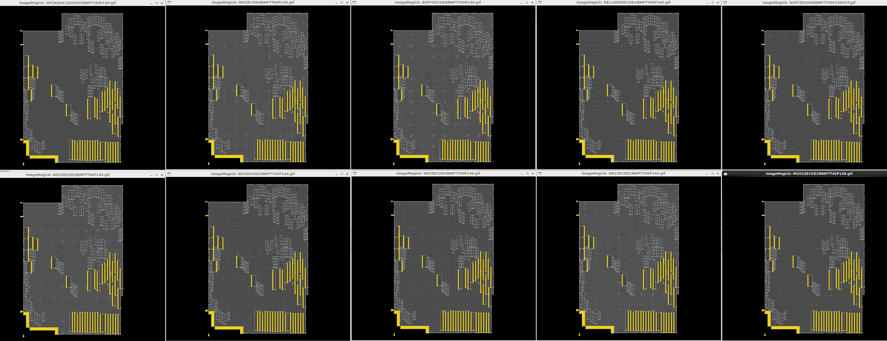

EOL

5. Floorplan
back
 | Criteria |  | Floorplan figure / DEF
 |  |  | place stuggered. Distance between tapcells(within 131.04um)/place boundary
not change from FEOL tapeout
 |  |  | fully shielding the blocks
 |  |  | No floating shapes. P/G definition is only used net names in block
 |  |  | direction/track offset

 | Check way |  | Check on LAYOUT view
 | Judgement |  | OK

 | Tool | Path |  | category | item |  | Results
 | Innovus |  |  | Die area | Floorplan figure |  | get_db designs .bbox
 |  |  |  |  |  |  | {-6.3 -6.25 2121.14 3187.15}
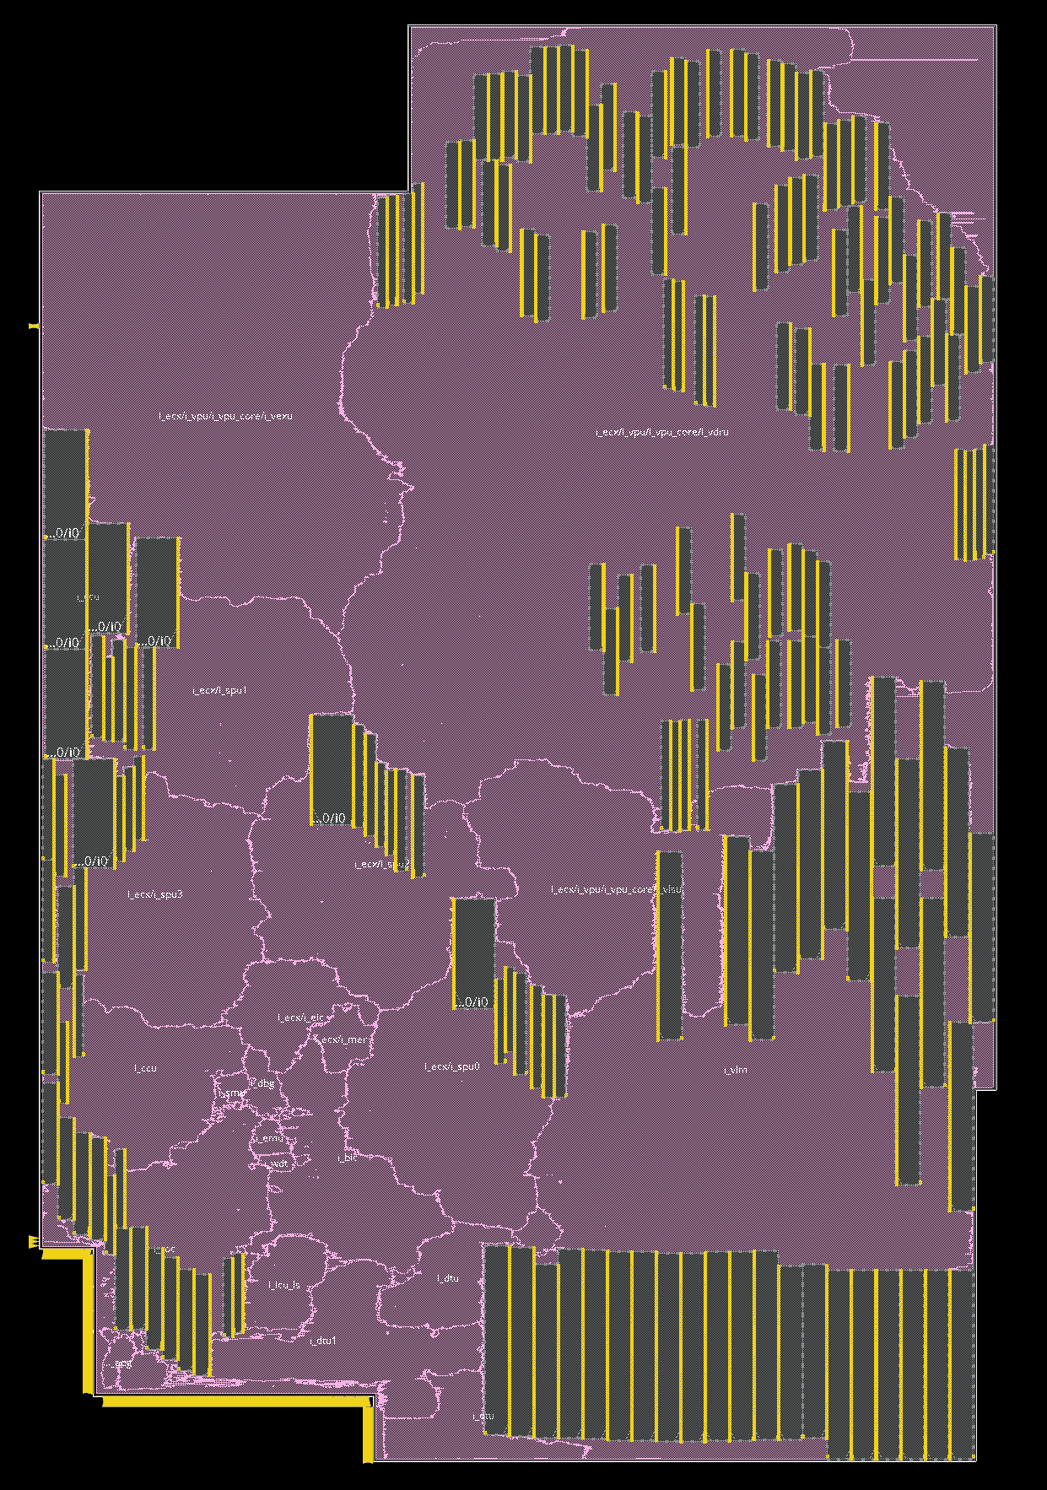

 | Innovus |  |  | Tapcell | Distance between tapcells |  | select_obj [get_db insts *TAP*]
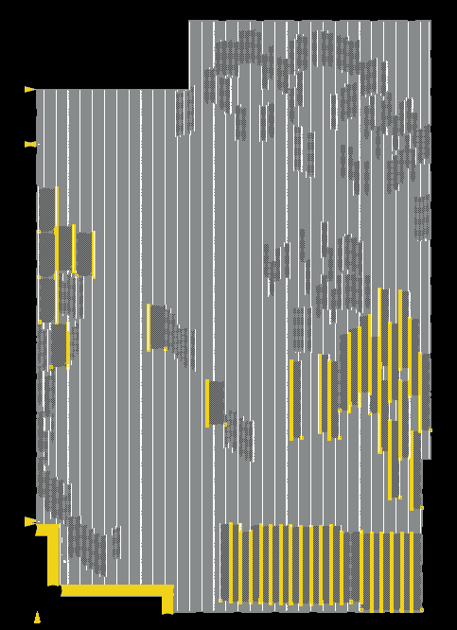

 |  |  |  |  |  |  |  |  |  | distance: 131.040

 | Innovus |  |  | Endcap | place boundary |  | select_obj [get_db insts ENDCAP*]
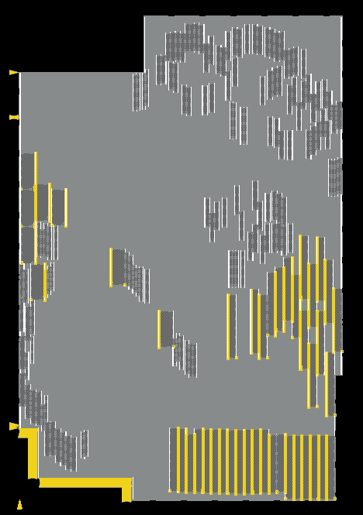

 | Innovus |  |  | P/G routing | fully shielding the blocks |  | M1 (follow pin) |  | M3 (shield) |  | M5 (Stripe + shield) | M7 (shield) | editSelect -shape RING
 |  |  |  |  |  |  | deselectAll ; dehighlight ; editSelect -shape RING -layer M1 ; highlight -index 2 |  | deselectAll ; dehighlight ; editSelect -shape RING -layer M3 ; highlight -index 3 |  | deselectAll ; dehighlight ; editSelect -shape RING -layer M5 ; highlight -index 1 | deselectAll ; dehighlight ; editSelect -shape RING -layer M7 ; highlight -index 8




 |  |  |  |  |  |  | M2 (shield) |  | M4 (shield) |  | M6 (shield) | M8 (stripe)
 |  |  |  |  |  |  | deselectAll ; dehighlight ; editSelect -shape RING -layer M2 ; highlight -index 1 |  | deselectAll ; dehighlight ; editSelect -shape RING -layer M4 ; highlight -index 4 |  | deselectAll ; dehighlight ; editSelect -shape RING -layer M6 ; highlight -index 7




 |  |  |  |  |  |  | verify_conetivity
 |  |  |  |  | No floating shapes. P/G definition is only used net names in block

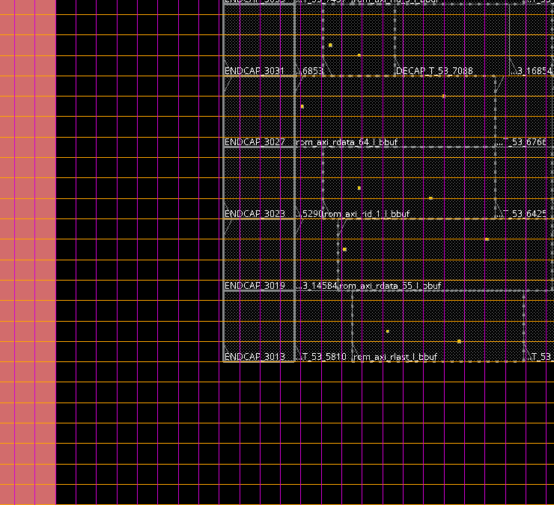
 | Innovus |  |  | direction/track offset
 |  |  |  | M1/M2 |  | M3/M4/M5/M6 |  | M7/M8
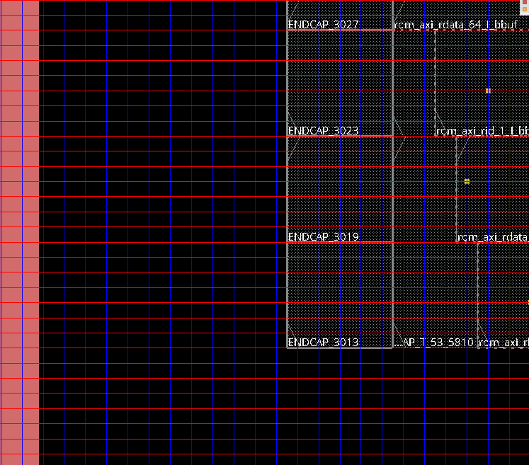
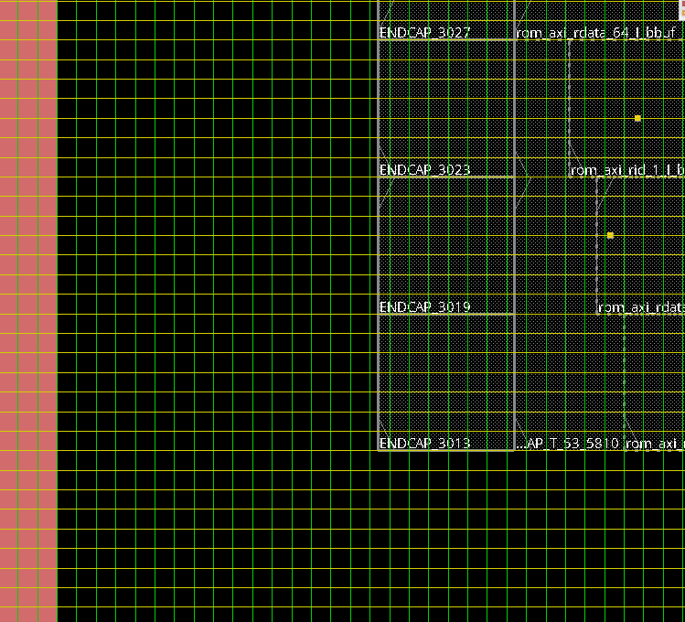

EOL

7. Clock
back
 | Criteria |  | Applying apply NDR rule (2x spacing)
 |  |  | Applying same NDR rule with chip-top
 |  |  | No halo violation
not change from FEOL tapeout
 |  |  | Applying clock drivers (^CK*)
 |  |  | Applying clock gates (^CK*)

 | Check way |  | Pick up from log file
 | Judgement |  | OK

 | Tool | Path |  | category | item |  | Results
 |  |  | /design04/M28PT_F_layout01_vf/u2b10/data/r7f702540/5_layout/50_PnR/501_INNOVUS/v000/blocks/bccx/f6931_0003b_220126_dp04a_RAMtrial2/log/ccopt_design_220207_155421.logv | NDR rule (2X spacing) | Applying apply NDR rule (2x spacing) |  |  |  |  | grep -A 36 'set clock_ndr ' /design04/M28PT_F_layout01_vf/u2b10/data/r7f702540/5_layout/50_PnR/501_INNOVUS/v000/blocks/bccx/f6931_0003b_220126_dp04a_RAMtrial2/log/ccopt_design_220207_155421.logv
 |  |  |  |  |  |  | # set clock_ndr |  | clock_SP
 |  |  |  |  |  |  | # set extra_space |  | 0
 |  |  |  |  |  |  | # set clock_max_fo |  | 32
 |  |  |  |  |  |  | # set target_tran_top |  | 0.1
 |  |  |  |  |  |  | # set target_tran_trunk | 0.1
 |  |  |  |  |  |  | # set target_tran_leaf | 0.1
 |  |  |  |  |  |  | # set target_cap_top |  | 0.06
 |  |  |  |  |  |  | # set target_cap_trunk "0.060"
 |  |  |  |  |  |  | # set target_cap_leaf | 0.06
 |  |  |  |  |  |  | # set target_delay_corner_user_setup "dc_MAX_LT_setup"
 |  |  |  |  |  |  | # set target_delay_corner_user_hold "dc_MAX_LT_hold"
 |  |  |  |  |  |  | # if {[get_db route_rules .name] == "clock_SP"} {
 |  |  |  |  |  |  | Puts "Warning: clock_SP already exists.Skipped"
 |  |  |  |  |  |  | } else {
 |  |  |  |  |  |  | add_ndr \
 |  |  |  |  |  |  | -name $clock_ndr \
 |  |  |  |  |  |  | -width { M1 0.05 M2 0.05 M3 0.05 M4 0.05 M5 0.05 M6 0.10 M7 0.10 } \
 |  |  |  |  |  |  | -spacing { M1 0.05 M2 0.05 M3 0.15 M4 0.15 M5 0.15 M6 0.30 M7 0.30 }
 |  |  |  |  |  |  | }
 |  |  |  |  |  |  | if {[llength [get_db route_types]] > 0} {
 |  |  |  |  |  |  | Puts "Warning: route_type already exists.Skipped"
 |  |  |  |  |  |  | } else {
 |  |  |  |  |  |  | create_route_type -name top_rule \
 |  |  |  |  |  |  | -non_default_rule $clock_ndr \
 |  |  |  |  |  |  | -top_preferred_layer $trunk_top_layer \
 |  |  |  |  |  |  | -bottom_preferred_layer $trunk_bottom_layer \
 |  |  |  |  |  |  | -shield_net VSS

 |  |  |  |  |  |  | create_route_type -name trunk_rule \
 |  |  |  |  |  |  | -non_default_rule $clock_ndr \
 |  |  |  |  |  |  | -top_preferred_layer $trunk_top_layer \
 |  |  |  |  |  |  | -bottom_preferred_layer $trunk_bottom_layer \
 |  |  |  |  |  |  | -shield_net VSS

 |  |  |  |  |  |  | create_route_type -name leaf_rule \
 |  |  |  |  |  |  | -top_preferred_layer $leaf_top_layer \
 |  |  |  |  |  |  | -bottom_preferred_layer $leaf_bottom_layer
 |  |  |  |  |  |  | }
 |  |  |  | Same NDR rule with chip-top | Applying same NDR rule with chip-top
 |  |  |  |  |  |  | I was confirming to My-san

 |  |  |  |  |  |  | Hello Aita-san,
 |  |  |  |  |  |  | Thank you for contacting me.
 |  |  |  |  |  |  | Yes, in TOP side, we use clock_SP NDR rules.
 |  |  |  |  |  |  | Please refer it at link below:
 |  |  |  |  |  |  | /design04/M28PT_F_layout01_vf/u2b10/data/r7f702540/5_layout/50_PnR/500_ICC2/v000/Top/MASTER_ENV/CTS_env_u2b10/settings.common.cts.tcl
 |  |  |  |  |  |  | for clock_SP2/clock_SP3, it's incremental NDR to prevent x-talk. Please ignore it.

 |  |  |  | ALL CLOCK
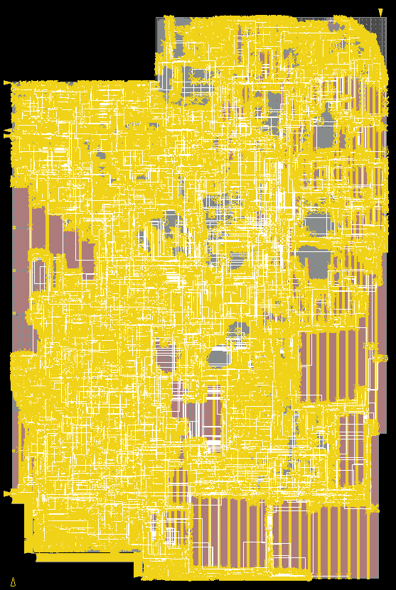

 |  |  |  | Apply halo rule | No halo violation |  | innovus 17> report_ccopt_cell_halo_violations |  |  | report_ccopt_cell_halo_violations
 |  |  |  |  |  |  | Clock Cell Halo Rule Check in Summary
 |  |  |  |  | report_ccopt_cell_halo_violations |  | =====================================

 |  |  |  |  |  |  | ----------------------------------------------------------------------------------------------------------------------
 |  |  |  |  |  |  | Clock Instances with cell_halo Failed instances
 |  |  |  |  |  |  | ----------------------------------------------------------------------------------------------------------------------
 |  |  |  |  |  |  | TCK_dfp_emu/jtag_tck 76 0
 |  |  |  |  |  |  | TCK_dfp_emu/jtag_tck_ac 23 0
 |  |  |  |  |  |  | TT_TR_bsd 492 0
 |  |  |  |  |  |  | clk_dfp_dfpclk800/clk 31396 0
 |  |  |  |  |  |  | clk_dfp_dfpclk800/clk_sf 12735 0
 |  |  |  |  |  |  | clk_dfp_div2_2 373 0
 |  |  |  |  |  |  | LB_AC1_mtgn2_t1_0_clk_dfp/MB_DFP_ClockGrp0_clk_dfp_ram_mbist 1760 0
 |  |  |  |  |  |  | LB_AC1_mtgn2_t2_0_clk_dfp_div2/MB_DFP_ClockGrp1_clk_dfp_div2_ram_mbist 650 0
 |  |  |  |  |  |  | LB_DC_TT_TR/MB_DFP_ShiftClock1_TT_TR_mbt 61 0
 |  |  |  |  |  |  | ----------------------------------------------------------------------------------------------------------------------

 |  |  |  |  |  |  | Total number of violating instances: 0

 |  |  |  |  |  |  | Clock Cell Halo Rule Violations
 |  |  |  |  |  |  | ===============================

 |  |  |  |  |  |  | -------------------------------------------------------------------------------------------------------------------------------
 |  |  |  |  |  |  | No. Cell Instance In clock Power domain Cell Halo (x, y) Violating instance From clock Intrusion (x, y)
 |  |  |  |  |  |  | -------------------------------------------------------------------------------------------------------------------------------
 |  |  |  |  |  |  | (empty table)
 |  |  |  |  |  |  | -------------------------------------------------------------------------------------------------------------------------------

 |  |  |  | clock drivers | Applying clock drivers (*BUFCL*,*INVCL*) |  | Same as 4. Cell usage sheet
 |  |  |  | clock gates | Applying clock gates (*CL*) |  | Same as 4. Cell usage sheet

 |  |  |  |  | settings OCV margin | pod | set margins [list \
 |  |  |  |  |  |  | setup 0.318 0.000 MAX \
 |  |  |  |  |  |  | hold 0.626 0.000 MAX \
 |  |  |  |  |  |  | hold 0.206 0.000 MIN \
 |  |  |  |  |  |  | ]
 |  |  |  |  |  | cod | set margins [list \
 |  |  |  |  |  |  | setup 0.184 0.000 MAX \
 |  |  |  |  |  |  | hold 0.337 0.000 MAX \
 |  |  |  |  |  |  | hold 0.111 0.000 MIN \
 |  |  |  |  |  |  | ]
 |  |  |  |  |  | prod | set margins [list \
 |  |  |  |  |  |  | setup 0.184 0.000 MAX \
 |  |  |  |  |  |  | hold 0.337 0.000 MAX \
 |  |  |  |  |  |  | hold 0.111 0.000 MIN \
 |  |  |  |  |  |  | ]

EOL

6. Constraint
back
 | Criteria |  | Constraints / No clock un-reachable FF, un-constrainted ports
 |  |  | Applying annotated_delay for metas
 |  |  | Applying timing derate for each corners
 |  |  | Applying clock uncertainty
update HLDRC result
 |  |  | No violation for clock/data
 |  |  | No tran/cap violation for each frequency
 |  |  | No tran violation for low drivers

 | Check way |  | Check Error/Warning in log file
 | Judgement |  | OK

 | Tool | Path |  | category | item | Results
 | Innovus |  | script_block/pr/view_definition.tcl | SDC | Constraints | Splitted from TOP

 |  |  |  |  |  | setenv inputs "/design04/M28PT_F_layout01_vf/u2b10/data/r7f702540/5_layout/50_PnR/501_INNOVUS/v100_eco01/blocks/bccx/inputs/f6931_1114a_220323_dp01a"
 |  |  |  |  |  | setenv USER_SDC "${inputs}/split_constraints/mode_USER.tcl.gz ${inputs}/block_budgets/mode_USER.tcl.gz ${inputs}/split_constraints/scenario_USER_MAXLTSETUP.tcl.gz"
 |  |  |  |  |  | setenv SCAN_SDC "${inputs}/split_constraints/mode_SCAN.tcl.gz ${inputs}/block_budgets/mode_SCAN.tcl.gz ${inputs}/split_constraints/scenario_SCAN_MAXLTSETUP.tcl.gz"
 |  |  |  |  |  | setenv MBIST_SDC "${inputs}/split_constraints/mode_MBIST.tcl.gz ${inputs}/block_budgets/mode_MBIST.tcl.gz ${inputs}/split_constraints/scenario_MBIST_MAXLTSETUP.tcl.gz"
 |  |  |  |  |  | setenv FBIST_SDC "${inputs}/split_constraints/mode_FBIST.tcl.gz ${inputs}/block_budgets/mode_FBIST.tcl.gz ${inputs}/split_constraints/scenario_FBIST_MAXLTSETUP.tcl.gz"

 |  |  |  |  | No clock un-reachable FF, un-constrainted ports | HLDRC check.
 |  |  |  |  |  | /design04/M28PT_F_layout01_vf/u2b10/data/r7f702540/5_layout/50_PnR/501_INNOVUS/v100_eco01/blocks/bccx/f6931_1114a_220323_dp01a.saci.op.PR13/hldrc/postlay/bccx_hldrc.rep

 |  |  |  |  |  | ************* SUMMARY OF ERRORS AND WARNINGS *************

 |  |  |  |  |  | MESSAGE_LEVEL MESSAGE_TYPE #ERRORS #WARNINGS
 |  |  |  |  |  | ------------------------------------------------------------------------
 |  |  |  |  |  | 1 Shorts 0 57160
 |  |  |  |  |  | 2 Dangling 0 1699731
 |  |  |  |  |  | 3 Name Rule 0 0
 |  |  |  |  |  | 4 Duplication Module 0 0
 |  |  |  |  |  | 5 Gate Loop 0 0
 |  |  |  |  |  | 6 Duplication Module 0 0
 |  |  |  |  |  | 7 Fanout Restriction 4 0
 |  |  |  |  |  | 8 Duplication Module 0 0
 |  |  |  |  |  | 9 Parallel Drive 0 0
 |  |  |  |  |  | 10 Three-State/Bus Repeater 0 0
 |  |  |  |  |  | 11 Clock Line 0 2
 |  |  |  |  |  | 12 Level Shift 0 0
 |  |  |  |  |  | 13 Duplication Module 0 0
 |  |  |  |  |  | 14 Module Ports 0 0
 |  |  |  |  |  | 15 Top Module Port 0 0
 |  |  |  |  |  | 16 Restriction cells 9 0
 |  |  |  |  |  | 17 Inverter Chain 3 0
 |  |  |  |  |  | 18 E-Fuse Check 0 0
 |  |  |  |  |  | 19 Direct Clamp 0 0
 |  |  |  |  |  | 20 Cell Condition 0 0
 |  |  |  |  |  | 21 Burn-in Enable 0 0
 |  |  |  |  |  | 22 Duplication Module 0 0
 |  |  |  |  |  | ------------------------------------------------------------------------
 |  |  |  |  |  | TOTALS: 16 1756893

MS5_place |  |  |  | annotated_delay | Applying annotated_delay for metas | setenv ANNO_USER "/svhome/rhflash/data/r7f702540/4_implement/42_sdc/v100_eco01/r7f702540_v100_eco01_m1_postopt_f_220210a_annotated_delay_meta_system_02.tcl"
 |  |  |  |  |  | setenv ANNO_SCAN "/svhome/rhflash/data/r7f702540/4_implement/42_sdc/v100_eco01/r7f702540_v100_eco01_m1_postopt_f_220210a_annotated_delay_meta_scan_01.tcl"
 |  |  |  |  |  | setenv ANNO_MBIST "/svhome/rhflash/data/r7f702540/4_implement/42_sdc/v100_eco01/r7f702540_v100_eco01_m1_postopt_f_220210a_annotated_delay_meta_mbist_01.tcl"

 |  |  | ${Innovus}/log/postroute_design_190303_054555.log | Timing derate | Applying timing derate for each corners | analysis_view:bccx/mbist_min_hold@MIN_HT_typht : dc_MIN_HT_typht_hold
 |  |  |  |  |  | [02/13 23:25:04 2489s] analysis_view:bccx/user_min_hold@MIN_LT_typlt : dc_MIN_LT_typlt_hold
 |  |  |  |  |  | [02/13 23:25:04 2489s] analysis_view:bccx/user_min_hold@MIN_HT_typht : dc_MIN_HT_typht_hold
 |  |  |  |  |  | [02/13 23:25:04 2489s] analysis_view:bccx/mbist_min_hold@MIN_LT_typlt : dc_MIN_LT_typlt_hold
 |  |  |  |  |  | [02/13 23:25:04 2489s] analysis_view:bccx/scan_max_hold@MAX_LT_typlt : dc_MAX_LT_typlt_hold
 |  |  |  |  |  | [02/13 23:25:04 2489s] analysis_view:bccx/fbist_min_hold@MIN_LT_typlt : dc_MIN_LT_typlt_hold
 |  |  |  |  |  | [02/13 23:25:04 2489s] analysis_view:bccx/scan_max_hold@MAX_HT_typht : dc_MAX_HT_typht_hold
 |  |  |  |  |  | [02/13 23:25:04 2489s] analysis_view:bccx/mbist_max_setup@MAX_HT_typht : dc_MAX_HT_typht_setup
 |  |  |  |  |  | [02/13 23:25:04 2489s] analysis_view:bccx/fbist_max_setup@MAX_HT_typht : dc_MAX_HT_typht_setup
 |  |  |  |  |  | [02/13 23:25:04 2489s] analysis_view:bccx/mbist_max_setup@MAX_LT_typlt : dc_MAX_LT_typlt_setup
 |  |  |  |  |  | [02/13 23:25:04 2489s] analysis_view:bccx/fbist_max_setup@MAX_LT_typlt : dc_MAX_LT_typlt_setup
 |  |  |  |  |  | [02/13 23:25:04 2489s] analysis_view:bccx/fbist_min_hold@MIN_HT_typht : dc_MIN_HT_typht_hold
 |  |  |  |  |  | [02/13 23:25:04 2489s] analysis_view:bccx/mbist_max_hold@MAX_HT_typht : dc_MAX_HT_typht_hold
 |  |  |  |  |  | [02/13 23:25:04 2489s] analysis_view:bccx/mbist_max_hold@MAX_LT_typlt : dc_MAX_LT_typlt_hold
 |  |  |  |  |  | [02/13 23:25:04 2489s] analysis_view:bccx/fbist_max_hold@MAX_HT_typht : dc_MAX_HT_typht_hold
 |  |  |  |  |  | [02/13 23:25:04 2489s] analysis_view:bccx/fbist_max_hold@MAX_LT_typlt : dc_MAX_LT_typlt_hold
 |  |  |  |  |  | [02/13 23:25:04 2489s] analysis_view:bccx/scan_min_hold@MIN_HT_typht : dc_MIN_HT_typht_hold
 |  |  |  |  |  | [02/13 23:25:04 2489s] analysis_view:bccx/scan_min_hold@MIN_LT_typlt : dc_MIN_LT_typlt_hold
 |  |  |  |  |  | [02/13 23:25:04 2489s] analysis_view:bccx/user_max_setup@MAX_LT_typlt : dc_MAX_LT_typlt_setup
 |  |  |  |  |  | [02/13 23:25:04 2489s] analysis_view:bccx/user_max_setup@MAX_HT_typht : dc_MAX_HT_typht_setup
 |  |  |  |  |  | [02/13 23:25:04 2489s] analysis_view:bccx/user_max_hold@MAX_LT_typlt : dc_MAX_LT_typlt_hold
 |  |  |  |  |  | [02/13 23:25:04 2489s] analysis_view:bccx/user_max_hold@MAX_HT_typht : dc_MAX_HT_typht_hold
 |  |  |  |  |  | [02/13 23:25:04 2489s] analysis_view:bccx/scan_max_setup@MAX_HT_typht : dc_MAX_HT_typht_setup
 |  |  |  |  |  | [02/13 23:25:04 2489s] analysis_view:bccx/scan_max_setup@MAX_LT_typlt : dc_MAX_LT_typlt_setup
 |  |  |  |  |  | [02/13 23:25:04 2489s] # if {[info exists max_setup_delay_corner_list]} {
 |  |  |  |  |  | foreach DelayCorner $max_setup_delay_corner_list {
 |  |  |  |  |  | set_timing_derate -cell_delay -delay_corner $DelayCorner -early 1.0
 |  |  |  |  |  | set_timing_derate -cell_delay -delay_corner $DelayCorner -late 1.056
 |  |  |  |  |  | set_timing_derate -net_delay -delay_corner $DelayCorner -early 1.0
 |  |  |  |  |  | set_timing_derate -net_delay -delay_corner $DelayCorner -late 1.04
 |  |  |  |  |  | }
 |  |  |  |  |  | }
 |  |  |  |  |  | <CMD> set_timing_derate -cell_delay -delay_corner $DelayCorner -early 1.0
 |  |  |  |  |  | [02/13 23:25:04 2489s] **ERROR: (TCLCMD-1410): The delay corner 'dc_MAX_HT_typht_setup' is not associated with any active view. The timing derate can be applied to corners associated with active views only.
 |  |  |  |  |  | <CMD> set_timing_derate -cell_delay -delay_corner $DelayCorner -late 1.056
 |  |  |  |  |  | [02/13 23:25:04 2489s] **ERROR: (TCLCMD-1410): The delay corner 'dc_MAX_HT_typht_setup' is not associated with any active view. The timing derate can be applied to corners associated with active views only.
 |  |  |  |  |  | <CMD> set_timing_derate -net_delay -delay_corner $DelayCorner -early 1.0
 |  |  |  |  |  | [02/13 23:25:04 2489s] **ERROR: (TCLCMD-1410): The delay corner 'dc_MAX_HT_typht_setup' is not associated with any active view. The timing derate can be applied to corners associated with active views only.
 |  |  |  |  |  | <CMD> set_timing_derate -net_delay -delay_corner $DelayCorner -late 1.04
 |  |  |  |  |  | [02/13 23:25:04 2489s] **ERROR: (TCLCMD-1410): The delay corner 'dc_MAX_HT_typht_setup' is not associated with any active view. The timing derate can be applied to corners associated with active views only.
 |  |  |  |  |  | <CMD> set_timing_derate -cell_delay -delay_corner $DelayCorner -early 1.0
 |  |  |  |  |  | [02/13 23:25:04 2489s] **ERROR: (TCLCMD-1410): The delay corner 'dc_MAX_HT_typht_setup' is not associated with any active view. The timing derate can be applied to corners associated with active views only.
 |  |  |  |  |  | <CMD> set_timing_derate -cell_delay -delay_corner $DelayCorner -late 1.056
 |  |  |  |  |  | [02/13 23:25:04 2489s] **ERROR: (TCLCMD-1410): The delay corner 'dc_MAX_HT_typht_setup' is not associated with any active view. The timing derate can be applied to corners associated with active views only.
 |  |  |  |  |  | <CMD> set_timing_derate -net_delay -delay_corner $DelayCorner -early 1.0
 |  |  |  |  |  | [02/13 23:25:04 2489s] **ERROR: (TCLCMD-1410): The delay corner 'dc_MAX_HT_typht_setup' is not associated with any active view. The timing derate can be applied to corners associated with active views only.
 |  |  |  |  |  | <CMD> set_timing_derate -net_delay -delay_corner $DelayCorner -late 1.04
 |  |  |  |  |  | [02/13 23:25:04 2489s] **ERROR: (TCLCMD-1410): The delay corner 'dc_MAX_HT_typht_setup' is not associated with any active view. The timing derate can be applied to corners associated with active views only.
 |  |  |  |  |  | <CMD> set_timing_derate -cell_delay -delay_corner $DelayCorner -early 1.0
 |  |  |  |  |  | [02/13 23:25:05 2489s] <CMD> set_timing_derate -cell_delay -delay_corner $DelayCorner -late 1.056
 |  |  |  |  |  | [02/13 23:25:05 2489s] <CMD> set_timing_derate -net_delay -delay_corner $DelayCorner -early 1.0
 |  |  |  |  |  | [02/13 23:25:05 2489s] <CMD> set_timing_derate -net_delay -delay_corner $DelayCorner -late 1.04
 |  |  |  |  |  | [02/13 23:25:05 2489s] <CMD> set_timing_derate -cell_delay -delay_corner $DelayCorner -early 1.0
 |  |  |  |  |  | [02/13 23:25:05 2489s] <CMD> set_timing_derate -cell_delay -delay_corner $DelayCorner -late 1.056
 |  |  |  |  |  | [02/13 23:25:05 2489s] <CMD> set_timing_derate -net_delay -delay_corner $DelayCorner -early 1.0
 |  |  |  |  |  | [02/13 23:25:05 2489s] <CMD> set_timing_derate -net_delay -delay_corner $DelayCorner -late 1.04
 |  |  |  |  |  | [02/13 23:25:05 2489s] <CMD> set_timing_derate -cell_delay -delay_corner $DelayCorner -early 1.0
 |  |  |  |  |  | [02/13 23:25:05 2489s] <CMD> set_timing_derate -cell_delay -delay_corner $DelayCorner -late 1.056
 |  |  |  |  |  | [02/13 23:25:05 2489s] <CMD> set_timing_derate -net_delay -delay_corner $DelayCorner -early 1.0
 |  |  |  |  |  | [02/13 23:25:05 2489s] <CMD> set_timing_derate -net_delay -delay_corner $DelayCorner -late 1.04
 |  |  |  |  |  | [02/13 23:25:05 2489s] <CMD> set_timing_derate -cell_delay -delay_corner $DelayCorner -early 1.0
 |  |  |  |  |  | [02/13 23:25:05 2489s] **ERROR: (TCLCMD-1410): The delay corner 'dc_MAX_HT_typht_setup' is not associated with any active view. The timing derate can be applied to corners associated with active views only.
 |  |  |  |  |  | <CMD> set_timing_derate -cell_delay -delay_corner $DelayCorner -late 1.056
 |  |  |  |  |  | [02/13 23:25:05 2489s] **ERROR: (TCLCMD-1410): The delay corner 'dc_MAX_HT_typht_setup' is not associated with any active view. The timing derate can be applied to corners associated with active views only.
 |  |  |  |  |  | <CMD> set_timing_derate -net_delay -delay_corner $DelayCorner -early 1.0
 |  |  |  |  |  | [02/13 23:25:05 2489s] **ERROR: (TCLCMD-1410): The delay corner 'dc_MAX_HT_typht_setup' is not associated with any active view. The timing derate can be applied to corners associated with active views only.
 |  |  |  |  |  | <CMD> set_timing_derate -net_delay -delay_corner $DelayCorner -late 1.04
 |  |  |  |  |  | [02/13 23:25:05 2489s] **ERROR: (TCLCMD-1410): The delay corner 'dc_MAX_HT_typht_setup' is not associated with any active view. The timing derate can be applied to corners associated with active views only.
 |  |  |  |  |  | <CMD> set_timing_derate -cell_delay -delay_corner $DelayCorner -early 1.0
 |  |  |  |  |  | [02/13 23:25:05 2489s] **ERROR: (TCLCMD-1410): The delay corner 'dc_MAX_HT_typht_setup' is not associated with any active view. The timing derate can be applied to corners associated with active views only.
 |  |  |  |  |  | <CMD> set_timing_derate -cell_delay -delay_corner $DelayCorner -late 1.056
 |  |  |  |  |  | [02/13 23:25:05 2489s] **ERROR: (TCLCMD-1410): The delay corner 'dc_MAX_HT_typht_setup' is not associated with any active view. The timing derate can be applied to corners associated with active views only.
 |  |  |  |  |  | <CMD> set_timing_derate -net_delay -delay_corner $DelayCorner -early 1.0
 |  |  |  |  |  | [02/13 23:25:05 2489s] **ERROR: (TCLCMD-1410): The delay corner 'dc_MAX_HT_typht_setup' is not associated with any active view. The timing derate can be applied to corners associated with active views only.
 |  |  |  |  |  | <CMD> set_timing_derate -net_delay -delay_corner $DelayCorner -late 1.04
 |  |  |  |  |  | [02/13 23:25:05 2489s] **ERROR: (TCLCMD-1410): The delay corner 'dc_MAX_HT_typht_setup' is not associated with any active view. The timing derate can be applied to corners associated with active views only.
 |  |  |  |  |  | <CMD> set_timing_derate -cell_delay -delay_corner $DelayCorner -early 1.0
 |  |  |  |  |  | [02/13 23:25:05 2489s] <CMD> set_timing_derate -cell_delay -delay_corner $DelayCorner -late 1.056
 |  |  |  |  |  | [02/13 23:25:05 2489s] <CMD> set_timing_derate -net_delay -delay_corner $DelayCorner -early 1.0
 |  |  |  |  |  | [02/13 23:25:05 2489s] <CMD> set_timing_derate -net_delay -delay_corner $DelayCorner -late 1.04
 |  |  |  |  |  | [02/13 23:25:05 2489s] # if {[info exists min_hold_delay_corner_list]} {
 |  |  |  |  |  | foreach DelayCorner $min_hold_delay_corner_list {
 |  |  |  |  |  | set_timing_derate -cell_delay -delay_corner $DelayCorner -early 0.97
 |  |  |  |  |  | set_timing_derate -cell_delay -delay_corner $DelayCorner -late 1.09
 |  |  |  |  |  | set_timing_derate -net_delay -delay_corner $DelayCorner -early 0.93
 |  |  |  |  |  | set_timing_derate -net_delay -delay_corner $DelayCorner -late 1.07
 |  |  |  |  |  | }
 |  |  |  |  |  | }
 |  |  |  |  |  | <CMD> set_timing_derate -cell_delay -delay_corner $DelayCorner -early 0.97
 |  |  |  |  |  | [02/13 23:25:05 2489s] <CMD> set_timing_derate -cell_delay -delay_corner $DelayCorner -late 1.09
 |  |  |  |  |  | [02/13 23:25:05 2489s] <CMD> set_timing_derate -net_delay -delay_corner $DelayCorner -early 0.93
 |  |  |  |  |  | [02/13 23:25:05 2489s] <CMD> set_timing_derate -net_delay -delay_corner $DelayCorner -late 1.07
 |  |  |  |  |  | [02/13 23:25:05 2489s] <CMD> set_timing_derate -cell_delay -delay_corner $DelayCorner -early 0.97
 |  |  |  |  |  | [02/13 23:25:05 2489s] **ERROR: (TCLCMD-1410): The delay corner 'dc_MIN_LT_typlt_hold' is not associated with any active view. The timing derate can be applied to corners associated with active views only.
 |  |  |  |  |  | <CMD> set_timing_derate -cell_delay -delay_corner $DelayCorner -late 1.09
 |  |  |  |  |  | [02/13 23:25:05 2489s] **ERROR: (TCLCMD-1410): The delay corner 'dc_MIN_LT_typlt_hold' is not associated with any active view. The timing derate can be applied to corners associated with active views only.
 |  |  |  |  |  | <CMD> set_timing_derate -net_delay -delay_corner $DelayCorner -early 0.93
 |  |  |  |  |  | [02/13 23:25:05 2489s] **ERROR: (TCLCMD-1410): The delay corner 'dc_MIN_LT_typlt_hold' is not associated with any active view. The timing derate can be applied to corners associated with active views only.
 |  |  |  |  |  | <CMD> set_timing_derate -net_delay -delay_corner $DelayCorner -late 1.07
 |  |  |  |  |  | [02/13 23:25:05 2489s] **ERROR: (TCLCMD-1410): The delay corner 'dc_MIN_LT_typlt_hold' is not associated with any active view. The timing derate can be applied to corners associated with active views only.
 |  |  |  |  |  | <CMD> set_timing_derate -cell_delay -delay_corner $DelayCorner -early 0.97
 |  |  |  |  |  | [02/13 23:25:05 2489s] <CMD> set_timing_derate -cell_delay -delay_corner $DelayCorner -late 1.09
 |  |  |  |  |  | [02/13 23:25:05 2489s] <CMD> set_timing_derate -net_delay -delay_corner $DelayCorner -early 0.93
 |  |  |  |  |  | [02/13 23:25:05 2489s] <CMD> set_timing_derate -net_delay -delay_corner $DelayCorner -late 1.07
 |  |  |  |  |  | [02/13 23:25:05 2489s] <CMD> set_timing_derate -cell_delay -delay_corner $DelayCorner -early 0.97
 |  |  |  |  |  | [02/13 23:25:05 2489s] Message <TCLCMD-1410> has exceeded the message display limit of '20'. Use 'set_message -no_limit -id list_of_msgIDs' to reset the message limit.
 |  |  |  |  |  | [02/13 23:25:05 2489s] <CMD> set_timing_derate -cell_delay -delay_corner $DelayCorner -late 1.09
 |  |  |  |  |  | [02/13 23:25:05 2489s] <CMD> set_timing_derate -net_delay -delay_corner $DelayCorner -early 0.93
 |  |  |  |  |  | [02/13 23:25:05 2489s] <CMD> set_timing_derate -net_delay -delay_corner $DelayCorner -late 1.07
 |  |  |  |  |  | [02/13 23:25:05 2489s] <CMD> set_timing_derate -cell_delay -delay_corner $DelayCorner -early 0.97
 |  |  |  |  |  | [02/13 23:25:05 2489s] <CMD> set_timing_derate -cell_delay -delay_corner $DelayCorner -late 1.09
 |  |  |  |  |  | [02/13 23:25:05 2489s] <CMD> set_timing_derate -net_delay -delay_corner $DelayCorner -early 0.93
 |  |  |  |  |  | [02/13 23:25:05 2489s] <CMD> set_timing_derate -net_delay -delay_corner $DelayCorner -late 1.07
 |  |  |  |  |  | [02/13 23:25:05 2489s] <CMD> set_timing_derate -cell_delay -delay_corner $DelayCorner -early 0.97
 |  |  |  |  |  | [02/13 23:25:05 2489s] <CMD> set_timing_derate -cell_delay -delay_corner $DelayCorner -late 1.09
 |  |  |  |  |  | [02/13 23:25:05 2489s] <CMD> set_timing_derate -net_delay -delay_corner $DelayCorner -early 0.93
 |  |  |  |  |  | [02/13 23:25:05 2489s] <CMD> set_timing_derate -net_delay -delay_corner $DelayCorner -late 1.07
 |  |  |  |  |  | [02/13 23:25:05 2489s] <CMD> set_timing_derate -cell_delay -delay_corner $DelayCorner -early 0.97
 |  |  |  |  |  | [02/13 23:25:05 2489s] <CMD> set_timing_derate -cell_delay -delay_corner $DelayCorner -late 1.09
 |  |  |  |  |  | [02/13 23:25:05 2489s] <CMD> set_timing_derate -net_delay -delay_corner $DelayCorner -early 0.93
 |  |  |  |  |  | [02/13 23:25:05 2489s] <CMD> set_timing_derate -net_delay -delay_corner $DelayCorner -late 1.07
 |  |  |  |  |  | [02/13 23:25:05 2489s] <CMD> set_timing_derate -cell_delay -delay_corner $DelayCorner -early 0.97
 |  |  |  |  |  | [02/13 23:25:05 2489s] <CMD> set_timing_derate -cell_delay -delay_corner $DelayCorner -late 1.09
 |  |  |  |  |  | [02/13 23:25:05 2489s] <CMD> set_timing_derate -net_delay -delay_corner $DelayCorner -early 0.93
 |  |  |  |  |  | [02/13 23:25:05 2489s] <CMD> set_timing_derate -net_delay -delay_corner $DelayCorner -late 1.07
 |  |  |  |  |  | [02/13 23:25:05 2489s] # if {[info exists max_hold_delay_corner_list]} {
 |  |  |  |  |  | foreach DelayCorner $max_hold_delay_corner_list {
 |  |  |  |  |  | set_timing_derate -cell_delay -delay_corner $DelayCorner -early 0.91
 |  |  |  |  |  | set_timing_derate -cell_delay -delay_corner $DelayCorner -late 1.03
 |  |  |  |  |  | set_timing_derate -net_delay -delay_corner $DelayCorner -early 0.93
 |  |  |  |  |  | set_timing_derate -net_delay -delay_corner $DelayCorner -late 1.07
 |  |  |  |  |  | }
 |  |  |  |  |  | }
 |  |  |  |  |  | <CMD> set_timing_derate -cell_delay -delay_corner $DelayCorner -early 0.91
 |  |  |  |  |  | [02/13 23:25:05 2489s] <CMD> set_timing_derate -cell_delay -delay_corner $DelayCorner -late 1.03
 |  |  |  |  |  | [02/13 23:25:05 2489s] <CMD> set_timing_derate -net_delay -delay_corner $DelayCorner -early 0.93
 |  |  |  |  |  | [02/13 23:25:05 2489s] <CMD> set_timing_derate -net_delay -delay_corner $DelayCorner -late 1.07
 |  |  |  |  |  | [02/13 23:25:05 2489s] <CMD> set_timing_derate -cell_delay -delay_corner $DelayCorner -early 0.91
 |  |  |  |  |  | [02/13 23:25:05 2489s] <CMD> set_timing_derate -cell_delay -delay_corner $DelayCorner -late 1.03
 |  |  |  |  |  | [02/13 23:25:05 2489s] <CMD> set_timing_derate -net_delay -delay_corner $DelayCorner -early 0.93
 |  |  |  |  |  | [02/13 23:25:05 2489s] <CMD> set_timing_derate -net_delay -delay_corner $DelayCorner -late 1.07
 |  |  |  |  |  | [02/13 23:25:05 2489s] <CMD> set_timing_derate -cell_delay -delay_corner $DelayCorner -early 0.91
 |  |  |  |  |  | [02/13 23:25:05 2489s] <CMD> set_timing_derate -cell_delay -delay_corner $DelayCorner -late 1.03
 |  |  |  |  |  | [02/13 23:25:05 2489s] <CMD> set_timing_derate -net_delay -delay_corner $DelayCorner -early 0.93
 |  |  |  |  |  | [02/13 23:25:05 2489s] <CMD> set_timing_derate -net_delay -delay_corner $DelayCorner -late 1.07
 |  |  |  |  |  | [02/13 23:25:05 2489s] <CMD> set_timing_derate -cell_delay -delay_corner $DelayCorner -early 0.91
 |  |  |  |  |  | [02/13 23:25:05 2489s] <CMD> set_timing_derate -cell_delay -delay_corner $DelayCorner -late 1.03
 |  |  |  |  |  | [02/13 23:25:05 2489s] <CMD> set_timing_derate -net_delay -delay_corner $DelayCorner -early 0.93
 |  |  |  |  |  | [02/13 23:25:05 2489s] <CMD> set_timing_derate -net_delay -delay_corner $DelayCorner -late 1.07
 |  |  |  |  |  | [02/13 23:25:05 2489s] <CMD> set_timing_derate -cell_delay -delay_corner $DelayCorner -early 0.91
 |  |  |  |  |  | [02/13 23:25:05 2489s] <CMD> set_timing_derate -cell_delay -delay_corner $DelayCorner -late 1.03
 |  |  |  |  |  | [02/13 23:25:05 2489s] <CMD> set_timing_derate -net_delay -delay_corner $DelayCorner -early 0.93
 |  |  |  |  |  | [02/13 23:25:05 2489s] <CMD> set_timing_derate -net_delay -delay_corner $DelayCorner -late 1.07
 |  |  |  |  |  | [02/13 23:25:05 2489s] <CMD> set_timing_derate -cell_delay -delay_corner $DelayCorner -early 0.91
 |  |  |  |  |  | [02/13 23:25:05 2489s] <CMD> set_timing_derate -cell_delay -delay_corner $DelayCorner -late 1.03
 |  |  |  |  |  | [02/13 23:25:05 2489s] <CMD> set_timing_derate -net_delay -delay_corner $DelayCorner -early 0.93
 |  |  |  |  |  | [02/13 23:25:05 2489s] <CMD> set_timing_derate -net_delay -delay_corner $DelayCorner -late 1.07
 |  |  |  |  |  | [02/13 23:25:05 2489s] <CMD> set_timing_derate -cell_delay -delay_corner $DelayCorner -early 0.91
 |  |  |  |  |  | [02/13 23:25:05 2489s] <CMD> set_timing_derate -cell_delay -delay_corner $DelayCorner -late 1.03
 |  |  |  |  |  | [02/13 23:25:05 2489s] <CMD> set_timing_derate -net_delay -delay_corner $DelayCorner -early 0.93
 |  |  |  |  |  | [02/13 23:25:05 2489s] <CMD> set_timing_derate -net_delay -delay_corner $DelayCorner -late 1.07
 |  |  |  |  |  | [02/13 23:25:05 2489s] <CMD> set_timing_derate -cell_delay -delay_corner $DelayCorner -early 0.91
 |  |  |  |  |  | [02/13 23:25:05 2489s] <CMD> set_timing_derate -cell_delay -delay_corner $DelayCorner -late 1.03
 |  |  |  |  |  | [02/13 23:25:05 2489s] <CMD> set_timing_derate -net_delay -delay_corner $DelayCorner -early 0.93
 |  |  |  |  |  | [02/13 23:25:05 2489s] <CMD> set_timing_derate -net_delay -delay_corner $DelayCorner -late 1.07
 |  |  |  |  |  | [02/13 23:25:05 2489s] # report_timing_derate > derate_value.rpt
 |  |  |  |  |  | <CMD> report_timing_derate > derate_value.rpt

 |  |  |  | Clock uncertainty | Applying clock uncertainty | script_block/pr/clock_uncertainty_diff_same.tcl | grep 'source script_block/pr/clock_uncertainty_diff_same.tcl' /*
 |  |  |  |  |  | script_block/pr/clock_uncertainty.relax.tcl

 |  |  |  | DRV(max_tran/cap) | Constraints | +----------------+-------------------------------+------------------+
 |  |  |  |  |  | | | Real | Total |
 |  |  |  |  |  | | DRVs +------------------+------------+------------------|
 |  |  |  |  |  | | | Nr nets(terms) | Worst Vio | Nr nets(terms) |
 |  |  |  |  |  | +----------------+------------------+------------+------------------+
 |  |  |  |  |  | | max_cap | 435 (435) | -0.018 | 435 (435) |
 |  |  |  |  |  | | max_tran | 16195 (57009) | -1.939 | 16195 (58004) |
 |  |  |  |  |  | | max_fanout | 4 (4) | -2 | 4 (4) |
 |  |  |  |  |  | | max_length | 0 (0) | 0 | 0 (0) |
 |  |  |  |  |  | +----------------+------------------+------------+------------------+

EOL |  |  |  |  | No violation for clock/data | no violation on STA
 |  |  |  |  | No tran/cap violation for each frequency | no violation on STA
 |  |  |  |  | No tran violation for low drivers | no violation on STA
 | EOL

8. Routing & Xtalk
update DRC result
back
 | Criteria |  | Routing violation | 0 violation/open, no NDR spacing violation
 |  |  | Redundant via convertion ratio | -
 |  |  | Xtalk prevention/fixing | enabling prevention setting

 | Check way |  | Pick up from report and log file
 | Judgement |  | OK

 | Tool | Path |  | category | item | Results
 | Innovus | /design04/M28PT_F_layout01_vf/u2b10/data/r7f702540/5_layout/50_PnR/501_INNOVUS/v000/blocks/bccx/f6931_0003b_220126_dp04a_RAMtrial2/DBS/bccx/finish_design/pnr/bccx.enc |  | Routing violation | DRC check |  | verify_drc
 |  |  |  |  |  | #Total number of DRC violations = 0
 |  |  |  |  |  | #Total number of process antenna violations = 0
 |  |  |  |  |  | #Total number of net violated process antenna rule = 0

 |  |  |  |  |  | #Total number of nets with non-default rule or having extra spacing = 274697
 |  |  |  |  |  | #Total wire length = 107019488 um.
 |  |  |  |  |  | #Total half perimeter of net bounding box = 98825091 um.
 |  |  |  |  |  | #Total wire length on LAYER M1 = 0 um.
 |  |  |  |  |  | #Total wire length on LAYER M2 = 8981821 um.
 |  |  |  |  |  | #Total wire length on LAYER M3 = 19067389 um.
 |  |  |  |  |  | #Total wire length on LAYER M4 = 26690212 um.
 |  |  |  |  |  | #Total wire length on LAYER M5 = 26083878 um.
 |  |  |  |  |  | #Total wire length on LAYER M6 = 13283091 um.
 |  |  |  |  |  | #Total wire length on LAYER M7 = 12913096 um.
 |  |  |  |  |  | #Total wire length on LAYER M8 = 0 um.
 |  |  |  |  |  | #Total wire length on LAYER M9 = 0 um.
 |  |  |  |  |  | #Total wire length on LAYER AP = 0 um.
 |  |  |  |  |  | #Total number of vias = 33558482
 |  |  |  |  |  | #Total number of multi-cut vias = 12973300 ( 38.7%)
 |  |  |  |  |  | #Total number of single cut vias = 20585182 ( 61.3%)
 |  |  |  |  |  | #Up-Via Summary (total 33558482):
 |  |  |  |  |  | # single-cut multi-cut Total
 |  |  |  |  |  | #-----------------------------------------------------------
 |  |  |  |  |  | # M1 6535133 ( 84.3%) 1218974 ( 15.7%) 7754107
 |  |  |  |  |  | # M2 8228098 ( 60.2%) 5448952 ( 39.8%) 13677050
 |  |  |  |  |  | # M3 3595176 ( 50.5%) 3518647 ( 49.5%) 7113823
 |  |  |  |  |  | # M4 1287360 ( 42.2%) 1759710 ( 57.8%) 3047070
 |  |  |  |  |  | # M5 500721 ( 77.1%) 149035 ( 22.9%) 649756
 |  |  |  |  |  | # M6 438694 ( 33.3%) 877982 ( 66.7%) 1316676
 |  |  |  |  |  | #-----------------------------------------------------------
 |  |  |  |  |  | # 20585182 ( 61.3%) 12973300 ( 38.7%) 33558482
 | Innovus | log/postroute_design_190303_054555.log |  | Xtalk prevention/fixing |  | setNanoRouteMode -routeWithTimingDriven true
 |  |  |  |  |  | setNanoRouteMode -drouteExpTimingDriven true
 |  |  |  |  |  | setNanoRouteMode -routeWithSiDriven true
 |  |  |  |  |  | setDelayCalMode -SIAware true

 |  |  |  |  |  | setExtractRCMode \
 |  |  |  |  |  | -engine postRoute \
 |  |  |  |  |  | -coupled true \
 |  |  |  |  |  | -capFilterMode relAndCoup \
 |  |  |  |  |  | -coupling_c_th 1e+15 \
 |  |  |  |  |  | -relative_c_th 0.03 \
 |  |  |  |  |  | -viaCap true

 |  |  |  |  |  | setSIMode \
 |  |  |  |  |  | -use_infinite_TW false \
 |  |  |  |  |  | -enable_logical_correlation true \
 |  |  |  |  |  | -accumulated_small_attacker_threshold 0.10 \
 |  |  |  |  |  | -individual_attacker_threshold 0.03 \
 |  |  |  |  |  | -input_glitch_threshold 0.375 \
 |  |  |  |  |  | -unconstrained_net_use_inf_tw true \
 |  |  |  |  |  | -enable_double_clocking_check true \
 |  |  |  |  |  | -num_si_iteration 2

EOL

9. Rule (AMCU)
not change from FEOL tapeout
back
 | Criteria |  | buffer insertion around ports | buffer insertion for all ports
 |  |  | routing clearance around boundary | nets around the boundary need 2X space
 |  |  | tie connection | tie net is not detour

 | Check way |  | Check on log and layout
 | Judgement |  | OK

 | Tool | Path |  | category | item | Results |  |  | open ports are remaining, There are no tie long wire.
 | Innovus |  |  | Buffer inserted around port | log check | /design04/M28PT_F_layout01_vf/u2b10/data/r7f702540/5_layout/50_PnR/501_INNOVUS/v100_eco01/blocks/bccx/f6931_1114a_220323_dp01a.saci/log/init_design_220407_161206.log |  | grep ' set input_buf' -A 2

 | Innovus |  |  |  | data check | innovus 25> sizeof [get_ports ] |  | sizeof [get_ports ]
 |  |  |  |  |  | 9568 |  | llength [dbGet -p top.insts.name *I_bbuf*]
 |  |  |  |  |  | innovus 26> llength [dbGet -p top.insts.name *I_bbuf*] |  | selectInst [dbGet -p top.insts.name *I_bbuf*]
 |  |  |  |  |  | 9427 | <- the difference between number of buffer and ports is, there are PG ports which have no input buffer.
 |  |  |  |  |  | innovus 27> selectInst [dbGet -p top.insts.name *I_bbuf*]
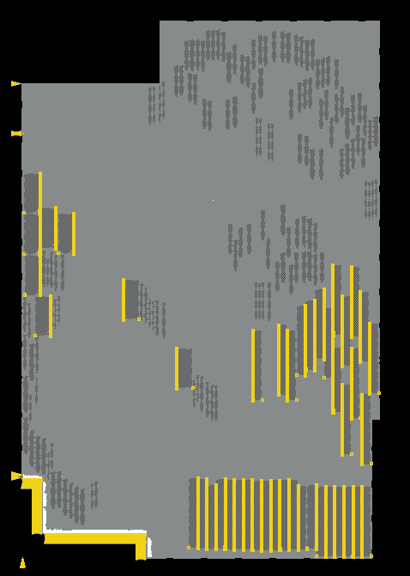

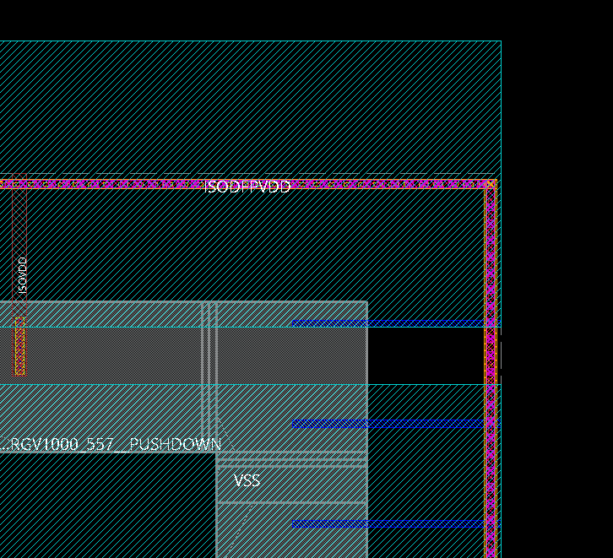
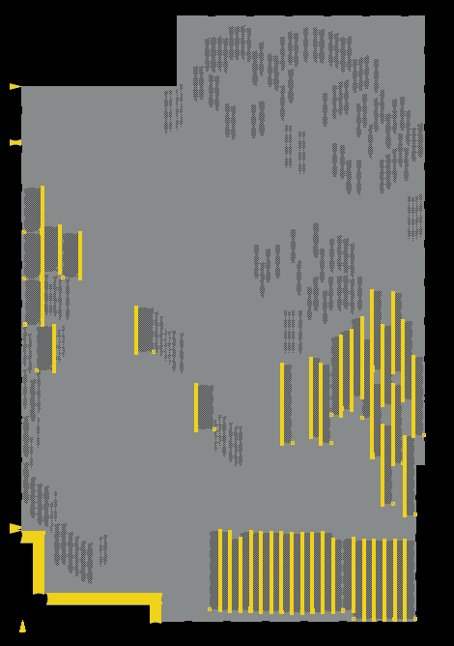
 | Innovus |  |  | Routing clearance around boundary | data check

 | INVS |  |  | Tie connection | data check | select_obj [get_db insts *TIE*]
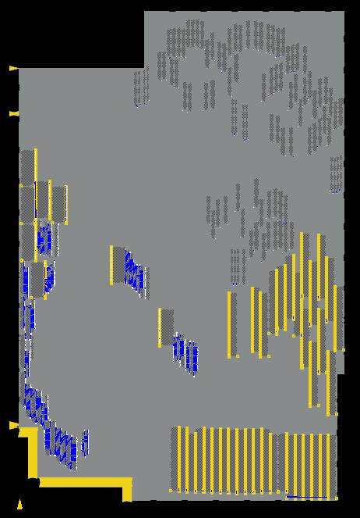

EOL

10. Extraction(StarRC)
back
 | Criteria |  | extract with -40/150/170 deg
 |  |  | inclding fill metal, using GDSII
update log&result
 | Check way |  | Log file
 | Judgement |  | OK

 | /design04/M28PT_F_layout01_vf/u2b10/data/r7f702540/5_layout/50_PnR/501_INNOVUS/v100_eco01/blocks/bccx/f6931_1114a_220323_dp01a.saci.op.PR13/starrc_20220608_092430/bccx.star_sum
 |  | # | Items for confirmation |  | Check target | Check evidence | judgement
 |  | 1 | Input | starRC version | *.star_sum | Version Q-2019.12-SP5-2 for linux64 - Oct 07, 2020 | OK
 |  | 2 |  | run script | star/tech_file.asc | TCAD_GRD_FILE: /eda01/Foundry2/TSMC/28EF/Rules/StarRCXT/v1.4p2a/1P9M_4X2Y2R_ALRDL/typical/cen28hpl_1p09m+16kalrdl_4x2y2r_typical.nxtgrd | OK
 |  | 3 |  | run script | star/tech_file.asc | BLOCK: bccx | OK
 |  | 4 |  | run script | star/tech_file.asc | TOP_DEF_FILE: /design04/M28PT_F_layout01_vf/u2b10/data/r7f702540/5_layout/50_PnR/501_INNOVUS/v100_eco01/blocks/bccx/f6931_1114a_220323_dp01a.saci.op.PR13/OUTPUT/bccx.def.gz | OK
 |  | 5 |  | run script | star/tech_file.asc | METAL_FILL_POLYGON_HANDLING: FLOATING | OK
 |  | 6 |  | run script | star/tech_file.asc | SELECTED_CORNERS: LT HT_150 HT TT HT_160 | OK
 |  | 7 |  | run script | star/tech_file.asc | DENSITY_OUTSIDE_BLOCK: 0.25 | OK
 |  | 8 |  | run script | star/tech_file.asc | SKIP_CELLS: * | OK
 |  | 9 |  | gdsii annotation | star/summary/standard_cells_*.sum | match (LEF-GDSII) : 11 BSBH68F220413ZZ1ZZ BSBH68F220473ZZ1ZZ BSBH88F2041C3ZZ1ZZ BSBH88F2041D3ZZ1ZZ BSBH88F2041E3ZZ1ZZ BSBH88F204283ZZ1ZZ BSBH88F208253ZZ1ZZ BSBH88F210253ZZ1ZZ BSBH88F240283ZZ1ZZ BSBL78F3107D1ZZ1ZZ BSBL78F3107E1ZZ1ZZ | OK | ../../../../snps_utilities/starrc_check_matching.pl star/summary/standard_cells_ ../OUTPUT/bccx.def.gz
 |  | 10 |  | metal fill statistics | star/summary/mf_statistics.sum | <database layer> <no. of DB fill polygons> <no. of MFGDS/MFOASIS fill polygons> <no. of total fill polygons> M1 131393 0 131393 M2 236604 0 236604 M3 882954 0 882954 M4 2879825 0 2879825 M5 2144254 0 2144254 M6 774794 0 774794 M7 717768 0 717768 | OK

 |  | 1 | Output | Error/Warning | *.star_sum | Message Summary: ---------------------------------------------------------------------------------------------- SX-0290 (x 1)|Warning |HALF_NODE_SCALE_FACTOR DETECTED IN NXTGRD FILE, SETTING NETLIST_UNSCALED_COORDINATES:YES FOR UNSHRUNK COORDINATES. SX-0291 (x 31)|Warning |HALF_NODE_SCALE_FACTOR DETECTED IN NXTGRD FILE, SETTING NETLIST_UNSCALED_RES_PROP:YES FOR UNSHRUNK COORDINATES. SX-1851 (x 1)|Warning |LAYER "()" HAS NO CONNECTIONS. SX-1946 (x 4)|Information |GOT LICENSE AFTER () ATTEMPTS, CONTINUING. SX-2105 (x 1)|Warning |DEF_MASKSHIFT_CONSISTENCY_CHECK MAY INCUR PERFORMANCE PENALTY IN PREXTRACTION. SX-2113 (x 10)|Warning |INVALID DATABASE LAYER '()' AT LINE () OF GDS/OASIS LAYER MAP FILE '()' SX-2169 (x 9)|Warning |DUPLICATE CELL DEFINITION IS FOUND AND IGNORED IN THE GDS/OASIS FILES. SX-2764 (x 2)|Warning |MISSING GDS/OASIS CELL DESCRIPTIONS FOR SOME LEF MACROS. SX-3050 (x 3)|Warning |FILE '()' DOES NOT EXIST, SLEEPING FOR () SEC. BEFORE CHECKING AGAIN. SX-3218 (x 900)|Warning |STARRC IGNORES THE DEFINITION OF CELL '()' IN '()' AS THERE IS NO METAL ROUTING DEFINED IN IT. SX-3860 (x 1)|Warning |INPUT_NAMES_ESCAPE_REMOVAL IS ENABLED, PLEASE MAKE SURE THAT THE NET SELECT COMMANDS REMOVE THE ESCAPE AT THE SAME TIME. SX-3883 (x 100)|Warning |NETS HAVE DUPLICATE NAME '()' ARE COMBINED. INPUT_NAMES_ESCAPE_REMOVAL COMMAND CAN CAUSE DUPLICATE NET NAMES. | OK
 |  | 2 |  | Short check | star/shorts_all.sum | File exist ; # No file | OK
 |  | 3 |  | SPEF | spef.LT | // COMMENTS // CORNER_NAME LT // OPERATING_TEMPERATURE -40 // DENSITY_OUTSIDE_BLOCK 0.25 // GLOBAL_TEMPERATURE 25 // TCAD_GRD_FILE /eda01/Foundry2/TSMC/28EF/Rules/StarRCXT/v1.4p2a/1P9M_4X2Y2R_ALRDL/typical/cen28hpl_1p09m+16kalrdl_4x2y2r_typical.nxtgrd // TCAD_TIME_STAMP Tue Nov // TCADGRD_VERSION 80 // HALF_NODE_SCALING_FACTOR 0.9 // galaxy_comments_begin // local_nodeid // galaxy_comments_end | OK | bccx.spef.LT.gz
 |  | 4 |  | SPEF | spef.HT | // COMMENTS // CORNER_NAME HT // OPERATING_TEMPERATURE 170 // DENSITY_OUTSIDE_BLOCK 0.25 // GLOBAL_TEMPERATURE 25 // TCAD_GRD_FILE /eda01/Foundry2/TSMC/28EF/Rules/StarRCXT/v1.4p2a/1P9M_4X2Y2R_ALRDL/typical/cen28hpl_1p09m+16kalrdl_4x2y2r_typical.nxtgrd // TCAD_TIME_STAMP Tue Nov // TCADGRD_VERSION 80 // HALF_NODE_SCALING_FACTOR 0.9 // galaxy_comments_begin // local_nodeid // galaxy_comments_end | OK | bccx.spef.HT.gz
 |  | 5 |  | SPEF | spef.HT_150 | // COMMENTS // CORNER_NAME HT_150 // OPERATING_TEMPERATURE 150 // DENSITY_OUTSIDE_BLOCK 0.25 // GLOBAL_TEMPERATURE 25 // TCAD_GRD_FILE /eda01/Foundry2/TSMC/28EF/Rules/StarRCXT/v1.4p2a/1P9M_4X2Y2R_ALRDL/typical/cen28hpl_1p09m+16kalrdl_4x2y2r_typical.nxtgrd // TCAD_TIME_STAMP Tue Nov // TCADGRD_VERSION 80 // HALF_NODE_SCALING_FACTOR 0.9 // galaxy_comments_begin // local_nodeid // galaxy_comments_end | OK | bccx.spef.HT_150.gz

EOL

11. Qor(PnR)
back

Criteria |  | Timing met

not change from FEOL tapeout
Check way
Judgement | OK

 | /design04/M28PT_F_layout01_vf/u2b10/data/r7f702540/5_layout/50_PnR/501_INNOVUS/v100_eco01/blocks/bccx/f6931_1114a_220323_dp01a.saci/qor_sum_f6931_1114a_220323_dp01a.saci_suzukiss_vf_20220526_160404.xlsx
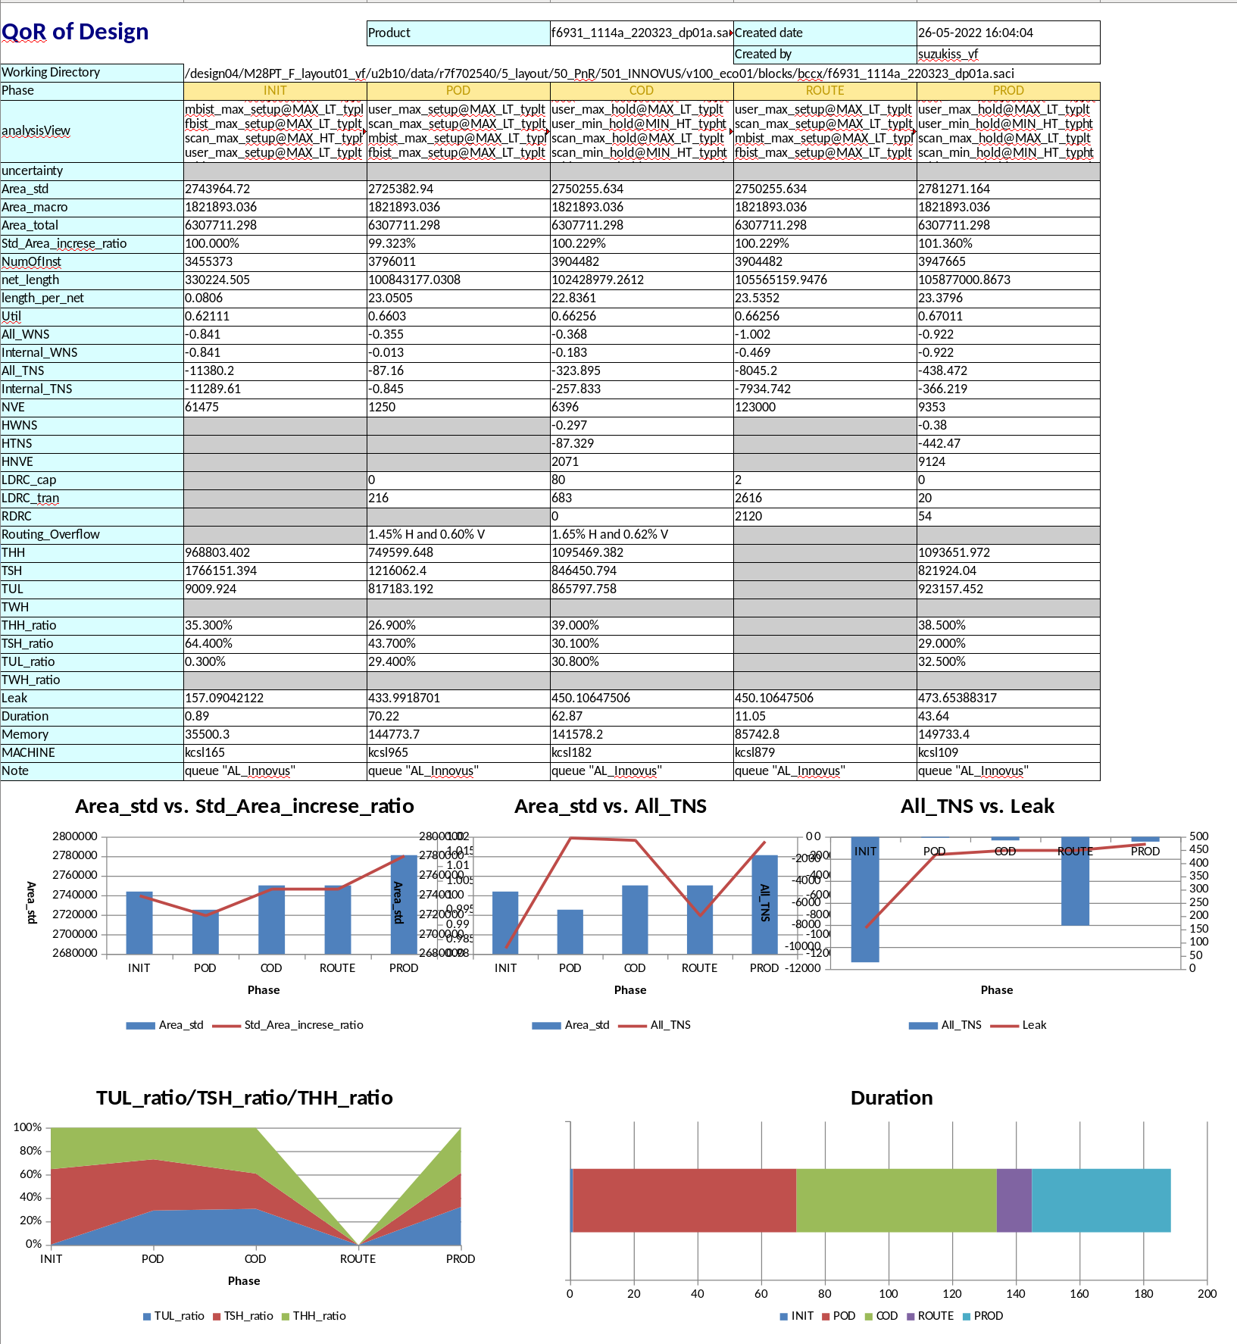

EOL

12. Signoff(PT)
back
 | Criteria | All items MET
update STA result
 | Check way | Report STA
 | Judgement | OK

 |  | Use IRDrop margin(+5mV) and PBA

 |  | /design04/M28PT_D_ME/04_STA_U2B10/post/120_v100_eco04_m0_PR15_Top_20220614a

13. Power
not change from FEOL tapeout
back
 | Criteria | Dynamic power | Depend on each products
 |  | Static power | Depend on each products
 | Check way
 | Judgement |  | OK

 | Data_base |  | /design04/M28PT_F_layout01_vf/u2b10/data/r7f702540/5_layout/50_PnR/501_INNOVUS/v100_eco01/blocks/bccx/f6931_1114a_220323_dp01a.saci.op.PR10/log/eco_opt_processing_220529_123210.log

 |  |  | Total Power
 |  |  | -----------------------------------------------------------------------------------------
 |  |  | Total Internal Power: 640.89366457 36.8472%
 |  |  | Total Switching Power: 586.85300797 33.7403%
 |  |  | Total Leakage Power: 511.57943699 29.4125%
 |  |  | Total Power: 1739.32610952
 |  |  | -----------------------------------------------------------------------------------------
EOL

14. Safety
not change from FEOL tapeout
back
 | Criteria | Checker core need to isolate from master core
 | Check way
 | Judgement | OK

 | bccx don’t have a FuSa requrements

EOL

15. Filler
not change from FEOL tapeout
back
 | Criteria | fill FILL*BWP7T40P140,DCAP*BWP7T40P140,GZFILL1BWP7T40P140ULVT
 |  | check number of fill metal geometry

 | Check way | get_db base_cells TARGET_CELL -foreach { puts [format "%-30s %10d" $obj(.name) [llength [get_db insts -if ".base_cell.name==$obj(.name)"]]] }
 | Judgement | OK

 | Fill cells | get_db base_cells FILL*BWP7T40P140 -foreach { puts [format "%-30s %10d" $obj(.name) [llength [get_db insts -if ".base_cell.name==$obj(.name)"]]] }

 |  | FILL64BWP7T40P140 5
 |  | FILL32BWP7T40P140 19
 |  | FILL16BWP7T40P140 61
 |  | FILL8BWP7T40P140 86366
 |  | FILL4BWP7T40P140 310087
 |  | FILL3BWP7T40P140 811309
 |  | FILL2BWP7T40P140 973601

 |  | select_obj [get_db insts -if {.base_cell.name==FILL*BWP7T40P140}]
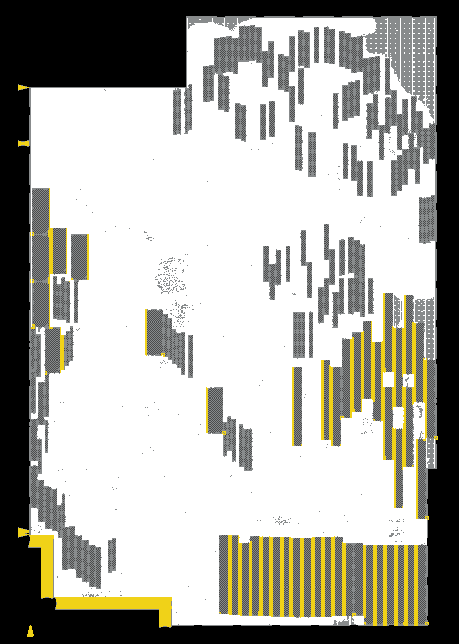

 | DCAP cell | get_db base_cells DCAP*BWP7T40P140 -foreach { puts [format "%-30s %10d" $obj(.name) [llength [get_db insts -if ".base_cell.name==$obj(.name)"]]] }

 |  | DCAPZ64BWP7T40P140 8151
 |  | DCAPZ32BWP7T40P140 34714
 |  | DCAPZ16BWP7T40P140 120781
 |  | DCAP8BWP7T40P140 224215
 |  | DCAP4BWP7T40P140 370734

 |  | select_obj [get_db insts -if {.base_cell.name==DCAP*}] |  | select_obj [get_db insts -if {.base_cell.name==DCAPZ64BWP7T40P140}] | select_obj [get_db insts -if {.base_cell.name==DCAPZ32BWP7T40P140}] | select_obj [get_db insts -if {.base_cell.name==DCAPZ16BWP7T40P140}] | select_obj [get_db insts -if {.base_cell.name==DCAP8BWP7T40P140}] | select_obj [get_db insts -if {.base_cell.name==DCAP4BWP7T40P140}]
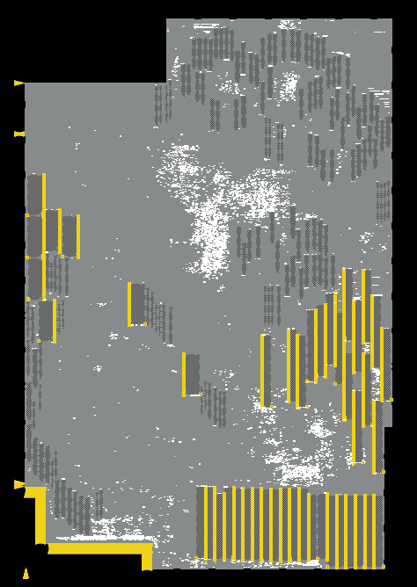
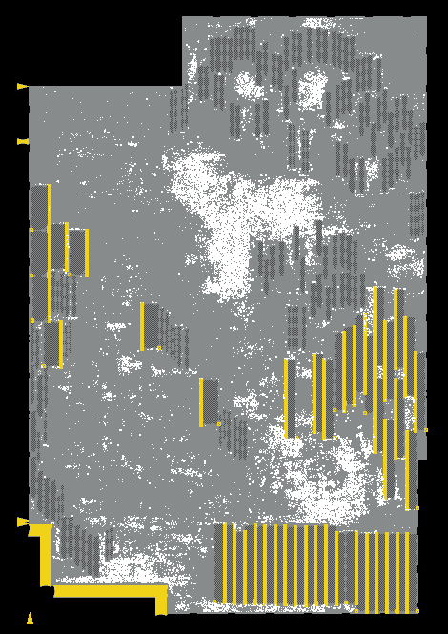
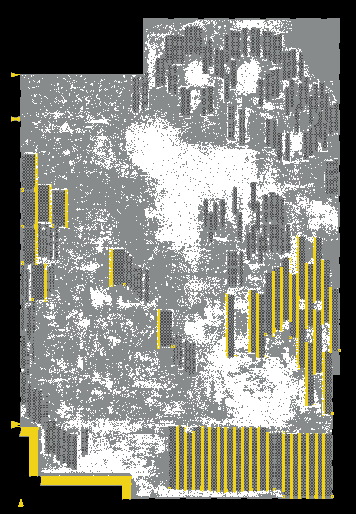
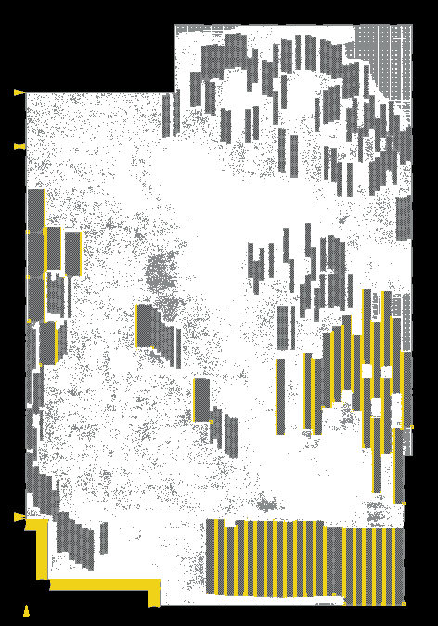
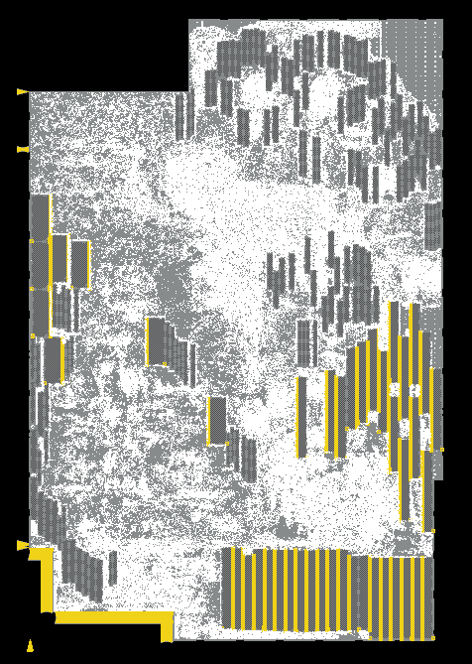
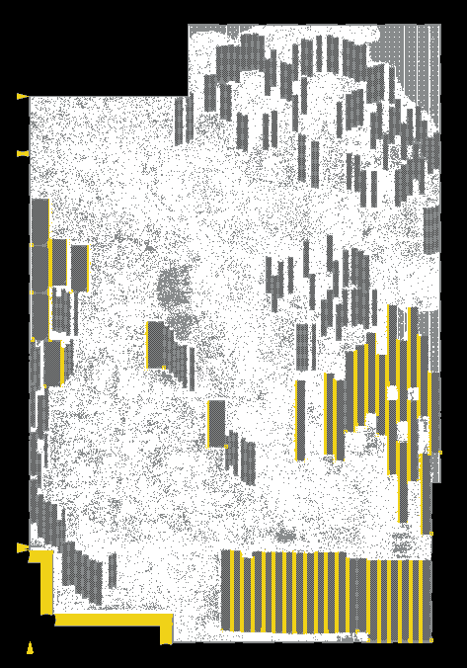

 | GA filler | get_db base_cells GZFILL1BWP7T40P140ULVT -foreach { puts [format "%-30s %10d" $obj(.name) [llength [get_db insts -if ".base_cell.name==$obj(.name)"]]] }

 |  | GZFILL1BWP7T40P140ULVT 319347

 |  | select_obj [get_db insts -if {.base_cell.name==GZFILL1BWP7T40P140ULVT}]
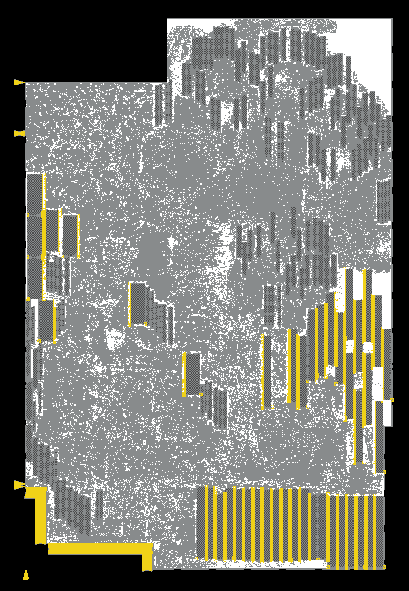

 | Decoupling capacitance |  | source /design04/M28PT_F_layout01_vf/u2b10/data/r7f702540/5_layout/50_PnR/501_INNOVUS/v100_eco01/cdns_utilities/chk_decap_count.7t.invs.tcl

 |  | ISODFPVDD DCAP4BWP7T40P140 : 370734
 |  | ISODFPVDD DCAP8BWP7T40P140 : 224215
 |  | ISODFPVDD DCAPZ16BWP7T40P140 : 120781
 |  | ISODFPVDD DCAPZ32BWP7T40P140 : 34714
 |  | ISODFPVDD DCAPZ64BWP7T40P140 : 8151
 |  | ISODFPVDD GZFILL1BWP7T40P140ULVT : 319347
 |  | --------------------------------------------------
 |  | cap total ISODFPVDD domain : 2182310.790 |  | (fF)

EOL

16. Export data
back
 | Criteria |  | no lacking corner (MAX_LT,MAX_HT,MIN_LT,MIN_HT)
 |  |  | Verilog (for PT, LVS)
 |  |  | SPEF with -40/150/170 deg
update export data
 |  |  | including antenna information, post layout data
 |  |  | boundary net shapes, boundary timing can refer from chip-top

 | Check way |  | Check file output
 | Judgement |  | OK

 | Release directory: | /design04/M28PT_F_layout01_vf/u2b10/data/r7f702540/5_layout/50_PnR/500_ICC2/v100_eco03/Outgoing/Hier/bccx/20220608a

 | verilog(for PT) | r7f702540_v100_eco03_m0_PR13_DFP_20220608a.v.gz
 | verilog(for LVS) | r7f702540_v100_eco03_m0_PR13_DFP_20220608a.pg.v.gz

 | spef(170deg) | r7f702540_v100_eco03_m0_PR13_DFP_20220608a.spef.HT.gz
 | spef(150deg) | r7f702540_v100_eco03_m0_PR13_DFP_20220608a.spef.HT_150.gz
 | spef(-40deg) | r7f702540_v100_eco03_m0_PR13_DFP_20220608a.spef.LT.gz

 | nlib(inc.ant,net,abs) | bccx.nlib

 | def | r7f702540_v100_eco03_m0_PR13_DFP_20220608a.def.gz
 | gdsii | r7f702540_v100_eco03_m0_PR13_DFP_20220608a.gdsii.gz
 | lef | r7f702540_v100_eco03_m0_PR13_DFP_20220608a.lef.gz

EOL

17. Logical check
update result
back
 | Criteria |  | PASS all items
 | Check way |  | Report
 | Judgement |  | OK

 | HLDRC | /design04/M28PT_F_layout01_vf/u2b10/data/r7f702540/5_layout/50_PnR/501_INNOVUS/v100_eco01/blocks/bccx/f6931_1114a_220323_dp01a.saci.op.PR13/hldrc/postlay/bccx_hldrc.rep

 |  | ************* SUMMARY OF ERRORS AND WARNINGS *************

 |  | MESSAGE_LEVEL MESSAGE_TYPE #ERRORS #WARNINGS
 |  | ------------------------------------------------------------------------
 |  | 1 Shorts 0 57160
 |  | 2 Dangling 0 1699731
 |  | 3 Name Rule 0 0
 |  | 4 Duplication Module 0 0
 |  | 5 Gate Loop 0 0
 |  | 6 Duplication Module 0 0
 |  | 7 Fanout Restriction 4 0 |  | can be waived. These nets does not violated constraints(tran/cap)
 |  | 8 Duplication Module 0 0
 |  | 9 Parallel Drive 0 0
 |  | 10 Three-State/Bus Repeater 0 0
 |  | 11 Clock Line 0 2
 |  | 12 Level Shift 0 0
 |  | 13 Duplication Module 0 0
 |  | 14 Module Ports 0 0
 |  | 15 Top Module Port 0 0
 |  | 16 Restriction cells 9 0 |  | can be waived by [u2b_Global_Design:22186]
 |  | 17 Inverter Chain 3 0 |  | chain does not include small loads
 |  | 18 E-Fuse Check 0 0
 |  | 19 Direct Clamp 0 0
 |  | 20 Cell Condition 0 0
 |  | 21 Burn-in Enable 0 0
 |  | 22 Duplication Module 0 0
 |  | ------------------------------------------------------------------------
 |  | TOTALS: 16 1756893

 | FV | /design04/M28PT_F_layout01_vf/u2b10/data/r7f702540/5_layout/50_PnR/501_INNOVUS/v100_eco01/blocks/bccx/f6931_1114a_220323_dp01a.saci.op.PR13/fv/postlay/rep/noneq.rep

 |  | 0 Non-equivalent point(s) reported
 |  | 0 compared point(s) reported
 |  | ================================================================================
 |  | Compared points PO DFF DLAT BBOX Total
 |  | --------------------------------------------------------------------------------
 |  | Equivalent 4537 368810 322 182 373851
 |  | ================================================================================

EOL

18. PV(Calibre)
update result
back
 | Criteria | PASS all items
 | Check way | Report
 | Judgement | OK

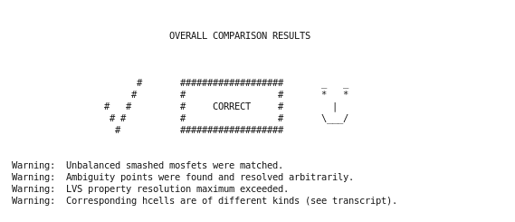
 |  | LVS

 |  | DRC | fake errors
 |  |  | RULECHECK IO_CONNECT_CORE_NET_VOLTAGE_IS_CORE:WARNING1 ... TOTAL Result Count = 1 (1)
 |  |  | RULECHECK DIODMY_L:WARNING ............................... TOTAL Result Count = 1 (1)
 |  |  | RULECHECK PO.DN.3.a ...................................... TOTAL Result Count = 3 (3)
 |  |  | RULECHECK PO.DN.3.1.a .................................... TOTAL Result Count = 4 (4)
 |  |  | RULECHECK M8.DN.2 ........................................ TOTAL Result Count = 1 (1)

 |  | ANTENNA | TOTAL DRC Results Generated: 0 (0)

 |  | MULTIVIA
 |  |  | TOTAL DRC Results Generated: 0 (0)
EOL

