4thQt_Week 1-2
Computer Science 2 Project | Team Members: | Zian Padillo
Group Progress Report |  | Marcus Elona
4th Quarter

Week 1-2 - March 2-13, 2026
GOAL State your goal for the Week | DATA COLLECTED State/list the data collected relevant to your project | PROGRESS State the progress you have made so far by the end of the week
\Began working on pseudocode for visualization



Begin formatting the initial design of the pagr |  | Finished pseudocode and we are ready to begin coding backend and frontend software

STRENGTH
Clear sense of direction
The simplicity of pseudocodes

AREAS FOR DEVELOPMENT
Actual Calculations
Information Storage

STRATEGY FOR SUCCESS
Maintain consistency in working on the software

4thQt_Week 3-4
Computer Science 2 Project | Team Members: | Zian Padillo
Group Progress Report |  | Marcus Elona
4th Quarter

Week 3-4 - March 16-27, 2026
GOAL State your goal for the Week | DATA COLLECTED State/list the data collected relevant to your project | PROGRESS State the progress you have made so far by the end of the week
Began working on the backend python code |  | Initial backends completed

Complete initial backend program | 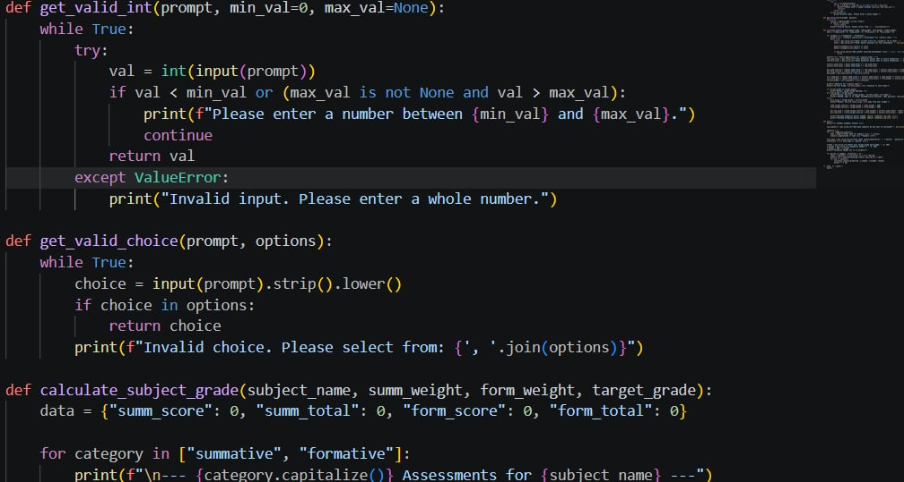 | Most functions implemented
 |  | Logic flow mostly works
Add all functios into the backend

STRENGTH
We have experience in all the functions we need because of the studying from last quarter
Simplifiction of operations

AREAS FOR DEVELOPMENT
Depth of assessment value

STRATEGY FOR SUCCESS
Remain consistent and begin working on the frontend

4thQt_Week 5-6
Computer Science 2 Project | Team Members: | Zian Padillo
Group Progress Report |  | Marcus Elona
4th Quarter

Week 5-6 - March 30-April 5
GOAL State your goal for the Week | DATA COLLECTED State/list the data collected relevant to your project | PROGRESS State the progress you have made so far by the end of the week
Create basic frontend code using HTML
Begin fusing the backend to the frontend | 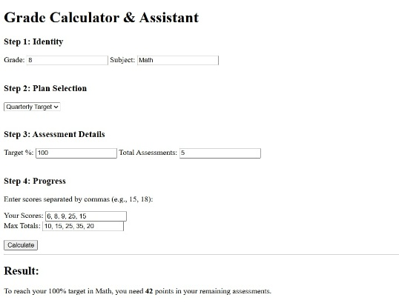 | Initial frontend code completed
Debug the backend for any errors |  | Fusion partially completed

STRENGTH
Our HTML knowledge is deep enough to make the frontend
The backend is already ready to fuse

AREAS FOR DEVELOPMENT
Bugs and other logical errors
Frontend design

STRATEGY FOR SUCCESS
Continue research on HTML

4thQt_Week 7
Computer Science 2 Project | Team Members: | Zian Padillo
Group Progress Report |  | Marcus Elona
3rd Quarter


Week 7 - April 6-7
GOAL State your goal for the Week | DATA COLLECTED State/list the data collected relevant to your project | PROGRESS State the progress you have made so far by the end of the week
Implement assessment types |  | Code refined
Refine frontend |  | Assessment types flawlessly implemented
Polish to extinguish bugs |  | Edited UI

STRENGTH
Code is almost complete
A few simple fixes are necessary

AREAS FOR DEVELOPMENT
GUI
Logic Flow
Assessment Type

STRATEGY FOR SUCCESS
Properly track time usage to allow
focusing on other tasks needed to be
finished

