Sheet1
 |  | Downforce

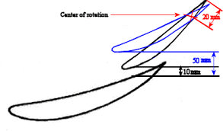
Max Camber x Max Camber Pos
 |  |  | Drag

10 | 15 | Alpha
 | 25
 | 35
.
80mm
15 | 15
 | 25
 | 35
25 | 15
 | 25
 | 35
40 | 15
 | 25
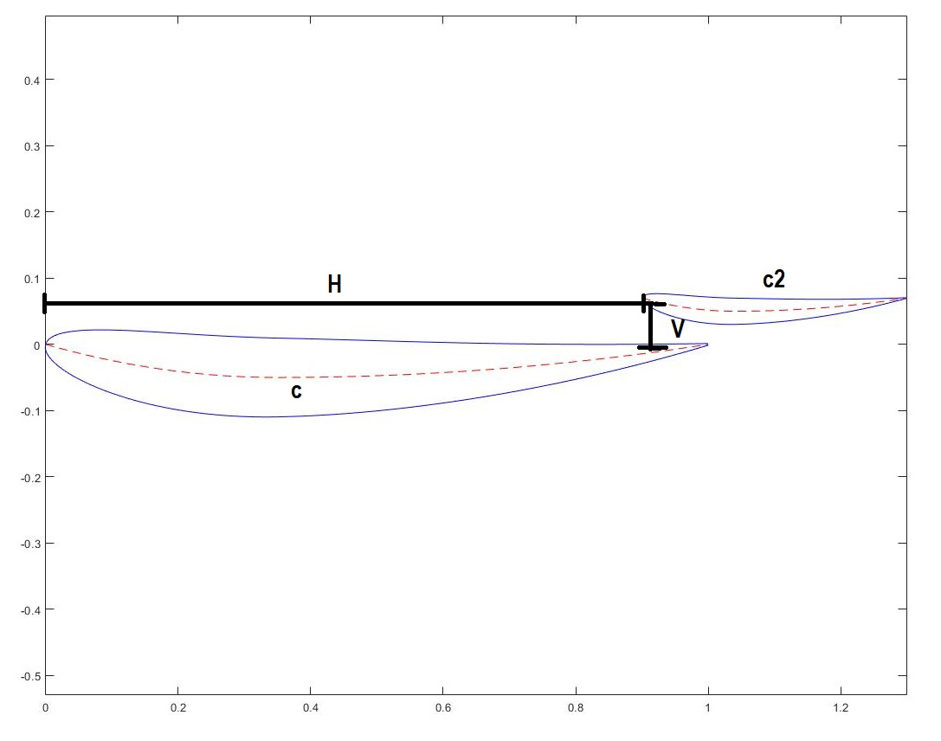
 | 35

