Quick Deflection Check
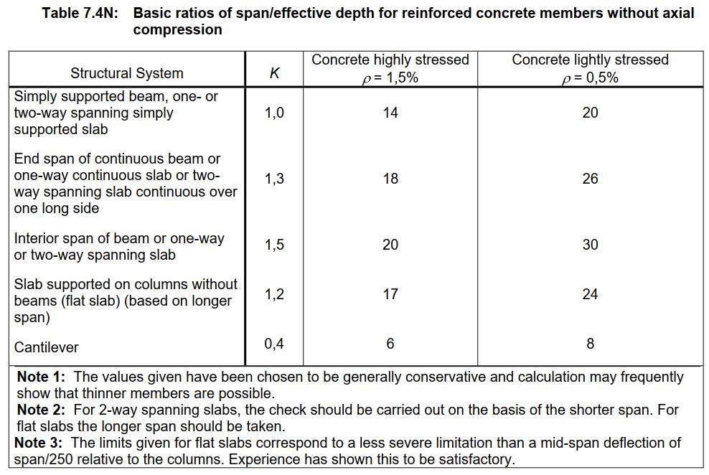
EN1992-1-1 7.16
 | K | 1
 | Concrete | C30/37
 | fck | 30 Mpa
 | ρ0 | 0.55%
 | ρ | 0.25%
 | ρ' | 0
 | rebar area | 628 mm²
 | b | 1000 mm
 | h | 250 mm

l/d | 51.35

 |  |  | ID | ID | x | y
 |  |  | 1 | 1 | 2 | 2
 |  |  | 2 | 3 | 2 | 2
 |  |  | 3 | 5 | 2 | 2
 |  |  | 4 | 4 | 2 | 2
 |  |  | 5 | 3 | 2 | 2

