Page 29
JPMORGAN CHASE & CO.
BUSINESS SEGMENT REORGANIZATION

On May 15, 2024, JPMorgan Chase & Co. (“JPMorgan Chase” or the “Firm”) furnished the U.S. Securities and Exchange Commission with a Current Report on Form 8-K
to provide supplemental financial information reflecting the reorganization of the Firm's reportable business segments that became effective in the second quarter of 2024,
resulting in:
• The combination of the former Corporate & Investment Bank and Commercial Banking business segments to form one segment, the Commercial & Investment Bank
("CIB"); and
• No impact to the Firm’s other segments.
The following table provides a summary of the Firm’s impacted business segments prior to and after the reorganization.

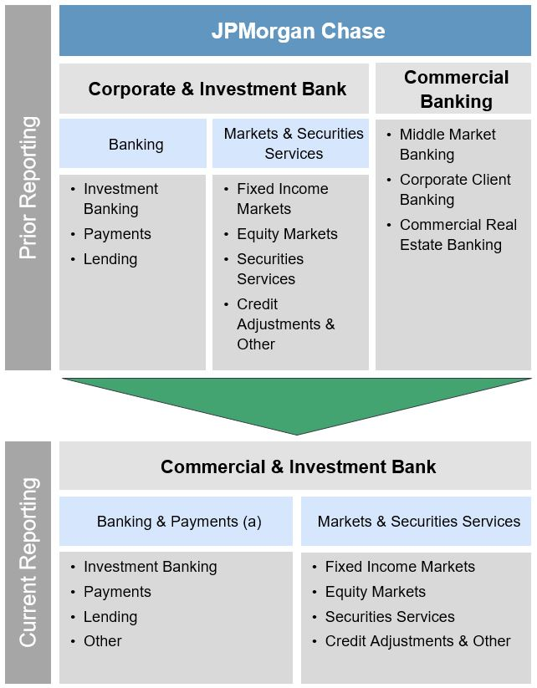

(a) | Banking & Payments revenue by client coverage segment consists of the following:
 | Global Corporate Banking & Global Investment Banking provides banking products and services generally to large corporations, financial institutions and merchants.
 | Commercial Banking provides banking products and services generally to middle market clients, including start-ups, small and midsized companies, local governments, municipalities, and nonprofits, as well as to commercial real estate clients.
 | Other includes amounts related to credit protection purchased against certain retained loans and lending-related commitments in Lending, the impact of equity investments in Payments and balances not aligned with a primary client coverage segment.

