文档说明
一、项目部署：

 | 将war放到tomcat的webapps下直接启动

二、修改配置文件：

 | 启动tomcat后在webapps下有个dgProject的文件夹，打开application.properties配置文件修改参数，具体路径如下
 | 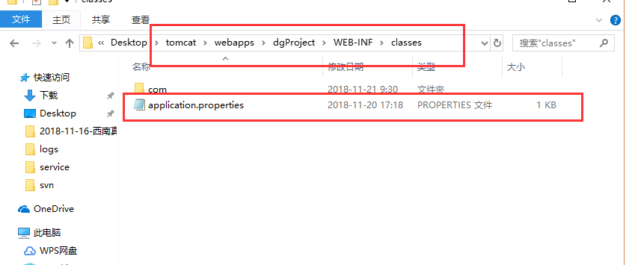
 | 打开后下图红框部分是需要改的，改成需要连接的数据库和正确的账号密码
 | 圈出来的部分，ip那个参数是限制访问用的，没有什么限制的话不用改它，用*号就行了
 | Token是一个加密字符串，访问的时候需要穿过来验证
 | aeskey是参数加密解密用到的key，可修改
 | 注意ip、token和aeskey不能为空

三、接口请求响应：

 | 请求

 |  | 通过 http://192.168.0.222:8080/dgProject/getList?token=04B08F76EB14335E989D4FF5BDAD3028 请求
 |  | 路径中token那个参数就是在application.properties配置的那个token

 | 响应

 |  | 请求和响应信息的类型，为JSON格式数据用AES加密方式后的字符串。
 |  | 具体json格式在 JSON格式 sheet表里有说明

 |  | 类型

 |  |  | 为JSON格式数据用AES加密方式后的字符串

四、响应字符串解密

 | JSON串用的ASE加密方式加密，AESUtil.java是用到的加密工具类
 | 解密方法里面有，解密需要用到的password和需application.properties配置文件里的aeskey一致

JSON格式
json格式如下：
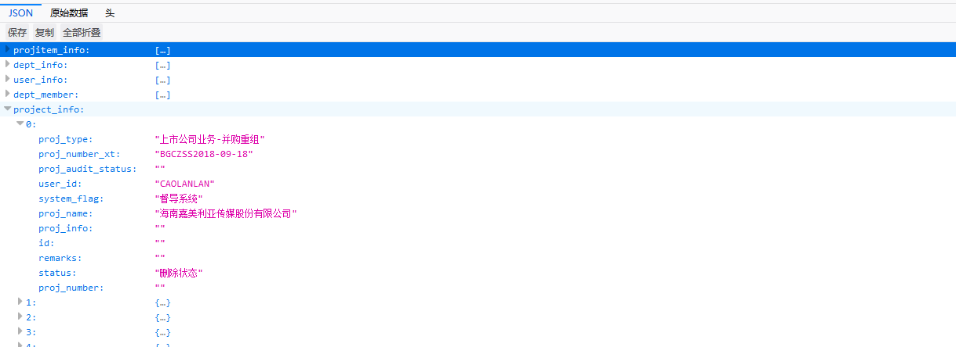

下面是json串格式的一个例子

{"projitem_info":[{"del_flag":"","pi_name":"深圳宜搜天下科技股份有限公司","user_id":"HUANGYULING","system_flag":"督导系统","pi_number":"ZRZ2018-09-94","remarks":""},{"del_flag":"","pi_name":"北京融金博瑞信息科技有限公司","user_id":"LIAOWEIDAO","system_flag":"督导系统","pi_number":"2018-07-126","remarks":""}],"dept_info":[{"DEPT_NAME":"挂牌公司","CREATE_DATE":null,"SYSTEM_FLAG":"督导系统","UPDATE_DATE":null,"UPDATE_BY":null,"CREATE_BY":null,"DEL_FLAG":null,"ID":"51"},{"DEPT_NAME":"fdfdfdfdsfdfdddddddddd","CREATE_DATE":null,"SYSTEM_FLAG":"督导系统","UPDATE_DATE":null,"UPDATE_BY":null,"CREATE_BY":null,"DEL_FLAG":null,"ID":"340"}],"user_info":[{"LOGIN_TIME":null,"ACCOUNT_TYPE":"1","ACCOUNT_ID":"PROUSER","PHONE":null,"SEX":null,"REMARKS":null,"EMAIL":null,"NAME":"项目人员","SYSTEM_FLAG":"督导系统","PASSWORD":null,"ACCOUNT_FLAG":null,"USER_IMG":null,"ID":"430","BACKGROUND_PERM":"1","JOB":"项目负责人"},{"LOGIN_TIME":null,"ACCOUNT_TYPE":"1","ACCOUNT_ID":"DUDAO","PHONE":null,"SEX":null,"REMARKS":null,"EMAIL":null,"NAME":"督导","SYSTEM_FLAG":"督导系统","PASSWORD":null,"ACCOUNT_FLAG":null,"USER_IMG":null,"ID":"421","BACKGROUND_PERM":"1","JOB":"持续督导专员"}],"dept_member":[{"DEPT_ID":"293","JOIN_TIME":"2017-08-16 00:00:00.0","USER_ID":"PROUSER"},{"DEPT_ID":"54","JOIN_TIME":"2017-07-11 00:00:00.0","USER_ID":"DUDAO"}],"project_info":[{"proj_type":"上市公司业务-并购重组","proj_number_xt":"BGCZSS2018-09-18","proj_audit_status":"","user_id":"CAOLANLAN","system_flag":"督导系统","proj_name":"海南嘉美利亚传媒股份有限公司","proj_info":"","id":"","remarks":"","status":"删除状态","proj_number":""},{"proj_type":"债券业务-其他","proj_number_xt":"ZQQT2018-07-397","proj_audit_status":"","user_id":"QIHONGLAN","system_flag":"督导系统","proj_name":"21212121","proj_info":"","id":"","remarks":"","status":"正常状态","proj_number":""}]}

在底稿系统接口.xlsx里，是各个字段的意思，注意在底稿系统那一列写空的，都是没有传值的，不过json串里还是给拼了为空的字段的

