Sheet1
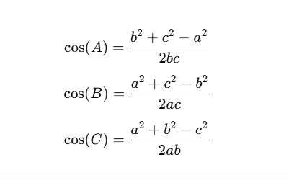
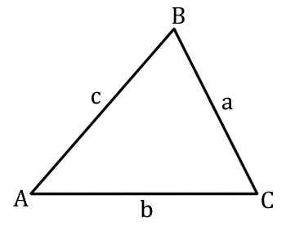
 |  | Power2
L1 | 22.8 | 519.84
L2 | 13.6 | 184.96
x | 10 | 100
y | 26 | 676
range | 27.856776554 | 776

Shoulder angle | 1110.88 | 1270.2690109 | 0.87452342023 | 0.50634405519 | 29.011377344
Elbow angle | -71.2 | 620.16 | -0.11480908153 | 1.685859135 | 96.59261329
Target Angle | 441.12 | 757.70432228 | 0.58217960097 | 0.94938946338 | 54.396009366

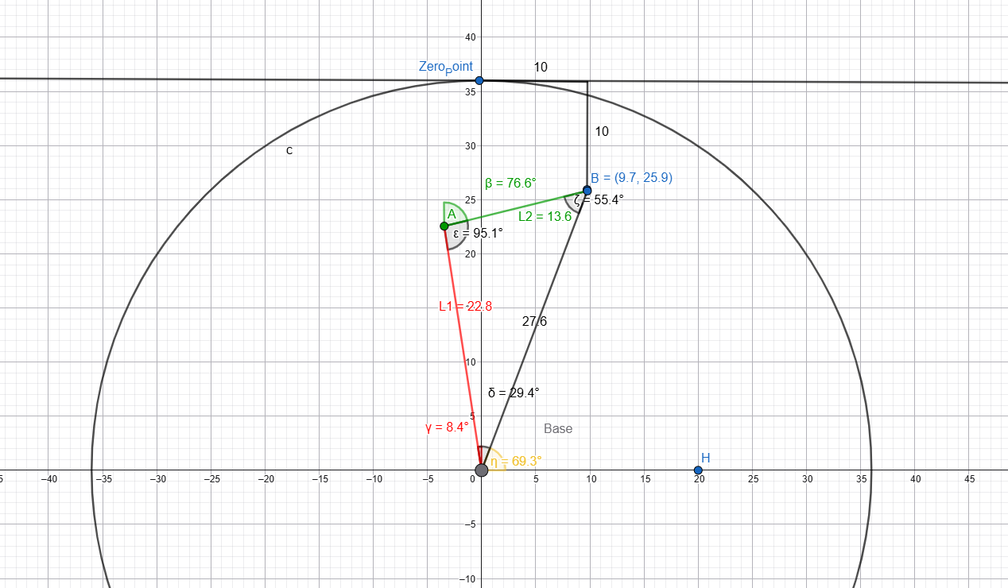
sholder angle to X | 0.35897907931 |  |  | 1.203622493 | 68.962488975
sholder angle to X other side |  |  |  |  | 82.026133681

target angly to y |  |  |  |  | 21.037511025
target angly to y other side |  |  |  |  | 14.566479609

Elbow angle to x |  |  |  |  | 68.840907101

