Sheet1
 | Grade | Pass/Warning/Fail | Letter Grade
Enter Grade =>
 |  |  |  | solved using global variable

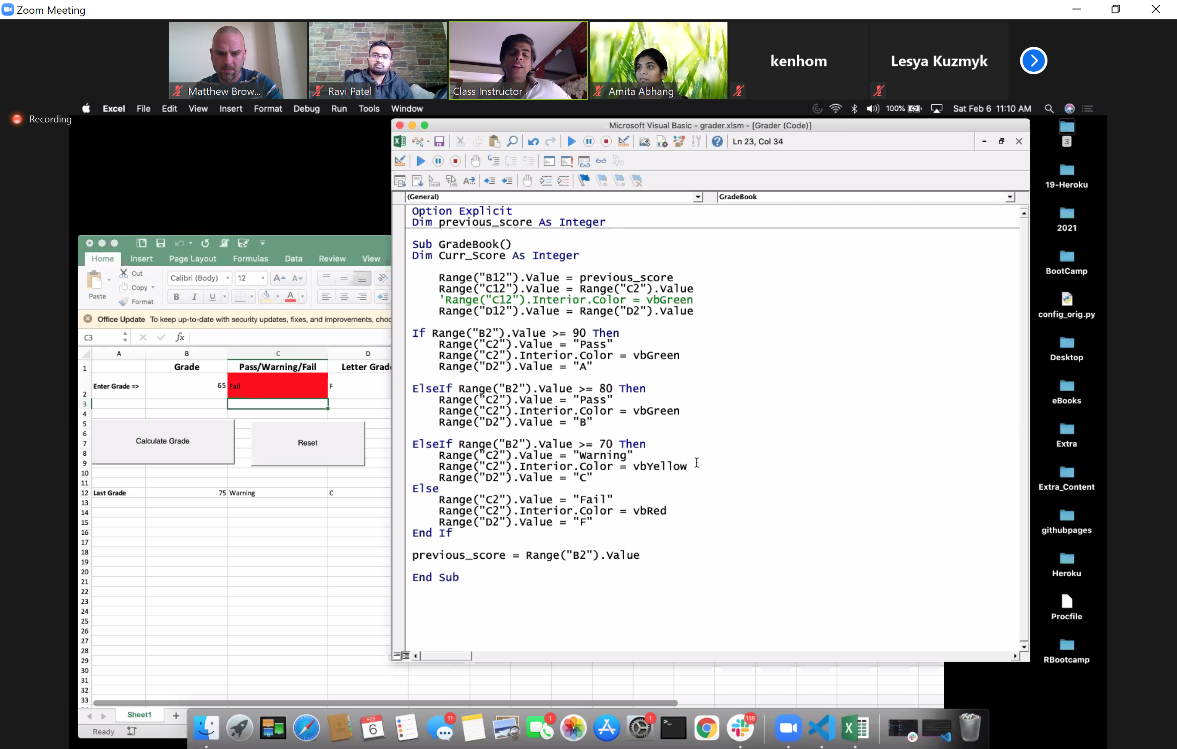

Last Grade

