Bug Report Template
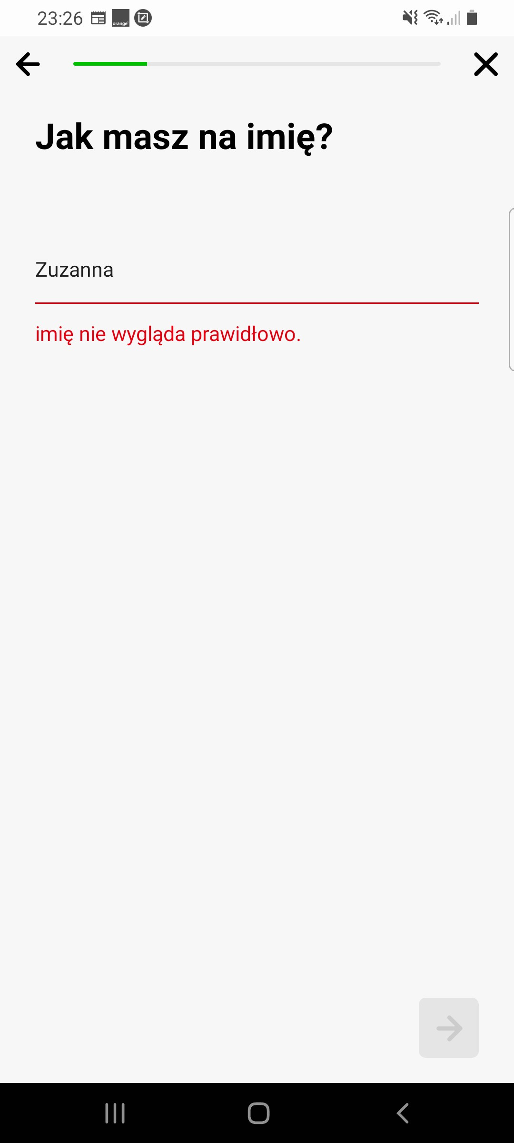
Bug Report Template
App Name: | Europcar
Device / OS | Samsung Galaxy A70 Android 11.00
Bug Summary | Sign up error
Description | When I try to sign up / to create an account suddenly en error message pops up " imię nie wygląda prawidłowo" (Your name doesn't look good in English). This comes when I fill the form with the correct name in polish.
Steps to reproduce | 1. Download the Europcar app from the google play store 2. Go to your profile. 3. Create an account. 4. Tap on the screen "let's go". 5. Check Madane in the option 6. Write "Zuzanna "
Actual result | Error message " imię nie wygląda prawidłowo" (Your name doesn't look good in English).
Expected result | Created new account
Priority | High
Severity | Critical
Workarounds (if any) | No
Screenshots | See the screenshots below

