Bug Report Template
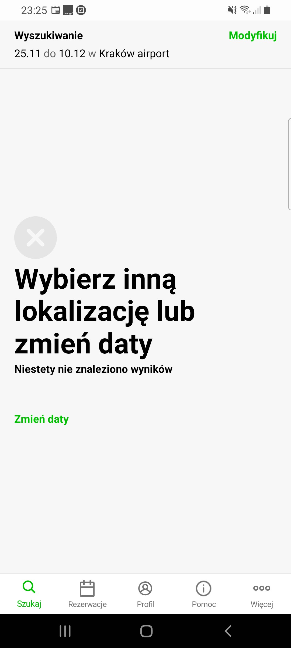
Bug Report Template
App Name: | Europcar
Device / OS | Samsung Galaxy A70 Android 11.00
Bug Summary | Problem with the database
Description | When I try to book a car constantly there is a message "Brak wyników Wybierz inny termin" (No results try another date in English). I appears in many locations in Poland, in many different dates.
Steps to reproduce | 1. Download the Europcar app from the google play store 2. Go to search menu 3. Tap " samochód" (car in English) option 4. Write "Kraków airport" in pickup and return form 5. Select date 25.11.2021 to 10.12.2021
Actual result | Error message "Brak wyników Wybierz inny termin" (No results try another date in English).
Expected result | Book a car in selected date
Priority | High
Severity | Critical
Workarounds (if any) | No
Screenshots | See the screenshots below

