Bug Report Template
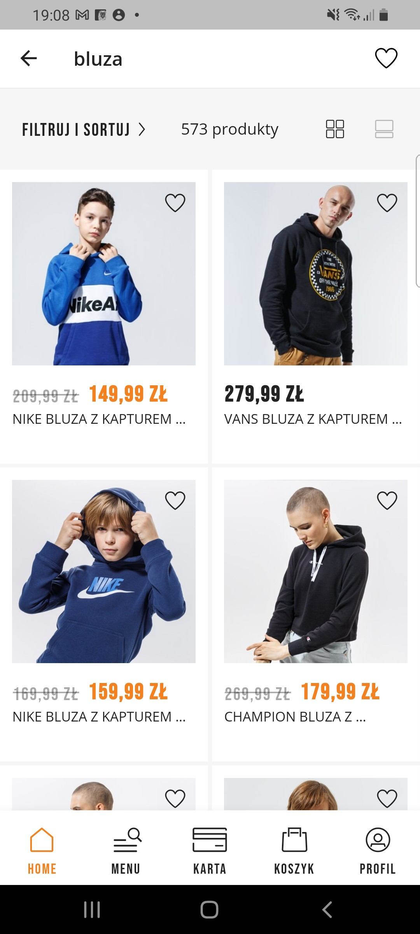
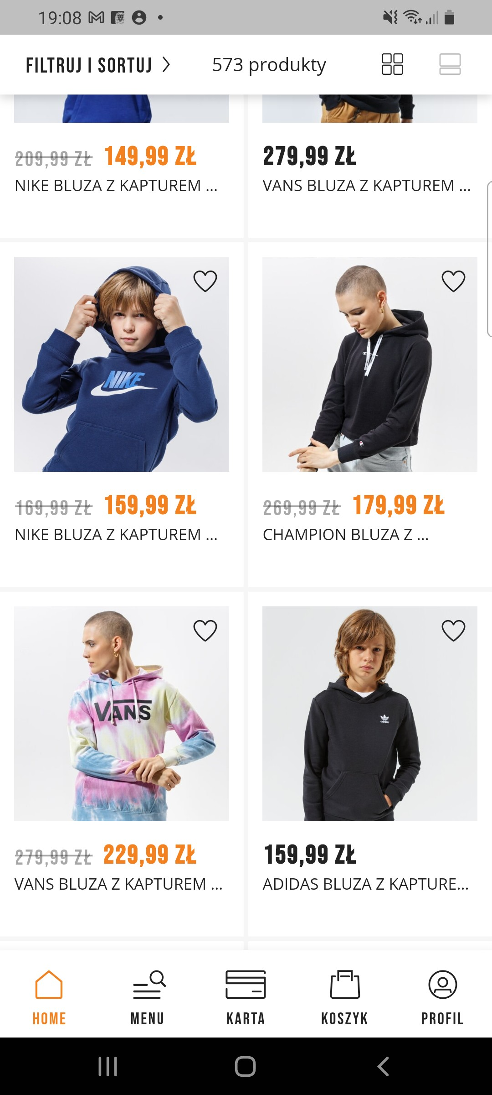
Bug Report Template
App Name: | Sizeer
Device / OS | Samsung Galaxy A70 Android 11.00
Bug Summary | Failure of the sort feature ( from the cheapest item)
Description | When I want to sort items( sweatshirts) from the cheapest the app doesn't sort them appropriately.
Steps to reproduce | 1. Download the Sizeer app from the google play store 2. Write "bluza" (sweatshirt in english) in the search engine of the app 3. Choose "wszystkie wyniki" ( all the results in english) 4. Tap on the "filtruj i sortuj" button 5. Choose "Od najtańszych" ( from the cheapest in english)
Actual result | Mixture of the results. Not in the correct, ascending order.
Expected result | Items listed from the cheapest, in the ascending order.
Priority | Medium
Severity | Minor
Workarounds (if any) | Check all listed items manually and compare prices.
Screenshots | See the screenshots below

